T0ME21
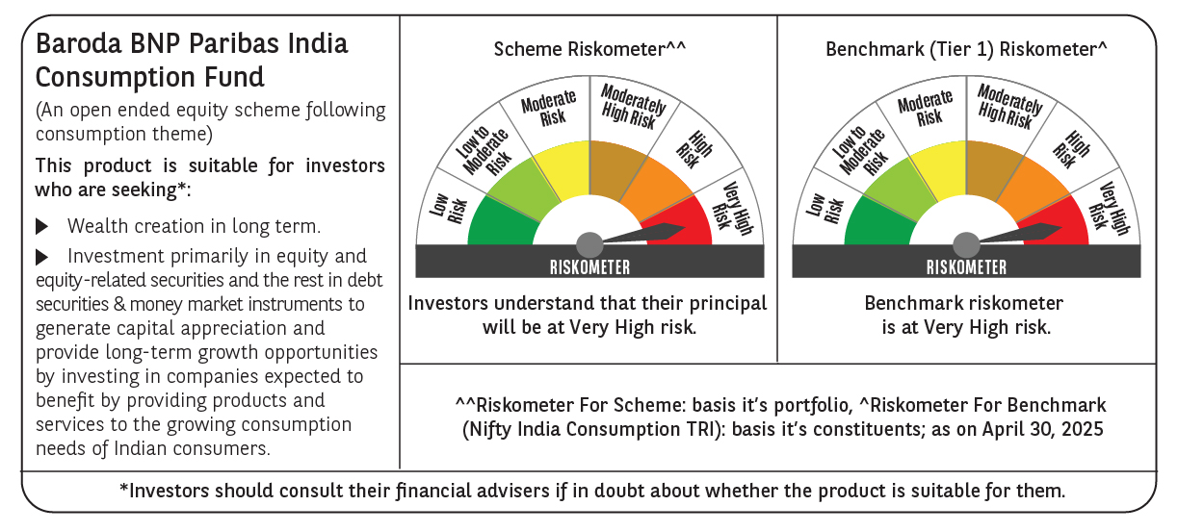
 | Baroda BNP Paribas India Consumption Fund

 | Monthly Portfolio Statement as on April 30, 2025
 | Name of the Instrument | ISIN | Industry / Rating | Quantity | Market/Fair Value (Rs. in Lakhs) | % to Net Assets | YTM~ | YTC^ | null
 | Equity & Equity related
 | (a) Listed / awaiting listing on Stock Exchanges
BTVL02 | Bharti Airtel Limited | INE397D01024 | Telecom - Services | 600,000 | 11,187.00 | 7.82%
MAHI02 | Mahindra & Mahindra Limited | INE101A01026 | Automobiles | 250,000 | 7,322.00 | 5.12%
TWAT02 | Titan Company Limited | INE280A01028 | Consumer Durables | 180,000 | 6,083.46 | 4.25%
ITCL02 | ITC Limited | INE154A01025 | Diversified FMCG | 1,350,000 | 5,748.30 | 4.02%
EIML02 | Eicher Motors Limited | INE066A01021 | Automobiles | 100,000 | 5,567.00 | 3.89%
SAEL02 | TVS Motor Company Limited | INE494B01023 | Automobiles | 200,000 | 5,344.00 | 3.73%
HLEL02 | Hindustan Unilever Limited | INE030A01027 | Diversified FMCG | 190,000 | 4,449.99 | 3.11%
PHMI02 | The Phoenix Mills Limited | INE211B01039 | Realty | 265,000 | 4,410.93 | 3.08%
MCSP02 | United Spirits Limited | INE854D01024 | Beverages | 280,000 | 4,378.92 | 3.06%
UBBL02 | United Breweries Limited | INE686F01025 | Beverages | 200,000 | 4,320.00 | 3.02%
MAUD01 | Maruti Suzuki India Limited | INE585B01010 | Automobiles | 32,500 | 3,983.53 | 2.78%
JUFL02 | Jubilant Foodworks Limited | INE797F01020 | Leisure Services | 500,000 | 3,577.00 | 2.50%
BRIT03 | Britannia Industries Limited | INE216A01030 | Food Products | 63,000 | 3,426.51 | 2.39%
AVSP01 | Avenue Supermarts Limited | INE192R01011 | Retailing | 75,000 | 3,149.93 | 2.20%
LAKM02 | Trent Limited | INE849A01020 | Retailing | 60,000 | 3,103.50 | 2.17%
VNBL03 | Varun Beverages Limited | INE200M01039 | Beverages | 550,000 | 2,872.93 | 2.01%
ADWI01 | AWL Agri Business Limited | INE699H01024 | Agricultural Food & other Products | 1,050,000 | 2,804.03 | 1.96%
ZMPL01 | Eternal Limited | INE758T01015 | Retailing | 1,200,000 | 2,790.24 | 1.95%
IHOT02 | The Indian Hotels Company Limited | INE053A01029 | Leisure Services | 350,000 | 2,756.95 | 1.93%
BINL01 | Indus Towers Limited | INE121J01017 | Telecom - Services | 668,288 | 2,727.95 | 1.91%
CGCE01 | Crompton Greaves Consumer Electricals Limited | INE299U01018 | Consumer Durables | 750,000 | 2,529.75 | 1.77%
GCPL02 | Godrej Consumer Products Limited | INE102D01028 | Personal Products | 200,000 | 2,521.00 | 1.76%
ESMC02 | PB Fintech Limited | INE417T01026 | Financial Technology (Fintech) | 150,000 | 2,437.95 | 1.70%
MAHE01 | Max Healthcare Institute Limited | INE027H01010 | Healthcare Services | 200,000 | 2,196.40 | 1.53%
DABU02 | Dabur India Limited | INE016A01026 | Personal Products | 450,000 | 2,194.88 | 1.53%
RAKH02 | Radico Khaitan Limited | INE944F01028 | Beverages | 85,000 | 2,087.35 | 1.46%
MEBR01 | Metro Brands Limited | INE317I01021 | Consumer Durables | 190,000 | 2,033.00 | 1.42%
BEFS01 | Mrs. Bectors Food Specialities Limited | INE495P01012 | Food Products | 134,000 | 1,997.00 | 1.40%
PROG01 | Procter & Gamble Hygiene and Health Care Limited | INE179A01014 | Personal Products | 13,000 | 1,851.59 | 1.29%
HAIL03 | Havells India Limited | INE176B01034 | Consumer Durables | 115,000 | 1,841.15 | 1.29%
VGIL02 | V-Guard Industries Limited | INE951I01027 | Consumer Durables | 500,000 | 1,803.25 | 1.26%
MARC02 | Marico Limited | INE196A01026 | Agricultural Food & other Products | 250,000 | 1,776.13 | 1.24%
BLUS03 | Blue Star Limited | INE472A01039 | Consumer Durables | 100,000 | 1,706.30 | 1.19%
PAGE01 | Page Industries Limited | INE761H01022 | Textiles & Apparels | 3,500 | 1,596.53 | 1.12%
EMAM02 | Emami Limited | INE548C01032 | Personal Products | 250,000 | 1,561.75 | 1.09%
BATA02 | Bata India Limited | INE176A01028 | Consumer Durables | 120,000 | 1,450.08 | 1.01%
ISHA01 | Gillette India Limited | INE322A01010 | Personal Products | 18,000 | 1,446.57 | 1.01%
VOLT02 | Voltas Limited | INE226A01021 | Consumer Durables | 115,000 | 1,421.52 | 0.99%
WESD02 | Westlife Foodworld Limited | INE274F01020 | Leisure Services | 210,000 | 1,408.47 | 0.98%
CNAF01 | Zydus Wellness Limited | INE768C01010 | Food Products | 79,500 | 1,403.33 | 0.98%
TTEA02 | Tata Consumer Products Limited | INE192A01025 | Agricultural Food & other Products | 120,000 | 1,398.96 | 0.98%
LTHL01 | Lemon Tree Hotels Limited | INE970X01018 | Leisure Services | 900,000 | 1,232.28 | 0.86%
PVRL01 | PVR INOX Limited | INE191H01014 | Entertainment | 120,000 | 1,130.88 | 0.79%
NEST02 | Nestle India Limited | INE239A01024 | Food Products | 45,000 | 1,074.69 | 0.75%
HYUN01 | Hyundai Motor India Ltd | INE0V6F01027 | Automobiles | 56,567 | 965.94 | 0.67%
TTPL02 | TTK Prestige Limited | INE690A01028 | Consumer Durables | 147,213 | 892.92 | 0.62%
VIPI02 | VIP Industries Limited | INE054A01027 | Consumer Durables | 235,000 | 718.98 | 0.50%
RCCL01 | Raymond Lifestyle Limited | INE02ID01020 | Textiles & Apparels | 25,000 | 240.55 | 0.17%
 | Sub Total |  |  |  | 134,923.37 | 94.26%
 | (b) Unlisted |  |  |  | NIL | NIL
 | Sub Total |  |  |  | NIL | NIL
 | Total |  |  |  | 134,923.37 | 94.26%
 | Derivatives
 | Index / Stock Futures
MAUDMAY25 | Maruti Suzuki India Limited May 2025 Future |  |  | -10,000 | (1,231.00) | (0.86)%
ZMPLMAY25 | Eternal Limited May 2025 Future |  |  | -600,000 | (1,400.34) | (0.98)%
 | Sub Total |  |  |  | (2,631.34) | (1.84)%
 | Total |  |  |  | (2,631.34) | (1.84)%
 | Money Market Instruments
 | Treasury Bill
TBIL2450 | 364 Days Tbill (MD 18/12/2025) | IN002024Z362 | Sovereign | 900,000 | 867.55 | 0.61% | 5.91%
 | Sub Total |  |  |  | 867.55 | 0.61%
 | Total |  |  |  | 867.55 | 0.61%
 | Reverse Repo / TREPS
TRP_020525 | Clearing Corporation of India Ltd |  |  |  | 7,405.67 | 5.17% | 5.94%
 | Sub Total |  |  |  | 7,405.67 | 5.17%
 | Total |  |  |  | 7,405.67 | 5.17%
 | Net Receivables / (Payables) |  |  |  | 2,577.85 | 1.80%
 | GRAND TOTAL |  |  |  | 143,143.10 | 100.00%

 | ~ YTM as on April 30, 2025
 | ^ YTC represents Yield to Call provided by valuation agencies as on April 30, 2025. It is disclosed for Perpetual Bond issued by Banks (i.e. AT-1 Bond / Tier 1 Bond / Tier 2 Bond), as per AMFI Best Practices Guidelines Circular no. 135/BP/91/2020-21 read with SEBI circular No. SEBI/HO/IMD/DF4/CIR/P/2021/034 on Valuation of AT-1 Bonds and Tier 2 Bonds.
 | Details of Stock Future / Index Future
 | Long/Short | Name of the Instrument | Industry | Quantity. | Market/Fair Value (Rs. in Lacs). | % to NAV.
 | Short | Eternal Limited_29/05/2025 | Retailing | 600,000 | 1,400.34 | 0.98%
 | Short | Maruti Suzuki India Limited_29/05/2025 | Automobiles | 10,000 | 1,231.00 | 0.86%

