T0ME21
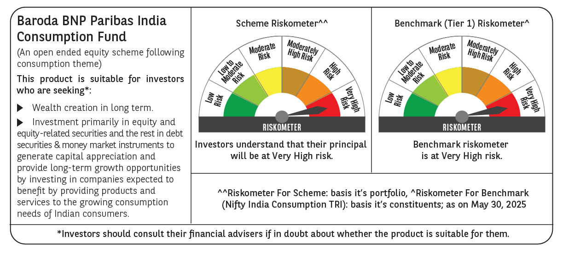
 | Baroda BNP Paribas India Consumption Fund

 | Monthly Portfolio Statement as on May 31, 2025
 | Name of the Instrument | ISIN | Industry / Rating | Quantity | Market/Fair Value (Rs. in Lakhs) | % to Net Assets | YTM~ | YTC^ | null
 | Equity & Equity related
 | (a) Listed / awaiting listing on Stock Exchanges
BTVL02 | Bharti Airtel Limited | INE397D01024 | Telecom - Services | 600,000 | 11,137.20 | 7.77%
MAHI02 | Mahindra & Mahindra Limited | INE101A01026 | Automobiles | 300,000 | 8,930.40 | 6.23%
TWAT02 | Titan Company Limited | INE280A01028 | Consumer Durables | 180,000 | 6,399.00 | 4.46%
ITCL02 | ITC Limited | INE154A01025 | Diversified FMCG | 1,350,000 | 5,643.68 | 3.94%
EIML02 | Eicher Motors Limited | INE066A01021 | Automobiles | 100,000 | 5,333.50 | 3.72%
HLEL02 | Hindustan Unilever Limited | INE030A01027 | Diversified FMCG | 190,000 | 4,461.77 | 3.11%
MCSP02 | United Spirits Limited | INE854D01024 | Beverages | 280,000 | 4,256.28 | 2.97%
PHMI02 | The Phoenix Mills Limited | INE211B01039 | Realty | 265,000 | 4,073.32 | 2.84%
MAUD01 | Maruti Suzuki India Limited | INE585B01010 | Automobiles | 32,500 | 4,003.68 | 2.79%
UBBL02 | United Breweries Limited | INE686F01025 | Beverages | 200,000 | 3,953.60 | 2.76%
BRIT03 | Britannia Industries Limited | INE216A01030 | Food Products | 70,000 | 3,857.35 | 2.69%
SAEL02 | TVS Motor Company Limited | INE494B01023 | Automobiles | 135,000 | 3,754.08 | 2.62%
LAKM02 | Trent Limited | INE849A01020 | Retailing | 60,000 | 3,386.10 | 2.36%
AVSP01 | Avenue Supermarts Limited | INE192R01011 | Retailing | 75,000 | 3,001.58 | 2.09%
JUFL02 | Jubilant Foodworks Limited | INE797F01020 | Leisure Services | 450,000 | 2,949.98 | 2.06%
ZMPL01 | Eternal Limited | INE758T01015 | Retailing | 1,200,000 | 2,859.72 | 1.99%
ADWI01 | AWL Agri Business Limited | INE699H01024 | Agricultural Food & other Products | 1,025,684 | 2,820.63 | 1.97%
IHOT02 | The Indian Hotels Company Limited | INE053A01029 | Leisure Services | 350,000 | 2,694.48 | 1.88%
ESMC02 | PB Fintech Limited | INE417T01026 | Financial Technology (Fintech) | 150,000 | 2,642.40 | 1.84%
VNBL03 | Varun Beverages Limited | INE200M01039 | Beverages | 550,000 | 2,617.73 | 1.83%
GCPL02 | Godrej Consumer Products Limited | INE102D01028 | Personal Products | 200,000 | 2,462.80 | 1.72%
MEBR01 | Metro Brands Limited | INE317I01021 | Consumer Durables | 190,000 | 2,292.73 | 1.60%
MAHE01 | Max Healthcare Institute Limited | INE027H01010 | Healthcare Services | 200,000 | 2,250.40 | 1.57%
DABU02 | Dabur India Limited | INE016A01026 | Personal Products | 450,000 | 2,173.28 | 1.52%
RAKH02 | Radico Khaitan Limited | INE944F01028 | Beverages | 85,000 | 2,152.88 | 1.50%
CGCE01 | Crompton Greaves Consumer Electricals Limited | INE299U01018 | Consumer Durables | 600,000 | 2,117.40 | 1.48%
BEFS01 | Mrs. Bectors Food Specialities Limited | INE495P01012 | Food Products | 134,000 | 1,955.19 | 1.36%
NEST02 | Nestle India Limited | INE239A01024 | Food Products | 75,000 | 1,797.15 | 1.25%
MARC02 | Marico Limited | INE196A01026 | Agricultural Food & other Products | 250,000 | 1,791.13 | 1.25%
PROG01 | Procter & Gamble Hygiene and Health Care Limited | INE179A01014 | Personal Products | 13,000 | 1,765.92 | 1.23%
HAIL03 | Havells India Limited | INE176B01034 | Consumer Durables | 115,000 | 1,756.05 | 1.22%
ISHA01 | Gillette India Limited | INE322A01010 | Personal Products | 18,000 | 1,696.14 | 1.18%
VGIL02 | V-Guard Industries Limited | INE951I01027 | Consumer Durables | 440,000 | 1,669.14 | 1.16%
TTEA02 | Tata Consumer Products Limited | INE192A01025 | Agricultural Food & other Products | 150,000 | 1,659.45 | 1.16%
PAGE01 | Page Industries Limited | INE761H01022 | Textiles & Apparels | 3,500 | 1,623.30 | 1.13%
CNAF01 | Zydus Wellness Limited | INE768C01010 | Food Products | 79,500 | 1,549.77 | 1.08%
BINL01 | Indus Towers Limited | INE121J01017 | Telecom - Services | 400,000 | 1,536.60 | 1.07%
BATA02 | Bata India Limited | INE176A01028 | Consumer Durables | 120,000 | 1,516.56 | 1.06%
HYUN01 | Hyundai Motor India Ltd | INE0V6F01027 | Automobiles | 80,000 | 1,477.76 | 1.03%
EMAM02 | Emami Limited | INE548C01032 | Personal Products | 250,000 | 1,460.50 | 1.02%
VOLT02 | Voltas Limited | INE226A01021 | Consumer Durables | 115,000 | 1,452.22 | 1.01%
WESD02 | Westlife Foodworld Limited | INE274F01020 | Leisure Services | 210,000 | 1,405.43 | 0.98%
LTHL01 | Lemon Tree Hotels Limited | INE970X01018 | Leisure Services | 1,000,000 | 1,393.30 | 0.97%
BLUS03 | Blue Star Limited | INE472A01039 | Consumer Durables | 85,000 | 1,302.46 | 0.91%
HERO02 | Hero MotoCorp Limited | INE158A01026 | Automobiles | 30,000 | 1,292.79 | 0.90%
PVRL01 | PVR INOX Limited | INE191H01014 | Entertainment | 90,000 | 886.73 | 0.62%
TTPL02 | TTK Prestige Limited | INE690A01028 | Consumer Durables | 140,000 | 870.59 | 0.61%
VIPI02 | VIP Industries Limited | INE054A01027 | Consumer Durables | 235,000 | 850.00 | 0.59%
PEFR01 | Aditya Birla Fashion and Retail Limited | INE647O01011 | Retailing | 500,000 | 429.25 | 0.30%
RCCL01 | Raymond Lifestyle Limited | INE02ID01020 | Textiles & Apparels | 25,000 | 254.96 | 0.18%
SCLB01 | Schloss Bangalore Limited | INE0AQ201015 | Miscellaneous | 310,897 | 1,352.40 | 0.94%
ADBL01 | Aditya Birla Lifestyle Brands Limited | INE14LE01019 | Retailing | 500,000 | 854.75 | 0.60%
 | Sub Total |  |  |  | 137,825.51 | 96.12%
 | (b) Unlisted |  |  |  | NIL | NIL
 | Sub Total |  |  |  | NIL | NIL
 | Total |  |  |  | 137,825.51 | 96.12%
 | Derivatives
 | Index / Stock Futures
MAUDJUN25 | Maruti Suzuki India Limited June 2025 Future |  |  | -10,000 | (1,233.00) | (0.86)%
ZMPLJUN25 | Eternal Limited June 2025 Future |  |  | -600,000 | (1,439.46) | (1.00)%
 | Sub Total |  |  |  | (2,672.46) | (1.86)%
 | Total |  |  |  | (2,672.46) | (1.86)%
 | Money Market Instruments
 | Treasury Bill
TBIL2450 | 364 Days Tbill (MD 18/12/2025) | IN002024Z362 | Sovereign | 900,000 | 873.20 | 0.61% | 5.60%
 | Sub Total |  |  |  | 873.20 | 0.61%
 | Total |  |  |  | 873.20 | 0.61%
 | Reverse Repo / TREPS
TRP_020625 | Clearing Corporation of India Ltd |  |  |  | 4,769.93 | 3.33% | 5.77%
 | Sub Total |  |  |  | 4,769.93 | 3.33%
 | Total |  |  |  | 4,769.93 | 3.33%
 | Net Receivables / (Payables) |  |  |  | 2,615.85 | 1.80%
 | GRAND TOTAL |  |  |  | 143,412.03 | 100.00%

 | ** Thinly Traded / Non Traded Security
 | ~ YTM as on May 31, 2025
 | ^ YTC represents Yield to Call provided by valuation agencies as on May 31, 2025. It is disclosed for Perpetual Bond issued by Banks (i.e. AT-1 Bond / Tier 1 Bond / Tier 2 Bond), as per AMFI Best Practices Guidelines Circular no. 135/BP/91/2020-21 read with SEBI circular No. SEBI/HO/IMD/DF4/CIR/P/2021/034 on Valuation of AT-1 Bonds and Tier 2 Bonds.
 | Details of Stock Future / Index Future
 | Long/Short | Name of the Instrument | Industry | Quantity. | Market/Fair Value (Rs. in Lacs). | % to NAV.
 | Short | Eternal Limited_26/06/2025 | Retailing | 600,000 | 1,439.46 | 1.00%
 | Short | Maruti Suzuki India Limited_26/06/2025 | Automobiles | 10,000 | 1,233.00 | 0.86%

