T0ME21
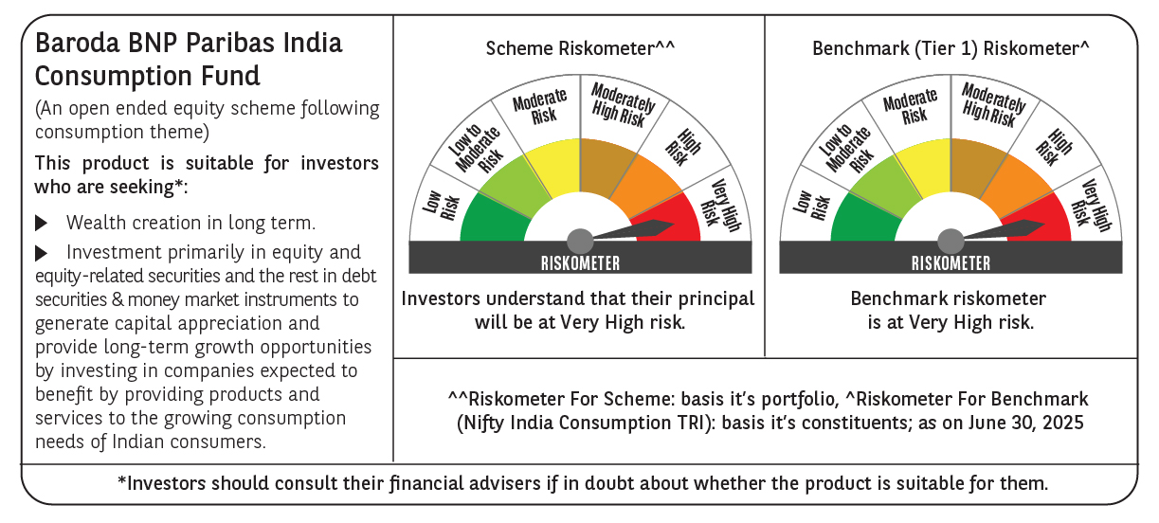
 | Baroda BNP Paribas India Consumption Fund

 | Monthly Portfolio Statement as on June 30, 2025
 | Name of the Instrument | ISIN | Industry / Rating | Quantity | Market/Fair Value (Rs. in Lakhs) | % to Net Assets | YTM~ | YTC^ | null
 | Equity & Equity related
 | (a) Listed / awaiting listing on Stock Exchanges
BTVL02 | Bharti Airtel Limited | INE397D01024 | Telecom - Services | 600,000 | 12,057.60 | 8.16%
MAHI02 | Mahindra & Mahindra Limited | INE101A01026 | Automobiles | 350,000 | 11,141.20 | 7.54%
ITCL02 | ITC Limited | INE154A01025 | Diversified FMCG | 1,800,000 | 7,496.10 | 5.08%
HLEL02 | Hindustan Unilever Limited | INE030A01027 | Diversified FMCG | 325,000 | 7,457.45 | 5.05%
TWAT02 | Titan Company Limited | INE280A01028 | Consumer Durables | 180,000 | 6,642.36 | 4.50%
EIML02 | Eicher Motors Limited | INE066A01021 | Automobiles | 100,000 | 5,656.50 | 3.83%
AVSP01 | Avenue Supermarts Limited | INE192R01011 | Retailing | 125,000 | 5,465.38 | 3.70%
BRIT03 | Britannia Industries Limited | INE216A01030 | Food Products | 75,000 | 4,388.25 | 2.97%
MAUD01 | Maruti Suzuki India Limited | INE585B01010 | Automobiles | 32,500 | 4,030.00 | 2.73%
SAEL02 | TVS Motor Company Limited | INE494B01023 | Automobiles | 135,000 | 3,939.30 | 2.67%
PHMI02 | The Phoenix Mills Limited | INE211B01039 | Realty | 240,000 | 3,748.08 | 2.54%
LAKM02 | Trent Limited | INE849A01020 | Retailing | 60,000 | 3,730.50 | 2.53%
GCPL02 | Godrej Consumer Products Limited | INE102D01028 | Personal Products | 300,000 | 3,535.20 | 2.39%
ZMPL01 | Eternal Limited | INE758T01015 | Retailing | 1,200,000 | 3,169.80 | 2.15%
ESMC02 | PB Fintech Limited | INE417T01026 | Financial Technology (Fintech) | 150,000 | 2,735.85 | 1.85%
MAHE01 | Max Healthcare Institute Limited | INE027H01010 | Healthcare Services | 200,000 | 2,552.00 | 1.73%
EMAM02 | Emami Limited | INE548C01032 | Personal Products | 400,000 | 2,286.40 | 1.55%
RAKH02 | Radico Khaitan Limited | INE944F01028 | Beverages | 85,000 | 2,224.62 | 1.51%
NEST02 | Nestle India Limited | INE239A01024 | Food Products | 90,000 | 2,218.77 | 1.50%
MEBR01 | Metro Brands Limited | INE317I01021 | Consumer Durables | 190,000 | 2,185.38 | 1.48%
DABU02 | Dabur India Limited | INE016A01026 | Personal Products | 450,000 | 2,183.63 | 1.48%
UBBL02 | United Breweries Limited | INE686F01025 | Beverages | 110,750 | 2,160.84 | 1.46%
JUFL02 | Jubilant Foodworks Limited | INE797F01020 | Leisure Services | 300,000 | 2,105.40 | 1.43%
ADWI01 | AWL Agri Business Limited | INE699H01024 | Agricultural Food & other Products | 800,000 | 2,079.60 | 1.41%
BEFS01 | Mrs. Bectors Food Specialities Limited | INE495P01012 | Food Products | 150,000 | 2,049.90 | 1.39%
MARC02 | Marico Limited | INE196A01026 | Agricultural Food & other Products | 250,000 | 1,805.88 | 1.22%
HAIL03 | Havells India Limited | INE176B01034 | Consumer Durables | 115,000 | 1,783.77 | 1.21%
HYUN01 | Hyundai Motor India Ltd | INE0V6F01027 | Automobiles | 80,000 | 1,775.76 | 1.20%
PROG01 | Procter & Gamble Hygiene and Health Care Limited | INE179A01014 | Personal Products | 13,000 | 1,737.58 | 1.18%
PAGE01 | Page Industries Limited | INE761H01022 | Textiles & Apparels | 3,500 | 1,729.35 | 1.17%
HERO02 | Hero MotoCorp Limited | INE158A01026 | Automobiles | 40,000 | 1,694.84 | 1.15%
TTEA02 | Tata Consumer Products Limited | INE192A01025 | Agricultural Food & other Products | 150,000 | 1,648.35 | 1.12%
ISHA01 | Gillette India Limited | INE322A01010 | Personal Products | 15,000 | 1,636.43 | 1.11%
CGCE01 | Crompton Greaves Consumer Electricals Limited | INE299U01018 | Consumer Durables | 450,000 | 1,598.18 | 1.08%
WESD02 | Westlife Foodworld Limited | INE274F01020 | Leisure Services | 210,000 | 1,564.71 | 1.06%
VGIL02 | V-Guard Industries Limited | INE951I01027 | Consumer Durables | 400,000 | 1,549.20 | 1.05%
IHOT02 | The Indian Hotels Company Limited | INE053A01029 | Leisure Services | 200,000 | 1,520.60 | 1.03%
BINL01 | Indus Towers Limited | INE121J01017 | Telecom - Services | 360,000 | 1,515.96 | 1.03%
VOLT02 | Voltas Limited | INE226A01021 | Consumer Durables | 115,000 | 1,511.22 | 1.02%
BATA02 | Bata India Limited | INE176A01028 | Consumer Durables | 120,000 | 1,465.44 | 0.99%
VNBL03 | Varun Beverages Limited | INE200M01039 | Beverages | 320,000 | 1,464.16 | 0.99%
MCSP02 | United Spirits Limited | INE854D01024 | Beverages | 100,000 | 1,428.10 | 0.97%
SCLB01 | Schloss Bangalore Limited | INE0AQ201015 | Leisure Services | 350,000 | 1,418.03 | 0.96%
LTHL01 | Lemon Tree Hotels Limited | INE970X01018 | Leisure Services | 1,000,000 | 1,401.10 | 0.95%
BLUS03 | Blue Star Limited | INE472A01039 | Consumer Durables | 85,000 | 1,390.26 | 0.94%
CNAF01 | Zydus Wellness Limited | INE768C01010 | Food Products | 60,000 | 1,213.92 | 0.82%
VIPI02 | VIP Industries Limited | INE054A01027 | Consumer Durables | 235,000 | 989.70 | 0.67%
PEFR01 | Aditya Birla Fashion and Retail Limited | INE647O01011 | Retailing | 500,000 | 375.00 | 0.25%
TTPL02 | TTK Prestige Limited | INE690A01028 | Consumer Durables | 25,200 | 157.34 | 0.11%
 | Sub Total |  |  |  | 141,614.99 | 95.91%
 | (b) Unlisted |  |  |  | NIL | NIL
 | Sub Total |  |  |  | NIL | NIL
 | Total |  |  |  | 141,614.99 | 95.91%
 | Derivatives
 | Index / Stock Futures
MAUDJUL25 | Maruti Suzuki India Limited July 2025 Future |  |  | -10,000 | (1,246.20) | (0.84)%
ZMPLJUL25 | Eternal Limited July 2025 Future |  |  | -582,000 | (1,543.06) | (1.04)%
 | Sub Total |  |  |  | (2,789.26) | (1.88)%
 | Total |  |  |  | (2,789.26) | (1.88)%
 | Money Market Instruments
 | Treasury Bill
TBIL2450 | 364 Days Tbill (MD 18/12/2025) | IN002024Z362 | Sovereign | 900,000 | 877.51 | 0.59% | 5.50%
 | Sub Total |  |  |  | 877.51 | 0.59%
 | Total |  |  |  | 877.51 | 0.59%
 | Reverse Repo / TREPS
TRP_010725 | Clearing Corporation of India Ltd |  |  |  | 4,832.61 | 3.27% | 5.47%
 | Sub Total |  |  |  | 4,832.61 | 3.27%
 | Total |  |  |  | 4,832.61 | 3.27%
 | Net Receivables / (Payables) |  |  |  | 3,155.11 | 2.11%
 | GRAND TOTAL |  |  |  | 147,690.96 | 100.00%

 | ~ YTM as on June 30, 2025
 | ^ YTC represents Yield to Call provided by valuation agencies as on June 30, 2025. It is disclosed for Perpetual Bond issued by Banks (i.e. AT-1 Bond / Tier 1 Bond / Tier 2 Bond), as per AMFI Best Practices Guidelines Circular no. 135/BP/91/2020-21 read with SEBI circular No. SEBI/HO/IMD/DF4/CIR/P/2021/034 on Valuation of AT-1 Bonds and Tier 2 Bonds.
 | Details of Stock Future / Index Future
 | Long/Short | Name of the Instrument | Industry | Quantity. | Market/Fair Value (Rs. in Lacs). | % to NAV.
 | Short | Eternal Limited_31/07/2025 | Retailing | 582,000 | 1,543.06 | 1.04%
 | Short | Maruti Suzuki India Limited_31/07/2025 | Automobiles | 10,000 | 1,246.20 | 0.84%

