T0ME21
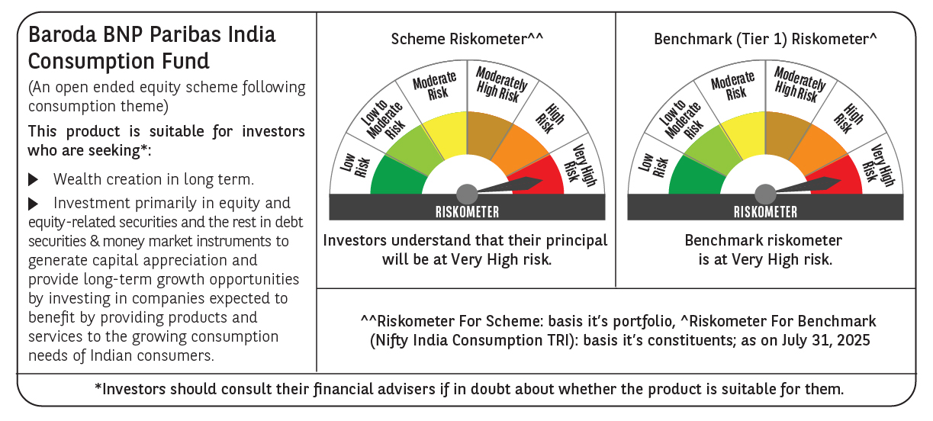
 | Baroda BNP Paribas India Consumption Fund

 | Monthly Portfolio Statement as on July 31, 2025
 | Name of the Instrument | ISIN | Industry / Rating | Quantity | Market/Fair Value (Rs. in Lakhs) | % to Net Assets | YTM~ | YTC^ | null
 | Equity & Equity related
 | (a) Listed / awaiting listing on Stock Exchanges
BTVL02 | Bharti Airtel Limited | INE397D01024 | Telecom - Services | 600,000 | 11,485.80 | 7.80%
MAHI02 | Mahindra & Mahindra Limited | INE101A01026 | Automobiles | 350,000 | 11,210.85 | 7.61%
ITCL02 | ITC Limited | INE154A01025 | Diversified FMCG | 2,200,000 | 9,062.90 | 6.15%
HLEL02 | Hindustan Unilever Limited | INE030A01027 | Diversified FMCG | 325,000 | 8,193.90 | 5.56%
EIML02 | Eicher Motors Limited | INE066A01021 | Automobiles | 110,000 | 6,015.35 | 4.08%
TWAT02 | Titan Company Limited | INE280A01028 | Consumer Durables | 160,000 | 5,355.68 | 3.64%
AVSP01 | Avenue Supermarts Limited | INE192R01011 | Retailing | 125,000 | 5,334.25 | 3.62%
BRIT03 | Britannia Industries Limited | INE216A01030 | Food Products | 75,000 | 4,328.25 | 2.94%
MAUD01 | Maruti Suzuki India Limited | INE585B01010 | Automobiles | 32,500 | 4,097.60 | 2.78%
SAEL02 | TVS Motor Company Limited | INE494B01023 | Automobiles | 135,000 | 3,782.43 | 2.57%
GCPL02 | Godrej Consumer Products Limited | INE102D01028 | Personal Products | 300,000 | 3,777.00 | 2.56%
ZMPL01 | Eternal Limited | INE758T01015 | Retailing | 1,200,000 | 3,693.60 | 2.51%
PHMI02 | The Phoenix Mills Limited | INE211B01039 | Realty | 240,000 | 3,561.60 | 2.42%
LAKM02 | Trent Limited | INE849A01020 | Retailing | 60,000 | 3,010.80 | 2.04%
ESMC02 | PB Fintech Limited | INE417T01026 | Financial Technology (Fintech) | 150,000 | 2,718.15 | 1.85%
MAHE01 | Max Healthcare Institute Limited | INE027H01010 | Healthcare Services | 200,000 | 2,492.00 | 1.69%
MARC02 | Marico Limited | INE196A01026 | Agricultural Food & other Products | 350,000 | 2,484.30 | 1.69%
EMAM02 | Emami Limited | INE548C01032 | Personal Products | 400,000 | 2,402.60 | 1.63%
DABU02 | Dabur India Limited | INE016A01026 | Personal Products | 450,000 | 2,380.50 | 1.62%
HYUN01 | Hyundai Motor India Ltd | INE0V6F01027 | Automobiles | 110,000 | 2,366.98 | 1.61%
MEBR01 | Metro Brands Limited | INE317I01021 | Consumer Durables | 190,000 | 2,362.84 | 1.60%
RAKH02 | Radico Khaitan Limited | INE944F01028 | Beverages | 85,000 | 2,324.33 | 1.58%
BEFS01 | Mrs. Bectors Food Specialities Limited | INE495P01012 | Food Products | 150,000 | 2,266.95 | 1.54%
HERO02 | Hero MotoCorp Limited | INE158A01026 | Automobiles | 50,000 | 2,130.35 | 1.45%
NEST02 | Nestle India Limited | INE239A01024 | Food Products | 90,000 | 2,022.93 | 1.37%
JUFL02 | Jubilant Foodworks Limited | INE797F01020 | Leisure Services | 300,000 | 1,966.50 | 1.34%
PROG01 | Procter & Gamble Hygiene and Health Care Limited | INE179A01014 | Personal Products | 13,000 | 1,784.77 | 1.21%
HAIL03 | Havells India Limited | INE176B01034 | Consumer Durables | 115,000 | 1,725.69 | 1.17%
PAGE01 | Page Industries Limited | INE761H01022 | Textiles & Apparels | 3,500 | 1,708.18 | 1.16%
VNBL03 | Varun Beverages Limited | INE200M01039 | Beverages | 320,000 | 1,672.32 | 1.14%
ISHA01 | Gillette India Limited | INE322A01010 | Personal Products | 15,000 | 1,624.95 | 1.10%
TTEA02 | Tata Consumer Products Limited | INE192A01025 | Agricultural Food & other Products | 150,000 | 1,609.80 | 1.09%
UBBL02 | United Breweries Limited | INE686F01025 | Beverages | 80,000 | 1,556.48 | 1.06%
WESD02 | Westlife Foodworld Limited | INE274F01020 | Leisure Services | 210,000 | 1,528.28 | 1.04%
VOLT02 | Voltas Limited | INE226A01021 | Consumer Durables | 115,000 | 1,526.86 | 1.04%
LTHL01 | Lemon Tree Hotels Limited | INE970X01018 | Leisure Services | 1,000,000 | 1,497.90 | 1.02%
FSNE01 | FSN E-Commerce Ventures Limited | INE388Y01029 | Retailing | 700,000 | 1,467.34 | 1.00%
CGCE01 | Crompton Greaves Consumer Electricals Limited | INE299U01018 | Consumer Durables | 450,000 | 1,453.50 | 0.99%
SCLB01 | Schloss Bangalore Limited | INE0AQ201015 | Leisure Services | 350,000 | 1,448.30 | 0.98%
ADWI01 | AWL Agri Business Limited | INE699H01024 | Agricultural Food & other Products | 550,000 | 1,442.10 | 0.98%
VGIL02 | V-Guard Industries Limited | INE951I01027 | Consumer Durables | 375,000 | 1,432.69 | 0.97%
BATA02 | Bata India Limited | INE176A01028 | Consumer Durables | 120,000 | 1,429.56 | 0.97%
BINL01 | Indus Towers Limited | INE121J01017 | Telecom - Services | 360,000 | 1,306.80 | 0.89%
CNAF01 | Zydus Wellness Limited | INE768C01010 | Food Products | 60,000 | 1,217.46 | 0.83%
OLAE01 | Ola Electric Mobility Ltd | INE0LXG01040 | Automobiles | 2,500,000 | 1,032.75 | 0.70%
VIPI02 | VIP Industries Limited | INE054A01027 | Consumer Durables | 160,000 | 717.20 | 0.49%
 | Sub Total |  |  |  | 140,011.37 | 95.08%
 | (b) Unlisted |  |  |  | NIL | NIL
 | Sub Total |  |  |  | NIL | NIL
 | Total |  |  |  | 140,011.37 | 95.08%
 | Derivatives
 | Index / Stock Futures
MAUDAUG25 | Maruti Suzuki India Limited August 2025 Future |  |  | -10,000 | (1,255.10) | (0.85)%
ZMPLAUG25 | Eternal Limited August 2025 Future |  |  | -582,000 | (1,802.45) | (1.22)%
 | Sub Total |  |  |  | (3,057.55) | (2.07)%
 | Total |  |  |  | (3,057.55) | (2.07)%
 | Money Market Instruments
 | Treasury Bill
TBIL2450 | 364 Days Tbill (MD 18/12/2025) | IN002024Z362 | Sovereign | 900,000 | 881.69 | 0.60% | 5.45%
 | Sub Total |  |  |  | 881.69 | 0.60%
 | Total |  |  |  | 881.69 | 0.60%
 | Reverse Repo / TREPS
TRP_010825 | Clearing Corporation of India Ltd |  |  |  | 6,386.24 | 4.34% | 5.42%
 | Sub Total |  |  |  | 6,386.24 | 4.34%
 | Total |  |  |  | 6,386.24 | 4.34%
 | Net Receivables / (Payables) |  |  |  | 3,067.16 | 2.05%
 | GRAND TOTAL |  |  |  | 147,288.91 | 100.00%

 | ~ YTM as on July 31, 2025
 | ^ YTC represents Yield to Call provided by valuation agencies as on July 31, 2025. It is disclosed for Perpetual Bond issued by Banks (i.e. AT-1 Bond / Tier 1 Bond / Tier 2 Bond), as per AMFI Best Practices Guidelines Circular no. 135/BP/91/2020-21 read with SEBI circular No. SEBI/HO/IMD/DF4/CIR/P/2021/034 on Valuation of AT-1 Bonds and Tier 2 Bonds.
 | Details of Stock Future / Index Future
 | Long/Short | Name of the Instrument | Industry | Quantity. | Market/Fair Value (Rs. in Lacs). | % to NAV.
 | Short | Eternal Limited_28/08/2025 | Retailing | 582,000 | 1,802.45 | 1.22%
 | Short | Maruti Suzuki India Limited_28/08/2025 | Automobiles | 10,000 | 1,255.10 | 0.85%

