T0ME21
 | Baroda BNP Paribas India Consumption Fund

 | Monthly Portfolio Statement as on August 31, 2025
 | Name of the Instrument | ISIN | Industry / Rating | Quantity | Market/Fair Value (Rs. in Lakhs) | % to Net Assets | YTM~ | YTC^ | null
 | Equity & Equity related
 | (a) Listed / awaiting listing on Stock Exchanges
BTVL02 | Bharti Airtel Limited | INE397D01024 | Telecom - Services | 600,000 | 11,332.80 | 7.50%
MAHI02 | Mahindra & Mahindra Limited | INE101A01026 | Automobiles | 350,000 | 11,198.25 | 7.41%
ITCL02 | ITC Limited | INE154A01025 | Diversified FMCG | 2,200,000 | 9,014.50 | 5.96%
HLEL02 | Hindustan Unilever Limited | INE030A01027 | Diversified FMCG | 325,000 | 8,644.35 | 5.72%
AVSP01 | Avenue Supermarts Limited | INE192R01011 | Retailing | 125,000 | 5,944.50 | 3.93%
TWAT02 | Titan Company Limited | INE280A01028 | Consumer Durables | 160,000 | 5,806.08 | 3.84%
EIML02 | Eicher Motors Limited | INE066A01021 | Automobiles | 95,000 | 5,797.85 | 3.83%
MAUD01 | Maruti Suzuki India Limited | INE585B01010 | Automobiles | 32,500 | 4,807.08 | 3.18%
SAEL02 | TVS Motor Company Limited | INE494B01023 | Automobiles | 135,000 | 4,423.41 | 2.93%
BRIT03 | Britannia Industries Limited | INE216A01030 | Food Products | 75,000 | 4,368.00 | 2.89%
ZMPL01 | Eternal Limited | INE758T01015 | Retailing | 1,200,000 | 3,767.40 | 2.49%
GCPL02 | Godrej Consumer Products Limited | INE102D01028 | Personal Products | 300,000 | 3,727.80 | 2.47%
PHMI02 | The Phoenix Mills Limited | INE211B01039 | Realty | 240,000 | 3,607.68 | 2.39%
LAKM02 | Trent Limited | INE849A01020 | Retailing | 60,000 | 3,178.80 | 2.10%
HYUN01 | Hyundai Motor India Ltd | INE0V6F01027 | Automobiles | 120,000 | 2,952.48 | 1.95%
ESMC02 | PB Fintech Limited | INE417T01026 | Financial Technology (Fintech) | 150,000 | 2,656.20 | 1.76%
HERO02 | Hero MotoCorp Limited | INE158A01026 | Automobiles | 50,000 | 2,543.85 | 1.68%
MARC02 | Marico Limited | INE196A01026 | Agricultural Food & other Products | 350,000 | 2,540.48 | 1.68%
RAKH02 | Radico Khaitan Limited | INE944F01028 | Beverages | 85,000 | 2,424.63 | 1.60%
DABU02 | Dabur India Limited | INE016A01026 | Personal Products | 450,000 | 2,344.95 | 1.55%
NEST02 | Nestle India Limited | INE239A01024 | Food Products | 200,000 | 2,312.40 | 1.53%
MAHE01 | Max Healthcare Institute Limited | INE027H01010 | Healthcare Services | 200,000 | 2,308.60 | 1.53%
EMAM02 | Emami Limited | INE548C01032 | Personal Products | 400,000 | 2,294.40 | 1.52%
MEBR01 | Metro Brands Limited | INE317I01021 | Consumer Durables | 190,000 | 2,167.52 | 1.43%
BEFS01 | Mrs. Bectors Food Specialities Limited | INE495P01012 | Food Products | 150,000 | 2,069.85 | 1.37%
JUFL02 | Jubilant Foodworks Limited | INE797F01020 | Leisure Services | 300,000 | 1,883.25 | 1.25%
TTEA02 | Tata Consumer Products Limited | INE192A01025 | Agricultural Food & other Products | 165,000 | 1,757.91 | 1.16%
HAIL03 | Havells India Limited | INE176B01034 | Consumer Durables | 115,000 | 1,754.44 | 1.16%
PROG01 | Procter & Gamble Hygiene and Health Care Limited | INE179A01014 | Personal Products | 13,000 | 1,701.18 | 1.13%
LTHL01 | Lemon Tree Hotels Limited | INE970X01018 | Leisure Services | 1,000,000 | 1,658.30 | 1.10%
CGCE01 | Crompton Greaves Consumer Electricals Limited | INE299U01018 | Consumer Durables | 500,000 | 1,650.00 | 1.09%
BATA02 | Bata India Limited | INE176A01028 | Consumer Durables | 150,000 | 1,647.15 | 1.09%
FSNE01 | FSN E-Commerce Ventures Limited | INE388Y01029 | Retailing | 700,000 | 1,611.05 | 1.07%
VOLT02 | Voltas Limited | INE226A01021 | Consumer Durables | 115,000 | 1,580.10 | 1.05%
VNBL03 | Varun Beverages Limited | INE200M01039 | Beverages | 320,000 | 1,558.88 | 1.03%
PAGE01 | Page Industries Limited | INE761H01022 | Textiles & Apparels | 3,500 | 1,551.73 | 1.03%
SCLB01 | Schloss Bangalore Limited | INE0AQ201015 | Leisure Services | 380,000 | 1,517.91 | 1.00%
ISHA01 | Gillette India Limited | INE322A01010 | Personal Products | 15,000 | 1,514.25 | 1.00%
WESD02 | Westlife Foodworld Limited | INE274F01020 | Leisure Services | 210,000 | 1,507.91 | 1.00%
UBBL02 | United Breweries Limited | INE686F01025 | Beverages | 80,000 | 1,480.08 | 0.98%
BINL01 | Indus Towers Limited | INE121J01017 | Telecom - Services | 435,000 | 1,472.91 | 0.97%
VGIL02 | V-Guard Industries Limited | INE951I01027 | Consumer Durables | 397,228 | 1,443.33 | 0.95%
ADWI01 | AWL Agri Business Limited | INE699H01024 | Agricultural Food & other Products | 550,000 | 1,383.25 | 0.91%
CNAF01 | Zydus Wellness Limited | INE768C01010 | Food Products | 60,000 | 1,211.22 | 0.80%
VIPI02 | VIP Industries Limited | INE054A01027 | Consumer Durables | 160,000 | 670.56 | 0.44%
 | Sub Total |  |  |  | 142,789.27 | 94.45%

SAEL21PS | TVS Motor Company Limited (Preference Share) ** |  | Automobiles | 540,000 | 54.00 | 0.04%
 | Sub Total |  |  |  | 54.00 | 0.04%
 | (b) Unlisted |  |  |  | NIL | NIL
 | Sub Total |  |  |  | NIL | NIL
 | Total |  |  |  | 142,843.27 | 94.49%
 | Derivatives
 | Index / Stock Futures
MAUDSEP25 | Maruti Suzuki India Limited September 2025 Future |  |  | -10,000 | (1,484.30) | (0.98)%
 | Sub Total |  |  |  | (1,484.30) | (0.98)%
 | Total |  |  |  | (1,484.30) | (0.98)%
 | Money Market Instruments
 | Treasury Bill
TBIL2450 | 364 Days Tbill (MD 18/12/2025) | IN002024Z362 | Sovereign | 900,000 | 885.60 | 0.59% | 5.49%
 | Sub Total |  |  |  | 885.60 | 0.59%
 | Total |  |  |  | 885.60 | 0.59%
 | Reverse Repo / TREPS
TRP_010925 | Clearing Corporation of India Ltd |  |  |  | 7,980.75 | 5.28% | 5.39%
 | Sub Total |  |  |  | 7,980.75 | 5.28%
 | Total |  |  |  | 7,980.75 | 5.28%
 | Net Receivables / (Payables) |  |  |  | 979.15 | 0.62%
 | GRAND TOTAL |  |  |  | 151,204.47 | 100.00%

 | ** Thinly Traded / Non Traded Security
 | ~ YTM as on August 31, 2025
 | ^ YTC represents Yield to Call provided by valuation agencies as on August 31, 2025. It is disclosed for Perpetual Bond issued by Banks (i.e. AT-1 Bond / Tier 1 Bond / Tier 2 Bond), as per AMFI Best Practices Guidelines Circular no. 135/BP/91/2020-21 read with SEBI circular No. SEBI/HO/IMD/DF4/CIR/P/2021/034 on Valuation of AT-1 Bonds and Tier 2 Bonds.
 | Details of Stock Future / Index Future
 | Long/Short | Name of the Instrument | Industry | Quantity. | Market/Fair Value (Rs. in Lacs). | % to NAV.
 | Short | Maruti Suzuki India Limited_30/09/2025 | Automobiles | 10,000 | 1,484.30 | 0.98%

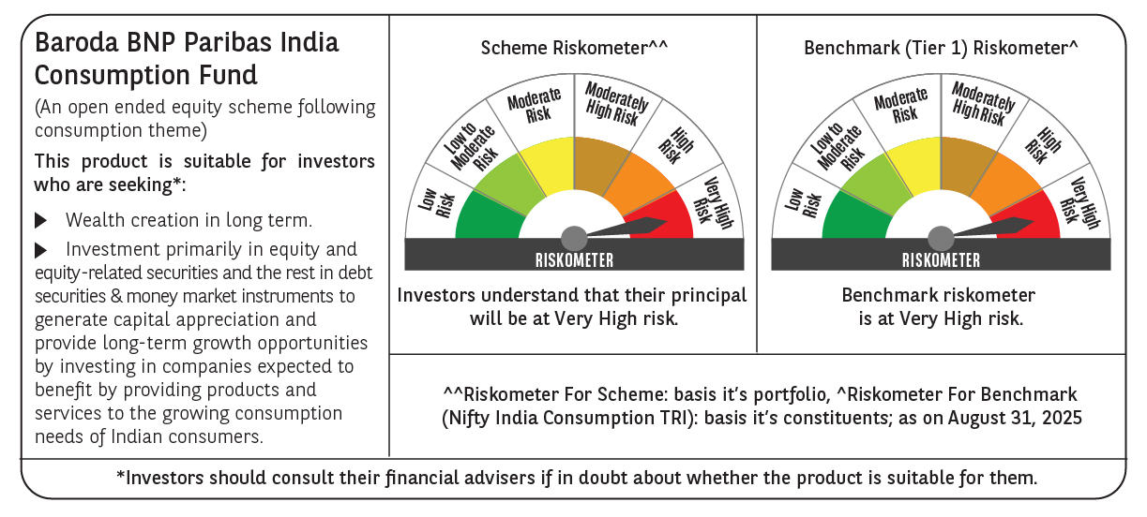

 | Monthly Performance Link: https://www.barodabnpparibasmf.in/assets/download_documents/Performance_of_Schemes_14126.pdf

