Monthly Portfolio
 | Baroda BNP Paribas India Consumption Fund

 | Monthly Portfolio Statement as on September 30, 2025
 | Name of the Instrument | ISIN | Industry / Rating | Quantity | Market/Fair Value (Rs. in Lakhs) | % to Net Assets | YTM~ | YTC^ | null
 | Equity & Equity related
 | (a) Listed / awaiting listing on Stock Exchanges
MAHI02 | Mahindra & Mahindra Limited | INE101A01026 | Automobiles | 350,000 | 11,994.50 | 7.84%
BTVL02 | Bharti Airtel Limited | INE397D01024 | Telecom - Services | 600,000 | 11,270.40 | 7.37%
ITCL02 | ITC Limited | INE154A01025 | Diversified FMCG | 2,200,000 | 8,834.10 | 5.77%
HLEL02 | Hindustan Unilever Limited | INE030A01027 | Diversified FMCG | 325,000 | 8,171.80 | 5.34%
EIML02 | Eicher Motors Limited | INE066A01021 | Automobiles | 95,000 | 6,655.23 | 4.35%
AVSP01 | Avenue Supermarts Limited | INE192R01011 | Retailing | 125,000 | 5,594.25 | 3.66%
TWAT02 | Titan Company Limited | INE280A01028 | Consumer Durables | 160,000 | 5,387.20 | 3.52%
MAUD01 | Maruti Suzuki India Limited | INE585B01010 | Automobiles | 32,500 | 5,209.43 | 3.40%
SAEL02 | TVS Motor Company Limited | INE494B01023 | Automobiles | 135,000 | 4,642.25 | 3.03%
BRIT03 | Britannia Industries Limited | INE216A01030 | Food Products | 75,000 | 4,493.25 | 2.94%
ZMPL01 | Eternal Limited | INE758T01015 | Retailing | 1,200,000 | 3,906.00 | 2.55%
PHMI02 | The Phoenix Mills Limited | INE211B01039 | Realty | 240,000 | 3,733.20 | 2.44%
GCPL02 | Godrej Consumer Products Limited | INE102D01028 | Personal Products | 300,000 | 3,500.70 | 2.29%
HYUN01 | Hyundai Motor India Ltd | INE0V6F01027 | Automobiles | 120,000 | 3,101.28 | 2.03%
LAKM02 | Trent Limited | INE849A01020 | Retailing | 60,000 | 2,806.50 | 1.83%
HERO02 | Hero MotoCorp Limited | INE158A01026 | Automobiles | 50,000 | 2,736.25 | 1.79%
ESMC02 | PB Fintech Limited | INE417T01026 | Financial Technology (Fintech) | 150,000 | 2,553.00 | 1.67%
RAKH02 | Radico Khaitan Limited | INE944F01028 | Beverages | 85,000 | 2,454.72 | 1.60%
MEBR01 | Metro Brands Limited | INE317I01021 | Consumer Durables | 190,000 | 2,451.57 | 1.60%
MARC02 | Marico Limited | INE196A01026 | Agricultural Food & other Products | 350,000 | 2,440.90 | 1.60%
NEST02 | Nestle India Limited | INE239A01024 | Food Products | 200,000 | 2,305.80 | 1.51%
MAHE01 | Max Healthcare Institute Limited | INE027H01010 | Healthcare Services | 200,000 | 2,229.40 | 1.46%
DABU02 | Dabur India Limited | INE016A01026 | Personal Products | 450,000 | 2,210.85 | 1.44%
BEFS01 | Mrs. Bectors Food Specialities Limited | INE495P01012 | Food Products | 150,000 | 1,886.55 | 1.23%
TTEA02 | Tata Consumer Products Limited | INE192A01025 | Agricultural Food & other Products | 165,000 | 1,863.35 | 1.22%
JUFL02 | Jubilant Foodworks Limited | INE797F01020 | Leisure Services | 300,000 | 1,852.20 | 1.21%
PROG01 | Procter & Gamble Hygiene and Health Care Limited | INE179A01014 | Personal Products | 13,000 | 1,838.85 | 1.20%
BATA02 | Bata India Limited | INE176A01028 | Consumer Durables | 150,000 | 1,747.50 | 1.14%
HAIL03 | Havells India Limited | INE176B01034 | Consumer Durables | 115,000 | 1,727.30 | 1.13%
BLTE01 | Swiggy Limited | INE00H001014 | Retailing | 400,000 | 1,691.80 | 1.11%
LTHL01 | Lemon Tree Hotels Limited | INE970X01018 | Leisure Services | 1,000,000 | 1,663.10 | 1.09%
FSNE01 | FSN E-Commerce Ventures Limited | INE388Y01029 | Retailing | 700,000 | 1,626.66 | 1.06%
SCLB01 | Schloss Bangalore Limited | INE0AQ201015 | Leisure Services | 380,000 | 1,569.40 | 1.03%
VOLT02 | Voltas Limited | INE226A01021 | Consumer Durables | 115,000 | 1,556.53 | 1.02%
BINL01 | Indus Towers Limited | INE121J01017 | Telecom - Services | 435,000 | 1,491.62 | 0.97%
VGIL02 | V-Guard Industries Limited | INE951I01027 | Consumer Durables | 397,228 | 1,491.59 | 0.97%
ICII01 | Akzo Nobel India Limited | INE133A01011 | Consumer Durables | 44,892 | 1,485.70 | 0.97%
CGCE01 | Crompton Greaves Consumer Electricals Limited | INE299U01018 | Consumer Durables | 500,000 | 1,456.50 | 0.95%
WESD02 | Westlife Foodworld Limited | INE274F01020 | Leisure Services | 210,000 | 1,443.96 | 0.94%
UBBL02 | United Breweries Limited | INE686F01025 | Beverages | 80,000 | 1,440.64 | 0.94%
PAGE01 | Page Industries Limited | INE761H01022 | Textiles & Apparels | 3,500 | 1,423.98 | 0.93%
ISHA01 | Gillette India Limited | INE322A01010 | Personal Products | 15,000 | 1,422.00 | 0.93%
VNBL03 | Varun Beverages Limited | INE200M01039 | Beverages | 320,000 | 1,419.84 | 0.93%
CNAF02 | Zydus Wellness Limited | INE768C01028 | Food Products | 300,000 | 1,371.60 | 0.90%
VMML01 | Vishal Mega Mart Limited | INE01EA01019 | Retailing | 500,000 | 745.05 | 0.49%
VIPI02 | VIP Industries Limited | INE054A01027 | Consumer Durables | 160,000 | 665.52 | 0.43%
EMAM02 | Emami Limited | INE548C01032 | Personal Products | 117,653 | 633.27 | 0.41%
SAEL21PS | TVS Motor Company Limited (Preference Share) ** | INE494B04019 | Automobiles | 540,000 | 54.23 | 0.04%
 | Sub Total |  |  |  | 144,251.32 | 94.27%
 | (b) Unlisted |  |  |  | NIL | NIL
 | Sub Total |  |  |  | NIL | NIL
 | Total |  |  |  | 144,251.32 | 94.27%
 | Money Market Instruments
 | Treasury Bill
TBIL2450 | 364 Days Tbill (MD 18/12/2025) | IN002024Z362 | Sovereign | 900,000 | 889.75 | 0.58% | 5.39%
 | Sub Total |  |  |  | 889.75 | 0.58%
 | Total |  |  |  | 889.75 | 0.58%
 | Reverse Repo / TREPS
TRP_011025 | Clearing Corporation of India Ltd |  |  |  | 8,412.72 | 5.50% | 5.53%
 | Sub Total |  |  |  | 8,412.72 | 5.50%
 | Total |  |  |  | 8,412.72 | 5.50%
 | Net Receivables / (Payables) |  |  |  | (544.33) | (0.35)%
 | GRAND TOTAL |  |  |  | 153,009.46 | 100.00%

 | ** Thinly Traded / Non Traded Security
 | ~ YTM as on September 30, 2025
 | ^ YTC represents Yield to Call provided by valuation agencies as on September 30, 2025. It is disclosed for Perpetual Bond issued by Banks (i.e. AT-1 Bond / Tier 1 Bond / Tier 2 Bond), as per AMFI Best Practices Guidelines Circular no. 135/BP/91/2020-21 read with SEBI circular No. SEBI/HO/IMD/DF4/CIR/P/2021/034 on Valuation of AT-1 Bonds and Tier 2 Bonds.

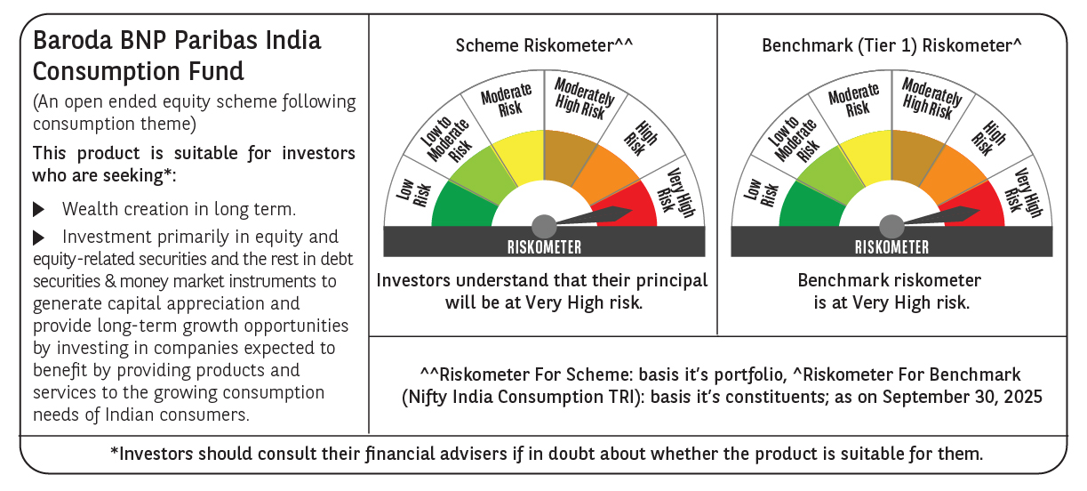

 | Monthly Performance Link: https://www.barodabnpparibasmf.in/assets/download_documents/Performance_of_Schemes_September_14618.pdf

