T0ME21
 | Baroda BNP Paribas India Consumption Fund

 | Monthly Portfolio Statement as on October 31, 2025
 | Name of the Instrument | ISIN | Industry / Rating | Quantity | Market/Fair Value (Rs. in Lakhs) | % to Net Assets | YTM~ | YTC^ | null
 | Equity & Equity related
 | (a) Listed / awaiting listing on Stock Exchanges
BTVL02 | Bharti Airtel Limited | INE397D01024 | Telecom - Services | 600,000 | 12,327.00 | 7.94%
MAHI02 | Mahindra & Mahindra Limited | INE101A01026 | Automobiles | 350,000 | 12,205.20 | 7.86%
ITCL02 | ITC Limited | INE154A01025 | Diversified FMCG | 2,200,000 | 9,247.70 | 5.96%
MAUD01 | Maruti Suzuki India Limited | INE585B01010 | Automobiles | 42,500 | 6,879.05 | 4.43%
EIML02 | Eicher Motors Limited | INE066A01021 | Automobiles | 95,000 | 6,656.65 | 4.29%
HLEL02 | Hindustan Unilever Limited | INE030A01027 | Diversified FMCG | 265,000 | 6,533.58 | 4.21%
TWAT02 | Titan Company Limited | INE280A01028 | Consumer Durables | 160,000 | 5,994.72 | 3.86%
ZMPL01 | Eternal Limited | INE758T01015 | Retailing | 1,800,000 | 5,719.50 | 3.68%
SAEL02 | TVS Motor Company Limited | INE494B01023 | Automobiles | 135,000 | 4,736.75 | 3.05%
BLTE01 | Swiggy Limited | INE00H001014 | Retailing | 1,100,000 | 4,509.45 | 2.91%
BRIT03 | Britannia Industries Limited | INE216A01030 | Food Products | 75,000 | 4,377.38 | 2.82%
PHMI02 | The Phoenix Mills Limited | INE211B01039 | Realty | 240,000 | 4,038.24 | 2.60%
AVSP01 | Avenue Supermarts Limited | INE192R01011 | Retailing | 90,000 | 3,738.15 | 2.41%
LGEL01 | LG Electronics India Ltd | INE324D01010 | Consumer Durables | 220,000 | 3,659.92 | 2.36%
GCPL02 | Godrej Consumer Products Limited | INE102D01028 | Personal Products | 300,000 | 3,355.80 | 2.16%
MARC02 | Marico Limited | INE196A01026 | Agricultural Food & other Products | 434,000 | 3,124.58 | 2.01%
HYUN01 | Hyundai Motor India Ltd | INE0V6F01027 | Automobiles | 120,000 | 2,926.44 | 1.89%
LAKM02 | Trent Limited | INE849A01020 | Retailing | 60,000 | 2,816.58 | 1.81%
HERO02 | Hero MotoCorp Limited | INE158A01026 | Automobiles | 50,000 | 2,772.00 | 1.79%
ESMC02 | PB Fintech Limited | INE417T01026 | Financial Technology (Fintech) | 150,000 | 2,678.10 | 1.73%
RAKH02 | Radico Khaitan Limited | INE944F01028 | Beverages | 85,000 | 2,661.78 | 1.71%
NEST02 | Nestle India Limited | INE239A01024 | Food Products | 200,000 | 2,543.20 | 1.64%
MEBR01 | Metro Brands Limited | INE317I01021 | Consumer Durables | 212,821 | 2,402.32 | 1.55%
MAHE01 | Max Healthcare Institute Limited | INE027H01010 | Healthcare Services | 200,000 | 2,295.60 | 1.48%
DABU02 | Dabur India Limited | INE016A01026 | Personal Products | 450,000 | 2,193.98 | 1.41%
BEFS01 | Mrs. Bectors Food Specialities Limited | INE495P01012 | Food Products | 150,000 | 2,009.25 | 1.29%
TTEA02 | Tata Consumer Products Limited | INE192A01025 | Agricultural Food & other Products | 165,000 | 1,922.25 | 1.24%
JUFL02 | Jubilant Foodworks Limited | INE797F01020 | Leisure Services | 300,000 | 1,793.55 | 1.16%
PROG01 | Procter & Gamble Hygiene and Health Care Limited | INE179A01014 | Personal Products | 13,000 | 1,735.63 | 1.12%
FSNE01 | FSN E-Commerce Ventures Limited | INE388Y01029 | Retailing | 700,000 | 1,735.58 | 1.12%
HAIL03 | Havells India Limited | INE176B01034 | Consumer Durables | 115,000 | 1,717.99 | 1.11%
LTHL01 | Lemon Tree Hotels Limited | INE970X01018 | Leisure Services | 1,000,000 | 1,652.70 | 1.06%
SCLB01 | Leela Palaces Hotels & Resorts Limited | INE0AQ201015 | Leisure Services | 380,000 | 1,648.06 | 1.06%
BINL01 | Indus Towers Limited | INE121J01017 | Telecom - Services | 435,000 | 1,581.66 | 1.02%
VNBL03 | Varun Beverages Limited | INE200M01039 | Beverages | 320,000 | 1,502.88 | 0.97%
ICII01 | Akzo Nobel India Limited | INE133A01011 | Consumer Durables | 44,892 | 1,455.26 | 0.94%
VMML01 | Vishal Mega Mart Limited | INE01EA01019 | Retailing | 1,000,000 | 1,446.90 | 0.93%
PAGE01 | Page Industries Limited | INE761H01022 | Textiles & Apparels | 3,500 | 1,442.00 | 0.93%
UBBL02 | United Breweries Limited | INE686F01025 | Beverages | 80,000 | 1,437.92 | 0.93%
CNAF02 | Zydus Wellness Limited | INE768C01028 | Food Products | 300,000 | 1,429.80 | 0.92%
ISHA01 | Gillette India Limited | INE322A01010 | Personal Products | 15,000 | 1,352.48 | 0.87%
WESD02 | Westlife Foodworld Limited | INE274F01020 | Leisure Services | 173,689 | 1,030.58 | 0.66%
BATA02 | Bata India Limited | INE176A01028 | Consumer Durables | 80,434 | 861.13 | 0.55%
VIPI02 | VIP Industries Limited | INE054A01027 | Consumer Durables | 80,582 | 327.20 | 0.21%
ORKL01 | Orkla India Limited | INE16NZ01023 | Miscellaneous | 211,280 | 1,542.34 | 0.99%
SAEL21PS | TVS Motor Company Limited (Preference Share) ** | INE494B04019 | Automobiles | 540,000 | 54.49 | 0.04%
 | Sub Total |  |  |  | 150,073.32 | 96.68%
 | (b) Unlisted |  |  |  | NIL | NIL
 | Sub Total |  |  |  | NIL | NIL
 | Total |  |  |  | 150,073.32 | 96.68%
 | Money Market Instruments
 | Treasury Bill
TBIL2450 | 364 Days Tbill (MD 18/12/2025) | IN002024Z362 | Sovereign | 900,000 | 893.77 | 0.58% | 5.42%
 | Sub Total |  |  |  | 893.77 | 0.58%
 | Total |  |  |  | 893.77 | 0.58%
 | Reverse Repo / TREPS
TRP_031125 | Clearing Corporation of India Ltd |  |  |  | 4,485.62 | 2.89% | 5.59%
 | Sub Total |  |  |  | 4,485.62 | 2.89%
 | Total |  |  |  | 4,485.62 | 2.89%
 | Net Receivables / (Payables) |  |  |  | (228.23) | (0.15)%
 | GRAND TOTAL |  |  |  | 155,224.48 | 100.00%

 | ** Thinly Traded / Non Traded Security
 | ~ YTM as on October 31, 2025
 | ^ YTC represents Yield to Call provided by valuation agencies as on October 31, 2025. It is disclosed for Perpetual Bond issued by Banks (i.e. AT-1 Bond / Tier 1 Bond / Tier 2 Bond), as per AMFI Best Practices Guidelines Circular no. 135/BP/91/2020-21 read with SEBI circular No. SEBI/HO/IMD/DF4/CIR/P/2021/034 on Valuation of AT-1 Bonds and Tier 2 Bonds.

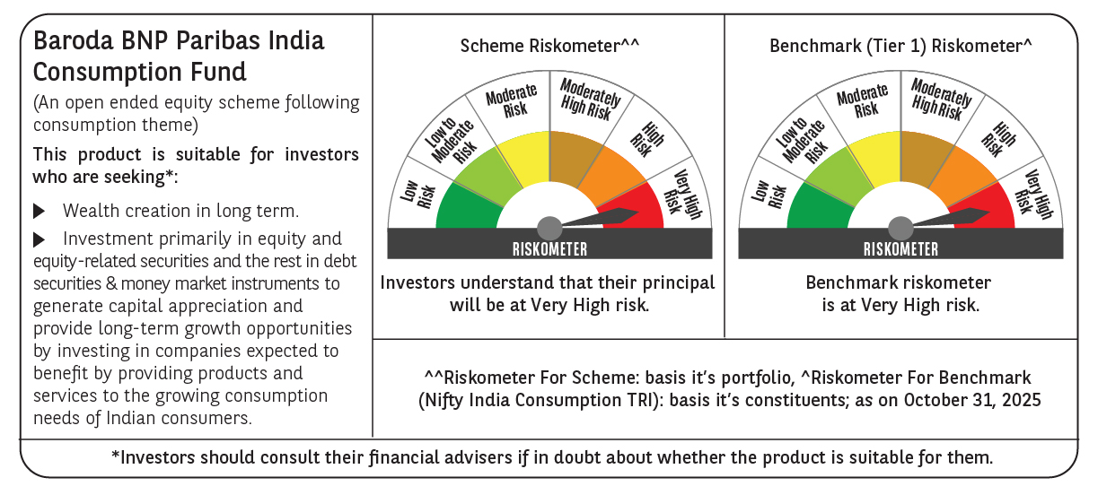

 | Monthly Performance Link: https://www.barodabnpparibasmf.in/assets/download_documents/Performance_of_Schemes-October_2025_15267.pdf

