T0ME21
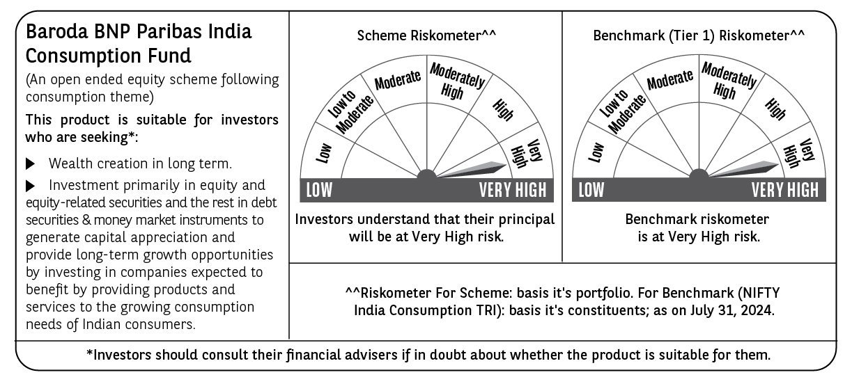
 | Baroda BNP Paribas India Consumption Fund

 | Monthly Portfolio Statement as on July 31, 2024
 | Name of the Instrument | ISIN | Industry / Rating | Quantity | Market/Fair Value (Rs. in Lakhs) | % to Net Assets | YTM~ | YTC^ | null
 | Equity & Equity related
 | (a) Listed / awaiting listing on Stock Exchanges
LAKM02 | Trent Limited | INE849A01020 | Retailing | 175,000 | 10,218.25 | 7.01%
ITCL02 | ITC Limited | INE154A01025 | Diversified FMCG | 2,000,000 | 9,907.00 | 6.80%
HLEL02 | Hindustan Unilever Limited | INE030A01027 | Diversified FMCG | 300,000 | 8,116.95 | 5.57%
BTVL02 | Bharti Airtel Limited | INE397D01024 | Telecom - Services | 540,000 | 8,054.37 | 5.52%
ZMPL01 | Zomato Limited | INE758T01015 | Retailing | 3,400,000 | 7,801.30 | 5.35%
MAHI02 | Mahindra & Mahindra Limited | INE101A01026 | Automobiles | 250,000 | 7,269.50 | 4.99%
SAEL02 | TVS Motor Company Limited | INE494B01023 | Automobiles | 240,000 | 6,074.40 | 4.17%
MAUD01 | Maruti Suzuki India Limited | INE585B01010 | Automobiles | 35,000 | 4,590.53 | 3.15%
NEST02 | Nestle India Limited | INE239A01024 | Food Products | 171,400 | 4,210.18 | 2.89%
TTEA02 | Tata Consumer Products Limited | INE192A01025 | Agricultural Food & other Products | 350,000 | 4,161.33 | 2.85%
DABU02 | Dabur India Limited | INE016A01026 | Personal Products | 575,000 | 3,655.28 | 2.51%
PHMI02 | The Phoenix Mills Limited | INE211B01039 | Realty | 100,000 | 3,597.20 | 2.47%
BINL01 | Indus Towers Limited | INE121J01017 | Telecom - Services | 700,000 | 3,032.05 | 2.08%
JUFL02 | Jubilant Foodworks Limited | INE797F01020 | Leisure Services | 485,000 | 2,904.18 | 1.99%
BRIT03 | Britannia Industries Limited | INE216A01030 | Food Products | 50,000 | 2,892.23 | 1.98%
GCPL02 | Godrej Consumer Products Limited | INE102D01028 | Personal Products | 200,000 | 2,881.50 | 1.98%
UBBL02 | United Breweries Limited | INE686F01025 | Beverages | 130,000 | 2,619.50 | 1.80%
TWAT02 | Titan Company Limited | INE280A01028 | Consumer Durables | 75,000 | 2,594.21 | 1.78%
BLUS03 | Blue Star Limited | INE472A01039 | Consumer Durables | 150,000 | 2,585.55 | 1.77%
VNBL02 | Varun Beverages Limited | INE200M01021 | Beverages | 150,000 | 2,366.10 | 1.62%
PROG01 | Procter & Gamble Hygiene and Health Care Limited | INE179A01014 | Personal Products | 13,000 | 2,197.59 | 1.51%
ESMC02 | PB Fintech Limited | INE417T01026 | Financial Technology (Fintech) | 150,000 | 2,179.50 | 1.50%
HAIL03 | Havells India Limited | INE176B01034 | Consumer Durables | 115,000 | 2,127.33 | 1.46%
MCSP02 | United Spirits Limited | INE854D01024 | Beverages | 150,000 | 2,119.95 | 1.45%
PVRL01 | PVR INOX Limited | INE191H01014 | Entertainment | 140,000 | 2,100.35 | 1.44%
CGCE01 | Crompton Greaves Consumer Electricals Limited | INE299U01018 | Consumer Durables | 450,000 | 2,031.30 | 1.39%
EIML02 | Eicher Motors Limited | INE066A01021 | Automobiles | 40,000 | 1,985.08 | 1.36%
TELC03 | Tata Motors Limited | INE155A01022 | Automobiles | 170,000 | 1,966.31 | 1.35%
IHOT02 | The Indian Hotels Company Limited | INE053A01029 | Leisure Services | 300,000 | 1,926.15 | 1.32%
MEBR01 | Metro Brands Limited | INE317I01021 | Consumer Durables | 141,122 | 1,907.76 | 1.31%
VGIL02 | V-Guard Industries Limited | INE951I01027 | Consumer Durables | 400,000 | 1,838.80 | 1.26%
VOLT02 | Voltas Limited | INE226A01021 | Consumer Durables | 115,000 | 1,768.24 | 1.21%
AVSP01 | Avenue Supermarts Limited | INE192R01011 | Retailing | 35,000 | 1,727.58 | 1.19%
COLG02 | Colgate Palmolive (India) Limited | INE259A01022 | Personal Products | 50,000 | 1,706.05 | 1.17%
TTPL02 | TTK Prestige Limited | INE690A01028 | Consumer Durables | 175,000 | 1,687.88 | 1.16%
MARC02 | Marico Limited | INE196A01026 | Agricultural Food & other Products | 250,000 | 1,685.25 | 1.16%
BEFS01 | Mrs. Bectors Food Specialities Limited | INE495P01012 | Food Products | 119,000 | 1,668.80 | 1.14%
BATA02 | Bata India Limited | INE176A01028 | Consumer Durables | 100,000 | 1,596.30 | 1.09%
ISHA01 | Gillette India Limited | INE322A01010 | Personal Products | 20,000 | 1,564.94 | 1.07%
ASPA02 | Asian Paints Limited | INE021A01026 | Consumer Durables | 50,000 | 1,542.23 | 1.06%
WESD02 | Westlife Foodworld Limited | INE274F01020 | Leisure Services | 180,000 | 1,491.66 | 1.02%
MAHE01 | Max Healthcare Institute Limited | INE027H01010 | Healthcare Services | 160,000 | 1,475.60 | 1.01%
KACE03 | Kajaria Ceramics Limited | INE217B01036 | Consumer Durables | 85,000 | 1,259.53 | 0.86%
CNAF01 | Zydus Wellness Limited | INE768C01010 | Food Products | 47,000 | 1,126.97 | 0.77%
TTEA02RF | Tata Consumer Products Limited- Right Shares | INE192A20017 | Agricultural Food & other Products | 13,461 | 49.93 | 0.03%
 | Sub Total |  |  |  | 142,262.69 | 97.57%
 | (b) Unlisted |  |  |  | NIL | NIL
 | Sub Total |  |  |  | NIL | NIL
 | Total |  |  |  | 142,262.69 | 97.57%
 | Money Market Instruments
 | Treasury Bill
TBIL2261 | 364 Days Tbill (MD 19/09/2024) | IN002023Z273 | Sovereign | 600,000 | 594.77 | 0.41% | 6.55%
TBIL2329 | 364 Days Tbill (MD 27/02/2025) | IN002023Z513 | Sovereign | 500,000 | 481.26 | 0.33% | 6.77%
TBIL2344 | 182 Days Tbill (MD 26/09/2024) | IN002023Y540 | Sovereign | 300,000 | 297.01 | 0.20% | 6.56%
 | Sub Total |  |  |  | 1,373.04 | 0.94%
 | Total |  |  |  | 1,373.04 | 0.94%
 | Reverse Repo / TREPS
TRP_010824 | Clearing Corporation of India Ltd |  |  |  | 2,343.73 | 1.61% | 6.42%
 | Sub Total |  |  |  | 2,343.73 | 1.61%
 | Total |  |  |  | 2,343.73 | 1.61%
 | Net Receivables / (Payables) |  |  |  | (194.83) | (0.12)%
 | GRAND TOTAL |  |  |  | 145,784.63 | 100.00%

 | ** Thinly Traded / Non Traded Security
 | ~ YTM as on July 31, 2024
 | ^ YTC represents Yield to Call provided by valuation agencies as on July 31, 2024. It is disclosed for Perpetual Bond issued by Banks (i.e. AT-1 Bond / Tier 1 Bond / Tier 2 Bond), as per AMFI Best Practices Guidelines Circular no. 135/BP/91/2020-21 read with SEBI circular No. SEBI/HO/IMD/DF4/CIR/P/2021/034 on Valuation of AT-1 Bonds and Tier 2 Bonds.

