T0ME21
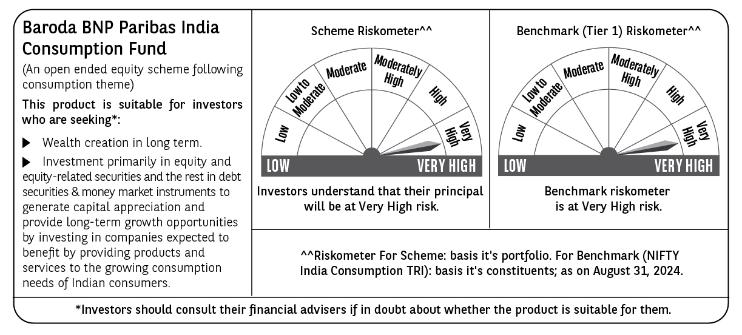
 | Baroda BNP Paribas India Consumption Fund

 | Monthly Portfolio Statement as on August 31, 2024
 | Name of the Instrument | ISIN | Industry / Rating | Quantity | Market/Fair Value (Rs. in Lakhs) | % to Net Assets | YTM~ | YTC^ | null
 | Equity & Equity related
 | (a) Listed / awaiting listing on Stock Exchanges
LAKM02 | Trent Limited | INE849A01020 | Retailing | 175,000 | 12,527.81 | 8.24%
ITCL02 | ITC Limited | INE154A01025 | Diversified FMCG | 1,900,000 | 9,536.10 | 6.28%
BTVL02 | Bharti Airtel Limited | INE397D01024 | Telecom - Services | 540,000 | 8,580.87 | 5.65%
HLEL02 | Hindustan Unilever Limited | INE030A01027 | Diversified FMCG | 300,000 | 8,334.00 | 5.48%
ZMPL01 | Zomato Limited | INE758T01015 | Retailing | 3,000,000 | 7,515.90 | 4.95%
MAHI02 | Mahindra & Mahindra Limited | INE101A01026 | Automobiles | 250,000 | 7,013.50 | 4.62%
SAEL02 | TVS Motor Company Limited | INE494B01023 | Automobiles | 240,000 | 6,751.92 | 4.44%
TTEA02 | Tata Consumer Products Limited | INE192A01025 | Agricultural Food & other Products | 367,201 | 4,406.96 | 2.90%
NEST02 | Nestle India Limited | INE239A01024 | Food Products | 171,400 | 4,286.29 | 2.82%
MAUD01 | Maruti Suzuki India Limited | INE585B01010 | Automobiles | 32,500 | 4,030.98 | 2.65%
PHMI02 | The Phoenix Mills Limited | INE211B01039 | Realty | 100,000 | 3,769.40 | 2.48%
DABU02 | Dabur India Limited | INE016A01026 | Personal Products | 575,000 | 3,663.61 | 2.41%
JUFL02 | Jubilant Foodworks Limited | INE797F01020 | Leisure Services | 485,000 | 3,153.96 | 2.08%
BINL01 | Indus Towers Limited | INE121J01017 | Telecom - Services | 668,288 | 3,064.10 | 2.02%
GCPL02 | Godrej Consumer Products Limited | INE102D01028 | Personal Products | 200,000 | 2,962.40 | 1.95%
BRIT03 | Britannia Industries Limited | INE216A01030 | Food Products | 50,000 | 2,927.63 | 1.93%
TWAT02 | Titan Company Limited | INE280A01028 | Consumer Durables | 75,000 | 2,673.86 | 1.76%
UBBL02 | United Breweries Limited | INE686F01025 | Beverages | 130,000 | 2,665.59 | 1.75%
ESMC02 | PB Fintech Limited | INE417T01026 | Financial Technology (Fintech) | 150,000 | 2,658.38 | 1.75%
BLUS03 | Blue Star Limited | INE472A01039 | Consumer Durables | 150,000 | 2,555.85 | 1.68%
CGCE01 | Crompton Greaves Consumer Electricals Limited | INE299U01018 | Consumer Durables | 500,000 | 2,385.25 | 1.57%
VNBL02 | Varun Beverages Limited | INE200M01021 | Beverages | 150,000 | 2,251.35 | 1.48%
MCSP02 | United Spirits Limited | INE854D01024 | Beverages | 150,000 | 2,211.53 | 1.46%
HAIL03 | Havells India Limited | INE176B01034 | Consumer Durables | 115,000 | 2,184.25 | 1.44%
PROG01 | Procter & Gamble Hygiene and Health Care Limited | INE179A01014 | Personal Products | 13,000 | 2,147.11 | 1.41%
PVRL01 | PVR INOX Limited | INE191H01014 | Entertainment | 140,000 | 2,120.37 | 1.40%
VGIL02 | V-Guard Industries Limited | INE951I01027 | Consumer Durables | 450,000 | 2,063.48 | 1.36%
VOLT02 | Voltas Limited | INE226A01021 | Consumer Durables | 115,000 | 2,005.20 | 1.32%
EIML02 | Eicher Motors Limited | INE066A01021 | Automobiles | 40,000 | 1,984.20 | 1.31%
MEBR01 | Metro Brands Limited | INE317I01021 | Consumer Durables | 150,000 | 1,959.08 | 1.29%
IHOT02 | The Indian Hotels Company Limited | INE053A01029 | Leisure Services | 300,000 | 1,942.50 | 1.28%
BEFS01 | Mrs. Bectors Food Specialities Limited | INE495P01012 | Food Products | 119,000 | 1,914.12 | 1.26%
COLG02 | Colgate Palmolive (India) Limited | INE259A01022 | Personal Products | 50,000 | 1,820.18 | 1.20%
ISHA01 | Gillette India Limited | INE322A01010 | Personal Products | 20,000 | 1,777.10 | 1.17%
AVSP01 | Avenue Supermarts Limited | INE192R01011 | Retailing | 35,000 | 1,724.61 | 1.13%
TTPL02 | TTK Prestige Limited | INE690A01028 | Consumer Durables | 175,000 | 1,642.11 | 1.08%
MARC02 | Marico Limited | INE196A01026 | Agricultural Food & other Products | 250,000 | 1,617.88 | 1.06%
ASPA02 | Asian Paints Limited | INE021A01026 | Consumer Durables | 50,000 | 1,563.40 | 1.03%
WESD02 | Westlife Foodworld Limited | INE274F01020 | Leisure Services | 180,000 | 1,480.86 | 0.97%
BATA02 | Bata India Limited | INE176A01028 | Consumer Durables | 100,000 | 1,452.65 | 0.96%
MAHE01 | Max Healthcare Institute Limited | INE027H01010 | Healthcare Services | 160,000 | 1,379.92 | 0.91%
EMAM02 | Emami Limited | INE548C01032 | Personal Products | 165,000 | 1,341.78 | 0.88%
CNAF01 | Zydus Wellness Limited | INE768C01010 | Food Products | 52,000 | 1,193.53 | 0.79%
KACE03 | Kajaria Ceramics Limited | INE217B01036 | Consumer Durables | 85,000 | 1,148.22 | 0.76%
 | Sub Total |  |  |  | 146,389.79 | 96.36%
 | (b) Unlisted |  |  |  | NIL | NIL
 | Sub Total |  |  |  | NIL | NIL
 | Total |  |  |  | 146,389.79 | 96.36%
 | Money Market Instruments
 | Treasury Bill
TBIL2261 | 364 Days Tbill (MD 19/09/2024) | IN002023Z273 | Sovereign | 600,000 | 598.07 | 0.39% | 6.53%
TBIL2329 | 364 Days Tbill (MD 27/02/2025) | IN002023Z513 | Sovereign | 500,000 | 484.07 | 0.32% | 6.71%
TBIL2344 | 182 Days Tbill (MD 26/09/2024) | IN002023Y540 | Sovereign | 300,000 | 298.66 | 0.20% | 6.55%
 | Sub Total |  |  |  | 1,380.80 | 0.91%
 | Total |  |  |  | 1,380.80 | 0.91%
 | Reverse Repo / TREPS
TRP_020924 | Clearing Corporation of India Ltd |  |  |  | 6,173.91 | 4.06% | 6.52%
 | Sub Total |  |  |  | 6,173.91 | 4.06%
 | Total |  |  |  | 6,173.91 | 4.06%
 | Net Receivables / (Payables) |  |  |  | (1,987.55) | (1.33)%
 | GRAND TOTAL |  |  |  | 151,956.95 | 100.00%

 | ~ YTM as on August 31, 2024
 | ^ YTC represents Yield to Call provided by valuation agencies as on August 31, 2024. It is disclosed for Perpetual Bond issued by Banks (i.e. AT-1 Bond / Tier 1 Bond / Tier 2 Bond), as per AMFI Best Practices Guidelines Circular no. 135/BP/91/2020-21 read with SEBI circular No. SEBI/HO/IMD/DF4/CIR/P/2021/034 on Valuation of AT-1 Bonds and Tier 2 Bonds.

