Monthly Portfolio
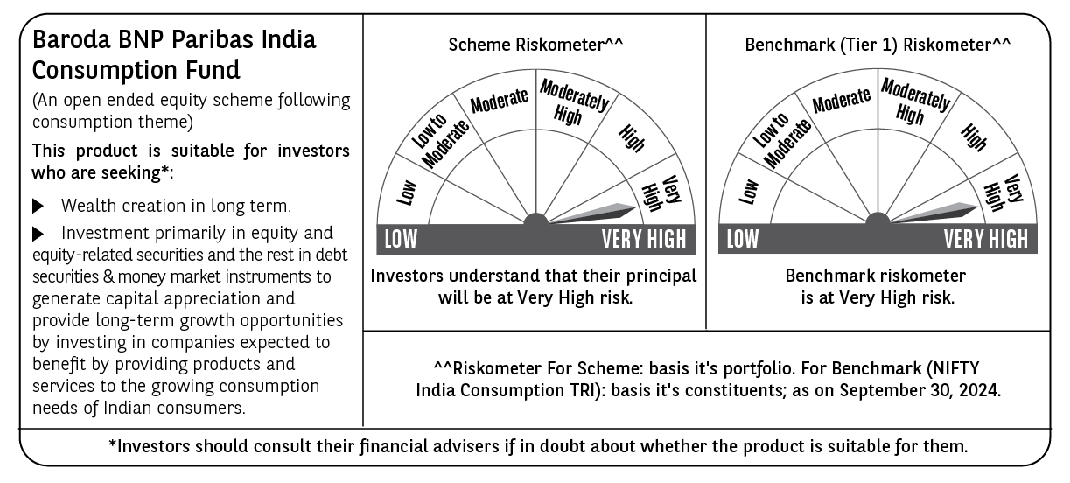
 | Baroda BNP Paribas India Consumption Fund

 | Monthly Portfolio Statement as on September 30, 2024
 | Name of the Instrument | ISIN | Industry / Rating | Quantity | Market/Fair Value (Rs. in Lakhs) | % to Net Assets | YTM~ | YTC^ | null
 | Equity & Equity related
 | (a) Listed / awaiting listing on Stock Exchanges
LAKM02 | Trent Limited | INE849A01020 | Retailing | 160,000 | 12,119.44 | 7.70%
ITCL02 | ITC Limited | INE154A01025 | Diversified FMCG | 1,900,000 | 9,844.85 | 6.25%
BTVL02 | Bharti Airtel Limited | INE397D01024 | Telecom - Services | 540,000 | 9,231.57 | 5.86%
HLEL02 | Hindustan Unilever Limited | INE030A01027 | Diversified FMCG | 300,000 | 8,874.90 | 5.64%
ZMPL01 | Zomato Limited | INE758T01015 | Retailing | 3,000,000 | 8,199.00 | 5.21%
MAHI02 | Mahindra & Mahindra Limited | INE101A01026 | Automobiles | 250,000 | 7,737.25 | 4.91%
SAEL02 | TVS Motor Company Limited | INE494B01023 | Automobiles | 240,000 | 6,815.64 | 4.33%
MAUD01 | Maruti Suzuki India Limited | INE585B01010 | Automobiles | 32,500 | 4,302.35 | 2.73%
BRIT03 | Britannia Industries Limited | INE216A01030 | Food Products | 63,000 | 3,993.03 | 2.54%
PHMI02 | The Phoenix Mills Limited | INE211B01039 | Realty | 200,000 | 3,691.30 | 2.34%
DABU02 | Dabur India Limited | INE016A01026 | Personal Products | 575,000 | 3,594.90 | 2.28%
JUFL02 | Jubilant Foodworks Limited | INE797F01020 | Leisure Services | 485,000 | 3,307.22 | 2.10%
COLG02 | Colgate Palmolive (India) Limited | INE259A01022 | Personal Products | 85,000 | 3,233.83 | 2.05%
BLUS03 | Blue Star Limited | INE472A01039 | Consumer Durables | 150,000 | 3,095.55 | 1.97%
TWAT02 | Titan Company Limited | INE280A01028 | Consumer Durables | 75,000 | 2,867.96 | 1.82%
UBBL02 | United Breweries Limited | INE686F01025 | Beverages | 130,000 | 2,828.09 | 1.80%
GCPL02 | Godrej Consumer Products Limited | INE102D01028 | Personal Products | 200,000 | 2,786.80 | 1.77%
IHOT02 | The Indian Hotels Company Limited | INE053A01029 | Leisure Services | 400,000 | 2,738.80 | 1.74%
BINL01 | Indus Towers Limited | INE121J01017 | Telecom - Services | 668,288 | 2,623.36 | 1.67%
BEFS01 | Mrs. Bectors Food Specialities Limited | INE495P01012 | Food Products | 134,000 | 2,554.44 | 1.62%
ESMC02 | PB Fintech Limited | INE417T01026 | Financial Technology (Fintech) | 150,000 | 2,429.93 | 1.54%
MEBR01 | Metro Brands Limited | INE317I01021 | Consumer Durables | 190,000 | 2,423.74 | 1.54%
NEST02 | Nestle India Limited | INE239A01024 | Food Products | 90,000 | 2,420.96 | 1.54%
MCSP02 | United Spirits Limited | INE854D01024 | Beverages | 150,000 | 2,384.85 | 1.51%
PVRL01 | PVR INOX Limited | INE191H01014 | Entertainment | 140,000 | 2,329.11 | 1.48%
HAIL03 | Havells India Limited | INE176B01034 | Consumer Durables | 115,000 | 2,314.84 | 1.47%
VNBL03 | Varun Beverages Limited | INE200M01039 | Beverages | 375,000 | 2,273.63 | 1.44%
VGIL02 | V-Guard Industries Limited | INE951I01027 | Consumer Durables | 500,000 | 2,236.25 | 1.42%
PROG01 | Procter & Gamble Hygiene and Health Care Limited | INE179A01014 | Personal Products | 13,000 | 2,167.70 | 1.38%
VOLT02 | Voltas Limited | INE226A01021 | Consumer Durables | 115,000 | 2,121.87 | 1.35%
CGCE01 | Crompton Greaves Consumer Electricals Limited | INE299U01018 | Consumer Durables | 500,000 | 2,081.25 | 1.32%
EIML02 | Eicher Motors Limited | INE066A01021 | Automobiles | 40,000 | 2,010.50 | 1.28%
TTEA02 | Tata Consumer Products Limited | INE192A01025 | Agricultural Food & other Products | 150,000 | 1,795.43 | 1.14%
AVSP01 | Avenue Supermarts Limited | INE192R01011 | Retailing | 35,000 | 1,783.71 | 1.13%
MARC02 | Marico Limited | INE196A01026 | Agricultural Food & other Products | 250,000 | 1,738.50 | 1.10%
WESD02 | Westlife Foodworld Limited | INE274F01020 | Leisure Services | 180,000 | 1,699.83 | 1.08%
ISHA01 | Gillette India Limited | INE322A01010 | Personal Products | 20,000 | 1,695.69 | 1.08%
ASPA02 | Asian Paints Limited | INE021A01026 | Consumer Durables | 50,000 | 1,664.55 | 1.06%
MAHE01 | Max Healthcare Institute Limited | INE027H01010 | Healthcare Services | 160,000 | 1,577.20 | 1.00%
TTPL02 | TTK Prestige Limited | INE690A01028 | Consumer Durables | 175,000 | 1,531.86 | 0.97%
BATA02 | Bata India Limited | INE176A01028 | Consumer Durables | 100,000 | 1,439.70 | 0.91%
EMAM02 | Emami Limited | INE548C01032 | Personal Products | 165,000 | 1,264.23 | 0.80%
KACE03 | Kajaria Ceramics Limited | INE217B01036 | Consumer Durables | 85,000 | 1,246.02 | 0.79%
CNAF01 | Zydus Wellness Limited | INE768C01010 | Food Products | 52,000 | 1,045.75 | 0.66%
RCCL01 | Raymond Lifestyle Limited | INE02ID01020 | Textiles & Apparels | 25,000 | 591.73 | 0.38%
 | Sub Total |  |  |  | 150,709.11 | 95.70%
 | (b) Unlisted |  |  |  | NIL | NIL
 | Sub Total |  |  |  | NIL | NIL
 | Total |  |  |  | 150,709.11 | 95.70%
 | Money Market Instruments
 | Treasury Bill
TBIL2396 | 182 Days Tbill (MD 14/02/2025) | IN002024Y209 | Sovereign | 900,000 | 878.65 | 0.56% | 6.52%
TBIL2329 | 364 Days Tbill (MD 27/02/2025) | IN002023Z513 | Sovereign | 500,000 | 487.04 | 0.31% | 6.52%
 | Sub Total |  |  |  | 1,365.69 | 0.87%
 | Total |  |  |  | 1,365.69 | 0.87%
 | Reverse Repo / TREPS
TRP_011024 | Clearing Corporation of India Ltd |  |  |  | 5,724.24 | 3.63% | 6.65%
 | Sub Total |  |  |  | 5,724.24 | 3.63%
 | Total |  |  |  | 5,724.24 | 3.63%
 | Net Receivables / (Payables) |  |  |  | (320.81) | (0.20)%
 | GRAND TOTAL |  |  |  | 157,478.23 | 100.00%

 | ~ YTM as on September 30, 2024
 | ^ YTC represents Yield to Call provided by valuation agencies as on September 30, 2024. It is disclosed for Perpetual Bond issued by Banks (i.e. AT-1 Bond / Tier 1 Bond / Tier 2 Bond), as per AMFI Best Practices Guidelines Circular no. 135/BP/91/2020-21 read with SEBI circular No. SEBI/HO/IMD/DF4/CIR/P/2021/034 on Valuation of AT-1 Bonds and Tier 2 Bonds.

