T0ME21
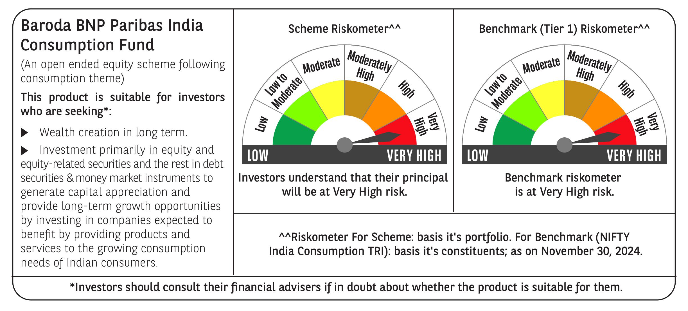
 | Baroda BNP Paribas India Consumption Fund

 | Monthly Portfolio Statement as on November 30, 2024
 | Name of the Instrument | ISIN | Industry / Rating | Quantity | Market/Fair Value (Rs. in Lakhs) | % to Net Assets | YTM~ | YTC^ | null
 | Equity & Equity related
 | (a) Listed / awaiting listing on Stock Exchanges
LAKM02 | Trent Limited | INE849A01020 | Retailing | 160,000 | 10,872.64 | 7.42%
ITCL02 | ITC Limited | INE154A01025 | Diversified FMCG | 2,106,815 | 10,044.24 | 6.85%
BTVL02 | Bharti Airtel Limited | INE397D01024 | Telecom - Services | 540,000 | 8,786.61 | 5.99%
HLEL02 | Hindustan Unilever Limited | INE030A01027 | Diversified FMCG | 300,000 | 7,488.45 | 5.11%
MAHI02 | Mahindra & Mahindra Limited | INE101A01026 | Automobiles | 250,000 | 7,415.25 | 5.06%
ZMPL01 | Zomato Limited | INE758T01015 | Retailing | 1,950,000 | 5,455.32 | 3.72%
SAEL02 | TVS Motor Company Limited | INE494B01023 | Automobiles | 223,500 | 5,441.00 | 3.71%
IHOT02 | The Indian Hotels Company Limited | INE053A01029 | Leisure Services | 525,000 | 4,165.09 | 2.84%
MAUD01 | Maruti Suzuki India Limited | INE585B01010 | Automobiles | 32,500 | 3,599.12 | 2.45%
PHMI02 | The Phoenix Mills Limited | INE211B01039 | Realty | 200,000 | 3,312.50 | 2.26%
TWAT02 | Titan Company Limited | INE280A01028 | Consumer Durables | 100,000 | 3,249.00 | 2.22%
JUFL02 | Jubilant Foodworks Limited | INE797F01020 | Leisure Services | 485,000 | 3,126.07 | 2.13%
BRIT03 | Britannia Industries Limited | INE216A01030 | Food Products | 63,000 | 3,112.92 | 2.12%
DABU02 | Dabur India Limited | INE016A01026 | Personal Products | 575,000 | 3,031.11 | 2.07%
UBBL02 | United Breweries Limited | INE686F01025 | Beverages | 154,000 | 3,003.77 | 2.05%
MCSP02 | United Spirits Limited | INE854D01024 | Beverages | 195,500 | 2,989.39 | 2.04%
ESMC02 | PB Fintech Limited | INE417T01026 | Financial Technology (Fintech) | 150,000 | 2,840.85 | 1.94%
BLUS03 | Blue Star Limited | INE472A01039 | Consumer Durables | 150,000 | 2,779.65 | 1.90%
GCPL02 | Godrej Consumer Products Limited | INE102D01028 | Personal Products | 200,000 | 2,489.30 | 1.70%
BEFS01 | Mrs. Bectors Food Specialities Limited | INE495P01012 | Food Products | 134,000 | 2,431.16 | 1.66%
MEBR01 | Metro Brands Limited | INE317I01021 | Consumer Durables | 190,000 | 2,347.55 | 1.60%
BINL01 | Indus Towers Limited | INE121J01017 | Telecom - Services | 668,288 | 2,334.66 | 1.59%
VNBL03 | Varun Beverages Limited | INE200M01039 | Beverages | 375,000 | 2,329.50 | 1.59%
PVRL01 | PVR INOX Limited | INE191H01014 | Entertainment | 140,000 | 2,156.07 | 1.47%
VGIL02 | V-Guard Industries Limited | INE951I01027 | Consumer Durables | 500,000 | 2,084.75 | 1.42%
PROG01 | Procter & Gamble Hygiene and Health Care Limited | INE179A01014 | Personal Products | 13,000 | 2,065.86 | 1.41%
CGCE01 | Crompton Greaves Consumer Electricals Limited | INE299U01018 | Consumer Durables | 500,000 | 2,048.50 | 1.40%
HAIL03 | Havells India Limited | INE176B01034 | Consumer Durables | 115,000 | 1,975.70 | 1.35%
ISHA01 | Gillette India Limited | INE322A01010 | Personal Products | 20,000 | 1,962.54 | 1.34%
EIML02 | Eicher Motors Limited | INE066A01021 | Automobiles | 40,000 | 1,932.74 | 1.32%
VOLT02 | Voltas Limited | INE226A01021 | Consumer Durables | 115,000 | 1,906.99 | 1.30%
MARC02 | Marico Limited | INE196A01026 | Agricultural Food & other Products | 250,000 | 1,612.38 | 1.10%
MAHE01 | Max Healthcare Institute Limited | INE027H01010 | Healthcare Services | 160,000 | 1,567.60 | 1.07%
PAGE01 | Page Industries Limited | INE761H01022 | Textiles & Apparels | 3,500 | 1,562.57 | 1.07%
EMAM02 | Emami Limited | INE548C01032 | Personal Products | 220,000 | 1,504.80 | 1.03%
TTPL02 | TTK Prestige Limited | INE690A01028 | Consumer Durables | 175,000 | 1,477.70 | 1.01%
RAKH02 | Radico Khaitan Limited | INE944F01028 | Beverages | 59,458 | 1,461.39 | 1.00%
TTEA02 | Tata Consumer Products Limited | INE192A01025 | Agricultural Food & other Products | 150,000 | 1,437.98 | 0.98%
BATA02 | Bata India Limited | INE176A01028 | Consumer Durables | 100,000 | 1,410.85 | 0.96%
WESD02 | Westlife Foodworld Limited | INE274F01020 | Leisure Services | 180,000 | 1,363.68 | 0.93%
NEST02 | Nestle India Limited | INE239A01024 | Food Products | 60,000 | 1,340.79 | 0.91%
ASPA02 | Asian Paints Limited | INE021A01026 | Consumer Durables | 50,000 | 1,239.80 | 0.85%
COLG02 | Colgate Palmolive (India) Limited | INE259A01022 | Personal Products | 40,000 | 1,155.90 | 0.79%
HYUN01 | Hyundai Motor India Ltd | INE0V6F01027 | Automobiles | 56,567 | 1,084.13 | 0.74%
CNAF01 | Zydus Wellness Limited | INE768C01010 | Food Products | 52,000 | 1,052.97 | 0.72%
KACE03 | Kajaria Ceramics Limited | INE217B01036 | Consumer Durables | 85,000 | 1,025.87 | 0.70%
RCCL01 | Raymond Lifestyle Limited | INE02ID01020 | Textiles & Apparels | 25,000 | 511.71 | 0.35%
 | Sub Total |  |  |  | 139,588.42 | 95.24%
 | (b) Unlisted |  |  |  | NIL | NIL
 | Sub Total |  |  |  | NIL | NIL
 | Total |  |  |  | 139,588.42 | 95.24%
 | Money Market Instruments
 | Treasury Bill
TBIL2396 | 182 Days Tbill (MD 14/02/2025) | IN002024Y209 | Sovereign | 900,000 | 888.23 | 0.61% | 6.45%
TBIL2329 | 364 Days Tbill (MD 27/02/2025) | IN002023Z513 | Sovereign | 500,000 | 492.34 | 0.34% | 6.45%
 | Sub Total |  |  |  | 1,380.57 | 0.95%
 | Total |  |  |  | 1,380.57 | 0.95%
 | Reverse Repo / TREPS
TRP_021224 | Clearing Corporation of India Ltd |  |  |  | 5,794.82 | 3.95% | 6.69%
 | Sub Total |  |  |  | 5,794.82 | 3.95%
 | Total |  |  |  | 5,794.82 | 3.95%
 | Net Receivables / (Payables) |  |  |  | (157.12) | (0.14)%
 | GRAND TOTAL |  |  |  | 146,606.69 | 100.00%

 | ~ YTM as on November 30, 2024
 | ^ YTC represents Yield to Call provided by valuation agencies as on November 30, 2024. It is disclosed for Perpetual Bond issued by Banks (i.e. AT-1 Bond / Tier 1 Bond / Tier 2 Bond), as per AMFI Best Practices Guidelines Circular no. 135/BP/91/2020-21 re

