T0ME24
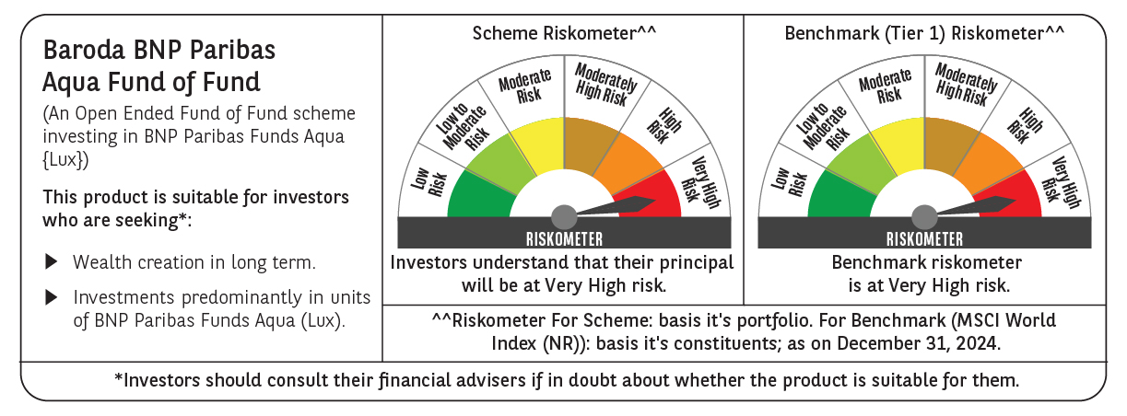
 | Baroda BNP Paribas Aqua Fund of Fund

 | Monthly Portfolio Statement as on December 31, 2024
 | Name of the Instrument | ISIN | Industry / Rating | Quantity | Market/Fair Value (Rs. in Lakhs) | % to Net Assets | YTM~ | YTC^
 | Others
 | International Mutual Fund Units
111141187USD | BNP Paribas Funds SICAV - Aqua | LU2328415166 |  | 43,351 | 4,074.87 | 97.70%
 | Sub Total |  |  |  | 4,074.87 | 97.70%
 | Total |  |  |  | 4,074.87 | 97.70%
 | Reverse Repo / TREPS
TRP_010125 | Clearing Corporation of India Ltd |  |  |  | 125.66 | 3.01% | 6.58%
 | Sub Total |  |  |  | 125.66 | 3.01%
 | Total |  |  |  | 125.66 | 3.01%
 | Net Receivables / (Payables) |  |  |  | (29.55) | (0.71)%
 | GRAND TOTAL |  |  |  | 4,170.98 | 100.00%

 | ~ YTM as on December 31, 2024
 | ^ YTC represents Yield to Call provided by valuation agencies as on December 31, 2024. It is disclosed for Perpetual Bond issued by Banks (i.e. AT-1 Bond / Tier 1 Bond / Tier 2 Bond), as per AMFI Best Practices Guidelines Circular no. 135/BP/91/2020-21 re

