T0ME24
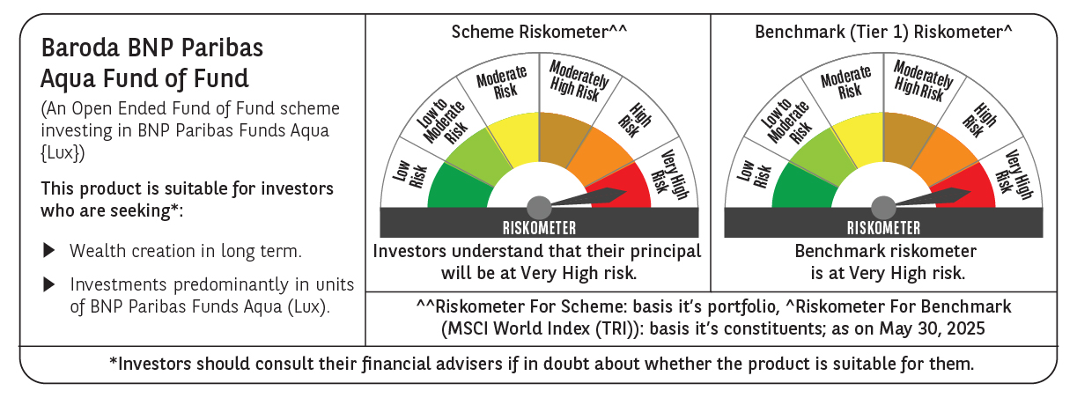
 | Baroda BNP Paribas Aqua Fund of Fund

 | Monthly Portfolio Statement as on May 31, 2025
 | Name of the Instrument | ISIN | Industry / Rating | Quantity | Market/Fair Value (Rs. in Lakhs) | % to Net Assets | YTM~ | YTC^ | null
 | Others
 | International Mutual Fund Units
111141187USD | BNP Paribas Funds SICAV - Aqua | LU2328415166 |  | 35,641 | 3,670.78 | 98.34%
 | Sub Total |  |  |  | 3,670.78 | 98.34%
 | Total |  |  |  | 3,670.78 | 98.34%
 | Reverse Repo / TREPS
TRP_020625 | Clearing Corporation of India Ltd |  |  |  | 81.84 | 2.19% | 5.77%
 | Sub Total |  |  |  | 81.84 | 2.19%
 | Total |  |  |  | 81.84 | 2.19%
 | Net Receivables / (Payables) |  |  |  | (19.94) | (0.53)%
 | GRAND TOTAL |  |  |  | 3,732.68 | 100.00%

 | ~ YTM as on May 31, 2025
 | ^ YTC represents Yield to Call provided by valuation agencies as on May 31, 2025. It is disclosed for Perpetual Bond issued by Banks (i.e. AT-1 Bond / Tier 1 Bond / Tier 2 Bond), as per AMFI Best Practices Guidelines Circular no. 135/BP/91/2020-21 read with SEBI circular No. SEBI/HO/IMD/DF4/CIR/P/2021/034 on Valuation of AT-1 Bonds and Tier 2 Bonds.

