T0ME24
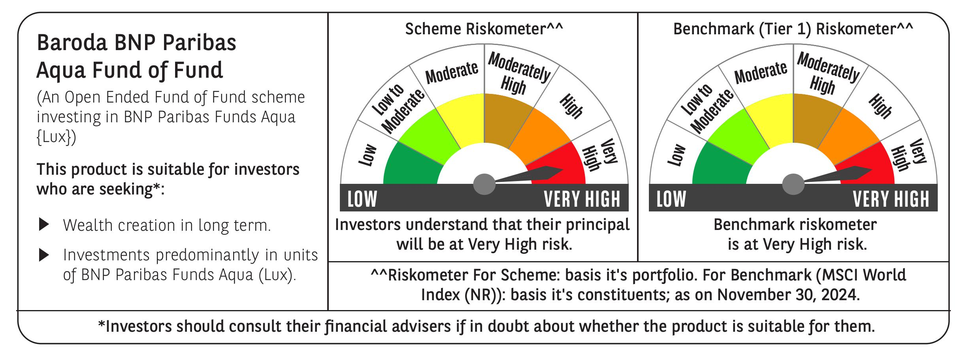
 | Baroda BNP Paribas Aqua Fund of Fund

 | Monthly Portfolio Statement as on November 30, 2024
 | Name of the Instrument | ISIN | Industry / Rating | Quantity | Market/Fair Value (Rs. in Lakhs) | % to Net Assets | YTM~ | YTC^ | null
 | Others
 | International Mutual Fund Units
111141187USD | BNP Paribas Funds SICAV - Aqua | LU2328415166 |  | 45,101 | 4,497.65 | 99.02%
 | Sub Total |  |  |  | 4,497.65 | 99.02%
 | Total |  |  |  | 4,497.65 | 99.02%
 | Reverse Repo / TREPS
TRP_021224 | Clearing Corporation of India Ltd |  |  |  | 68.95 | 1.52% | 6.69%
 | Sub Total |  |  |  | 68.95 | 1.52%
 | Total |  |  |  | 68.95 | 1.52%
 | Net Receivables / (Payables) |  |  |  | (24.31) | (0.54)%
 | GRAND TOTAL |  |  |  | 4,542.29 | 100.00%

 | ~ YTM as on November 30, 2024
 | ^ YTC represents Yield to Call provided by valuation agencies as on November 30, 2024. It is disclosed for Perpetual Bond issued by Banks (i.e. AT-1 Bond / Tier 1 Bond / Tier 2 Bond), as per AMFI Best Practices Guidelines Circular no. 135/BP/91/2020-21 re

