T0ME25
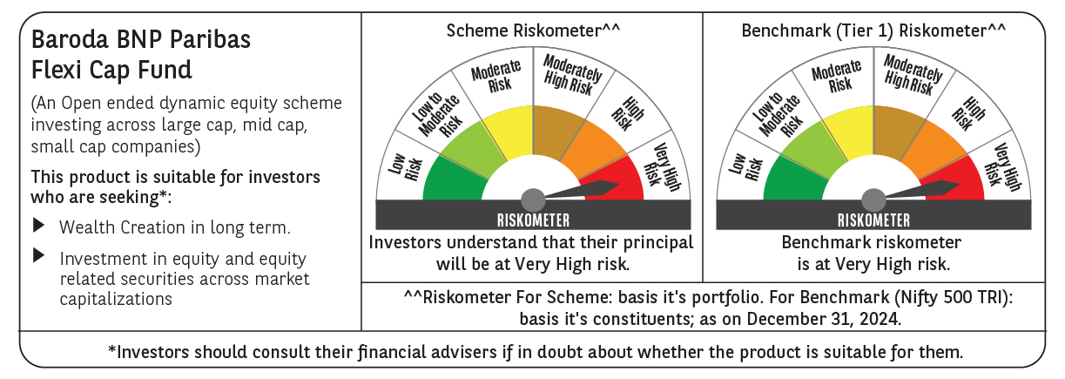
 | Baroda BNP Paribas Flexi Cap Fund

 | Monthly Portfolio Statement as on December 31, 2024
 | Name of the Instrument | ISIN | Industry | Quantity | Market/Fair Value (Rs. in Lakhs) | % to Net Assets | YTM~ | YTC^ | null
 | Equity & Equity related
 | (a) Listed / awaiting listing on Stock Exchanges
HDFB03 | HDFC Bank Limited | INE040A01034 | Banks | 475,000 | 8,421.04 | 6.41%
INFS02 | Infosys Limited | INE009A01021 | IT - Software | 335,000 | 6,298.00 | 4.80%
IBCL05 | ICICI Bank Limited | INE090A01021 | Banks | 465,000 | 5,959.67 | 4.54%
ESMC02 | PB Fintech Limited | INE417T01026 | Financial Technology (Fintech) | 270,000 | 5,693.90 | 4.34%
RIND01 | Reliance Industries Limited | INE002A01018 | Petroleum Products | 450,000 | 5,469.53 | 4.16%
KAYN01 | Kaynes Technology India Limited | INE918Z01012 | Industrial Manufacturing | 70,000 | 5,192.11 | 3.95%
ABBP01 | Hitachi Energy India Limited | INE07Y701011 | Electrical Equipment | 30,000 | 4,323.66 | 3.29%
FEBA02 | The Federal Bank Limited | INE171A01029 | Banks | 2,000,000 | 4,000.40 | 3.05%
BTVL02 | Bharti Airtel Limited | INE397D01024 | Telecom - Services | 250,000 | 3,969.38 | 3.02%
ALLI02 | GE Vernova T&D India Limited | INE200A01026 | Electrical Equipment | 178,494 | 3,705.36 | 2.82%
HPEC01 | Hindustan Petroleum Corporation Limited | INE094A01015 | Petroleum Products | 875,000 | 3,576.56 | 2.72%
PHFP02 | PNB Housing Finance Limited | INE572E01012 | Finance | 388,327 | 3,408.35 | 2.60%
TCSL01 | Tata Consultancy Services Limited | INE467B01029 | IT - Software | 80,000 | 3,275.84 | 2.49%
ZMPL01 | Zomato Limited | INE758T01015 | Retailing | 1,150,000 | 3,197.58 | 2.43%
SHTR01 | Shriram Finance Limited | INE721A01013 | Finance | 110,000 | 3,178.07 | 2.42%
BKBA02 | Bank of Baroda | INE028A01039 | Banks | 1,200,000 | 2,886.60 | 2.20%
MAHE01 | Max Healthcare Institute Limited | INE027H01010 | Healthcare Services | 250,000 | 2,820.38 | 2.15%
MOTI02 | Bosch Limited | INE323A01026 | Auto Components | 8,000 | 2,728.02 | 2.08%
BFLS01 | Mphasis Limited | INE356A01018 | IT - Software | 95,000 | 2,704.84 | 2.06%
AJPH03 | Ajanta Pharma Limited | INE031B01049 | Pharmaceuticals & Biotechnology | 90,000 | 2,638.98 | 2.01%
IEIN01 | Info Edge (India) Limited | INE663F01024 | Retailing | 30,000 | 2,603.18 | 1.98%
BOCL01 | Linde India Limited | INE473A01011 | Chemicals & Petrochemicals | 40,000 | 2,398.42 | 1.83%
PGCI01 | Power Grid Corporation of India Limited | INE752E01010 | Power | 750,000 | 2,315.25 | 1.76%
METR01 | Metropolis Healthcare Limited | INE112L01020 | Healthcare Services | 102,484 | 2,128.23 | 1.62%
IEPL01 | Indegene Limited | INE065X01017 | Healthcare Services | 352,416 | 2,127.54 | 1.62%
FSNE01 | FSN E-Commerce Ventures Limited | INE388Y01029 | Retailing | 1,250,799 | 2,048.31 | 1.56%
BEFS01 | Mrs. Bectors Food Specialities Limited | INE495P01012 | Food Products | 125,000 | 2,048.25 | 1.56%
LARS02 | Larsen & Toubro Limited | INE018A01030 | Construction | 54,913 | 1,981.07 | 1.51%
SPIL03 | Sun Pharmaceutical Industries Limited | INE044A01036 | Pharmaceuticals & Biotechnology | 105,000 | 1,980.67 | 1.51%
LAKM02 | Trent Limited | INE849A01020 | Retailing | 27,000 | 1,923.30 | 1.46%
ALPM01 | Alembic Pharmaceuticals Limited | INE901L01018 | Pharmaceuticals & Biotechnology | 172,000 | 1,833.95 | 1.40%
NGEL01 | NTPC Green Energy Limited | INE0ONG01011 | Power | 1,388,832 | 1,766.46 | 1.35%
OIIL01 | Oil India Limited | INE274J01014 | Oil | 400,000 | 1,723.00 | 1.31%
GCPL02 | Godrej Consumer Products Limited | INE102D01028 | Personal Products | 150,000 | 1,623.08 | 1.24%
TTEC01 | Tata Technologies Limited | INE142M01025 | IT - Services | 175,000 | 1,559.86 | 1.19%
RAKH02 | Radico Khaitan Limited | INE944F01028 | Beverages | 56,000 | 1,459.30 | 1.11%
WABT01 | ZF Commercial Vehicle Control Systems India Limited | INE342J01019 | Auto Components | 12,000 | 1,445.27 | 1.10%
WIPR02 | Wipro Limited | INE075A01022 | IT - Software | 475,000 | 1,433.79 | 1.09%
GRIN02 | Grindwell Norton Limited | INE536A01023 | Industrial Products | 65,000 | 1,247.94 | 0.95%
MCEX01 | Multi Commodity Exchange of India Limited | INE745G01035 | Capital Markets | 17,500 | 1,090.97 | 0.83%
FAGP02 | Schaeffler India Limited | INE513A01022 | Auto Components | 27,700 | 943.41 | 0.72%
CSTL01 | Clean Science and Technology Limited | INE227W01023 | Chemicals & Petrochemicals | 65,000 | 925.02 | 0.70%
AFCI01 | Afcons Infrastructure Limited | INE101I01011 | Construction | 160,000 | 872.48 | 0.66%
CEPL02 | Century Plyboards (India) Limited | INE348B01021 | Consumer Durables | 108,079 | 798.00 | 0.61%
KELV01 | Whirlpool of India Limited | INE716A01013 | Consumer Durables | 35,218 | 648.06 | 0.49%
IEEL02 | Indian Energy Exchange Limited | INE022Q01020 | Capital Markets | 2,000 | 3.64 | $0.00%
 | Sub Total |  |  |  | 124,376.72 | 94.70%
 | (b) Unlisted |  |  |  | NIL | NIL
 | Sub Total |  |  |  | NIL | NIL
 | Total |  |  |  | 124,376.72 | 94.70%
 | Reverse Repo / TREPS
TRP_010125 | Clearing Corporation of India Ltd |  |  |  | 7,535.20 | 5.74% | 6.58%
 | Sub Total |  |  |  | 7,535.20 | 5.74%
 | Total |  |  |  | 7,535.20 | 5.74%
 | Net Receivables / (Payables) |  |  |  | (587.66) | (0.44)%
 | GRAND TOTAL |  |  |  | 131,324.26 | 100.00%

 | $ Less Than 0.01% of Net Asset Value
 | ~ YTM as on December 31, 2024
 | ^ YTC represents Yield to Call provided by valuation agencies as on December 31, 2024. It is disclosed for Perpetual Bond issued by Banks (i.e. AT-1 Bond / Tier 1 Bond / Tier 2 Bond), as per AMFI Best Practices Guidelines Circular no. 135/BP/91/2020-21 re

