T0ME25
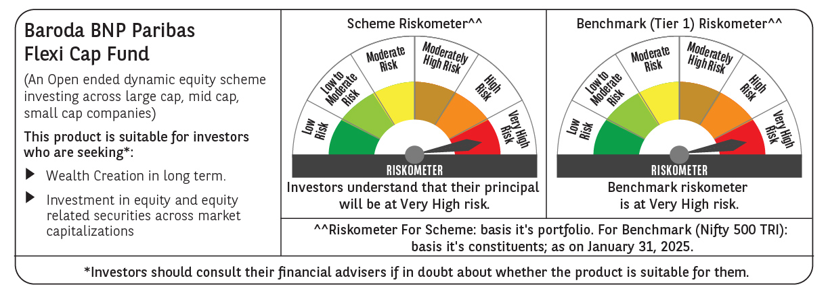
 | Baroda BNP Paribas Flexi Cap Fund

 | Monthly Portfolio Statement as on January 31, 2025
 | Name of the Instrument | ISIN | Industry | Quantity | Market/Fair Value (Rs. in Lakhs) | % to Net Assets | YTM~ | YTC^ | null
 | Equity & Equity related
 | (a) Listed / awaiting listing on Stock Exchanges
HDFB03 | HDFC Bank Limited | INE040A01034 | Banks | 475,000 | 8,069.06 | 6.65%
RIND01 | Reliance Industries Limited | INE002A01018 | Petroleum Products | 525,000 | 6,641.78 | 5.48%
INFS02 | Infosys Limited | INE009A01021 | IT - Software | 335,000 | 6,297.33 | 5.19%
IBCL05 | ICICI Bank Limited | INE090A01021 | Banks | 500,000 | 6,264.00 | 5.17%
ESMC02 | PB Fintech Limited | INE417T01026 | Financial Technology (Fintech) | 270,000 | 4,662.36 | 3.85%
BTVL02 | Bharti Airtel Limited | INE397D01024 | Telecom - Services | 250,000 | 4,065.75 | 3.35%
ABBP01 | Hitachi Energy India Limited | INE07Y701011 | Electrical Equipment | 30,000 | 3,859.07 | 3.18%
FEBA02 | The Federal Bank Limited | INE171A01029 | Banks | 2,000,000 | 3,744.20 | 3.09%
PHFP02 | PNB Housing Finance Limited | INE572E01012 | Finance | 388,327 | 3,410.29 | 2.81%
KAYN01 | Kaynes Technology India Limited | INE918Z01012 | Industrial Manufacturing | 70,000 | 3,354.65 | 2.77%
TCSL01 | Tata Consultancy Services Limited | INE467B01029 | IT - Software | 80,000 | 3,289.92 | 2.71%
ALLI02 | GE Vernova T&D India Limited | INE200A01026 | Electrical Equipment | 178,494 | 3,190.58 | 2.63%
HPEC01 | Hindustan Petroleum Corporation Limited | INE094A01015 | Petroleum Products | 875,000 | 3,134.69 | 2.59%
SHTR02 | Shriram Finance Limited | INE721A01047 | Finance | 550,000 | 2,990.63 | 2.47%
MAHE01 | Max Healthcare Institute Limited | INE027H01010 | Healthcare Services | 250,000 | 2,653.13 | 2.19%
SPIL03 | Sun Pharmaceutical Industries Limited | INE044A01036 | Pharmaceuticals & Biotechnology | 150,000 | 2,615.93 | 2.16%
BKBA02 | Bank of Baroda | INE028A01039 | Banks | 1,200,000 | 2,560.68 | 2.11%
ZMPL01 | Zomato Limited | INE758T01015 | Retailing | 1,150,000 | 2,534.03 | 2.09%
IEIN01 | Info Edge (India) Limited | INE663F01024 | Retailing | 32,500 | 2,510.20 | 2.07%
BOCL01 | Linde India Limited | INE473A01011 | Chemicals & Petrochemicals | 40,000 | 2,507.14 | 2.07%
AJPH03 | Ajanta Pharma Limited | INE031B01049 | Pharmaceuticals & Biotechnology | 90,000 | 2,425.01 | 2.00%
MOTI02 | Bosch Limited | INE323A01026 | Auto Components | 8,000 | 2,298.33 | 1.90%
PGCI01 | Power Grid Corporation of India Limited | INE752E01010 | Power | 750,000 | 2,262.38 | 1.87%
IEPL01 | Indegene Limited | INE065X01017 | Healthcare Services | 352,416 | 2,113.44 | 1.74%
LARS02 | Larsen & Toubro Limited | INE018A01030 | Construction | 54,913 | 1,958.97 | 1.62%
OIIL01 | Oil India Limited | INE274J01014 | Oil | 450,000 | 1,892.03 | 1.56%
METR01 | Metropolis Healthcare Limited | INE112L01020 | Healthcare Services | 102,484 | 1,841.53 | 1.52%
BEFS01 | Mrs. Bectors Food Specialities Limited | INE495P01012 | Food Products | 125,000 | 1,837.44 | 1.52%
ALPM01 | Alembic Pharmaceuticals Limited | INE901L01018 | Pharmaceuticals & Biotechnology | 190,000 | 1,748.29 | 1.44%
NGEL01 | NTPC Green Energy Limited | INE0ONG01011 | Power | 1,388,832 | 1,595.91 | 1.32%
PAGE01 | Page Industries Limited | INE761H01022 | Textiles & Apparels | 3,500 | 1,565.32 | 1.29%
WIPR02 | Wipro Limited | INE075A01022 | IT - Software | 475,000 | 1,481.53 | 1.22%
ADWI01 | Adani Wilmar Limited | INE699H01024 | Agricultural Food & other Products | 540,000 | 1,439.91 | 1.19%
MCEX01 | Multi Commodity Exchange of India Limited | INE745G01035 | Capital Markets | 25,000 | 1,433.24 | 1.18%
RAKH02 | Radico Khaitan Limited | INE944F01028 | Beverages | 65,000 | 1,415.96 | 1.17%
TTEC01 | Tata Technologies Limited | INE142M01025 | IT - Services | 175,000 | 1,378.30 | 1.14%
WABT01 | ZF Commercial Vehicle Control Systems India Limited | INE342J01019 | Auto Components | 12,000 | 1,324.08 | 1.09%
ILOM01 | ICICI Lombard General Insurance Company Limited | INE765G01017 | Insurance | 70,000 | 1,300.95 | 1.07%
AFCI01 | Afcons Infrastructure Limited | INE101I01011 | Construction | 275,000 | 1,299.10 | 1.07%
LAKM02 | Trent Limited | INE849A01020 | Retailing | 22,000 | 1,265.70 | 1.04%
GRIN02 | Grindwell Norton Limited | INE536A01023 | Industrial Products | 65,000 | 1,252.84 | 1.03%
FSNE01 | FSN E-Commerce Ventures Limited | INE388Y01029 | Retailing | 725,000 | 1,224.53 | 1.01%
CEPL02 | Century Plyboards (India) Limited | INE348B01021 | Consumer Durables | 123,079 | 990.36 | 0.82%
FAGP02 | Schaeffler India Limited | INE513A01022 | Auto Components | 27,700 | 948.95 | 0.78%
KELV01 | Whirlpool of India Limited | INE716A01013 | Consumer Durables | 35,218 | 401.41 | 0.33%
 | Sub Total |  |  |  | 117,050.93 | 96.55%
 | (b) Unlisted |  |  |  | NIL | NIL
 | Sub Total |  |  |  | NIL | NIL
 | Total |  |  |  | 117,050.93 | 96.55%
 | Reverse Repo / TREPS
TRP_030225 | Clearing Corporation of India Ltd |  |  |  | 5,384.04 | 4.44% | 6.54%
 | Sub Total |  |  |  | 5,384.04 | 4.44%
 | Total |  |  |  | 5,384.04 | 4.44%
 | Net Receivables / (Payables) |  |  |  | (1,185.39) | (0.99)%
 | GRAND TOTAL |  |  |  | 121,249.58 | 100.00%

 | ~ YTM as on January 31, 2025
 | ^ YTC represents Yield to Call provided by valuation agencies as on January 31, 2025. It is disclosed for Perpetual Bond issued by Banks (i.e. AT-1 Bond / Tier 1 Bond / Tier 2 Bond), as per AMFI Best Practices Guidelines Circular no. 135/BP/91/2020-21 read with SEBI circular No. SEBI/HO/IMD/DF4/CIR/P/2021/034 on Valuation of AT-1 Bonds and Tier 2 Bonds.

