Monthly Portfolio
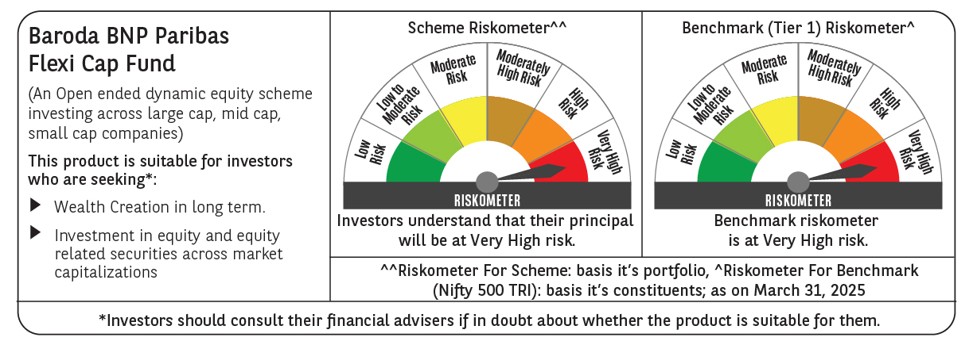
 | Baroda BNP Paribas Flexi Cap Fund

 | Monthly Portfolio Statement as on March 31, 2025
 | Name of the Instrument | ISIN | Industry | Quantity | Market/Fair Value (Rs. in Lakhs) | % to Net Assets | YTM~ | YTC^ | null
 | Equity & Equity related
 | (a) Listed / awaiting listing on Stock Exchanges
HDFB03 | HDFC Bank Limited | INE040A01034 | Banks | 475,000 | 8,683.95 | 7.29%
IBCL05 | ICICI Bank Limited | INE090A01021 | Banks | 525,000 | 7,078.84 | 5.95%
RIND01 | Reliance Industries Limited | INE002A01018 | Petroleum Products | 350,000 | 4,462.85 | 3.75%
ESMC02 | PB Fintech Limited | INE417T01026 | Financial Technology (Fintech) | 270,000 | 4,292.33 | 3.61%
SHTR02 | Shriram Finance Limited | INE721A01047 | Finance | 600,000 | 3,936.00 | 3.31%
FEBA02 | The Federal Bank Limited | INE171A01029 | Banks | 2,000,000 | 3,854.60 | 3.24%
ABBP01 | Hitachi Energy India Limited | INE07Y701011 | Electrical Equipment | 30,000 | 3,796.10 | 3.19%
PHFP02 | PNB Housing Finance Limited | INE572E01012 | Finance | 400,000 | 3,526.00 | 2.96%
INFS02 | Infosys Limited | INE009A01021 | IT - Software | 215,000 | 3,376.90 | 2.84%
KAYN01 | Kaynes Technology India Limited | INE918Z01012 | Industrial Manufacturing | 70,000 | 3,323.15 | 2.79%
HPEC01 | Hindustan Petroleum Corporation Limited | INE094A01015 | Petroleum Products | 875,000 | 3,153.06 | 2.65%
BTVL02 | Bharti Airtel Limited | INE397D01024 | Telecom - Services | 175,000 | 3,033.45 | 2.55%
MAHE01 | Max Healthcare Institute Limited | INE027H01010 | Healthcare Services | 270,000 | 2,961.77 | 2.49%
MOTI02 | Bosch Limited | INE323A01026 | Auto Components | 10,000 | 2,835.85 | 2.38%
ALLI02 | GE Vernova T&D India Limited | INE200A01026 | Electrical Equipment | 178,494 | 2,782.28 | 2.34%
BKBA02 | Bank of Baroda | INE028A01039 | Banks | 1,200,000 | 2,742.36 | 2.30%
SPIL03 | Sun Pharmaceutical Industries Limited | INE044A01036 | Pharmaceuticals & Biotechnology | 150,000 | 2,602.05 | 2.19%
IEIN01 | Info Edge (India) Limited | INE663F01024 | Retailing | 35,000 | 2,513.49 | 2.11%
BOCL01 | Linde India Limited | INE473A01011 | Chemicals & Petrochemicals | 40,000 | 2,502.96 | 2.10%
KOMA02 | Kotak Mahindra Bank Limited | INE237A01028 | Banks | 110,000 | 2,388.32 | 2.01%
PAGE01 | Page Industries Limited | INE761H01022 | Textiles & Apparels | 5,500 | 2,348.16 | 1.97%
AJPH03 | Ajanta Pharma Limited | INE031B01049 | Pharmaceuticals & Biotechnology | 85,000 | 2,229.55 | 1.87%
ZMPL01 | Zomato Limited | INE758T01015 | Retailing | 1,100,000 | 2,218.70 | 1.86%
BEFS01 | Mrs. Bectors Food Specialities Limited | INE495P01012 | Food Products | 150,000 | 2,192.10 | 1.84%
PGCI01 | Power Grid Corporation of India Limited | INE752E01010 | Power | 750,000 | 2,177.63 | 1.83%
TCSL01 | Tata Consultancy Services Limited | INE467B01029 | IT - Software | 60,000 | 2,163.69 | 1.82%
OIIL01 | Oil India Limited | INE274J01014 | Oil | 550,000 | 2,127.13 | 1.79%
WIPR02 | Wipro Limited | INE075A01022 | IT - Software | 800,000 | 2,098.00 | 1.76%
RAKH02 | Radico Khaitan Limited | INE944F01028 | Beverages | 85,000 | 2,064.61 | 1.73%
IEPL01 | Indegene Limited | INE065X01017 | Healthcare Services | 352,416 | 2,038.73 | 1.71%
ILOM01 | ICICI Lombard General Insurance Company Limited | INE765G01017 | Insurance | 110,000 | 1,972.14 | 1.66%
LARS02 | Larsen & Toubro Limited | INE018A01030 | Construction | 54,913 | 1,917.73 | 1.61%
METR01 | Metropolis Healthcare Limited | INE112L01020 | Healthcare Services | 102,484 | 1,603.41 | 1.35%
AFCI01 | Afcons Infrastructure Limited | INE101I01011 | Construction | 325,000 | 1,582.75 | 1.33%
WABT01 | ZF Commercial Vehicle Control Systems India Limited | INE342J01019 | Auto Components | 12,000 | 1,559.23 | 1.31%
ADWI01 | Adani Wilmar Limited | INE699H01024 | Agricultural Food & other Products | 600,000 | 1,549.92 | 1.30%
NGEL01 | NTPC Green Energy Limited | INE0ONG01011 | Power | 1,388,832 | 1,397.30 | 1.17%
GRIN02 | Grindwell Norton Limited | INE536A01023 | Industrial Products | 80,000 | 1,357.36 | 1.14%
FSNE01 | FSN E-Commerce Ventures Limited | INE388Y01029 | Retailing | 725,000 | 1,298.33 | 1.09%
FAGP02 | Schaeffler India Limited | INE513A01022 | Auto Components | 37,479 | 1,265.44 | 1.06%
VNBL03 | Varun Beverages Limited | INE200M01039 | Beverages | 225,000 | 1,214.21 | 1.02%
CEPL02 | Century Plyboards (India) Limited | INE348B01021 | Consumer Durables | 170,000 | 1,205.22 | 1.01%
APLI04 | Hexaware Technologies Limited | INE093A01041 | IT - Software | 140,000 | 981.05 | 0.82%
ALPM01 | Alembic Pharmaceuticals Limited | INE901L01018 | Pharmaceuticals & Biotechnology | 96,000 | 892.56 | 0.75%
 | Sub Total |  |  |  | 115,301.26 | 96.85%
 | (b) Unlisted |  |  |  | NIL | NIL
 | Sub Total |  |  |  | NIL | NIL
 | Total |  |  |  | 115,301.26 | 96.85%
 | Reverse Repo / TREPS
TRP_020425 | Clearing Corporation of India Ltd |  |  |  | 3,927.45 | 3.30% | 6.68%
 | Sub Total |  |  |  | 3,927.45 | 3.30%
 | Total |  |  |  | 3,927.45 | 3.30%
 | Net Receivables / (Payables) |  |  |  | (176.15) | (0.15)%
 | GRAND TOTAL |  |  |  | 119,052.56 | 100.00%

 | ~ YTM as on March 31, 2025
 | ^ YTC represents Yield to Call provided by valuation agencies as on March 31, 2025. It is disclosed for Perpetual Bond issued by Banks (i.e. AT-1 Bond / Tier 1 Bond / Tier 2 Bond), as per AMFI Best Practices Guidelines Circular no. 135/BP/91/2020-21 read with SEBI circular No. SEBI/HO/IMD/DF4/CIR/P/2021/034 on Valuation of AT-1 Bonds and Tier 2 Bonds.

