T0ME25
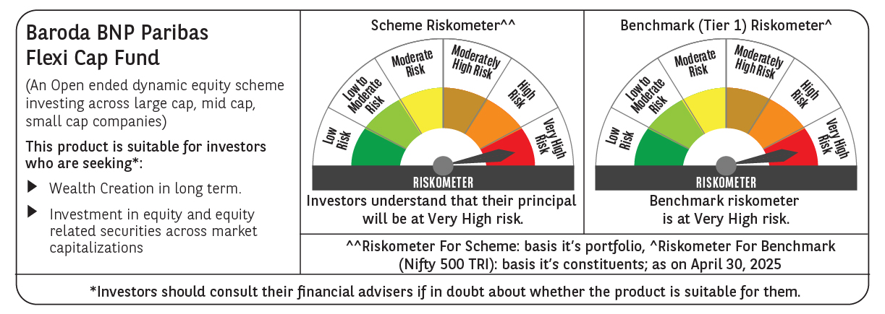
 | Baroda BNP Paribas Flexi Cap Fund

 | Monthly Portfolio Statement as on April 30, 2025
 | Name of the Instrument | ISIN | Industry | Quantity | Market/Fair Value (Rs. in Lakhs) | % to Net Assets | YTM~ | YTC^ | null
 | Equity & Equity related
 | (a) Listed / awaiting listing on Stock Exchanges
HDFB03 | HDFC Bank Limited | INE040A01034 | Banks | 475,000 | 9,143.75 | 7.45%
IBCL05 | ICICI Bank Limited | INE090A01021 | Banks | 525,000 | 7,491.75 | 6.11%
ABBP01 | Hitachi Energy India Limited | INE07Y701011 | Electrical Equipment | 30,000 | 4,358.70 | 3.55%
KAYN01 | Kaynes Technology India Limited | INE918Z01012 | Industrial Manufacturing | 70,000 | 4,023.04 | 3.28%
FEBA02 | The Federal Bank Limited | INE171A01029 | Banks | 2,000,000 | 3,933.60 | 3.21%
RIND01 | Reliance Industries Limited | INE002A01018 | Petroleum Products | 275,000 | 3,863.75 | 3.15%
INFS02 | Infosys Limited | INE009A01021 | IT - Software | 250,000 | 3,750.25 | 3.06%
BTVL02 | Bharti Airtel Limited | INE397D01024 | Telecom - Services | 200,000 | 3,729.00 | 3.04%
SHTR02 | Shriram Finance Limited | INE721A01047 | Finance | 600,000 | 3,670.20 | 2.99%
PHFP02 | PNB Housing Finance Limited | INE572E01012 | Finance | 350,000 | 3,535.70 | 2.88%
HPEC01 | Hindustan Petroleum Corporation Limited | INE094A01015 | Petroleum Products | 875,000 | 3,313.63 | 2.70%
KOMA02 | Kotak Mahindra Bank Limited | INE237A01028 | Banks | 150,000 | 3,312.15 | 2.70%
BKBA02 | Bank of Baroda | INE028A01039 | Banks | 1,200,000 | 2,999.16 | 2.44%
MAHE01 | Max Healthcare Institute Limited | INE027H01010 | Healthcare Services | 270,000 | 2,965.14 | 2.42%
PAGE01 | Page Industries Limited | INE761H01022 | Textiles & Apparels | 6,500 | 2,964.98 | 2.42%
MOTI02 | Bosch Limited | INE323A01026 | Auto Components | 10,000 | 2,945.50 | 2.40%
ALLI02 | GE Vernova T&D India Limited | INE200A01026 | Electrical Equipment | 178,494 | 2,795.39 | 2.28%
SPIL03 | Sun Pharmaceutical Industries Limited | INE044A01036 | Pharmaceuticals & Biotechnology | 150,000 | 2,748.45 | 2.24%
BOCL01 | Linde India Limited | INE473A01011 | Chemicals & Petrochemicals | 40,000 | 2,534.40 | 2.07%
IEIN01 | Info Edge (India) Limited | INE663F01024 | Retailing | 35,000 | 2,474.33 | 2.02%
AJPH03 | Ajanta Pharma Limited | INE031B01049 | Pharmaceuticals & Biotechnology | 85,000 | 2,300.19 | 1.88%
OIIL01 | Oil India Limited | INE274J01014 | Oil | 550,000 | 2,259.13 | 1.84%
BEFS01 | Mrs. Bectors Food Specialities Limited | INE495P01012 | Food Products | 150,000 | 2,235.45 | 1.82%
RAKH02 | Radico Khaitan Limited | INE944F01028 | Beverages | 85,000 | 2,087.35 | 1.70%
TCSL01 | Tata Consultancy Services Limited | INE467B01029 | IT - Software | 60,000 | 2,072.22 | 1.69%
ILOM01 | ICICI Lombard General Insurance Company Limited | INE765G01017 | Insurance | 110,000 | 2,064.15 | 1.68%
ZMPL01 | Eternal Limited | INE758T01015 | Retailing | 850,000 | 1,976.42 | 1.61%
ESMC02 | PB Fintech Limited | INE417T01026 | Financial Technology (Fintech) | 120,000 | 1,950.36 | 1.59%
IEPL01 | Indegene Limited | INE065X01017 | Healthcare Services | 352,416 | 1,930.36 | 1.57%
LARS02 | Larsen & Toubro Limited | INE018A01030 | Construction | 54,913 | 1,834.64 | 1.50%
HLEL02 | Hindustan Unilever Limited | INE030A01027 | Diversified FMCG | 70,000 | 1,639.47 | 1.34%
ADWI01 | AWL Agri Business Limited | INE699H01024 | Agricultural Food & other Products | 600,000 | 1,602.30 | 1.31%
FAGP02 | Schaeffler India Limited | INE513A01022 | Auto Components | 45,000 | 1,562.81 | 1.27%
METR01 | Metropolis Healthcare Limited | INE112L01020 | Healthcare Services | 90,000 | 1,531.35 | 1.25%
WABT01 | ZF Commercial Vehicle Control Systems India Limited | INE342J01019 | Auto Components | 12,000 | 1,503.24 | 1.23%
FSNE01 | FSN E-Commerce Ventures Limited | INE388Y01029 | Retailing | 725,000 | 1,409.18 | 1.15%
NGEL01 | NTPC Green Energy Limited | INE0ONG01011 | Power | 1,388,832 | 1,396.47 | 1.14%
AFCI01 | Afcons Infrastructure Limited | INE101I01011 | Construction | 325,000 | 1,360.61 | 1.11%
WIPR02 | Wipro Limited | INE075A01022 | IT - Software | 550,000 | 1,328.25 | 1.08%
PGCI01 | Power Grid Corporation of India Limited | INE752E01010 | Power | 400,000 | 1,229.80 | 1.00%
CEPL02 | Century Plyboards (India) Limited | INE348B01021 | Consumer Durables | 170,000 | 1,186.69 | 0.97%
GRIN02 | Grindwell Norton Limited | INE536A01023 | Industrial Products | 65,000 | 1,095.97 | 0.89%
BLUS03 | Blue Star Limited | INE472A01039 | Consumer Durables | 60,000 | 1,023.78 | 0.83%
APLI04 | Hexaware Technologies Limited | INE093A01041 | IT - Software | 140,000 | 979.30 | 0.80%
 | Sub Total |  |  |  | 116,112.36 | 94.66%
 | (b) Unlisted |  |  |  | NIL | NIL
 | Sub Total |  |  |  | NIL | NIL
 | Total |  |  |  | 116,112.36 | 94.66%
 | Reverse Repo / TREPS
TRP_020525 | Clearing Corporation of India Ltd |  |  |  | 6,131.58 | 5.00% | 5.94%
 | Sub Total |  |  |  | 6,131.58 | 5.00%
 | Total |  |  |  | 6,131.58 | 5.00%
 | Net Receivables / (Payables) |  |  |  | 429.98 | 0.34%
 | GRAND TOTAL |  |  |  | 122,673.92 | 100.00%

 | ~ YTM as on April 30, 2025
 | ^ YTC represents Yield to Call provided by valuation agencies as on April 30, 2025. It is disclosed for Perpetual Bond issued by Banks (i.e. AT-1 Bond / Tier 1 Bond / Tier 2 Bond), as per AMFI Best Practices Guidelines Circular no. 135/BP/91/2020-21 read with SEBI circular No. SEBI/HO/IMD/DF4/CIR/P/2021/034 on Valuation of AT-1 Bonds and Tier 2 Bonds.

