T0ME25
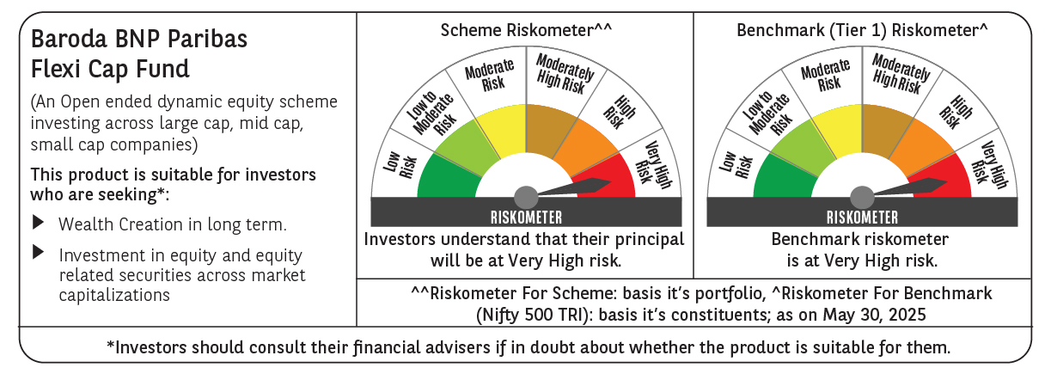
 | Baroda BNP Paribas Flexi Cap Fund

 | Monthly Portfolio Statement as on May 31, 2025
 | Name of the Instrument | ISIN | Industry | Quantity | Market/Fair Value (Rs. in Lakhs) | % to Net Assets | YTM~ | YTC^ | null
 | Equity & Equity related
 | (a) Listed / awaiting listing on Stock Exchanges
HDFB03 | HDFC Bank Limited | INE040A01034 | Banks | 475,000 | 9,238.28 | 7.25%
IBCL05 | ICICI Bank Limited | INE090A01021 | Banks | 525,000 | 7,590.45 | 5.96%
BTVL02 | Bharti Airtel Limited | INE397D01024 | Telecom - Services | 240,000 | 4,454.88 | 3.50%
ABBP01 | Hitachi Energy India Limited | INE07Y701011 | Electrical Equipment | 22,000 | 4,245.56 | 3.33%
KOMA02 | Kotak Mahindra Bank Limited | INE237A01028 | Banks | 200,000 | 4,149.40 | 3.26%
FEBA02 | The Federal Bank Limited | INE171A01029 | Banks | 2,000,000 | 4,041.20 | 3.17%
INFS02 | Infosys Limited | INE009A01021 | IT - Software | 250,000 | 3,906.75 | 3.07%
KAYN01 | Kaynes Technology India Limited | INE918Z01012 | Industrial Manufacturing | 65,000 | 3,887.00 | 3.05%
SHTR02 | Shriram Finance Limited | INE721A01047 | Finance | 600,000 | 3,836.10 | 3.01%
HPEC01 | Hindustan Petroleum Corporation Limited | INE094A01015 | Petroleum Products | 900,000 | 3,699.45 | 2.90%
RIND01 | Reliance Industries Limited | INE002A01018 | Petroleum Products | 250,000 | 3,552.25 | 2.79%
SPIL03 | Sun Pharmaceutical Industries Limited | INE044A01036 | Pharmaceuticals & Biotechnology | 200,000 | 3,355.20 | 2.63%
MOTI02 | Bosch Limited | INE323A01026 | Auto Components | 10,000 | 3,141.50 | 2.47%
ALLI02 | GE Vernova T&D India Limited | INE200A01026 | Electrical Equipment | 140,000 | 3,137.96 | 2.46%
MAHE01 | Max Healthcare Institute Limited | INE027H01010 | Healthcare Services | 270,000 | 3,038.04 | 2.38%
PAGE01 | Page Industries Limited | INE761H01022 | Textiles & Apparels | 6,500 | 3,014.70 | 2.37%
BOCL01 | Linde India Limited | INE473A01011 | Chemicals & Petrochemicals | 40,000 | 3,002.20 | 2.36%
BKBA02 | Bank of Baroda | INE028A01039 | Banks | 1,200,000 | 2,994.60 | 2.35%
OIIL01 | Oil India Limited | INE274J01014 | Oil | 625,000 | 2,667.50 | 2.09%
PHFP02 | PNB Housing Finance Limited | INE572E01012 | Finance | 250,000 | 2,612.25 | 2.05%
IEIN02 | Info Edge (India) Limited | INE663F01032 | Retailing | 175,000 | 2,498.13 | 1.96%
HLEL02 | Hindustan Unilever Limited | INE030A01027 | Diversified FMCG | 100,000 | 2,348.30 | 1.84%
ILOM01 | ICICI Lombard General Insurance Company Limited | INE765G01017 | Insurance | 125,000 | 2,344.25 | 1.84%
BEFS01 | Mrs. Bectors Food Specialities Limited | INE495P01012 | Food Products | 150,000 | 2,188.65 | 1.72%
RAKH02 | Radico Khaitan Limited | INE944F01028 | Beverages | 85,000 | 2,152.88 | 1.69%
AJPH03 | Ajanta Pharma Limited | INE031B01049 | Pharmaceuticals & Biotechnology | 85,000 | 2,134.18 | 1.67%
FAGP02 | Schaeffler India Limited | INE513A01022 | Auto Components | 50,000 | 2,094.35 | 1.64%
TCSL01 | Tata Consultancy Services Limited | INE467B01029 | IT - Software | 60,000 | 2,078.04 | 1.63%
LARS02 | Larsen & Toubro Limited | INE018A01030 | Construction | 54,913 | 2,018.11 | 1.58%
ESMC02 | PB Fintech Limited | INE417T01026 | Financial Technology (Fintech) | 112,458 | 1,981.06 | 1.55%
FSNE01 | FSN E-Commerce Ventures Limited | INE388Y01029 | Retailing | 900,000 | 1,829.34 | 1.44%
IEPL01 | Indegene Limited | INE065X01017 | Healthcare Services | 277,666 | 1,667.52 | 1.31%
ADWI01 | AWL Agri Business Limited | INE699H01024 | Agricultural Food & other Products | 600,000 | 1,650.00 | 1.29%
APLI04 | Hexaware Technologies Limited | INE093A01041 | IT - Software | 189,500 | 1,624.96 | 1.28%
WABT01 | ZF Commercial Vehicle Control Systems India Limited | INE342J01019 | Auto Components | 12,000 | 1,604.16 | 1.26%
NGEL01 | NTPC Green Energy Limited | INE0ONG01011 | Power | 1,388,832 | 1,545.21 | 1.21%
SOEL02 | Solar Industries India Limited | INE343H01029 | Chemicals & Petrochemicals | 9,000 | 1,449.36 | 1.14%
AFCI01 | Afcons Infrastructure Limited | INE101I01011 | Construction | 325,000 | 1,374.91 | 1.08%
INAV01 | InterGlobe Aviation Limited | INE646L01027 | Transport Services | 25,000 | 1,332.50 | 1.05%
METR01 | Metropolis Healthcare Limited | INE112L01020 | Healthcare Services | 79,200 | 1,330.64 | 1.04%
CEPL02 | Century Plyboards (India) Limited | INE348B01021 | Consumer Durables | 170,000 | 1,322.43 | 1.04%
PGCI01 | Power Grid Corporation of India Limited | INE752E01010 | Power | 400,000 | 1,159.00 | 0.91%
ZMPL01 | Eternal Limited | INE758T01015 | Retailing | 400,000 | 953.24 | 0.75%
BLUS03 | Blue Star Limited | INE472A01039 | Consumer Durables | 60,000 | 919.38 | 0.72%
DIVI02 | Divi's Laboratories Limited | INE361B01024 | Pharmaceuticals & Biotechnology | 12,500 | 826.50 | 0.65%
GRIN02 | Grindwell Norton Limited | INE536A01023 | Industrial Products | 7,155 | 128.55 | 0.10%
 | Sub Total |  |  |  | 122,120.92 | 95.84%
 | (b) Unlisted |  |  |  | NIL | NIL
 | Sub Total |  |  |  | NIL | NIL
 | Total |  |  |  | 122,120.92 | 95.84%
 | Reverse Repo / TREPS
TRP_020625 | Clearing Corporation of India Ltd |  |  |  | 5,433.13 | 4.26% | 5.77%
 | Sub Total |  |  |  | 5,433.13 | 4.26%
 | Total |  |  |  | 5,433.13 | 4.26%
 | Net Receivables / (Payables) |  |  |  | (113.57) | (0.10)%
 | GRAND TOTAL |  |  |  | 127,440.48 | 100.00%

 | ~ YTM as on May 31, 2025
 | ^ YTC represents Yield to Call provided by valuation agencies as on May 31, 2025. It is disclosed for Perpetual Bond issued by Banks (i.e. AT-1 Bond / Tier 1 Bond / Tier 2 Bond), as per AMFI Best Practices Guidelines Circular no. 135/BP/91/2020-21 read with SEBI circular No. SEBI/HO/IMD/DF4/CIR/P/2021/034 on Valuation of AT-1 Bonds and Tier 2 Bonds.

