T0ME25
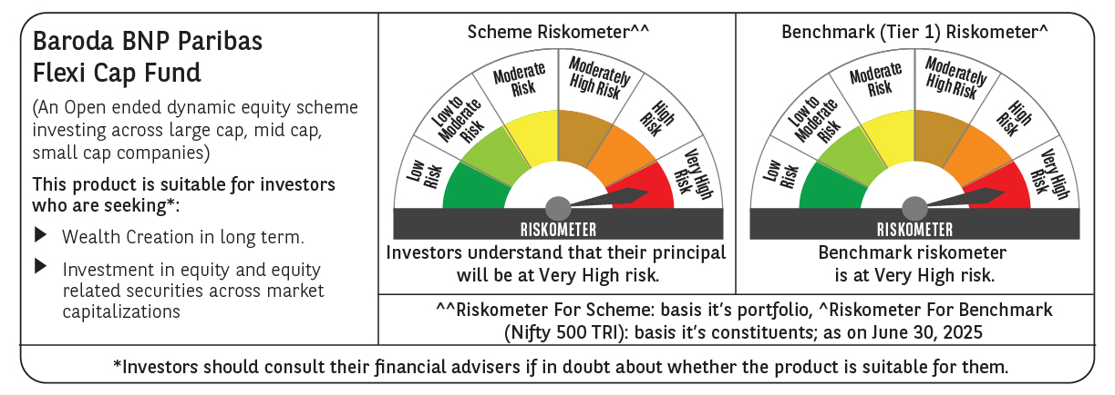
 | Baroda BNP Paribas Flexi Cap Fund

 | Monthly Portfolio Statement as on June 30, 2025
 | Name of the Instrument | ISIN | Industry | Quantity | Market/Fair Value (Rs. in Lakhs) | % to Net Assets | YTM~ | YTC^ | null
 | Equity & Equity related
 | (a) Listed / awaiting listing on Stock Exchanges
HDFB03 | HDFC Bank Limited | INE040A01034 | Banks | 475,000 | 9,507.13 | 7.26%
IBCL05 | ICICI Bank Limited | INE090A01021 | Banks | 525,000 | 7,590.45 | 5.79%
BTVL02 | Bharti Airtel Limited | INE397D01024 | Telecom - Services | 240,000 | 4,823.04 | 3.68%
ABBP01 | Hitachi Energy India Limited | INE07Y701011 | Electrical Equipment | 22,000 | 4,401.54 | 3.36%
KOMA02 | Kotak Mahindra Bank Limited | INE237A01028 | Banks | 200,000 | 4,327.00 | 3.30%
FEBA02 | The Federal Bank Limited | INE171A01029 | Banks | 2,000,000 | 4,262.40 | 3.25%
SHTR02 | Shriram Finance Limited | INE721A01047 | Finance | 600,000 | 4,241.10 | 3.24%
INFS02 | Infosys Limited | INE009A01021 | IT - Software | 250,000 | 4,004.50 | 3.06%
HPEC01 | Hindustan Petroleum Corporation Limited | INE094A01015 | Petroleum Products | 900,000 | 3,942.45 | 3.01%
RIND01 | Reliance Industries Limited | INE002A01018 | Petroleum Products | 250,000 | 3,751.50 | 2.86%
MAHE01 | Max Healthcare Institute Limited | INE027H01010 | Healthcare Services | 270,000 | 3,445.20 | 2.63%
SPIL03 | Sun Pharmaceutical Industries Limited | INE044A01036 | Pharmaceuticals & Biotechnology | 200,000 | 3,351.40 | 2.56%
ALLI02 | GE Vernova T&D India Limited | INE200A01026 | Electrical Equipment | 140,000 | 3,305.54 | 2.52%
MOTI02 | Bosch Limited | INE323A01026 | Auto Components | 10,000 | 3,268.00 | 2.49%
PAGE01 | Page Industries Limited | INE761H01022 | Textiles & Apparels | 6,500 | 3,211.65 | 2.45%
KAYN01 | Kaynes Technology India Limited | INE918Z01012 | Industrial Manufacturing | 50,000 | 3,047.50 | 2.33%
BKBA02 | Bank of Baroda | INE028A01039 | Banks | 1,200,000 | 2,985.36 | 2.28%
PHFP02 | PNB Housing Finance Limited | INE572E01012 | Finance | 250,000 | 2,773.50 | 2.12%
OIIL01 | Oil India Limited | INE274J01014 | Oil | 625,000 | 2,714.06 | 2.07%
IEIN02 | Info Edge (India) Limited | INE663F01032 | Retailing | 175,000 | 2,604.53 | 1.99%
ILOM01 | ICICI Lombard General Insurance Company Limited | INE765G01017 | Insurance | 125,000 | 2,550.25 | 1.95%
BOCL01 | Linde India Limited | INE473A01011 | Chemicals & Petrochemicals | 37,500 | 2,495.81 | 1.90%
DIVI02 | Divi's Laboratories Limited | INE361B01024 | Pharmaceuticals & Biotechnology | 35,000 | 2,383.33 | 1.82%
INAV01 | InterGlobe Aviation Limited | INE646L01027 | Transport Services | 37,500 | 2,241.19 | 1.71%
RAKH02 | Radico Khaitan Limited | INE944F01028 | Beverages | 85,000 | 2,224.62 | 1.70%
AJPH03 | Ajanta Pharma Limited | INE031B01049 | Pharmaceuticals & Biotechnology | 85,000 | 2,187.99 | 1.67%
ESMC02 | PB Fintech Limited | INE417T01026 | Financial Technology (Fintech) | 112,458 | 2,051.12 | 1.57%
BEFS01 | Mrs. Bectors Food Specialities Limited | INE495P01012 | Food Products | 150,000 | 2,049.90 | 1.56%
FAGP02 | Schaeffler India Limited | INE513A01022 | Auto Components | 50,000 | 2,023.65 | 1.54%
LARS02 | Larsen & Toubro Limited | INE018A01030 | Construction | 54,913 | 2,015.20 | 1.54%
FSNE01 | FSN E-Commerce Ventures Limited | INE388Y01029 | Retailing | 900,000 | 1,875.51 | 1.43%
TEMA02 | Tech Mahindra Limited | INE669C01036 | IT - Software | 110,000 | 1,855.70 | 1.42%
VMML01 | Vishal Mega Mart Limited | INE01EA01019 | Retailing | 1,283,334 | 1,719.41 | 1.31%
BINL01 | Indus Towers Limited | INE121J01017 | Telecom - Services | 400,000 | 1,684.40 | 1.29%
BLUS03 | Blue Star Limited | INE472A01039 | Consumer Durables | 100,000 | 1,635.60 | 1.25%
APLI04 | Hexaware Technologies Limited | INE093A01041 | IT - Software | 189,500 | 1,611.79 | 1.23%
WABT01 | ZF Commercial Vehicle Control Systems India Limited | INE342J01019 | Auto Components | 12,000 | 1,607.04 | 1.23%
NGEL01 | NTPC Green Energy Limited | INE0ONG01011 | Power | 1,388,832 | 1,453.97 | 1.11%
TCSL01 | Tata Consultancy Services Limited | INE467B01029 | IT - Software | 40,000 | 1,384.80 | 1.06%
METR01 | Metropolis Healthcare Limited | INE112L01020 | Healthcare Services | 79,200 | 1,351.31 | 1.03%
CEPL02 | Century Plyboards (India) Limited | INE348B01021 | Consumer Durables | 170,000 | 1,292.00 | 0.99%
IEPL01 | Indegene Limited | INE065X01017 | Healthcare Services | 170,000 | 976.91 | 0.75%
SOEL02 | Solar Industries India Limited | INE343H01029 | Chemicals & Petrochemicals | 5,500 | 967.89 | 0.74%
AVSP01 | Avenue Supermarts Limited | INE192R01011 | Retailing | 20,000 | 874.46 | 0.67%
KAVY06 | Karur Vysya Bank Limited | INE036D01028 | Banks | 300,000 | 802.62 | 0.61%
PSYL02 | Persistent Systems Limited | INE262H01021 | IT - Software | 10,000 | 604.15 | 0.46%
 | Sub Total |  |  |  | 125,478.47 | 95.79%
 | (b) Unlisted |  |  |  | NIL | NIL
 | Sub Total |  |  |  | NIL | NIL
 | Total |  |  |  | 125,478.47 | 95.79%
 | Reverse Repo / TREPS
TRP_010725 | Clearing Corporation of India Ltd |  |  |  | 5,482.25 | 4.18% | 5.47%
 | Sub Total |  |  |  | 5,482.25 | 4.18%
 | Total |  |  |  | 5,482.25 | 4.18%
 | Net Receivables / (Payables) |  |  |  | 61.65 | 0.03%
 | GRAND TOTAL |  |  |  | 131,022.37 | 100.00%

 | ~ YTM as on June 30, 2025
 | ^ YTC represents Yield to Call provided by valuation agencies as on June 30, 2025. It is disclosed for Perpetual Bond issued by Banks (i.e. AT-1 Bond / Tier 1 Bond / Tier 2 Bond), as per AMFI Best Practices Guidelines Circular no. 135/BP/91/2020-21 read with SEBI circular No. SEBI/HO/IMD/DF4/CIR/P/2021/034 on Valuation of AT-1 Bonds and Tier 2 Bonds.

