T0ME25
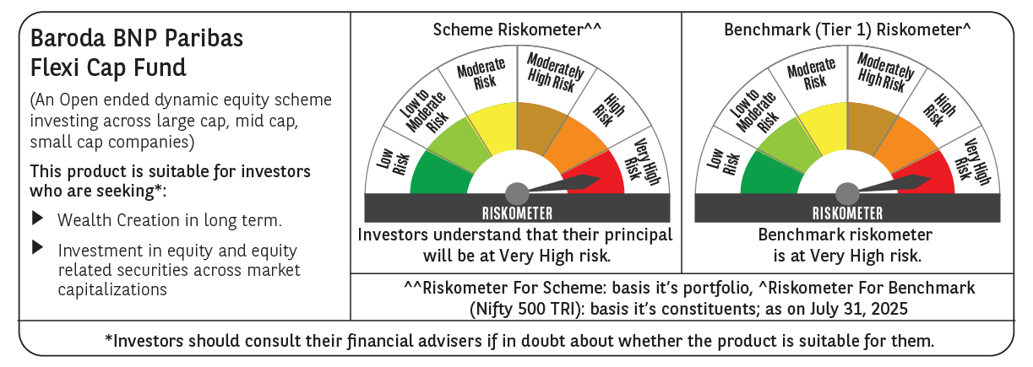
 | Baroda BNP Paribas Flexi Cap Fund

 | Monthly Portfolio Statement as on July 31, 2025
 | Name of the Instrument | ISIN | Industry | Quantity | Market/Fair Value (Rs. in Lakhs) | % to Net Assets | YTM~ | YTC^ | null
 | Equity & Equity related
 | (a) Listed / awaiting listing on Stock Exchanges
HDFB03 | HDFC Bank Limited | INE040A01034 | Banks | 475,000 | 9,586.45 | 7.42%
IBCL05 | ICICI Bank Limited | INE090A01021 | Banks | 525,000 | 7,777.35 | 6.02%
BTVL02 | Bharti Airtel Limited | INE397D01024 | Telecom - Services | 240,000 | 4,594.32 | 3.56%
ABBP01 | Hitachi Energy India Limited | INE07Y701011 | Electrical Equipment | 22,000 | 4,420.90 | 3.42%
FEBA02 | The Federal Bank Limited | INE171A01029 | Banks | 2,000,000 | 4,048.60 | 3.14%
MOTI02 | Bosch Limited | INE323A01026 | Auto Components | 10,000 | 4,038.50 | 3.13%
KOMA02 | Kotak Mahindra Bank Limited | INE237A01028 | Banks | 200,000 | 3,957.20 | 3.06%
ALLI02 | GE Vernova T&D India Limited | INE200A01026 | Electrical Equipment | 140,000 | 3,817.52 | 2.96%
SHTR02 | Shriram Finance Limited | INE721A01047 | Finance | 600,000 | 3,785.10 | 2.93%
INFS02 | Infosys Limited | INE009A01021 | IT - Software | 250,000 | 3,772.50 | 2.92%
HPEC01 | Hindustan Petroleum Corporation Limited | INE094A01015 | Petroleum Products | 900,000 | 3,766.05 | 2.92%
RIND01 | Reliance Industries Limited | INE002A01018 | Petroleum Products | 250,000 | 3,475.50 | 2.69%
SPIL03 | Sun Pharmaceutical Industries Limited | INE044A01036 | Pharmaceuticals & Biotechnology | 200,000 | 3,413.40 | 2.64%
MAHE01 | Max Healthcare Institute Limited | INE027H01010 | Healthcare Services | 270,000 | 3,364.20 | 2.61%
PAGE01 | Page Industries Limited | INE761H01022 | Textiles & Apparels | 6,500 | 3,172.33 | 2.46%
KAYN01 | Kaynes Technology India Limited | INE918Z01012 | Industrial Manufacturing | 50,000 | 3,086.00 | 2.39%
BKBA02 | Bank of Baroda | INE028A01039 | Banks | 1,200,000 | 2,854.44 | 2.21%
PHFP02 | PNB Housing Finance Limited | INE572E01012 | Finance | 250,000 | 2,465.50 | 1.91%
BOCL01 | Linde India Limited | INE473A01011 | Chemicals & Petrochemicals | 37,500 | 2,465.06 | 1.91%
IEIN02 | Info Edge (India) Limited | INE663F01032 | Retailing | 175,000 | 2,436.53 | 1.89%
ILOM01 | ICICI Lombard General Insurance Company Limited | INE765G01017 | Insurance | 125,000 | 2,408.75 | 1.87%
INAV01 | InterGlobe Aviation Limited | INE646L01027 | Transport Services | 40,000 | 2,364.20 | 1.83%
AJPH03 | Ajanta Pharma Limited | INE031B01049 | Pharmaceuticals & Biotechnology | 85,000 | 2,338.69 | 1.81%
RAKH02 | Radico Khaitan Limited | INE944F01028 | Beverages | 85,000 | 2,324.33 | 1.80%
DIVI02 | Divi's Laboratories Limited | INE361B01024 | Pharmaceuticals & Biotechnology | 35,000 | 2,308.43 | 1.79%
BEFS01 | Mrs. Bectors Food Specialities Limited | INE495P01012 | Food Products | 150,000 | 2,266.95 | 1.76%
FAGP02 | Schaeffler India Limited | INE513A01022 | Auto Components | 50,000 | 2,060.85 | 1.60%
ESMC02 | PB Fintech Limited | INE417T01026 | Financial Technology (Fintech) | 112,458 | 2,037.85 | 1.58%
LARS02 | Larsen & Toubro Limited | INE018A01030 | Construction | 54,913 | 1,996.91 | 1.55%
FSNE01 | FSN E-Commerce Ventures Limited | INE388Y01029 | Retailing | 900,000 | 1,886.58 | 1.46%
VMML01 | Vishal Mega Mart Limited | INE01EA01019 | Retailing | 1,283,334 | 1,790.76 | 1.39%
OIIL01 | Oil India Limited | INE274J01014 | Oil | 400,000 | 1,760.00 | 1.36%
BLUS03 | Blue Star Limited | INE472A01039 | Consumer Durables | 100,000 | 1,738.10 | 1.35%
TEMA02 | Tech Mahindra Limited | INE669C01036 | IT - Software | 110,000 | 1,610.07 | 1.25%
WABT01 | ZF Commercial Vehicle Control Systems India Limited | INE342J01019 | Auto Components | 12,000 | 1,582.32 | 1.23%
METR01 | Metropolis Healthcare Limited | INE112L01020 | Healthcare Services | 79,200 | 1,580.28 | 1.22%
KAVY06 | Karur Vysya Bank Limited | INE036D01028 | Banks | 592,111 | 1,560.80 | 1.21%
BINL01 | Indus Towers Limited | INE121J01017 | Telecom - Services | 400,000 | 1,452.00 | 1.12%
NGEL01 | NTPC Green Energy Limited | INE0ONG01011 | Power | 1,388,832 | 1,448.14 | 1.12%
SOEL02 | Solar Industries India Limited | INE343H01029 | Chemicals & Petrochemicals | 10,000 | 1,422.00 | 1.10%
APLI04 | Hexaware Technologies Limited | INE093A01041 | IT - Software | 189,500 | 1,334.08 | 1.03%
AVSP01 | Avenue Supermarts Limited | INE192R01011 | Retailing | 30,000 | 1,280.22 | 0.99%
CEPL02 | Century Plyboards (India) Limited | INE348B01021 | Consumer Durables | 170,000 | 1,243.55 | 0.96%
TCSL01 | Tata Consultancy Services Limited | INE467B01029 | IT - Software | 40,000 | 1,214.72 | 0.94%
PSYL02 | Persistent Systems Limited | INE262H01021 | IT - Software | 10,000 | 516.05 | 0.40%
IEPL01 | Indegene Limited | INE065X01017 | Healthcare Services | 94,301 | 512.05 | 0.40%
 | Sub Total |  |  |  | 124,336.13 | 96.31%
 | (b) Unlisted |  |  |  | NIL | NIL
 | Sub Total |  |  |  | NIL | NIL
 | Total |  |  |  | 124,336.13 | 96.31%
 | Reverse Repo / TREPS
TRP_010825 | Clearing Corporation of India Ltd |  |  |  | 5,236.57 | 4.06% | 5.42%
 | Sub Total |  |  |  | 5,236.57 | 4.06%
 | Total |  |  |  | 5,236.57 | 4.06%
 | Net Receivables / (Payables) |  |  |  | (451.96) | (0.37)%
 | GRAND TOTAL |  |  |  | 129,120.74 | 100.00%

 | ~ YTM as on July 31, 2025
 | ^ YTC represents Yield to Call provided by valuation agencies as on July 31, 2025. It is disclosed for Perpetual Bond issued by Banks (i.e. AT-1 Bond / Tier 1 Bond / Tier 2 Bond), as per AMFI Best Practices Guidelines Circular no. 135/BP/91/2020-21 read with SEBI circular No. SEBI/HO/IMD/DF4/CIR/P/2021/034 on Valuation of AT-1 Bonds and Tier 2 Bonds.

