T0ME25
 | Baroda BNP Paribas Flexi Cap Fund

 | Monthly Portfolio Statement as on August 31, 2025
 | Name of the Instrument | ISIN | Industry | Quantity | Market/Fair Value (Rs. in Lakhs) | % to Net Assets | YTM~ | YTC^ | null
 | Equity & Equity related
 | (a) Listed / awaiting listing on Stock Exchanges
HDFB03 | HDFC Bank Limited | INE040A01034 | Banks | 950,000 | 9,040.20 | 7.25%
IBCL05 | ICICI Bank Limited | INE090A01021 | Banks | 550,000 | 7,687.90 | 6.17%
BTVL02 | Bharti Airtel Limited | INE397D01024 | Telecom - Services | 240,000 | 4,533.12 | 3.64%
ABBP01 | Hitachi Energy India Limited | INE07Y701011 | Electrical Equipment | 22,000 | 4,204.20 | 3.37%
RIND01 | Reliance Industries Limited | INE002A01018 | Petroleum Products | 300,000 | 4,071.60 | 3.27%
KOMA02 | Kotak Mahindra Bank Limited | INE237A01028 | Banks | 200,000 | 3,920.60 | 3.15%
FEBA02 | The Federal Bank Limited | INE171A01029 | Banks | 2,000,000 | 3,834.20 | 3.08%
INFS02 | Infosys Limited | INE009A01021 | IT - Software | 250,000 | 3,674.00 | 2.95%
SHTR02 | Shriram Finance Limited | INE721A01047 | Finance | 600,000 | 3,481.50 | 2.79%
HPEC01 | Hindustan Petroleum Corporation Limited | INE094A01015 | Petroleum Products | 900,000 | 3,383.10 | 2.71%
LARS02 | Larsen & Toubro Limited | INE018A01030 | Construction | 90,000 | 3,240.90 | 2.60%
MOTI02 | Bosch Limited | INE323A01026 | Auto Components | 8,000 | 3,196.80 | 2.57%
SPIL03 | Sun Pharmaceutical Industries Limited | INE044A01036 | Pharmaceuticals & Biotechnology | 200,000 | 3,189.00 | 2.56%
MAHE01 | Max Healthcare Institute Limited | INE027H01010 | Healthcare Services | 270,000 | 3,116.61 | 2.50%
PAGE01 | Page Industries Limited | INE761H01022 | Textiles & Apparels | 6,500 | 2,881.78 | 2.31%
ALLI02 | GE Vernova T&D India Limited | INE200A01026 | Electrical Equipment | 100,000 | 2,779.20 | 2.23%
ILOM01 | ICICI Lombard General Insurance Company Limited | INE765G01017 | Insurance | 150,000 | 2,759.40 | 2.21%
KAYN01 | Kaynes Technology India Limited | INE918Z01012 | Industrial Manufacturing | 45,000 | 2,755.35 | 2.21%
DIVI02 | Divi's Laboratories Limited | INE361B01024 | Pharmaceuticals & Biotechnology | 40,000 | 2,452.60 | 1.97%
RAKH02 | Radico Khaitan Limited | INE944F01028 | Beverages | 85,000 | 2,424.63 | 1.95%
TEMA02 | Tech Mahindra Limited | INE669C01036 | IT - Software | 160,000 | 2,370.24 | 1.90%
BOCL01 | Linde India Limited | INE473A01011 | Chemicals & Petrochemicals | 36,000 | 2,296.26 | 1.84%
INAV01 | InterGlobe Aviation Limited | INE646L01027 | Transport Services | 40,000 | 2,258.40 | 1.81%
AJPH03 | Ajanta Pharma Limited | INE031B01049 | Pharmaceuticals & Biotechnology | 85,000 | 2,105.96 | 1.69%
FSNE01 | FSN E-Commerce Ventures Limited | INE388Y01029 | Retailing | 900,000 | 2,071.35 | 1.66%
BEFS01 | Mrs. Bectors Food Specialities Limited | INE495P01012 | Food Products | 150,000 | 2,069.85 | 1.66%
SOEL02 | Solar Industries India Limited | INE343H01029 | Chemicals & Petrochemicals | 15,000 | 2,069.25 | 1.66%
ZMPL01 | Eternal Limited | INE758T01015 | Retailing | 650,000 | 2,040.68 | 1.64%
ESMC02 | PB Fintech Limited | INE417T01026 | Financial Technology (Fintech) | 112,458 | 1,991.41 | 1.60%
FAGP02 | Schaeffler India Limited | INE513A01022 | Auto Components | 50,000 | 1,933.70 | 1.55%
VMML01 | Vishal Mega Mart Limited | INE01EA01019 | Retailing | 1,283,334 | 1,917.43 | 1.54%
BLUS03 | Blue Star Limited | INE472A01039 | Consumer Durables | 100,000 | 1,881.70 | 1.51%
KAVY06 | Karur Vysya Bank Limited | INE036D01028 | Banks | 840,000 | 1,798.02 | 1.44%
METR01 | Metropolis Healthcare Limited | INE112L01020 | Healthcare Services | 79,200 | 1,733.29 | 1.39%
WABT01 | ZF Commercial Vehicle Control Systems India Limited | INE342J01019 | Auto Components | 12,000 | 1,689.00 | 1.36%
PSYL02 | Persistent Systems Limited | INE262H01021 | IT - Software | 30,000 | 1,591.65 | 1.28%
BINL01 | Indus Towers Limited | INE121J01017 | Telecom - Services | 470,000 | 1,591.42 | 1.28%
ONCO02 | One 97 Communications Limited | INE982J01020 | Financial Technology (Fintech) | 125,000 | 1,508.75 | 1.21%
AVSP01 | Avenue Supermarts Limited | INE192R01011 | Retailing | 31,485 | 1,497.30 | 1.20%
CEPL02 | Century Plyboards (India) Limited | INE348B01021 | Consumer Durables | 170,000 | 1,268.88 | 1.02%
TCSL01 | Tata Consultancy Services Limited | INE467B01029 | IT - Software | 40,000 | 1,233.88 | 0.99%
INBK01 | Indian Bank | INE562A01011 | Banks | 175,000 | 1,142.93 | 0.92%
APLI04 | Hexaware Technologies Limited | INE093A01041 | IT - Software | 140,000 | 1,060.85 | 0.85%
IEIN02 | Info Edge (India) Limited | INE663F01032 | Retailing | 28,482 | 386.81 | 0.31%
PHFP02 | PNB Housing Finance Limited | INE572E01012 | Finance | 50,000 | 376.80 | 0.30%
 | Sub Total |  |  |  | 118,512.50 | 95.10%
 | (b) Unlisted |  |  |  | NIL | NIL
 | Sub Total |  |  |  | NIL | NIL
 | Total |  |  |  | 118,512.50 | 95.10%
 | Reverse Repo / TREPS
TRP_010925 | Clearing Corporation of India Ltd |  |  |  | 6,292.06 | 5.05% | 5.39%
 | Sub Total |  |  |  | 6,292.06 | 5.05%
 | Total |  |  |  | 6,292.06 | 5.05%
 | Net Receivables / (Payables) |  |  |  | (180.37) | (0.15)%
 | GRAND TOTAL |  |  |  | 124,624.19 | 100.00%

 | ~ YTM as on August 31, 2025
 | ^ YTC represents Yield to Call provided by valuation agencies as on August 31, 2025. It is disclosed for Perpetual Bond issued by Banks (i.e. AT-1 Bond / Tier 1 Bond / Tier 2 Bond), as per AMFI Best Practices Guidelines Circular no. 135/BP/91/2020-21 read with SEBI circular No. SEBI/HO/IMD/DF4/CIR/P/2021/034 on Valuation of AT-1 Bonds and Tier 2 Bonds.

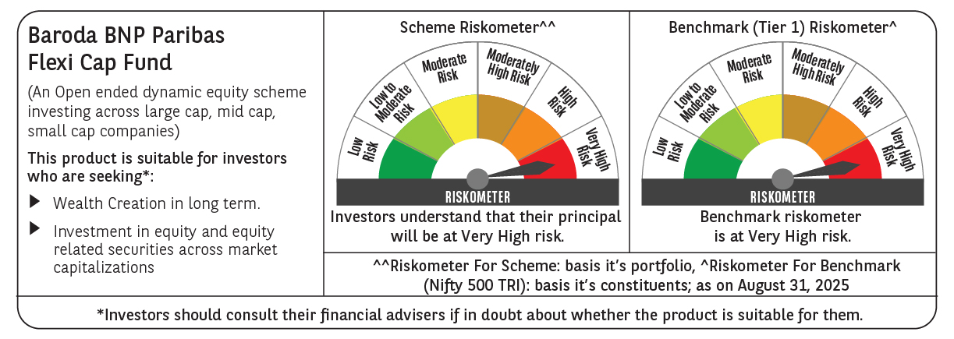

 | Monthly Performance Link: https://www.barodabnpparibasmf.in/assets/download_documents/Performance_of_Schemes_14126.pdf

