Monthly Portfolio
 | Baroda BNP Paribas Flexi Cap Fund

 | Monthly Portfolio Statement as on September 30, 2025
 | Name of the Instrument | ISIN | Industry / Rating | Quantity | Market/Fair Value (Rs. in Lakhs) | % to Net Assets | YTM~ | YTC^ | null
 | Equity & Equity related
 | (a) Listed / awaiting listing on Stock Exchanges
HDFB03 | HDFC Bank Limited | INE040A01034 | Banks | 950,000 | 9,034.50 | 7.34%
IBCL05 | ICICI Bank Limited | INE090A01021 | Banks | 550,000 | 7,414.00 | 6.03%
BTVL02 | Bharti Airtel Limited | INE397D01024 | Telecom - Services | 240,000 | 4,508.16 | 3.66%
RIND01 | Reliance Industries Limited | INE002A01018 | Petroleum Products | 300,000 | 4,092.00 | 3.33%
HPEC01 | Hindustan Petroleum Corporation Limited | INE094A01015 | Petroleum Products | 900,000 | 3,990.60 | 3.24%
FEBA02 | The Federal Bank Limited | INE171A01029 | Banks | 2,000,000 | 3,858.60 | 3.14%
SHTR02 | Shriram Finance Limited | INE721A01047 | Finance | 600,000 | 3,696.60 | 3.00%
INFS02 | Infosys Limited | INE009A01021 | IT - Software | 250,000 | 3,604.50 | 2.93%
LARS02 | Larsen & Toubro Limited | INE018A01030 | Construction | 90,000 | 3,293.10 | 2.68%
ABBP01 | Hitachi Energy India Limited | INE07Y701011 | Electrical Equipment | 18,000 | 3,240.18 | 2.63%
KAYN01 | Kaynes Technology India Limited | INE918Z01012 | Industrial Manufacturing | 45,000 | 3,173.40 | 2.58%
MAHE01 | Max Healthcare Institute Limited | INE027H01010 | Healthcare Services | 270,000 | 3,009.69 | 2.45%
INBK01 | Indian Bank | INE562A01011 | Banks | 400,000 | 3,002.80 | 2.44%
ILOM01 | ICICI Lombard General Insurance Company Limited | INE765G01017 | Insurance | 150,000 | 2,834.70 | 2.30%
ALLI02 | GE Vernova T&D India Limited | INE200A01026 | Electrical Equipment | 88,143 | 2,609.47 | 2.12%
DIVI02 | Divi's Laboratories Limited | INE361B01024 | Pharmaceuticals & Biotechnology | 45,000 | 2,560.28 | 2.08%
ONCO02 | One 97 Communications Limited | INE982J01020 | Financial Technology (Fintech) | 225,000 | 2,528.55 | 2.05%
VMML01 | Vishal Mega Mart Limited | INE01EA01019 | Retailing | 1,650,000 | 2,458.67 | 2.00%
RAKH02 | Radico Khaitan Limited | INE944F01028 | Beverages | 85,000 | 2,454.72 | 1.99%
ULCC01 | UltraTech Cement Limited | INE481G01011 | Cement & Cement Products | 20,000 | 2,444.40 | 1.99%
SOEL02 | Solar Industries India Limited | INE343H01029 | Chemicals & Petrochemicals | 17,500 | 2,332.05 | 1.90%
BOCL01 | Linde India Limited | INE473A01011 | Chemicals & Petrochemicals | 36,000 | 2,248.38 | 1.83%
TEMA02 | Tech Mahindra Limited | INE669C01036 | IT - Software | 160,000 | 2,240.48 | 1.82%
AVSP01 | Avenue Supermarts Limited | INE192R01011 | Retailing | 47,500 | 2,125.82 | 1.73%
ZMPL01 | Eternal Limited | INE758T01015 | Retailing | 650,000 | 2,115.75 | 1.72%
FAGP02 | Schaeffler India Limited | INE513A01022 | Auto Components | 50,000 | 2,104.40 | 1.71%
FSNE01 | FSN E-Commerce Ventures Limited | INE388Y01029 | Retailing | 900,000 | 2,091.42 | 1.70%
AJPH03 | Ajanta Pharma Limited | INE031B01049 | Pharmaceuticals & Biotechnology | 85,000 | 2,045.36 | 1.66%
ESMC02 | PB Fintech Limited | INE417T01026 | Financial Technology (Fintech) | 112,458 | 1,914.04 | 1.56%
SPIL03 | Sun Pharmaceutical Industries Limited | INE044A01036 | Pharmaceuticals & Biotechnology | 120,000 | 1,913.16 | 1.55%
KAVY06 | Karur Vysya Bank Limited | INE036D01028 | Banks | 900,000 | 1,898.19 | 1.54%
BLUS03 | Blue Star Limited | INE472A01039 | Consumer Durables | 90,000 | 1,692.90 | 1.38%
INAV01 | InterGlobe Aviation Limited | INE646L01027 | Transport Services | 30,000 | 1,678.35 | 1.36%
BINL01 | Indus Towers Limited | INE121J01017 | Telecom - Services | 470,000 | 1,611.63 | 1.31%
HYUN01 | Hyundai Motor India Ltd | INE0V6F01027 | Automobiles | 60,000 | 1,550.64 | 1.26%
PSYL02 | Persistent Systems Limited | INE262H01021 | IT - Software | 30,000 | 1,446.75 | 1.18%
PAGE01 | Page Industries Limited | INE761H01022 | Textiles & Apparels | 3,500 | 1,423.98 | 1.16%
KOMA02 | Kotak Mahindra Bank Limited | INE237A01028 | Banks | 70,000 | 1,394.89 | 1.13%
CEPL02 | Century Plyboards (India) Limited | INE348B01021 | Consumer Durables | 170,000 | 1,382.27 | 1.12%
WABT01 | ZF Commercial Vehicle Control Systems India Limited | INE342J01019 | Auto Components | 10,500 | 1,355.03 | 1.10%
MOTI02 | Bosch Limited | INE323A01026 | Auto Components | 3,500 | 1,335.08 | 1.09%
JSPL03 | Jindal Steel Limited | INE749A01030 | Ferrous Metals | 125,000 | 1,329.69 | 1.08%
METR01 | Metropolis Healthcare Limited | INE112L01020 | Healthcare Services | 65,000 | 1,323.40 | 1.08%
EIML02 | Eicher Motors Limited | INE066A01021 | Automobiles | 15,000 | 1,050.83 | 0.85%
BEFS01 | Mrs. Bectors Food Specialities Limited | INE495P01012 | Food Products | 81,984 | 1,031.11 | 0.84%
APLI04 | Hexaware Technologies Limited | INE093A01041 | IT - Software | 130,000 | 871.65 | 0.71%
MAHI02 | Mahindra & Mahindra Limited | INE101A01026 | Automobiles | 15,000 | 514.05 | 0.42%
 | Sub Total |  |  |  | 117,830.22 | 95.77%
 | (b) Unlisted |  |  |  | NIL | NIL
 | Sub Total |  |  |  | NIL | NIL
 | Total |  |  |  | 117,830.22 | 95.77%
 | Money Market Instruments
 | Treasury Bill
TBIL2490 | 364 Days Tbill (MD 26/03/2026) | IN002024Z503 | Sovereign | 900,000 | 876.69 | 0.71% | 5.51%
 | Sub Total |  |  |  | 876.69 | 0.71%
 | Total |  |  |  | 876.69 | 0.71%
 | Reverse Repo / TREPS
TRP_011025 | Clearing Corporation of India Ltd |  |  |  | 6,698.00 | 5.44% | 5.53%
 | Sub Total |  |  |  | 6,698.00 | 5.44%
 | Total |  |  |  | 6,698.00 | 5.44%
 | Net Receivables / (Payables) |  |  |  | (2,357.30) | (1.92)%
 | GRAND TOTAL |  |  |  | 123,047.61 | 100.00%

 | ~ YTM as on September 30, 2025
 | ^ YTC represents Yield to Call provided by valuation agencies as on September 30, 2025. It is disclosed for Perpetual Bond issued by Banks (i.e. AT-1 Bond / Tier 1 Bond / Tier 2 Bond), as per AMFI Best Practices Guidelines Circular no. 135/BP/91/2020-21 read with SEBI circular No. SEBI/HO/IMD/DF4/CIR/P/2021/034 on Valuation of AT-1 Bonds and Tier 2 Bonds.

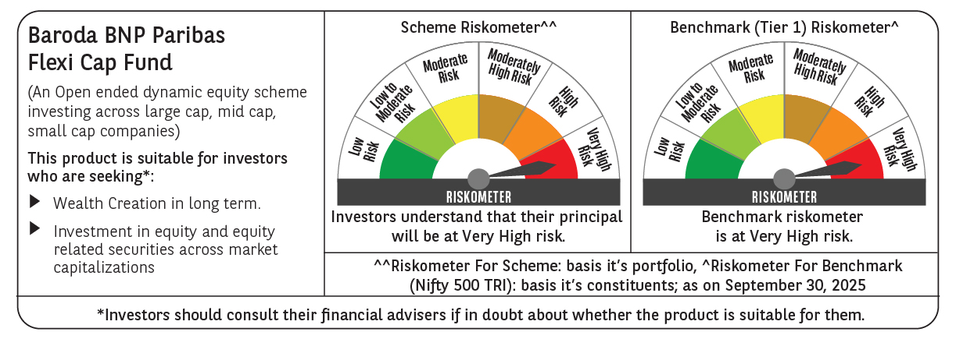

 | Monthly Performance Link: https://www.barodabnpparibasmf.in/assets/download_documents/Performance_of_Schemes_September_14618.pdf

