T0ME25
 | Baroda BNP Paribas Flexi Cap Fund

 | Monthly Portfolio Statement as on October 31, 2025
 | Name of the Instrument | ISIN | Industry / Rating | Quantity | Market/Fair Value (Rs. in Lakhs) | % to Net Assets | YTM~ | YTC^ | null
 | Equity & Equity related
 | (a) Listed / awaiting listing on Stock Exchanges
HDFB03 | HDFC Bank Limited | INE040A01034 | Banks | 950,000 | 9,379.35 | 7.33%
IBCL05 | ICICI Bank Limited | INE090A01021 | Banks | 550,000 | 7,399.15 | 5.78%
BTVL02 | Bharti Airtel Limited | INE397D01024 | Telecom - Services | 225,000 | 4,622.63 | 3.61%
HPEC01 | Hindustan Petroleum Corporation Limited | INE094A01015 | Petroleum Products | 875,000 | 4,165.00 | 3.26%
FEBA02 | The Federal Bank Limited | INE171A01029 | Banks | 1,650,000 | 3,904.07 | 3.05%
RIND01 | Reliance Industries Limited | INE002A01018 | Petroleum Products | 250,000 | 3,716.00 | 2.90%
INFS02 | Infosys Limited | INE009A01021 | IT - Software | 250,000 | 3,705.75 | 2.90%
LARS02 | Larsen & Toubro Limited | INE018A01030 | Construction | 90,000 | 3,627.81 | 2.84%
INBK01 | Indian Bank | INE562A01011 | Banks | 400,000 | 3,434.80 | 2.68%
ONCO02 | One 97 Communications Limited | INE982J01020 | Financial Technology (Fintech) | 250,000 | 3,258.00 | 2.55%
ABBP01 | Hitachi Energy India Limited | INE07Y701011 | Electrical Equipment | 18,000 | 3,200.04 | 2.50%
MAHE01 | Max Healthcare Institute Limited | INE027H01010 | Healthcare Services | 270,000 | 3,099.06 | 2.42%
KAYN01 | Kaynes Technology India Limited | INE918Z01012 | Industrial Manufacturing | 45,000 | 3,017.03 | 2.36%
SHTR02 | Shriram Finance Limited | INE721A01047 | Finance | 400,000 | 2,995.60 | 2.34%
MAHI02 | Mahindra & Mahindra Limited | INE101A01026 | Automobiles | 80,000 | 2,789.76 | 2.18%
HYUN01 | Hyundai Motor India Ltd | INE0V6F01027 | Automobiles | 110,000 | 2,682.57 | 2.10%
JSPL03 | Jindal Steel Limited | INE749A01030 | Ferrous Metals | 250,000 | 2,667.00 | 2.08%
RAKH02 | Radico Khaitan Limited | INE944F01028 | Beverages | 85,000 | 2,661.78 | 2.08%
FSNE01 | FSN E-Commerce Ventures Limited | INE388Y01029 | Retailing | 1,050,000 | 2,603.37 | 2.04%
ILOM01 | ICICI Lombard General Insurance Company Limited | INE765G01017 | Insurance | 130,000 | 2,591.81 | 2.03%
DIVI02 | Divi's Laboratories Limited | INE361B01024 | Pharmaceuticals & Biotechnology | 36,900 | 2,486.32 | 1.94%
SOEL02 | Solar Industries India Limited | INE343H01029 | Chemicals & Petrochemicals | 17,500 | 2,428.65 | 1.90%
ULCC01 | UltraTech Cement Limited | INE481G01011 | Cement & Cement Products | 20,000 | 2,389.40 | 1.87%
VMML01 | Vishal Mega Mart Limited | INE01EA01019 | Retailing | 1,650,000 | 2,387.39 | 1.87%
TEMA02 | Tech Mahindra Limited | INE669C01036 | IT - Software | 160,000 | 2,279.04 | 1.78%
BHAH02 | Bharat Heavy Electricals Limited | INE257A01026 | Electrical Equipment | 850,000 | 2,256.67 | 1.76%
KAVY06 | Karur Vysya Bank Limited | INE036D01028 | Banks | 900,000 | 2,188.35 | 1.71%
AJPH03 | Ajanta Pharma Limited | INE031B01049 | Pharmaceuticals & Biotechnology | 85,000 | 2,095.51 | 1.64%
ZMPL01 | Eternal Limited | INE758T01015 | Retailing | 650,000 | 2,065.38 | 1.61%
BOCL01 | Linde India Limited | INE473A01011 | Chemicals & Petrochemicals | 34,000 | 2,044.59 | 1.60%
FAGP02 | Schaeffler India Limited | INE513A01022 | Auto Components | 50,000 | 2,010.70 | 1.57%
ALLI02 | GE Vernova T&D India Limited | INE200A01026 | Electrical Equipment | 65,752 | 1,997.15 | 1.56%
AVSP01 | Avenue Supermarts Limited | INE192R01011 | Retailing | 47,500 | 1,972.91 | 1.54%
PSYL02 | Persistent Systems Limited | INE262H01021 | IT - Software | 30,000 | 1,774.98 | 1.39%
BLUS03 | Blue Star Limited | INE472A01039 | Consumer Durables | 90,000 | 1,743.66 | 1.36%
SPIL03 | Sun Pharmaceutical Industries Limited | INE044A01036 | Pharmaceuticals & Biotechnology | 100,000 | 1,690.70 | 1.32%
METR01 | Metropolis Healthcare Limited | INE112L01020 | Healthcare Services | 84,628 | 1,667.51 | 1.30%
LGEL01 | LG Electronics India Ltd | INE324D01010 | Consumer Durables | 90,129 | 1,499.39 | 1.17%
MALE02 | Poonawalla Fincorp Limited | INE511C01022 | Finance | 300,000 | 1,445.55 | 1.13%
ESMC02 | PB Fintech Limited | INE417T01026 | Financial Technology (Fintech) | 80,000 | 1,428.32 | 1.12%
MOTI02 | Bosch Limited | INE323A01026 | Auto Components | 3,500 | 1,303.58 | 1.02%
CEPL02 | Century Plyboards (India) Limited | INE348B01021 | Consumer Durables | 170,000 | 1,282.57 | 1.00%
INAV01 | InterGlobe Aviation Limited | INE646L01027 | Transport Services | 19,500 | 1,096.88 | 0.86%
BINL01 | Indus Towers Limited | INE121J01017 | Telecom - Services | 300,000 | 1,090.80 | 0.85%
KOMA02 | Kotak Mahindra Bank Limited | INE237A01028 | Banks | 50,000 | 1,051.10 | 0.82%
EIML02 | Eicher Motors Limited | INE066A01021 | Automobiles | 15,000 | 1,051.05 | 0.82%
WABT01 | ZF Commercial Vehicle Control Systems India Limited | INE342J01019 | Auto Components | 4,873 | 605.42 | 0.47%
 | Sub Total |  |  |  | 122,854.15 | 96.01%
 | (b) Unlisted |  |  |  | NIL | NIL
 | Sub Total |  |  |  | NIL | NIL
 | Total |  |  |  | 122,854.15 | 96.01%
 | Money Market Instruments
 | Treasury Bill
TBIL2490 | 364 Days Tbill (MD 26/03/2026) | IN002024Z503 | Sovereign | 900,000 | 880.78 | 0.69% | 5.49%
 | Sub Total |  |  |  | 880.78 | 0.69%
 | Total |  |  |  | 880.78 | 0.69%
 | Reverse Repo / TREPS
TRP_031125 | Clearing Corporation of India Ltd |  |  |  | 3,921.18 | 3.07% | 5.59%
 | Sub Total |  |  |  | 3,921.18 | 3.07%
 | Total |  |  |  | 3,921.18 | 3.07%
 | Net Receivables / (Payables) |  |  |  | 273.11 | 0.23%
 | GRAND TOTAL |  |  |  | 127,929.22 | 100.00%

 | ~ YTM as on October 31, 2025
 | ^ YTC represents Yield to Call provided by valuation agencies as on October 31, 2025. It is disclosed for Perpetual Bond issued by Banks (i.e. AT-1 Bond / Tier 1 Bond / Tier 2 Bond), as per AMFI Best Practices Guidelines Circular no. 135/BP/91/2020-21 read with SEBI circular No. SEBI/HO/IMD/DF4/CIR/P/2021/034 on Valuation of AT-1 Bonds and Tier 2 Bonds.

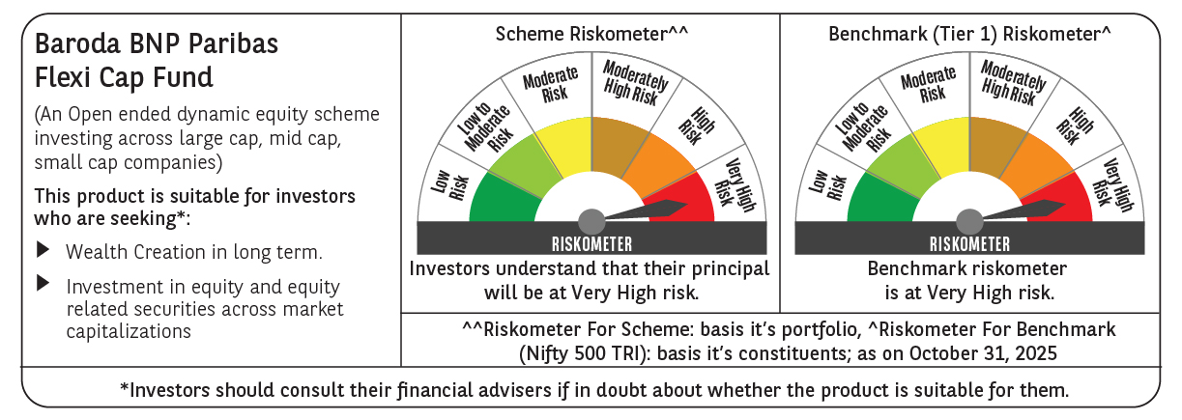

 | Monthly Performance Link: https://www.barodabnpparibasmf.in/assets/download_documents/Performance_of_Schemes-October_2025_15267.pdf

