T0ME25
 | Baroda BNP Paribas Flexi Cap Fund

 | Monthly Portfolio Statement as on November 30, 2025
 | Name of the Instrument | ISIN | Industry | Quantity | Market/Fair Value (Rs. in Lakhs) | % to Net Assets | YTM~ | YTC^ | null
 | Equity & Equity related
 | (a) Listed / awaiting listing on Stock Exchanges
HDFB03 | HDFC Bank Limited | INE040A01034 | Banks | 950,000 | 9,572.20 | 7.42%
INFS02 | Infosys Limited | INE009A01021 | IT - Software | 275,000 | 4,290.28 | 3.33%
FEBA02 | The Federal Bank Limited | INE171A01029 | Banks | 1,650,000 | 4,255.68 | 3.30%
IBCL05 | ICICI Bank Limited | INE090A01021 | Banks | 300,000 | 4,166.40 | 3.23%
HPEC01 | Hindustan Petroleum Corporation Limited | INE094A01015 | Petroleum Products | 875,000 | 4,003.13 | 3.10%
BTVL02 | Bharti Airtel Limited | INE397D01024 | Telecom - Services | 190,000 | 3,993.04 | 3.10%
ABBP01 | Hitachi Energy India Limited | INE07Y701011 | Electrical Equipment | 18,000 | 3,970.08 | 3.08%
RIND01 | Reliance Industries Limited | INE002A01018 | Petroleum Products | 250,000 | 3,918.75 | 3.04%
LARS02 | Larsen & Toubro Limited | INE018A01030 | Construction | 90,000 | 3,662.64 | 2.84%
MAHE01 | Max Healthcare Institute Limited | INE027H01010 | Healthcare Services | 290,000 | 3,372.12 | 2.61%
ONCO02 | One 97 Communications Limited | INE982J01020 | Financial Technology (Fintech) | 250,000 | 3,301.50 | 2.56%
JSPL03 | Jindal Steel Limited | INE749A01030 | Ferrous Metals | 300,000 | 3,133.20 | 2.43%
MAHI02 | Mahindra & Mahindra Limited | INE101A01026 | Automobiles | 80,000 | 3,005.84 | 2.33%
BHAH02 | Bharat Heavy Electricals Limited | INE257A01026 | Electrical Equipment | 1,000,000 | 2,908.50 | 2.25%
FSNE01 | FSN E-Commerce Ventures Limited | INE388Y01029 | Retailing | 1,050,000 | 2,806.76 | 2.18%
RAKH02 | Radico Khaitan Limited | INE944F01028 | Beverages | 85,000 | 2,726.89 | 2.11%
SAGI01 | Sagility Limited | INE0W2G01015 | IT - Services | 5,252,101 | 2,630.25 | 2.04%
ILOM01 | ICICI Lombard General Insurance Company Limited | INE765G01017 | Insurance | 130,000 | 2,561.65 | 1.99%
HYUN01 | Hyundai Motor India Ltd | INE0V6F01027 | Automobiles | 110,000 | 2,558.60 | 1.98%
KAYN01 | Kaynes Technology India Limited | INE918Z01012 | Industrial Manufacturing | 45,000 | 2,470.50 | 1.92%
EIML02 | Eicher Motors Limited | INE066A01021 | Automobiles | 35,000 | 2,468.73 | 1.91%
TEMA02 | Tech Mahindra Limited | INE669C01036 | IT - Software | 160,000 | 2,427.68 | 1.88%
SOEL02 | Solar Industries India Limited | INE343H01029 | Chemicals & Petrochemicals | 17,500 | 2,322.60 | 1.80%
ULCC01 | UltraTech Cement Limited | INE481G01011 | Cement & Cement Products | 20,000 | 2,320.00 | 1.80%
VMML01 | Vishal Mega Mart Limited | INE01EA01019 | Retailing | 1,650,000 | 2,240.70 | 1.74%
KAVY06 | Karur Vysya Bank Limited | INE036D01028 | Banks | 900,000 | 2,231.73 | 1.73%
AJPH03 | Ajanta Pharma Limited | INE031B01049 | Pharmaceuticals & Biotechnology | 85,000 | 2,176.68 | 1.69%
INBK01 | Indian Bank | INE562A01011 | Banks | 225,000 | 1,958.06 | 1.52%
ZMPL01 | Eternal Limited | INE758T01015 | Retailing | 650,000 | 1,950.65 | 1.51%
FAGP02 | Schaeffler India Limited | INE513A01022 | Auto Components | 50,000 | 1,949.70 | 1.51%
DIVI02 | Divi's Laboratories Limited | INE361B01024 | Pharmaceuticals & Biotechnology | 30,000 | 1,943.10 | 1.51%
BLUS03 | Blue Star Limited | INE472A01039 | Consumer Durables | 109,162 | 1,927.15 | 1.49%
SHTR02 | Shriram Finance Limited | INE721A01047 | Finance | 225,000 | 1,916.21 | 1.49%
PSYL02 | Persistent Systems Limited | INE262H01021 | IT - Software | 30,000 | 1,905.90 | 1.48%
AVSP01 | Avenue Supermarts Limited | INE192R01011 | Retailing | 47,500 | 1,898.34 | 1.47%
SPIL03 | Sun Pharmaceutical Industries Limited | INE044A01036 | Pharmaceuticals & Biotechnology | 100,000 | 1,831.60 | 1.42%
INAV01 | InterGlobe Aviation Limited | INE646L01027 | Transport Services | 30,000 | 1,770.45 | 1.37%
ALLI02 | GE Vernova T&D India Limited | INE200A01026 | Electrical Equipment | 60,302 | 1,737.54 | 1.35%
METR01 | Metropolis Healthcare Limited | INE112L01020 | Healthcare Services | 88,892 | 1,716.50 | 1.33%
MALE02 | Poonawalla Fincorp Limited | INE511C01022 | Finance | 355,000 | 1,705.07 | 1.32%
CANB02 | Canara Bank | INE476A01022 | Banks | 1,100,000 | 1,667.38 | 1.29%
LGEL01 | LG Electronics India Ltd | INE324D01010 | Consumer Durables | 100,000 | 1,659.30 | 1.29%
HINI02 | Hindalco Industries Limited | INE038A01020 | Non - Ferrous Metals | 200,000 | 1,616.80 | 1.25%
IIBL01 | IndusInd Bank Limited | INE095A01012 | Banks | 174,657 | 1,499.52 | 1.16%
CEPL02 | Century Plyboards (India) Limited | INE348B01021 | Consumer Durables | 170,000 | 1,361.36 | 1.06%
BOCL01 | Linde India Limited | INE473A01011 | Chemicals & Petrochemicals | 22,000 | 1,312.52 | 1.02%
KOMA02 | Kotak Mahindra Bank Limited | INE237A01028 | Banks | 50,000 | 1,062.20 | 0.82%
 | Sub Total |  |  |  | 123,885.48 | 96.05%
 | (b) Unlisted |  |  |  | NIL | NIL
 | Sub Total |  |  |  | NIL | NIL
 | Total |  |  |  | 123,885.48 | 96.05%
 | Reverse Repo / TREPS
TRP_011225 | Clearing Corporation of India Ltd |  |  |  | 5,735.62 | 4.45% | 5.43%
 | Sub Total |  |  |  | 5,735.62 | 4.45%
 | Total |  |  |  | 5,735.62 | 4.45%
 | Net Receivables / (Payables) |  |  |  | (632.56) | (0.50)%
 | GRAND TOTAL |  |  |  | 128,988.54 | 100.00%

 | ~ YTM as on November 30, 2025
 | ^ YTC represents Yield to Call provided by valuation agencies as on November 30, 2025. It is disclosed for Perpetual Bond issued by Banks (i.e. AT-1 Bond / Tier 1 Bond / Tier 2 Bond), as per AMFI Best Practices Guidelines Circular no. 135/BP/91/2020-21 read with SEBI circular No. SEBI/HO/IMD/DF4/CIR/P/2021/034 on Valuation of AT-1 Bonds and Tier 2 Bonds.

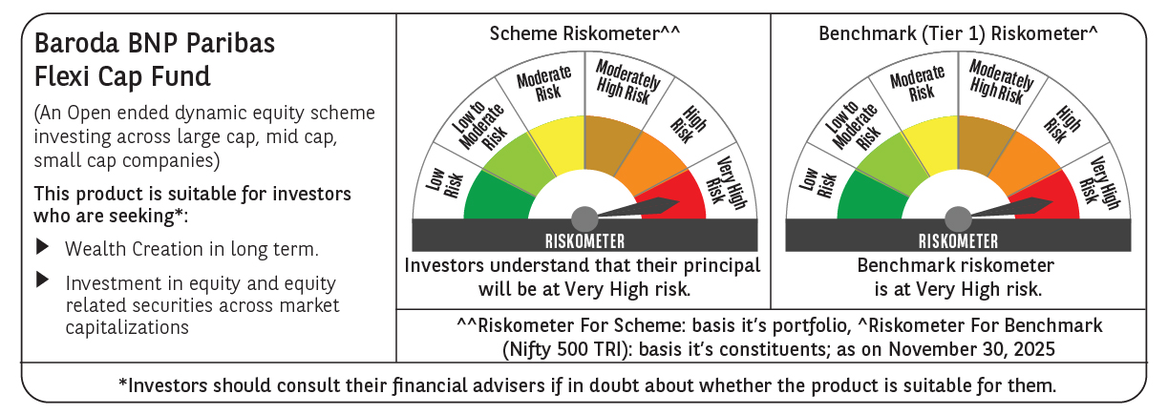

 | Monthly Performance Link: https://www.barodabnpparibasmf.in/assets/download_documents/Performance_of_Schemes_Nov-2025_15612.pdf

