T0ME25
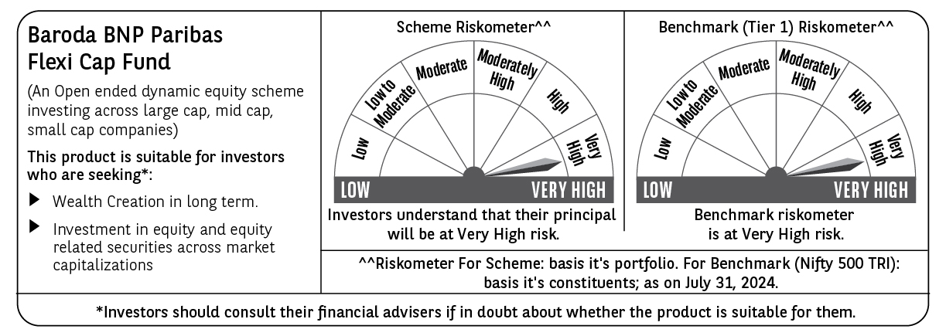
 | Baroda BNP Paribas Flexi Cap Fund

 | Monthly Portfolio Statement as on July 31, 2024
 | Name of the Instrument | ISIN | Industry | Quantity | Market/Fair Value (Rs. in Lakhs) | % to Net Assets | YTM~ | YTC^ | null
 | Equity & Equity related
 | (a) Listed / awaiting listing on Stock Exchanges
HDFB03 | HDFC Bank Limited | INE040A01034 | Banks | 350,000 | 5,655.13 | 4.13%
IBCL05 | ICICI Bank Limited | INE090A01021 | Banks | 400,000 | 4,859.60 | 3.55%
LARS02 | Larsen & Toubro Limited | INE018A01030 | Construction | 125,000 | 4,768.75 | 3.48%
INFS02 | Infosys Limited | INE009A01021 | IT - Software | 250,000 | 4,670.63 | 3.41%
TELC03 | Tata Motors Limited | INE155A01022 | Automobiles | 375,000 | 4,337.44 | 3.17%
BTVL02 | Bharti Airtel Limited | INE397D01024 | Telecom - Services | 275,000 | 4,101.76 | 3.00%
RIND01 | Reliance Industries Limited | INE002A01018 | Petroleum Products | 135,000 | 4,064.65 | 2.97%
ABBP01 | Hitachi Energy India Limited | INE07Y701011 | Electrical Equipment | 35,000 | 4,062.49 | 2.97%
NTPC01 | NTPC Limited | INE733E01010 | Power | 900,000 | 3,744.00 | 2.73%
KAYN01 | Kaynes Technology India Limited | INE918Z01012 | Industrial Manufacturing | 80,000 | 3,553.48 | 2.60%
TCSL01 | Tata Consultancy Services Limited | INE467B01029 | IT - Software | 80,000 | 3,508.28 | 2.56%
AJPH03 | Ajanta Pharma Limited | INE031B01049 | Pharmaceuticals & Biotechnology | 128,806 | 3,471.45 | 2.54%
BOCL01 | Linde India Limited | INE473A01011 | Chemicals & Petrochemicals | 40,000 | 3,264.82 | 2.38%
FEBA02 | The Federal Bank Limited | INE171A01029 | Banks | 1,550,000 | 3,121.55 | 2.28%
GMRI03 | GMR Airports Infrastructure Limited | INE776C01039 | Transport Infrastructure | 3,000,000 | 3,051.90 | 2.23%
OIIL01 | Oil India Limited | INE274J01014 | Oil | 525,000 | 3,032.14 | 2.21%
JSTA02 | Jindal Stainless Limited | INE220G01021 | Ferrous Metals | 400,000 | 2,962.00 | 2.16%
MOTI02 | Bosch Limited | INE323A01026 | Auto Components | 8,000 | 2,798.28 | 2.04%
PHMI02 | The Phoenix Mills Limited | INE211B01039 | Realty | 75,000 | 2,697.90 | 1.97%
ZMPL01 | Zomato Limited | INE758T01015 | Retailing | 1,150,000 | 2,638.68 | 1.93%
PGCI01 | Power Grid Corporation of India Limited | INE752E01010 | Power | 750,000 | 2,611.50 | 1.91%
ESMC02 | PB Fintech Limited | INE417T01026 | Financial Technology (Fintech) | 175,000 | 2,542.75 | 1.86%
BKBA02 | Bank of Baroda | INE028A01039 | Banks | 1,000,000 | 2,536.50 | 1.85%
PHFP02 | PNB Housing Finance Limited | INE572E01012 | Finance | 310,000 | 2,497.05 | 1.82%
JSPL03 | Jindal Steel & Power Limited | INE749A01030 | Ferrous Metals | 250,000 | 2,470.63 | 1.80%
CHOL02 | Cholamandalam Investment and Finance Company Ltd | INE121A01024 | Finance | 170,000 | 2,408.22 | 1.76%
BINL01 | Indus Towers Limited | INE121J01017 | Telecom - Services | 550,000 | 2,382.33 | 1.74%
PFCL01 | Power Finance Corporation Limited | INE134E01011 | Finance | 425,000 | 2,366.40 | 1.73%
UTIB02 | Axis Bank Limited | INE238A01034 | Banks | 190,000 | 2,215.59 | 1.62%
NEST02 | Nestle India Limited | INE239A01024 | Food Products | 90,000 | 2,210.72 | 1.61%
LAKM02 | Trent Limited | INE849A01020 | Retailing | 37,500 | 2,189.63 | 1.60%
RATM02 | Ratnamani Metals & Tubes Limited | INE703B01027 | Industrial Products | 59,000 | 2,137.39 | 1.56%
FSNE01 | FSN E-Commerce Ventures Limited | INE388Y01029 | Retailing | 1,000,000 | 1,929.90 | 1.41%
MAHE01 | Max Healthcare Institute Limited | INE027H01010 | Healthcare Services | 205,000 | 1,890.61 | 1.38%
ALPM01 | Alembic Pharmaceuticals Limited | INE901L01018 | Pharmaceuticals & Biotechnology | 160,000 | 1,887.28 | 1.38%
GESC01 | Mahindra Lifespace Developers Limited | INE813A01018 | Realty | 300,000 | 1,815.15 | 1.33%
SPIL03 | Sun Pharmaceutical Industries Limited | INE044A01036 | Pharmaceuticals & Biotechnology | 105,000 | 1,805.32 | 1.32%
BEFS01 | Mrs. Bectors Food Specialities Limited | INE495P01012 | Food Products | 125,000 | 1,752.94 | 1.28%
TWAT02 | Titan Company Limited | INE280A01028 | Consumer Durables | 50,000 | 1,729.48 | 1.26%
INBK01 | Indian Bank | INE562A01011 | Banks | 275,000 | 1,674.20 | 1.22%
AGBL01 | Angel One Limited | INE732I01013 | Capital Markets | 74,140 | 1,605.98 | 1.17%
WABT01 | ZF Commercial Vehicle Control Systems India Limited | INE342J01019 | Auto Components | 10,000 | 1,583.24 | 1.16%
BHAH02 | Bharat Heavy Electricals Limited | INE257A01026 | Electrical Equipment | 500,000 | 1,576.25 | 1.15%
HALT02 | Hindustan Aeronautics Limited | INE066F01020 | Aerospace & Defense | 30,000 | 1,476.86 | 1.08%
KCUL02 | Cummins India Limited | INE298A01020 | Industrial Products | 38,000 | 1,463.89 | 1.07%
GCPL02 | Godrej Consumer Products Limited | INE102D01028 | Personal Products | 100,000 | 1,440.75 | 1.05%
RATN01 | RBL Bank Limited | INE976G01028 | Banks | 600,000 | 1,411.20 | 1.03%
IRLY01 | Indian Railway Finance Corporation Limited | INE053F01010 | Finance | 700,000 | 1,355.55 | 0.99%
IEPL01 | Indegene Limited | INE065X01017 | Healthcare Services | 192,416 | 1,174.22 | 0.86%
RAKH02 | Radico Khaitan Limited | INE944F01028 | Beverages | 51,500 | 887.60 | 0.65%
 | Sub Total |  |  |  | 131,394.06 | 95.96%
 | (b) Unlisted |  |  |  | NIL | NIL
 | Sub Total |  |  |  | NIL | NIL
 | Total |  |  |  | 131,394.06 | 95.96%
 | Reverse Repo / TREPS
TRP_010824 | Clearing Corporation of India Ltd |  |  |  | 5,647.20 | 4.12% | 6.42%
 | Sub Total |  |  |  | 5,647.20 | 4.12%
 | Total |  |  |  | 5,647.20 | 4.12%
 | Net Receivables / (Payables) |  |  |  | (129.97) | (0.08)%
 | GRAND TOTAL |  |  |  | 136,911.29 | 100.00%

 | ~ YTM as on July 31, 2024
 | ^ YTC represents Yield to Call provided by valuation agencies as on July 31, 2024. It is disclosed for Perpetual Bond issued by Banks (i.e. AT-1 Bond / Tier 1 Bond / Tier 2 Bond), as per AMFI Best Practices Guidelines Circular no. 135/BP/91/2020-21 read with SEBI circular No. SEBI/HO/IMD/DF4/CIR/P/2021/034 on Valuation of AT-1 Bonds and Tier 2 Bonds.

