T0ME25
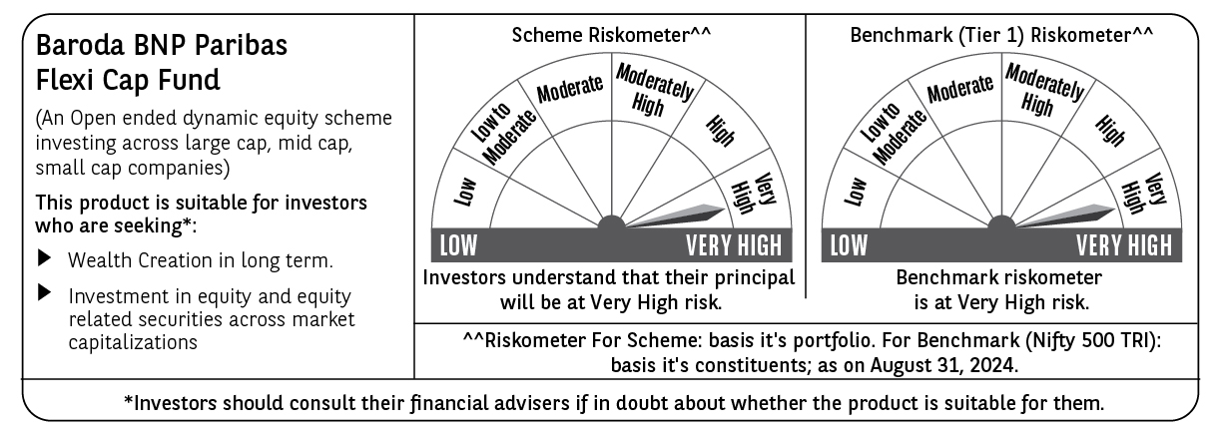
 | Baroda BNP Paribas Flexi Cap Fund

 | Monthly Portfolio Statement as on August 31, 2024
 | Name of the Instrument | ISIN | Industry | Quantity | Market/Fair Value (Rs. in Lakhs) | % to Net Assets | YTM~ | YTC^ | null
 | Equity & Equity related
 | (a) Listed / awaiting listing on Stock Exchanges
INFS02 | Infosys Limited | INE009A01021 | IT - Software | 300,000 | 5,831.10 | 4.18%
HDFB03 | HDFC Bank Limited | INE040A01034 | Banks | 350,000 | 5,729.15 | 4.11%
IBCL05 | ICICI Bank Limited | INE090A01021 | Banks | 400,000 | 4,916.80 | 3.53%
LARS02 | Larsen & Toubro Limited | INE018A01030 | Construction | 125,000 | 4,630.81 | 3.32%
BTVL02 | Bharti Airtel Limited | INE397D01024 | Telecom - Services | 275,000 | 4,369.89 | 3.14%
ABBP01 | Hitachi Energy India Limited | INE07Y701011 | Electrical Equipment | 35,000 | 4,233.27 | 3.04%
TELC03 | Tata Motors Limited | INE155A01022 | Automobiles | 375,000 | 4,167.56 | 2.99%
RIND01 | Reliance Industries Limited | INE002A01018 | Petroleum Products | 135,000 | 4,075.99 | 2.93%
OIIL01 | Oil India Limited | INE274J01014 | Oil | 525,000 | 3,890.25 | 2.79%
KAYN01 | Kaynes Technology India Limited | INE918Z01012 | Industrial Manufacturing | 80,000 | 3,803.04 | 2.73%
NTPC01 | NTPC Limited | INE733E01010 | Power | 900,000 | 3,745.80 | 2.69%
TCSL01 | Tata Consultancy Services Limited | INE467B01029 | IT - Software | 80,000 | 3,643.00 | 2.61%
AJPH03 | Ajanta Pharma Limited | INE031B01049 | Pharmaceuticals & Biotechnology | 106,097 | 3,441.31 | 2.47%
PHFP02 | PNB Housing Finance Limited | INE572E01012 | Finance | 350,000 | 3,421.08 | 2.46%
ESMC02 | PB Fintech Limited | INE417T01026 | Financial Technology (Fintech) | 175,000 | 3,101.44 | 2.23%
FEBA02 | The Federal Bank Limited | INE171A01029 | Banks | 1,550,000 | 3,017.85 | 2.17%
BOCL01 | Linde India Limited | INE473A01011 | Chemicals & Petrochemicals | 40,000 | 2,890.12 | 2.07%
ZMPL01 | Zomato Limited | INE758T01015 | Retailing | 1,150,000 | 2,881.10 | 2.07%
GMRI03 | GMR Airports Infrastructure Limited | INE776C01039 | Transport Infrastructure | 3,000,000 | 2,834.40 | 2.03%
PHMI02 | The Phoenix Mills Limited | INE211B01039 | Realty | 75,000 | 2,827.05 | 2.03%
LAKM02 | Trent Limited | INE849A01020 | Retailing | 37,500 | 2,684.53 | 1.93%
UTIB02 | Axis Bank Limited | INE238A01034 | Banks | 225,000 | 2,644.31 | 1.90%
MOTI02 | Bosch Limited | INE323A01026 | Auto Components | 8,000 | 2,591.17 | 1.86%
PGCI01 | Power Grid Corporation of India Limited | INE752E01010 | Power | 750,000 | 2,530.50 | 1.82%
BKBA02 | Bank of Baroda | INE028A01039 | Banks | 1,000,000 | 2,501.00 | 1.79%
NEST02 | Nestle India Limited | INE239A01024 | Food Products | 100,000 | 2,500.75 | 1.79%
FSNE01 | FSN E-Commerce Ventures Limited | INE388Y01029 | Retailing | 1,200,000 | 2,492.40 | 1.79%
JSPL03 | Jindal Steel & Power Limited | INE749A01030 | Ferrous Metals | 250,000 | 2,426.00 | 1.74%
BINL01 | Indus Towers Limited | INE121J01017 | Telecom - Services | 525,083 | 2,407.51 | 1.73%
PFCL01 | Power Finance Corporation Limited | INE134E01011 | Finance | 425,000 | 2,335.59 | 1.68%
BEFS01 | Mrs. Bectors Food Specialities Limited | INE495P01012 | Food Products | 125,000 | 2,010.63 | 1.44%
JSTA02 | Jindal Stainless Limited | INE220G01021 | Ferrous Metals | 250,000 | 1,983.50 | 1.42%
SPIL03 | Sun Pharmaceutical Industries Limited | INE044A01036 | Pharmaceuticals & Biotechnology | 105,000 | 1,912.73 | 1.37%
CHOL02 | Cholamandalam Investment and Finance Company Ltd | INE121A01024 | Finance | 125,000 | 1,819.50 | 1.31%
TWAT02 | Titan Company Limited | INE280A01028 | Consumer Durables | 50,000 | 1,782.58 | 1.28%
GCPL02 | Godrej Consumer Products Limited | INE102D01028 | Personal Products | 120,000 | 1,777.44 | 1.28%
MAHE01 | Max Healthcare Institute Limited | INE027H01010 | Healthcare Services | 205,000 | 1,768.02 | 1.27%
WABT01 | ZF Commercial Vehicle Control Systems India Limited | INE342J01019 | Auto Components | 11,000 | 1,712.46 | 1.23%
ALPM01 | Alembic Pharmaceuticals Limited | INE901L01018 | Pharmaceuticals & Biotechnology | 160,000 | 1,694.56 | 1.22%
HPEC01 | Hindustan Petroleum Corporation Limited | INE094A01015 | Petroleum Products | 400,000 | 1,676.20 | 1.20%
RATM02 | Ratnamani Metals & Tubes Limited | INE703B01027 | Industrial Products | 45,000 | 1,659.71 | 1.19%
INBK01 | Indian Bank | INE562A01011 | Banks | 275,000 | 1,560.08 | 1.12%
IRLY01 | Indian Railway Finance Corporation Limited | INE053F01010 | Finance | 850,000 | 1,518.27 | 1.09%
TTEC01 | Tata Technologies Limited | INE142M01025 | IT - Services | 140,000 | 1,491.84 | 1.07%
KCUL02 | Cummins India Limited | INE298A01020 | Industrial Products | 38,000 | 1,422.99 | 1.02%
IEPL01 | Indegene Limited | INE065X01017 | Healthcare Services | 192,416 | 1,122.36 | 0.81%
RAKH02 | Radico Khaitan Limited | INE944F01028 | Beverages | 51,500 | 1,000.16 | 0.72%
GESC01 | Mahindra Lifespace Developers Limited | INE813A01018 | Realty | 150,000 | 853.20 | 0.61%
BFLS01 | Mphasis Limited | INE356A01018 | IT - Software | 20,000 | 620.99 | 0.45%
GRIN02 | Grindwell Norton Limited | INE536A01023 | Industrial Products | 25,000 | 610.13 | 0.44%
ALLI02 | GE T&D India Limited | INE200A01026 | Electrical Equipment | 30,000 | 514.08 | 0.37%
CEPL02 | Century Plyboards (India) Limited | INE348B01021 | Consumer Durables | 60,000 | 472.05 | 0.34%
CSTL01 | Clean Science and Technology Limited | INE227W01023 | Chemicals & Petrochemicals | 25,000 | 373.38 | 0.27%
 | Sub Total |  |  |  | 133,921.63 | 96.14%
 | (b) Unlisted |  |  |  | NIL | NIL
 | Sub Total |  |  |  | NIL | NIL
 | Total |  |  |  | 133,921.63 | 96.14%
 | Reverse Repo / TREPS
TRP_020924 | Clearing Corporation of India Ltd |  |  |  | 5,260.07 | 3.77% | 6.52%
 | Sub Total |  |  |  | 5,260.07 | 3.77%
 | Total |  |  |  | 5,260.07 | 3.77%
 | Net Receivables / (Payables) |  |  |  | 163.27 | 0.09%
 | GRAND TOTAL |  |  |  | 139,344.97 | 100.00%

 | ~ YTM as on August 31, 2024
 | ^ YTC represents Yield to Call provided by valuation agencies as on August 31, 2024. It is disclosed for Perpetual Bond issued by Banks (i.e. AT-1 Bond / Tier 1 Bond / Tier 2 Bond), as per AMFI Best Practices Guidelines Circular no. 135/BP/91/2020-21 read with SEBI circular No. SEBI/HO/IMD/DF4/CIR/P/2021/034 on Valuation of AT-1 Bonds and Tier 2 Bonds.

