Monthly Portfolio
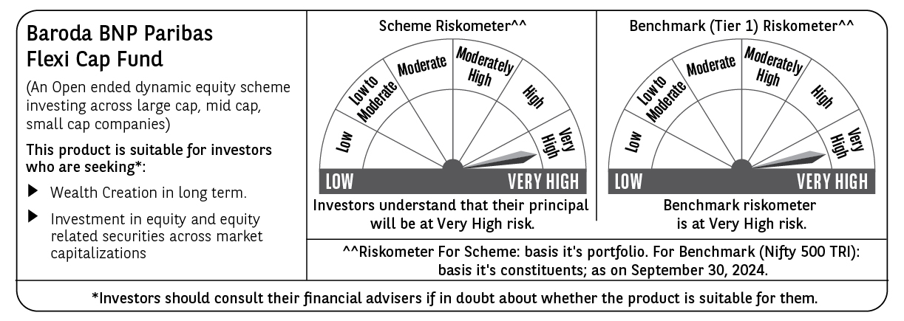
 | Baroda BNP Paribas Flexi Cap Fund

 | Monthly Portfolio Statement as on September 30, 2024
 | Name of the Instrument | ISIN | Industry | Quantity | Market/Fair Value (Rs. in Lakhs) | % to Net Assets | YTM~ | YTC^ | null
 | Equity & Equity related
 | (a) Listed / awaiting listing on Stock Exchanges
HDFB03 | HDFC Bank Limited | INE040A01034 | Banks | 350,000 | 6,062.18 | 4.35%
INFS02 | Infosys Limited | INE009A01021 | IT - Software | 300,000 | 5,626.80 | 4.03%
ABBP01 | Hitachi Energy India Limited | INE07Y701011 | Electrical Equipment | 35,000 | 5,090.86 | 3.65%
IBCL05 | ICICI Bank Limited | INE090A01021 | Banks | 351,000 | 4,468.23 | 3.20%
BTVL02 | Bharti Airtel Limited | INE397D01024 | Telecom - Services | 250,000 | 4,273.88 | 3.06%
NTPC01 | NTPC Limited | INE733E01010 | Power | 900,000 | 3,988.80 | 2.86%
RIND01 | Reliance Industries Limited | INE002A01018 | Petroleum Products | 135,000 | 3,986.75 | 2.86%
FEBA02 | The Federal Bank Limited | INE171A01029 | Banks | 2,000,000 | 3,934.60 | 2.82%
KAYN01 | Kaynes Technology India Limited | INE918Z01012 | Industrial Manufacturing | 70,000 | 3,798.03 | 2.72%
ESMC02 | PB Fintech Limited | INE417T01026 | Financial Technology (Fintech) | 230,600 | 3,735.60 | 2.68%
LARS02 | Larsen & Toubro Limited | INE018A01030 | Construction | 100,000 | 3,675.55 | 2.63%
TELC03 | Tata Motors Limited | INE155A01022 | Automobiles | 372,250 | 3,628.13 | 2.60%
SHTR01 | Shriram Finance Limited | INE721A01013 | Finance | 100,000 | 3,576.95 | 2.56%
PHFP02 | PNB Housing Finance Limited | INE572E01012 | Finance | 350,000 | 3,440.33 | 2.47%
TCSL01 | Tata Consultancy Services Limited | INE467B01029 | IT - Software | 80,000 | 3,414.80 | 2.45%
BOCL01 | Linde India Limited | INE473A01011 | Chemicals & Petrochemicals | 40,000 | 3,394.04 | 2.43%
ZMPL01 | Zomato Limited | INE758T01015 | Retailing | 1,150,000 | 3,142.95 | 2.25%
MOTI02 | Bosch Limited | INE323A01026 | Auto Components | 8,000 | 3,014.31 | 2.16%
ALLI02 | GE T&D India Limited | INE200A01026 | Electrical Equipment | 178,494 | 3,000.48 | 2.15%
OIIL01 | Oil India Limited | INE274J01014 | Oil | 500,000 | 2,903.25 | 2.08%
HPEC01 | Hindustan Petroleum Corporation Limited | INE094A01015 | Petroleum Products | 650,000 | 2,863.58 | 2.05%
LAKM02 | Trent Limited | INE849A01020 | Retailing | 37,500 | 2,840.49 | 2.04%
GMRI03 | GMR Airports Infrastructure Limited | INE776C01039 | Transport Infrastructure | 3,000,000 | 2,821.80 | 2.02%
UTIB02 | Axis Bank Limited | INE238A01034 | Banks | 225,000 | 2,772.45 | 1.99%
BKBA02 | Bank of Baroda | INE028A01039 | Banks | 1,100,000 | 2,725.80 | 1.95%
NEST02 | Nestle India Limited | INE239A01024 | Food Products | 100,000 | 2,689.95 | 1.93%
PGCI01 | Power Grid Corporation of India Limited | INE752E01010 | Power | 750,000 | 2,646.38 | 1.90%
AJPH03 | Ajanta Pharma Limited | INE031B01049 | Pharmaceuticals & Biotechnology | 80,000 | 2,561.28 | 1.84%
BEFS01 | Mrs. Bectors Food Specialities Limited | INE495P01012 | Food Products | 125,000 | 2,382.88 | 1.71%
FSNE01 | FSN E-Commerce Ventures Limited | INE388Y01029 | Retailing | 1,200,000 | 2,347.32 | 1.68%
MAHE01 | Max Healthcare Institute Limited | INE027H01010 | Healthcare Services | 220,000 | 2,168.65 | 1.55%
BFLS01 | Mphasis Limited | INE356A01018 | IT - Software | 70,000 | 2,107.28 | 1.51%
SPIL03 | Sun Pharmaceutical Industries Limited | INE044A01036 | Pharmaceuticals & Biotechnology | 105,000 | 2,023.04 | 1.45%
ALPM01 | Alembic Pharmaceuticals Limited | INE901L01018 | Pharmaceuticals & Biotechnology | 160,000 | 1,928.80 | 1.38%
TWAT02 | Titan Company Limited | INE280A01028 | Consumer Durables | 50,000 | 1,911.98 | 1.37%
WABT01 | ZF Commercial Vehicle Control Systems India Limited | INE342J01019 | Auto Components | 11,000 | 1,747.67 | 1.25%
PUBA02 | Punjab National Bank | INE160A01022 | Banks | 1,585,672 | 1,700.00 | 1.22%
GCPL02 | Godrej Consumer Products Limited | INE102D01028 | Personal Products | 120,000 | 1,672.08 | 1.20%
TTEC01 | Tata Technologies Limited | INE142M01025 | IT - Services | 140,000 | 1,544.41 | 1.11%
IEEL02 | Indian Energy Exchange Limited | INE022Q01020 | Capital Markets | 750,000 | 1,532.10 | 1.10%
CHOL02 | Cholamandalam Investment and Finance Company Ltd | INE121A01024 | Finance | 90,000 | 1,447.20 | 1.04%
KCUL02 | Cummins India Limited | INE298A01020 | Industrial Products | 38,000 | 1,446.30 | 1.04%
IEIN01 | Info Edge (India) Limited | INE663F01024 | Retailing | 17,500 | 1,417.62 | 1.02%
IEPL01 | Indegene Limited | INE065X01017 | Healthcare Services | 192,416 | 1,332.10 | 0.95%
PHMI02 | The Phoenix Mills Limited | INE211B01039 | Realty | 70,000 | 1,291.96 | 0.93%
GRIN02 | Grindwell Norton Limited | INE536A01023 | Industrial Products | 50,000 | 1,202.75 | 0.86%
RAKH02 | Radico Khaitan Limited | INE944F01028 | Beverages | 51,500 | 1,053.41 | 0.76%
CEPL02 | Century Plyboards (India) Limited | INE348B01021 | Consumer Durables | 90,000 | 800.15 | 0.57%
CSTL01 | Clean Science and Technology Limited | INE227W01023 | Chemicals & Petrochemicals | 31,375 | 494.63 | 0.35%
 | Sub Total |  |  |  | 133,630.58 | 95.78%
 | (b) Unlisted |  |  |  | NIL | NIL
 | Sub Total |  |  |  | NIL | NIL
 | Total |  |  |  | 133,630.58 | 95.78%
 | Reverse Repo / TREPS
TRP_011024 | Clearing Corporation of India Ltd |  |  |  | 4,130.29 | 2.96% | 6.65%
 | Sub Total |  |  |  | 4,130.29 | 2.96%
 | Total |  |  |  | 4,130.29 | 2.96%
 | Net Receivables / (Payables) |  |  |  | 1,741.53 | 1.26%
 | GRAND TOTAL |  |  |  | 139,502.40 | 100.00%

 | ~ YTM as on September 30, 2024
 | ^ YTC represents Yield to Call provided by valuation agencies as on September 30, 2024. It is disclosed for Perpetual Bond issued by Banks (i.e. AT-1 Bond / Tier 1 Bond / Tier 2 Bond), as per AMFI Best Practices Guidelines Circular no. 135/BP/91/2020-21 read with SEBI circular No. SEBI/HO/IMD/DF4/CIR/P/2021/034 on Valuation of AT-1 Bonds and Tier 2 Bonds.

