T0ME25
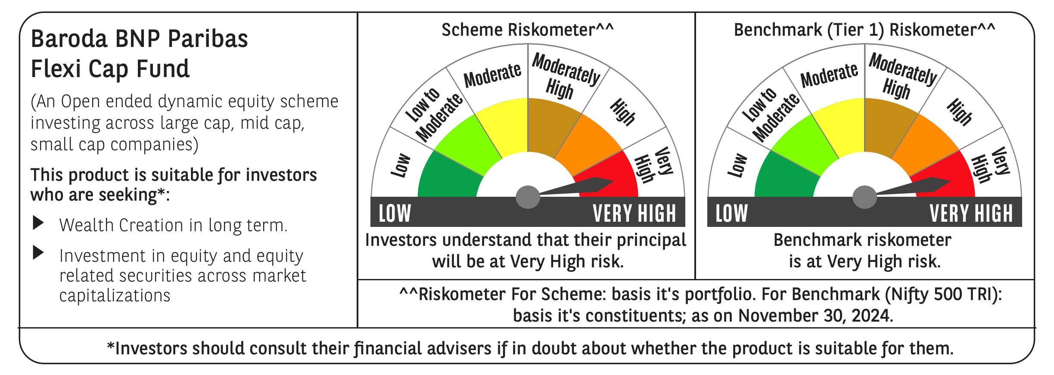
 | Baroda BNP Paribas Flexi Cap Fund

 | Monthly Portfolio Statement as on November 30, 2024
 | Name of the Instrument | ISIN | Industry | Quantity | Market/Fair Value (Rs. in Lakhs) | % to Net Assets | YTM~ | YTC^ | null
 | Equity & Equity related
 | (a) Listed / awaiting listing on Stock Exchanges
HDFB03 | HDFC Bank Limited | INE040A01034 | Banks | 400,000 | 7,184.20 | 5.47%
ESMC02 | PB Fintech Limited | INE417T01026 | Financial Technology (Fintech) | 313,570 | 5,938.70 | 4.52%
INFS02 | Infosys Limited | INE009A01021 | IT - Software | 315,000 | 5,852.23 | 4.45%
RIND01 | Reliance Industries Limited | INE002A01018 | Petroleum Products | 450,000 | 5,814.90 | 4.43%
IBCL05 | ICICI Bank Limited | INE090A01021 | Banks | 400,000 | 5,200.40 | 3.96%
FEBA02 | The Federal Bank Limited | INE171A01029 | Banks | 2,000,000 | 4,215.60 | 3.21%
KAYN01 | Kaynes Technology India Limited | INE918Z01012 | Industrial Manufacturing | 70,000 | 4,191.22 | 3.19%
BTVL02 | Bharti Airtel Limited | INE397D01024 | Telecom - Services | 250,000 | 4,067.88 | 3.10%
ABBP01 | Hitachi Energy India Limited | INE07Y701011 | Electrical Equipment | 30,000 | 3,593.57 | 2.73%
PHFP02 | PNB Housing Finance Limited | INE572E01012 | Finance | 388,327 | 3,462.71 | 2.64%
TCSL01 | Tata Consultancy Services Limited | INE467B01029 | IT - Software | 80,000 | 3,416.68 | 2.60%
HPEC01 | Hindustan Petroleum Corporation Limited | INE094A01015 | Petroleum Products | 875,000 | 3,352.13 | 2.55%
SHTR01 | Shriram Finance Limited | INE721A01013 | Finance | 110,000 | 3,321.62 | 2.53%
NTPC01 | NTPC Limited | INE733E01010 | Power | 900,000 | 3,272.85 | 2.49%
ZMPL01 | Zomato Limited | INE758T01015 | Retailing | 1,150,000 | 3,217.24 | 2.45%
ALLI02 | GE Vernova T&D India Limited | INE200A01026 | Electrical Equipment | 178,494 | 3,134.71 | 2.39%
BFLS01 | Mphasis Limited | INE356A01018 | IT - Software | 95,000 | 2,825.82 | 2.15%
OIIL01 | Oil India Limited | INE274J01014 | Oil | 575,000 | 2,820.95 | 2.15%
MOTI02 | Bosch Limited | INE323A01026 | Auto Components | 8,000 | 2,797.30 | 2.13%
BOCL01 | Linde India Limited | INE473A01011 | Chemicals & Petrochemicals | 40,000 | 2,768.30 | 2.11%
BKBA02 | Bank of Baroda | INE028A01039 | Banks | 1,100,000 | 2,710.40 | 2.06%
IEIN01 | Info Edge (India) Limited | INE663F01024 | Retailing | 30,000 | 2,476.59 | 1.88%
PGCI01 | Power Grid Corporation of India Limited | INE752E01010 | Power | 750,000 | 2,470.50 | 1.88%
AJPH03 | Ajanta Pharma Limited | INE031B01049 | Pharmaceuticals & Biotechnology | 81,508 | 2,463.62 | 1.87%
MAHE01 | Max Healthcare Institute Limited | INE027H01010 | Healthcare Services | 250,000 | 2,449.38 | 1.86%
BEFS01 | Mrs. Bectors Food Specialities Limited | INE495P01012 | Food Products | 125,000 | 2,267.88 | 1.73%
LAKM02 | Trent Limited | INE849A01020 | Retailing | 33,000 | 2,242.48 | 1.71%
METR01 | Metropolis Healthcare Limited | INE112L01020 | Healthcare Services | 102,484 | 2,194.80 | 1.67%
FSNE01 | FSN E-Commerce Ventures Limited | INE388Y01029 | Retailing | 1,250,799 | 2,152.12 | 1.64%
LARS02 | Larsen & Toubro Limited | INE018A01030 | Construction | 54,913 | 2,045.40 | 1.56%
IEEL02 | Indian Energy Exchange Limited | INE022Q01020 | Capital Markets | 1,145,390 | 2,018.06 | 1.54%
SPIL03 | Sun Pharmaceutical Industries Limited | INE044A01036 | Pharmaceuticals & Biotechnology | 105,000 | 1,869.95 | 1.42%
ALPM01 | Alembic Pharmaceuticals Limited | INE901L01018 | Pharmaceuticals & Biotechnology | 162,017 | 1,769.55 | 1.35%
NGEL01 | NTPC Green Energy Limited | INE0ONG01011 | Power | 1,388,832 | 1,733.82 | 1.32%
TTEC01 | Tata Technologies Limited | INE142M01025 | IT - Services | 175,000 | 1,642.38 | 1.25%
GCPL02 | Godrej Consumer Products Limited | INE102D01028 | Personal Products | 130,000 | 1,618.05 | 1.23%
COCH02 | Cochin Shipyard Limited | INE704P01025 | Industrial Manufacturing | 97,000 | 1,529.98 | 1.16%
WABT01 | ZF Commercial Vehicle Control Systems India Limited | INE342J01019 | Auto Components | 12,000 | 1,498.03 | 1.14%
TELC03 | Tata Motors Limited | INE155A01022 | Automobiles | 175,000 | 1,376.29 | 1.05%
GRIN02 | Grindwell Norton Limited | INE536A01023 | Industrial Products | 65,000 | 1,366.30 | 1.04%
KOMA02 | Kotak Mahindra Bank Limited | INE237A01028 | Banks | 75,000 | 1,323.94 | 1.01%
IEPL01 | Indegene Limited | INE065X01017 | Healthcare Services | 192,416 | 1,312.76 | 1.00%
RAKH02 | Radico Khaitan Limited | INE944F01028 | Beverages | 51,500 | 1,265.79 | 0.96%
FAGP02 | Schaeffler India Limited | INE513A01022 | Auto Components | 27,700 | 992.82 | 0.76%
CSTL01 | Clean Science and Technology Limited | INE227W01023 | Chemicals & Petrochemicals | 65,000 | 834.73 | 0.64%
CEPL02 | Century Plyboards (India) Limited | INE348B01021 | Consumer Durables | 108,079 | 783.68 | 0.60%
AFCI01 | Afcons Infrastructure Limited | INE101I01011 | Construction | 66,838 | 336.76 | 0.26%
KELV01 | Whirlpool of India Limited | INE716A01013 | Consumer Durables | 5,218 | 96.48 | 0.07%
 | Sub Total |  |  |  | 127,291.55 | 96.91%
 | (b) Unlisted |  |  |  | NIL | NIL
 | Sub Total |  |  |  | NIL | NIL
 | Total |  |  |  | 127,291.55 | 96.91%
 | Reverse Repo / TREPS
TRP_021224 | Clearing Corporation of India Ltd |  |  |  | 4,794.58 | 3.65% | 6.69%
 | Sub Total |  |  |  | 4,794.58 | 3.65%
 | Total |  |  |  | 4,794.58 | 3.65%
 | Net Receivables / (Payables) |  |  |  | (691.39) | (0.56)%
 | GRAND TOTAL |  |  |  | 131,394.74 | 100.00%

 | ~ YTM as on November 30, 2024
 | ^ YTC represents Yield to Call provided by valuation agencies as on November 30, 2024. It is disclosed for Perpetual Bond issued by Banks (i.e. AT-1 Bond / Tier 1 Bond / Tier 2 Bond), as per AMFI Best Practices Guidelines Circular no. 135/BP/91/2020-21 re

