T0ME26
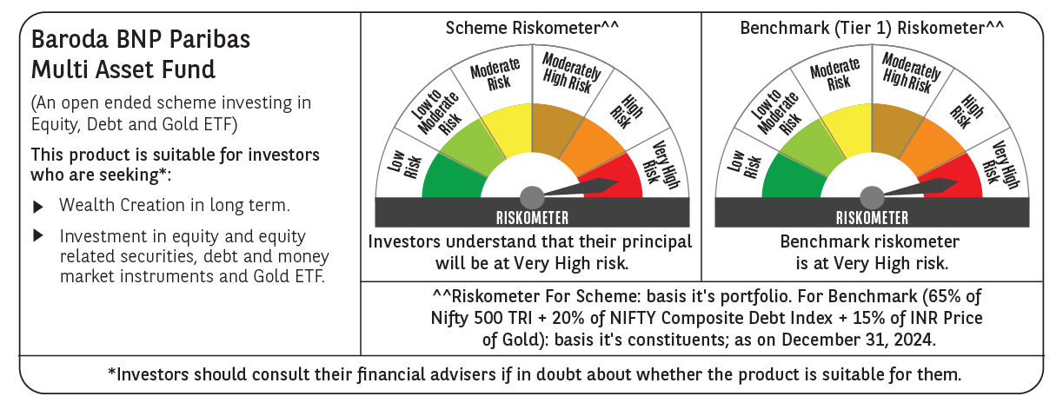
 | Baroda BNP Paribas Multi Asset Fund

 | Monthly Portfolio Statement as on December 31, 2024
 | Name of the Instrument | ISIN | Industry / Rating | Quantity | Market/Fair Value (Rs. in Lakhs) | % to Net Assets | YTM~ | YTC^ | null
 | Equity & Equity related
 | (a) Listed / awaiting listing on Stock Exchanges
HDFB03 | HDFC Bank Limited | INE040A01034 | Banks | 450,000 | 7,977.83 | 6.80%
IBCL05 | ICICI Bank Limited | INE090A01021 | Banks | 603,000 | 7,728.35 | 6.59%
RIND01 | Reliance Industries Limited | INE002A01018 | Petroleum Products | 486,000 | 5,907.09 | 5.04%
LARS02 | Larsen & Toubro Limited | INE018A01030 | Construction | 153,000 | 5,519.70 | 4.71%
INFS02 | Infosys Limited | INE009A01021 | IT - Software | 252,000 | 4,737.60 | 4.04%
TCSL01 | Tata Consultancy Services Limited | INE467B01029 | IT - Software | 115,200 | 4,717.21 | 4.02%
LAKM02 | Trent Limited | INE849A01020 | Retailing | 51,300 | 3,654.28 | 3.12%
BTVL02 | Bharti Airtel Limited | INE397D01024 | Telecom - Services | 198,000 | 3,143.75 | 2.68%
MOTI02 | Bosch Limited | INE323A01026 | Auto Components | 8,100 | 2,762.12 | 2.36%
ABBP01 | Hitachi Energy India Limited | INE07Y701011 | Electrical Equipment | 18,900 | 2,723.91 | 2.32%
BOCL01 | Linde India Limited | INE473A01011 | Chemicals & Petrochemicals | 40,500 | 2,428.40 | 2.07%
SPIL03 | Sun Pharmaceutical Industries Limited | INE044A01036 | Pharmaceuticals & Biotechnology | 126,000 | 2,376.80 | 2.03%
NAYV01 | NLC India Limited | INE589A01014 | Power | 900,000 | 2,239.20 | 1.91%
CIPL03 | Cipla Limited | INE059A01026 | Pharmaceuticals & Biotechnology | 126,000 | 1,926.54 | 1.64%
NTPC01 | NTPC Limited | INE733E01010 | Power | 540,000 | 1,800.09 | 1.54%
ESCO01 | Escorts Kubota Limited | INE042A01014 | Agricultural, Commercial & Construction Vehicles | 54,000 | 1,799.58 | 1.53%
HERO02 | Hero MotoCorp Limited | INE158A01026 | Automobiles | 40,500 | 1,685.04 | 1.44%
HLEL02 | Hindustan Unilever Limited | INE030A01027 | Diversified FMCG | 68,400 | 1,591.57 | 1.36%
GRAS02 | Grasim Industries Limited | INE047A01021 | Cement & Cement Products | 63,000 | 1,538.90 | 1.31%
NEST02 | Nestle India Limited | INE239A01024 | Food Products | 70,200 | 1,523.38 | 1.30%
BAFL02 | Bajaj Finance Limited | INE296A01024 | Finance | 20,700 | 1,412.36 | 1.20%
SBAI02 | State Bank of India | INE062A01020 | Banks | 162,000 | 1,287.82 | 1.10%
MCEX01 | Multi Commodity Exchange of India Limited | INE745G01035 | Capital Markets | 18,000 | 1,122.14 | 0.96%
TELC03 | Tata Motors Limited | INE155A01022 | Automobiles | 144,000 | 1,065.82 | 0.91%
ULCC01 | UltraTech Cement Limited | INE481G01011 | Cement & Cement Products | 9,000 | 1,028.37 | 0.88%
RELS01 | Jio Financial Services Limited | INE758E01017 | Finance | 342,000 | 1,021.55 | 0.87%
ACSO01 | Acme Solar Holdings Ltd | INE622W01025 | Finance | 412,437 | 971.91 | 0.83%
BFLS01 | Mphasis Limited | INE356A01018 | IT - Software | 31,500 | 896.87 | 0.76%
ALLI02 | GE Vernova T&D India Limited | INE200A01026 | Electrical Equipment | 36,000 | 747.32 | 0.64%
BHAH02 | Bharat Heavy Electricals Limited | INE257A01026 | Electrical Equipment | 306,000 | 701.96 | 0.60%
KOMA02 | Kotak Mahindra Bank Limited | INE237A01028 | Banks | 36,000 | 642.98 | 0.55%
MASL02 | Mastek Limited | INE759A01021 | IT - Software | 21,233 | 632.32 | 0.54%
JUHO01 | Juniper Hotels Limited | INE696F01016 | Leisure Services | 180,000 | 631.62 | 0.54%
DRRL03 | Dr. Reddy's Laboratories Limited | INE089A01031 | Pharmaceuticals & Biotechnology | 45,000 | 624.83 | 0.53%
GAIL01 | GAIL (India) Limited | INE129A01019 | Gas | 252,000 | 481.27 | 0.41%
JYCN01 | Jyoti CNC Automation Ltd | INE980O01024 | Industrial Manufacturing | 29,104 | 393.08 | 0.34%
SECH04 | UPL Limited Partly Paid Up | IN9628A01018 | Fertilizers & Agrochemicals | 27,130 | 61.19 | 0.05%
GRAS04 | Grasim Industries Ltd Partly Paid Up FV1 | IN9047A01029 | Cement & Cement Products | 2,504 | 38.48 | 0.03%
 | Sub Total |  |  |  | 81,543.23 | 69.55%
 | (b) Reits
BRFI01 | Brookfield India Real Estate Trust | INE0FDU25010 | Realty | 310,329 | 852.50 | 0.73%
 | Sub Total |  |  |  | 852.50 | 0.73%
 | (c) Invits
ISCI01 | Intelligent Supply Chain Infrastructure Trust ** | INE0QSW23016 | Miscellaneous | 400,000 | 440.00 | 0.38%
BHHI01 | Bharat Highways Invit | INE0NHL23019 | Transport Infrastructure | 110,014 | 119.50 | 0.10%
 | Sub Total |  |  |  | 559.50 | 0.48%
 | (d) Unlisted |  |  |  | NIL | NIL
 | Sub Total |  |  |  | NIL | NIL
 | Total |  |  |  | 82,955.23 | 70.76%
 | Derivatives
 | Index / Stock Futures
TPOWJAN25 | Tata Power Company Limited January 2025 Future |  |  | 133,650 | 528.25 | 0.45%
 | Sub Total |  |  |  | 528.25 | 0.45%
 | Total |  |  |  | 528.25 | 0.45%
 | Debt Instruments
 | (a) Listed / awaiting listing on Stock Exchange
TCHF380 | 7.97% Tata Capital Housing Finance Limited (03/11/2025) ** | INE033L07HV8 | CRISIL AAA | 250 | 2,500.60 | 2.13% | 7.84%
GOI5379 | 7.32% Government of India (13/11/2030) | IN0020230135 | Sovereign | 2,000,000 | 2,051.89 | 1.75% | 6.89%
RECL391 | 7.14% REC Limited (02/03/2030) ** | INE020B08CO0 | CRISIL AAA | 200 | 1,988.05 | 1.70% | 7.41%
POWF534 | 7.27% Power Finance Corporation Limited (15/10/2031) ** | INE134E08ND3 | CRISIL AAA | 2,000 | 1,987.74 | 1.70% | 7.38%
IRLY383 | 7.37% Indian Railway Finance Corporation Limited (31/07/2029) ** | INE053F08411 | CRISIL AAA | 1,500 | 1,504.62 | 1.28% | 7.30%
MEBP30 | 8.03% Mindspace Business Parks REIT (10/12/2026) ** | INE0CCU07090 | CRISIL AAA | 1,500 | 1,502.94 | 1.28% | 8.16%
MUFL414 | 8.85% Muthoot Finance Limited (30/01/2029) ** | INE414G07JA0 | CRISIL AA+ | 1,000 | 1,007.65 | 0.86% | 8.61%
 | Sub Total |  |  |  | 12,543.49 | 10.70%
 | (b) Privately placed / Unlisted |  |  |  | NIL | NIL
 | Sub Total |  |  |  | NIL | NIL
 | Total |  |  |  | 12,543.49 | 10.70%
 | Money Market Instruments
 | Treasury Bill
TBIL2307 | 364 Days Tbill (MD 16/01/2025) | IN002023Z448 | Sovereign | 500,000 | 498.69 | 0.43% | 6.40%
TBIL2329 | 364 Days Tbill (MD 27/02/2025) | IN002023Z513 | Sovereign | 500,000 | 495.02 | 0.42% | 6.44%
TBIL2404 | 364 Days Tbill (MD 10/07/2025) | IN002024Z156 | Sovereign | 500,000 | 483.20 | 0.41% | 6.68%
 | Sub Total |  |  |  | 1,476.91 | 1.26%
 | Total |  |  |  | 1,476.91 | 1.26%
 | Others
 | Exchange Traded Funds
BMGB51ME | Nippon India ETF Gold Bees | INF204KB17I5 |  | 11,250,000 | 7,210.13 | 6.15%
152231 | Baroda BNP Paribas Gold ETF-RG | INF251K01SU9 |  | 9,468,000 | 7,105.73 | 6.06%
113049 | HDFC Gold ETF | INF179KC1981 |  | 5,580,000 | 3,686.71 | 3.14%
 | Sub Total |  |  |  | 18,002.57 | 15.35%
 | Total |  |  |  | 18,002.57 | 15.35%
 | Reverse Repo / TREPS
TRP_010125 | Clearing Corporation of India Ltd |  |  |  | 2,490.32 | 2.12% | 6.58%
 | Sub Total |  |  |  | 2,490.32 | 2.12%
 | (b) Privately placed / Unlisted |  |  |  | NIL | NIL
 | Sub Total |  |  |  | NIL | NIL
 | Total |  |  |  | 2,490.32 | 2.12%
 | Net Receivables / (Payables) |  |  |  | (746.80) | (0.64)%
 | GRAND TOTAL |  |  |  | 117,249.97 | 100.00%

 | ** Thinly Traded / Non Traded Security
 | ~ YTM as on December 31, 2024
 | ^ YTC represents Yield to Call provided by valuation agencies as on December 31, 2024. It is disclosed for Perpetual Bond issued by Banks (i.e. AT-1 Bond / Tier 1 Bond / Tier 2 Bond), as per AMFI Best Practices Guidelines Circular no. 135/BP/91/2020-21 re
 | Details of Stock Future / Index Future
 | Long/Short | Name of the Instrument | Industry | Quantity. | Market/Fair Value (Rs. in Lacs). | % to NAV.
 | Long | Tata Power Company Limited_30/01/2025 | Power | 133,650 | 528.25 | 0.45%

