Monthly Portfolio
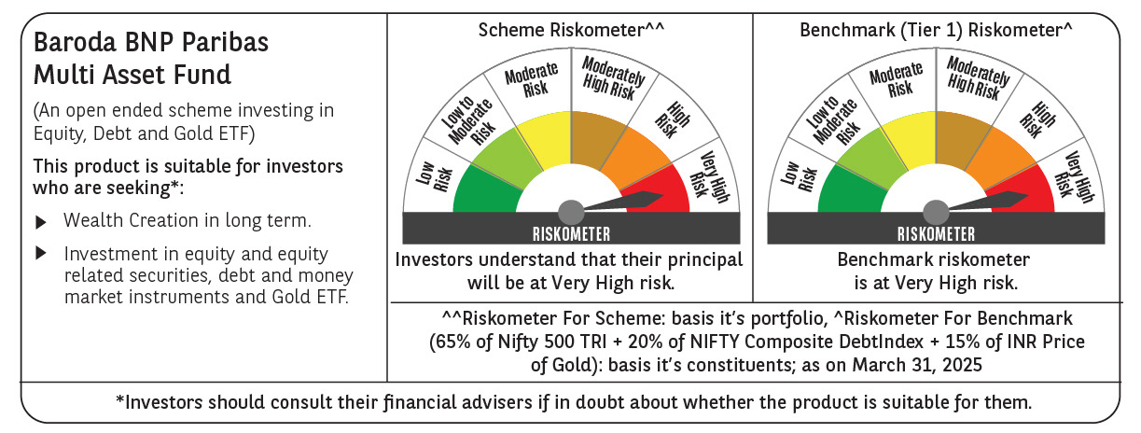
 | Baroda BNP Paribas Multi Asset Fund

 | Monthly Portfolio Statement as on March 31, 2025
 | Name of the Instrument | ISIN | Industry / Rating | Quantity | Market/Fair Value (Rs. in Lakhs) | % to Net Assets | YTM~ | YTC^ | null
 | Equity & Equity related
 | (a) Listed / awaiting listing on Stock Exchanges
HDFB03 | HDFC Bank Limited | INE040A01034 | Banks | 450,000 | 8,226.90 | 7.24%
IBCL05 | ICICI Bank Limited | INE090A01021 | Banks | 603,000 | 8,130.55 | 7.16%
RIND01 | Reliance Industries Limited | INE002A01018 | Petroleum Products | 495,000 | 6,311.75 | 5.56%
LARS02 | Larsen & Toubro Limited | INE018A01030 | Construction | 135,000 | 4,714.61 | 4.15%
TCSL01 | Tata Consultancy Services Limited | INE467B01029 | IT - Software | 129,600 | 4,673.57 | 4.11%
INFS02 | Infosys Limited | INE009A01021 | IT - Software | 225,270 | 3,538.20 | 3.11%
BTVL02 | Bharti Airtel Limited | INE397D01024 | Telecom - Services | 198,000 | 3,432.13 | 3.02%
ABBP01 | Hitachi Energy India Limited | INE07Y701011 | Electrical Equipment | 22,500 | 2,847.07 | 2.51%
BOCL01 | Linde India Limited | INE473A01011 | Chemicals & Petrochemicals | 40,500 | 2,534.25 | 2.23%
LAKM02 | Trent Limited | INE849A01020 | Retailing | 46,800 | 2,492.17 | 2.19%
SPIL03 | Sun Pharmaceutical Industries Limited | INE044A01036 | Pharmaceuticals & Biotechnology | 126,000 | 2,185.72 | 1.92%
MOTI02 | Bosch Limited | INE323A01026 | Auto Components | 7,600 | 2,155.24 | 1.90%
NAYV01 | NLC India Limited | INE589A01014 | Power | 810,000 | 1,981.83 | 1.74%
KOMA02 | Kotak Mahindra Bank Limited | INE237A01028 | Banks | 90,000 | 1,954.08 | 1.72%
NTPC01 | NTPC Limited | INE733E01010 | Power | 540,000 | 1,931.04 | 1.70%
BAFL02 | Bajaj Finance Limited | INE296A01024 | Finance | 20,700 | 1,851.74 | 1.63%
CIPL03 | Cipla Limited | INE059A01026 | Pharmaceuticals & Biotechnology | 126,000 | 1,817.17 | 1.60%
ESCO01 | Escorts Kubota Limited | INE042A01014 | Agricultural, Commercial & Construction Vehicles | 54,000 | 1,755.03 | 1.54%
GRAS02 | Grasim Industries Limited | INE047A01021 | Cement & Cement Products | 65,504 | 1,710.41 | 1.51%
HERO02 | Hero MotoCorp Limited | INE158A01026 | Automobiles | 40,500 | 1,507.79 | 1.33%
ULCC01 | UltraTech Cement Limited | INE481G01011 | Cement & Cement Products | 12,600 | 1,450.20 | 1.28%
HLEL02 | Hindustan Unilever Limited | INE030A01027 | Diversified FMCG | 63,000 | 1,423.08 | 1.25%
NEST02 | Nestle India Limited | INE239A01024 | Food Products | 63,000 | 1,417.97 | 1.25%
SBAI02 | State Bank of India | INE062A01020 | Banks | 162,000 | 1,249.83 | 1.10%
TELC03 | Tata Motors Limited | INE155A01022 | Automobiles | 144,000 | 971.21 | 0.85%
PSYL02 | Persistent Systems Limited | INE262H01021 | IT - Software | 17,100 | 942.85 | 0.83%
BHAH02 | Bharat Heavy Electricals Limited | INE257A01026 | Electrical Equipment | 405,000 | 876.54 | 0.77%
APLI04 | Hexaware Technologies Limited | INE093A01041 | IT - Software | 112,500 | 788.34 | 0.69%
VNBL03 | Varun Beverages Limited | INE200M01039 | Beverages | 135,000 | 728.53 | 0.64%
ADWI01 | Adani Wilmar Limited | INE699H01024 | Agricultural Food & other Products | 279,000 | 720.71 | 0.63%
TPOW02 | Tata Power Company Limited | INE245A01021 | Power | 144,000 | 540.58 | 0.48%
DRRL03 | Dr. Reddy's Laboratories Limited | INE089A01031 | Pharmaceuticals & Biotechnology | 45,000 | 514.89 | 0.45%
PFIZ01 | Pfizer Limited | INE182A01018 | Pharmaceuticals & Biotechnology | 9,900 | 396.45 | 0.35%
ALLI02 | GE Vernova T&D India Limited | INE200A01026 | Electrical Equipment | 24,300 | 378.78 | 0.33%
GMRI03 | GMR Airports Limited | INE776C01039 | Transport Infrastructure | 347,107 | 262.86 | 0.23%
SECH05 | UPL Limited Partly Paid Up FV 1 | IN9628A01026 | Fertilizers & Agrochemicals | 27,130 | 117.46 | 0.10%
ACSO01 | Acme Solar Holdings Ltd | INE622W01025 | Power | 41,665 | 79.99 | 0.07%
 | Sub Total |  |  |  | 78,611.52 | 69.17%
 | (b) Reits
BRFI01 | Brookfield India Real Estate Trust | INE0FDU25010 | Realty | 310,329 | 898.81 | 0.79%
 | Sub Total |  |  |  | 898.81 | 0.79%
 | (c) Invits
ISCI01 | Intelligent Supply Chain Infrastructure Trust | INE0QSW23016 | Miscellaneous | 400,000 | 440.00 | 0.39%
BHHI01 | Indus Infra Trust | INE0NHL23019 | Transport Infrastructure | 110,014 | 118.22 | 0.10%
 | Sub Total |  |  |  | 558.22 | 0.49%
 | (d) Unlisted |  |  |  | NIL | NIL
 | Sub Total |  |  |  | NIL | NIL
 | Total |  |  |  | 80,068.55 | 70.45%
 | Debt Instruments
 | (a) Listed / awaiting listing on Stock Exchange
NBAR805 | 7.53% National Bank For Agriculture and Rural Development (24/03/2028) | INE261F08EM1 | ICRA AAA | 2,500 | 2,513.23 | 2.21% | 7.32%
POWF534 | 7.27% Power Finance Corporation Limited (15/10/2031) ** | INE134E08ND3 | CRISIL AAA | 2,000 | 2,013.17 | 1.77% | 7.13%
RECL391 | 7.14% REC Limited (02/03/2030) ** | INE020B08CO0 | CRISIL AAA | 200 | 2,009.13 | 1.77% | 7.15%
IRLY383 | 7.37% Indian Railway Finance Corporation Limited (31/07/2029) | INE053F08411 | CRISIL AAA | 1,500 | 1,514.10 | 1.33% | 7.12%
MEBP30 | 8.03% Mindspace Business Parks REIT (10/12/2026) ** | INE0CCU07090 | CRISIL AAA | 1,500 | 1,508.22 | 1.33% | 7.91%
GOI5379 | 7.32% Government of India (13/11/2030) | IN0020230135 | Sovereign | 1,000,000 | 1,038.28 | 0.91% | 6.60%
MUFL414 | 8.85% Muthoot Finance Limited (30/01/2029) ** | INE414G07JA0 | CRISIL AA+ | 1,000 | 1,009.52 | 0.89% | 8.53%
EXIM794 | 7.35% Export Import Bank of India (27/07/2028) ** | INE514E08GE8 | CRISIL AAA | 1,000 | 1,009.16 | 0.89% | 7.04%
 | Sub Total |  |  |  | 12,614.81 | 11.10%
 | (b) Privately placed / Unlisted |  |  |  | NIL | NIL
 | Sub Total |  |  |  | NIL | NIL
 | Total |  |  |  | 12,614.81 | 11.10%
 | Money Market Instruments
 | Treasury Bill
TBIL2449 | 182 Days Tbill (MD 19/06/2025) | IN002024Y365 | Sovereign | 500,000 | 493.25 | 0.43% | 6.32%
TBIL2404 | 364 Days Tbill (MD 10/07/2025) | IN002024Z156 | Sovereign | 500,000 | 491.45 | 0.43% | 6.35%
 | Sub Total |  |  |  | 984.70 | 0.86%
 | Total |  |  |  | 984.70 | 0.86%
 | Others
 | Exchange Traded Funds
152231 | Baroda BNP Paribas Gold ETF-RG | INF251K01SU9 |  | 9,476,184 | 8,249.02 | 7.26%
BMGB51ME | Nippon India ETF Gold Bees | INF204KB17I5 |  | 11,115,000 | 8,242.88 | 7.25%
113049 | HDFC Gold ETF | INF179KC1981 |  | 1,665,000 | 1,280.72 | 1.13%
 | Sub Total |  |  |  | 17,772.62 | 15.64%
 | Total |  |  |  | 17,772.62 | 15.64%
 | Reverse Repo / TREPS
TRP_020425 | Clearing Corporation of India Ltd |  |  |  | 2,225.44 | 1.96% | 6.68%
 | Sub Total |  |  |  | 2,225.44 | 1.96%
 | (b) Privately placed / Unlisted |  |  |  | NIL | NIL
 | Sub Total |  |  |  | NIL | NIL
 | Total |  |  |  | 2,225.44 | 1.96%
 | Net Receivables / (Payables) |  |  |  | (47.07) | (0.01)%
 | GRAND TOTAL |  |  |  | 113,619.05 | 100.00%

 | ** Thinly Traded / Non Traded Security
 | ~ YTM as on March 31, 2025
 | ^ YTC represents Yield to Call provided by valuation agencies as on March 31, 2025. It is disclosed for Perpetual Bond issued by Banks (i.e. AT-1 Bond / Tier 1 Bond / Tier 2 Bond), as per AMFI Best Practices Guidelines Circular no. 135/BP/91/2020-21 read with SEBI circular No. SEBI/HO/IMD/DF4/CIR/P/2021/034 on Valuation of AT-1 Bonds and Tier 2 Bonds.

