T0ME26
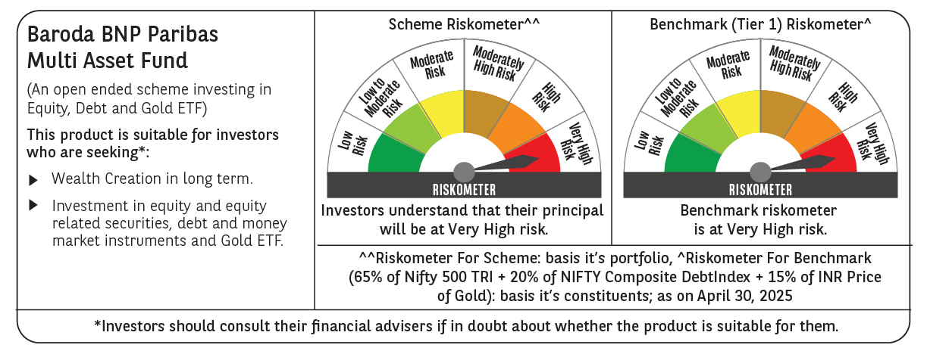
 | Baroda BNP Paribas Multi Asset Fund

 | Monthly Portfolio Statement as on April 30, 2025
 | Name of the Instrument | ISIN | Industry / Rating | Quantity | Market/Fair Value (Rs. in Lakhs) | % to Net Assets | YTM~ | YTC^ | null
 | Equity & Equity related
 | (a) Listed / awaiting listing on Stock Exchanges
HDFB03 | HDFC Bank Limited | INE040A01034 | Banks | 450,000 | 8,662.50 | 7.45%
IBCL05 | ICICI Bank Limited | INE090A01021 | Banks | 603,000 | 8,604.81 | 7.40%
RIND01 | Reliance Industries Limited | INE002A01018 | Petroleum Products | 495,000 | 6,954.75 | 5.98%
LARS02 | Larsen & Toubro Limited | INE018A01030 | Construction | 135,000 | 4,510.35 | 3.88%
TCSL01 | Tata Consultancy Services Limited | INE467B01029 | IT - Software | 117,000 | 4,040.83 | 3.48%
BTVL02 | Bharti Airtel Limited | INE397D01024 | Telecom - Services | 198,000 | 3,691.71 | 3.18%
INFS02 | Infosys Limited | INE009A01021 | IT - Software | 225,000 | 3,375.23 | 2.90%
ABBP01 | Hitachi Energy India Limited | INE07Y701011 | Electrical Equipment | 22,500 | 3,269.03 | 2.81%
BOCL01 | Linde India Limited | INE473A01011 | Chemicals & Petrochemicals | 40,500 | 2,566.08 | 2.21%
KOMA02 | Kotak Mahindra Bank Limited | INE237A01028 | Banks | 108,000 | 2,384.75 | 2.05%
SPIL03 | Sun Pharmaceutical Industries Limited | INE044A01036 | Pharmaceuticals & Biotechnology | 126,000 | 2,308.70 | 1.99%
MOTI02 | Bosch Limited | INE323A01026 | Auto Components | 7,600 | 2,238.58 | 1.93%
LAKM02 | Trent Limited | INE849A01020 | Retailing | 40,500 | 2,094.86 | 1.80%
CIPL03 | Cipla Limited | INE059A01026 | Pharmaceuticals & Biotechnology | 126,000 | 1,953.13 | 1.68%
NTPC01 | NTPC Limited | INE733E01010 | Power | 540,000 | 1,914.57 | 1.65%
GRAS02 | Grasim Industries Limited | INE047A01021 | Cement & Cement Products | 67,500 | 1,847.81 | 1.59%
NAYV01 | NLC India Limited | INE589A01014 | Power | 810,000 | 1,843.40 | 1.59%
BAFL02 | Bajaj Finance Limited | INE296A01024 | Finance | 20,700 | 1,787.34 | 1.54%
SBAI02 | State Bank of India | INE062A01020 | Banks | 225,000 | 1,774.46 | 1.53%
ESCO01 | Escorts Kubota Limited | INE042A01014 | Agricultural, Commercial & Construction Vehicles | 54,000 | 1,759.86 | 1.51%
NEST02 | Nestle India Limited | INE239A01024 | Food Products | 72,000 | 1,719.50 | 1.48%
HERO02 | Hero MotoCorp Limited | INE158A01026 | Automobiles | 40,500 | 1,550.10 | 1.33%
HLEL02 | Hindustan Unilever Limited | INE030A01027 | Diversified FMCG | 63,000 | 1,475.52 | 1.27%
ULCC01 | UltraTech Cement Limited | INE481G01011 | Cement & Cement Products | 12,600 | 1,466.77 | 1.26%
TELC03 | Tata Motors Limited | INE155A01022 | Automobiles | 144,000 | 927.72 | 0.80%
BHAH02 | Bharat Heavy Electricals Limited | INE257A01026 | Electrical Equipment | 405,000 | 918.70 | 0.79%
PSYL02 | Persistent Systems Limited | INE262H01021 | IT - Software | 17,100 | 909.98 | 0.78%
APLI04 | Hexaware Technologies Limited | INE093A01041 | IT - Software | 112,500 | 786.94 | 0.68%
ADWI01 | AWL Agri Business Limited | INE699H01024 | Agricultural Food & other Products | 279,000 | 745.07 | 0.64%
VNBL03 | Varun Beverages Limited | INE200M01039 | Beverages | 135,000 | 705.17 | 0.61%
TPOW02 | Tata Power Company Limited | INE245A01021 | Power | 144,000 | 553.54 | 0.48%
DRRL03 | Dr. Reddy's Laboratories Limited | INE089A01031 | Pharmaceuticals & Biotechnology | 45,000 | 532.76 | 0.46%
PFIZ01 | Pfizer Limited | INE182A01018 | Pharmaceuticals & Biotechnology | 9,900 | 424.99 | 0.37%
GMRI03 | GMR Airports Limited | INE776C01039 | Transport Infrastructure | 347,107 | 302.64 | 0.26%
ALLI02 | GE Vernova T&D India Limited | INE200A01026 | Electrical Equipment | 9,000 | 140.95 | 0.12%
SECH05 | UPL Limited Partly Paid Up FV 1 | IN9628A01026 | Fertilizers & Agrochemicals | 27,130 | 122.70 | 0.11%
 | Sub Total |  |  |  | 80,865.80 | 69.59%
 | (b) Reits
BRFI01 | Brookfield India Real Estate Trust | INE0FDU25010 | Realty | 310,329 | 898.25 | 0.77%
 | Sub Total |  |  |  | 898.25 | 0.77%
 | (c) Invits
ISCI01 | Intelligent Supply Chain Infrastructure Trust | INE0QSW23016 | Miscellaneous | 400,000 | 440.00 | 0.38%
BHHI01 | Indus Infra Trust | INE0NHL23019 | Transport Infrastructure | 110,014 | 120.66 | 0.10%
 | Sub Total |  |  |  | 560.66 | 0.48%
 | (d) Unlisted |  |  |  | NIL | NIL
 | Sub Total |  |  |  | NIL | NIL
 | Total |  |  |  | 82,324.71 | 70.84%
 | Debt Instruments
 | (a) Listed / awaiting listing on Stock Exchange
NBAR805 | 7.53% National Bank For Agriculture and Rural Development (24/03/2028) | INE261F08EM1 | ICRA AAA | 2,500 | 2,537.76 | 2.18% | 6.93%
GOI5728 | 7.34% Government of India (22/04/2064) | IN0020240035 | Sovereign | 2,000,000 | 2,144.01 | 1.84% | 6.93%
POWF534 | 7.27% Power Finance Corporation Limited (15/10/2031) ** | INE134E08ND3 | CRISIL AAA | 2,000 | 2,035.02 | 1.75% | 6.91%
RECL391 | 7.14% REC Limited (02/03/2030) ** | INE020B08CO0 | CRISIL AAA | 200 | 2,032.18 | 1.75% | 6.86%
IRLY383 | 7.37% Indian Railway Finance Corporation Limited (31/07/2029) ** | INE053F08411 | CRISIL AAA | 1,500 | 1,531.63 | 1.32% | 6.79%
MEBP30 | 8.03% Mindspace Business Parks REIT (10/12/2026) ** | INE0CCU07090 | CRISIL AAA | 1,500 | 1,519.12 | 1.31% | 7.38%
GOI5379 | 7.32% Government of India (13/11/2030) | IN0020230135 | Sovereign | 1,000,000 | 1,055.08 | 0.91% | 6.22%
MUFL414 | 8.85% Muthoot Finance Limited (30/01/2029) ** | INE414G07JA0 | CRISIL AA+ | 1,000 | 1,019.72 | 0.88% | 8.20%
EXIM794 | 7.35% Export Import Bank of India (27/07/2028) | INE514E08GE8 | CRISIL AAA | 1,000 | 1,015.84 | 0.87% | 6.79%
 | Sub Total |  |  |  | 14,890.36 | 12.81%
 | (b) Privately placed / Unlisted |  |  |  | NIL | NIL
 | Sub Total |  |  |  | NIL | NIL
 | Total |  |  |  | 14,890.36 | 12.81%
 | Others
 | Exchange Traded Funds
152231 | Baroda BNP Paribas Gold ETF-RG | INF251K01SU9 |  | 9,476,184 | 8,798.64 | 7.57%
BMGB51ME | Nippon India ETF Gold Bees | INF204KB17I5 |  | 11,115,000 | 8,790.85 | 7.56%
113049 | HDFC Gold ETF | INF179KC1981 |  | 1,375,130 | 1,123.34 | 0.97%
 | Sub Total |  |  |  | 18,712.83 | 16.10%
 | Total |  |  |  | 18,712.83 | 16.10%
 | Reverse Repo / TREPS
TRP_020525 | Clearing Corporation of India Ltd |  |  |  | 517.42 | 0.45% | 5.94%
 | Sub Total |  |  |  | 517.42 | 0.45%
 | (b) Privately placed / Unlisted |  |  |  | NIL | NIL
 | Sub Total |  |  |  | NIL | NIL
 | Total |  |  |  | 517.42 | 0.45%
 | Net Receivables / (Payables) |  |  |  | (219.48) | (0.20)%
 | GRAND TOTAL |  |  |  | 116,225.84 | 100.00%

 | ** Thinly Traded / Non Traded Security
 | ~ YTM as on April 30, 2025
 | ^ YTC represents Yield to Call provided by valuation agencies as on April 30, 2025. It is disclosed for Perpetual Bond issued by Banks (i.e. AT-1 Bond / Tier 1 Bond / Tier 2 Bond), as per AMFI Best Practices Guidelines Circular no. 135/BP/91/2020-21 read with SEBI circular No. SEBI/HO/IMD/DF4/CIR/P/2021/034 on Valuation of AT-1 Bonds and Tier 2 Bonds.

