T0ME26
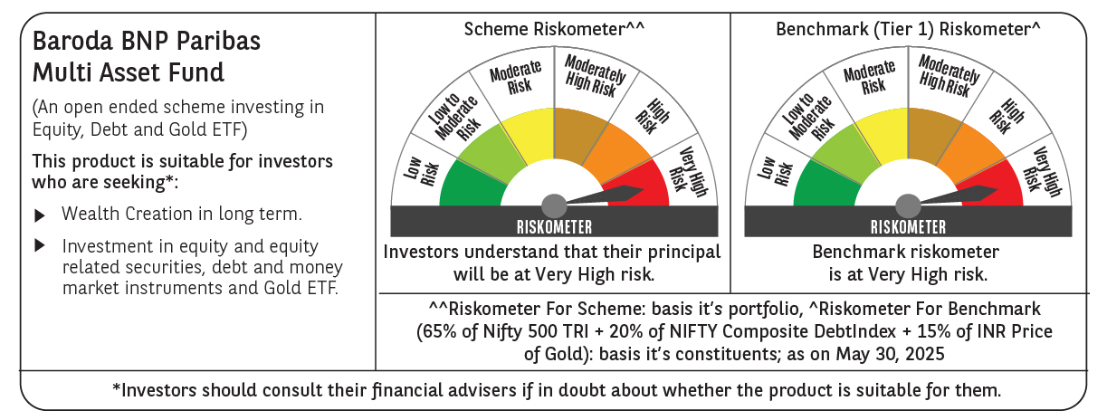
 | Baroda BNP Paribas Multi Asset Fund

 | Monthly Portfolio Statement as on May 31, 2025
 | Name of the Instrument | ISIN | Industry / Rating | Quantity | Market/Fair Value (Rs. in Lakhs) | % to Net Assets | YTM~ | YTC^ | null
 | Equity & Equity related
 | (a) Listed / awaiting listing on Stock Exchanges
HDFB03 | HDFC Bank Limited | INE040A01034 | Banks | 450,000 | 8,752.05 | 7.41%
IBCL05 | ICICI Bank Limited | INE090A01021 | Banks | 603,000 | 8,718.17 | 7.38%
RIND01 | Reliance Industries Limited | INE002A01018 | Petroleum Products | 450,000 | 6,394.05 | 5.41%
LARS02 | Larsen & Toubro Limited | INE018A01030 | Construction | 135,000 | 4,961.39 | 4.20%
ABBP01 | Hitachi Energy India Limited | INE07Y701011 | Electrical Equipment | 21,600 | 4,168.37 | 3.53%
TCSL01 | Tata Consultancy Services Limited | INE467B01029 | IT - Software | 112,500 | 3,896.33 | 3.30%
BTVL02 | Bharti Airtel Limited | INE397D01024 | Telecom - Services | 198,000 | 3,675.28 | 3.11%
INFS02 | Infosys Limited | INE009A01021 | IT - Software | 225,000 | 3,516.08 | 2.98%
BOCL01 | Linde India Limited | INE473A01011 | Chemicals & Petrochemicals | 40,500 | 3,039.73 | 2.57%
LAKM02 | Trent Limited | INE849A01020 | Retailing | 40,500 | 2,285.62 | 1.93%
MOTI02 | Bosch Limited | INE323A01026 | Auto Components | 7,200 | 2,261.88 | 1.91%
KOMA02 | Kotak Mahindra Bank Limited | INE237A01028 | Banks | 108,000 | 2,240.68 | 1.90%
SPIL03 | Sun Pharmaceutical Industries Limited | INE044A01036 | Pharmaceuticals & Biotechnology | 126,000 | 2,113.78 | 1.79%
NAYV01 | NLC India Limited | INE589A01014 | Power | 810,000 | 1,957.93 | 1.66%
BAFL02 | Bajaj Finance Limited | INE296A01024 | Finance | 20,700 | 1,900.36 | 1.61%
CIPL03 | Cipla Limited | INE059A01026 | Pharmaceuticals & Biotechnology | 126,000 | 1,846.78 | 1.56%
SBAI02 | State Bank of India | INE062A01020 | Banks | 225,000 | 1,827.68 | 1.55%
NTPC01 | NTPC Limited | INE733E01010 | Power | 540,000 | 1,803.06 | 1.53%
ESCO01 | Escorts Kubota Limited | INE042A01014 | Agricultural, Commercial & Construction Vehicles | 54,000 | 1,793.72 | 1.52%
HERO02 | Hero MotoCorp Limited | INE158A01026 | Automobiles | 40,500 | 1,745.27 | 1.48%
NEST02 | Nestle India Limited | INE239A01024 | Food Products | 72,000 | 1,725.26 | 1.46%
HLEL02 | Hindustan Unilever Limited | INE030A01027 | Diversified FMCG | 63,000 | 1,479.43 | 1.25%
ULCC01 | UltraTech Cement Limited | INE481G01011 | Cement & Cement Products | 12,600 | 1,412.46 | 1.20%
GRAS02 | Grasim Industries Limited | INE047A01021 | Cement & Cement Products | 54,000 | 1,374.73 | 1.16%
BHAH02 | Bharat Heavy Electricals Limited | INE257A01026 | Electrical Equipment | 405,000 | 1,052.31 | 0.89%
TELC03 | Tata Motors Limited | INE155A01022 | Automobiles | 144,000 | 1,036.08 | 0.88%
APLI04 | Hexaware Technologies Limited | INE093A01041 | IT - Software | 117,000 | 1,003.28 | 0.85%
PSYL02 | Persistent Systems Limited | INE262H01021 | IT - Software | 17,100 | 964.10 | 0.82%
DRRL03 | Dr. Reddy's Laboratories Limited | INE089A01031 | Pharmaceuticals & Biotechnology | 63,000 | 788.26 | 0.67%
ADWI01 | AWL Agri Business Limited | INE699H01024 | Agricultural Food & other Products | 279,000 | 767.25 | 0.65%
VNBL03 | Varun Beverages Limited | INE200M01039 | Beverages | 144,000 | 685.37 | 0.58%
TPOW02 | Tata Power Company Limited | INE245A01021 | Power | 162,000 | 636.34 | 0.54%
PFIZ01 | Pfizer Limited | INE182A01018 | Pharmaceuticals & Biotechnology | 10,350 | 580.98 | 0.49%
GMRI03 | GMR Airports Limited | INE776C01039 | Transport Infrastructure | 347,107 | 291.85 | 0.25%
SECH05 | UPL Limited Partly Paid Up FV 1 | IN9628A01026 | Fertilizers & Agrochemicals | 27,130 | 111.19 | 0.09%
SCLB01 | Schloss Bangalore Limited | INE0AQ201015 | Miscellaneous | 222,088 | 966.08 | 0.82%
 | Sub Total |  |  |  | 83,773.18 | 70.93%
 | (b) Reits
BRFI01 | Brookfield India Real Estate Trust | INE0FDU25010 | Realty | 310,329 | 949.42 | 0.80%
 | Sub Total |  |  |  | 949.42 | 0.80%
 | (c) Invits
ISCI01 | Intelligent Supply Chain Infrastructure Trust | INE0QSW23016 | Miscellaneous | 400,000 | 480.00 | 0.41%
BHHI01 | Indus Infra Trust | INE0NHL23019 | Transport Infrastructure | 110,014 | 123.07 | 0.10%
 | Sub Total |  |  |  | 603.07 | 0.51%
 | (d) Unlisted |  |  |  | NIL | NIL
 | Sub Total |  |  |  | NIL | NIL
 | Total |  |  |  | 85,325.67 | 72.24%
 | Derivatives
 | Index / Stock Futures
GRASJUN25 | Grasim Industries Limited June 2025 Future |  |  | -27,000 | (691.25) | (0.58)%
 | Sub Total |  |  |  | (691.25) | (0.58)%
 | Total |  |  |  | (691.25) | (0.58)%
 | Debt Instruments
 | (a) Listed / awaiting listing on Stock Exchange
NBAR805 | 7.53% National Bank For Agriculture and Rural Development (24/03/2028) ** | INE261F08EM1 | ICRA AAA | 2,500 | 2,556.38 | 2.16% | 6.61%
POWF534 | 7.27% Power Finance Corporation Limited (15/10/2031) ** | INE134E08ND3 | CRISIL AAA | 2,000 | 2,058.90 | 1.74% | 6.68%
RECL391 | 7.14% REC Limited (02/03/2030) ** | INE020B08CO0 | CRISIL AAA | 200 | 2,050.09 | 1.73% | 6.62%
IRLY383 | 7.37% Indian Railway Finance Corporation Limited (31/07/2029) ** | INE053F08411 | CRISIL AAA | 1,500 | 1,542.68 | 1.31% | 6.57%
MEBP30 | 8.03% Mindspace Business Parks REIT (10/12/2026) ** | INE0CCU07090 | CRISIL AAA | 1,500 | 1,522.86 | 1.29% | 7.15%
GOI5728 | 7.34% Government of India (22/04/2064) | IN0020240035 | Sovereign | 1,000,000 | 1,064.43 | 0.90% | 6.98%
GOI5379 | 7.32% Government of India (13/11/2030) | IN0020230135 | Sovereign | 1,000,000 | 1,063.33 | 0.90% | 6.03%
EXIM794 | 7.35% Export Import Bank of India (27/07/2028) | INE514E08GE8 | CRISIL AAA | 1,000 | 1,024.08 | 0.87% | 6.48%
MUFL414 | 8.85% Muthoot Finance Limited (30/01/2029) ** | INE414G07JA0 | CRISIL AA+ | 1,000 | 1,020.56 | 0.86% | 8.15%
 | Sub Total |  |  |  | 13,903.31 | 11.76%
 | (b) Privately placed / Unlisted |  |  |  | NIL | NIL
 | Sub Total |  |  |  | NIL | NIL
 | Total |  |  |  | 13,903.31 | 11.76%
 | Others
 | Exchange Traded Funds
BMGB51ME | Nippon India ETF Gold Bees | INF204KB17I5 |  | 11,115,000 | 8,835.31 | 7.48%
152231 | Baroda BNP Paribas Gold ETF-RG | INF251K01SU9 |  | 9,476,184 | 8,812.85 | 7.46%
113049 | HDFC Gold ETF | INF179KC1981 |  | 720,000 | 591.62 | 0.50%
 | Sub Total |  |  |  | 18,239.78 | 15.44%
 | Total |  |  |  | 18,239.78 | 15.44%
 | Reverse Repo / TREPS
TRP_020625 | Clearing Corporation of India Ltd |  |  |  | 858.77 | 0.73% | 5.77%
 | Sub Total |  |  |  | 858.77 | 0.73%
 | (b) Privately placed / Unlisted |  |  |  | NIL | NIL
 | Sub Total |  |  |  | NIL | NIL
 | Total |  |  |  | 858.77 | 0.73%
 | Net Receivables / (Payables) |  |  |  | 541.93 | 0.41%
 | GRAND TOTAL |  |  |  | 118,178.21 | 100.00%

 | ** Thinly Traded / Non Traded Security
 | ~ YTM as on May 31, 2025
 | ^ YTC represents Yield to Call provided by valuation agencies as on May 31, 2025. It is disclosed for Perpetual Bond issued by Banks (i.e. AT-1 Bond / Tier 1 Bond / Tier 2 Bond), as per AMFI Best Practices Guidelines Circular no. 135/BP/91/2020-21 read with SEBI circular No. SEBI/HO/IMD/DF4/CIR/P/2021/034 on Valuation of AT-1 Bonds and Tier 2 Bonds.
 | Details of Stock Future / Index Future
 | Long/Short | Name of the Instrument | Industry | Quantity. | Market/Fair Value (Rs. in Lacs). | % to NAV.
 | Short | Grasim Industries Limited_26/06/2025 | Cement & Cement Products | 27,000 | 691.25 | 0.58%

