T0ME26
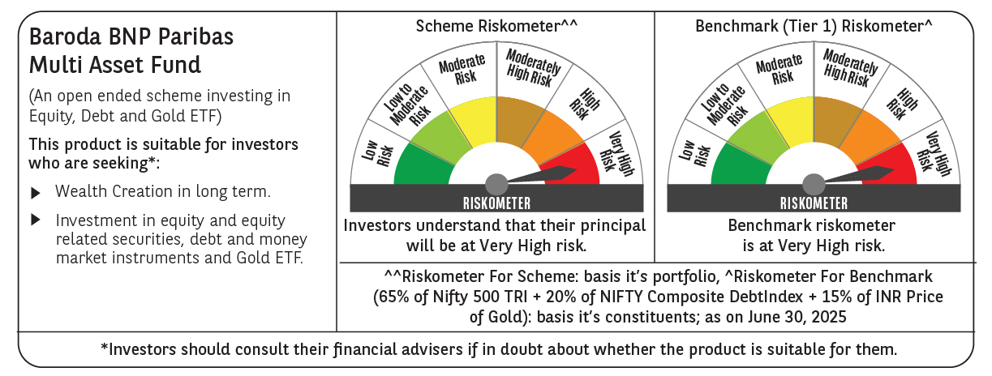
 | Baroda BNP Paribas Multi Asset Fund

 | Monthly Portfolio Statement as on June 30, 2025
 | Name of the Instrument | ISIN | Industry / Rating | Quantity | Market/Fair Value (Rs. in Lakhs) | % to Net Assets | YTM~ | YTC^ | null
 | Equity & Equity related
 | (a) Listed / awaiting listing on Stock Exchanges
HDFB03 | HDFC Bank Limited | INE040A01034 | Banks | 450,000 | 9,006.75 | 7.51%
IBCL05 | ICICI Bank Limited | INE090A01021 | Banks | 603,000 | 8,718.17 | 7.27%
RIND01 | Reliance Industries Limited | INE002A01018 | Petroleum Products | 441,000 | 6,617.65 | 5.52%
LARS02 | Larsen & Toubro Limited | INE018A01030 | Construction | 135,000 | 4,954.23 | 4.13%
ABBP01 | Hitachi Energy India Limited | INE07Y701011 | Electrical Equipment | 20,250 | 4,051.42 | 3.38%
BTVL02 | Bharti Airtel Limited | INE397D01024 | Telecom - Services | 198,000 | 3,979.01 | 3.32%
INFS02 | Infosys Limited | INE009A01021 | IT - Software | 234,000 | 3,748.21 | 3.12%
TCSL01 | Tata Consultancy Services Limited | INE467B01029 | IT - Software | 90,000 | 3,115.80 | 2.60%
BOCL01 | Linde India Limited | INE473A01011 | Chemicals & Petrochemicals | 40,500 | 2,695.48 | 2.25%
LAKM02 | Trent Limited | INE849A01020 | Retailing | 40,500 | 2,518.09 | 2.10%
KOMA02 | Kotak Mahindra Bank Limited | INE237A01028 | Banks | 108,000 | 2,336.58 | 1.95%
SPIL03 | Sun Pharmaceutical Industries Limited | INE044A01036 | Pharmaceuticals & Biotechnology | 126,000 | 2,111.38 | 1.76%
MOTI02 | Bosch Limited | INE323A01026 | Auto Components | 6,300 | 2,058.84 | 1.72%
BAFL03 | Bajaj Finance Limited | INE296A01032 | Finance | 207,000 | 1,938.56 | 1.62%
NAYV01 | NLC India Limited | INE589A01014 | Power | 810,000 | 1,865.19 | 1.55%
SBAI02 | State Bank of India | INE062A01020 | Banks | 225,000 | 1,845.79 | 1.54%
NTPC01 | NTPC Limited | INE733E01010 | Power | 540,000 | 1,808.46 | 1.51%
ESCO01 | Escorts Kubota Limited | INE042A01014 | Agricultural, Commercial & Construction Vehicles | 54,000 | 1,800.68 | 1.50%
NEST02 | Nestle India Limited | INE239A01024 | Food Products | 72,000 | 1,775.02 | 1.48%
HERO02 | Hero MotoCorp Limited | INE158A01026 | Automobiles | 40,500 | 1,716.03 | 1.43%
CIPL03 | Cipla Limited | INE059A01026 | Pharmaceuticals & Biotechnology | 108,000 | 1,626.37 | 1.36%
GRAS02 | Grasim Industries Limited | INE047A01021 | Cement & Cement Products | 54,000 | 1,536.03 | 1.28%
BHAH02 | Bharat Heavy Electricals Limited | INE257A01026 | Electrical Equipment | 405,000 | 1,078.52 | 0.90%
DRRL03 | Dr. Reddy's Laboratories Limited | INE089A01031 | Pharmaceuticals & Biotechnology | 81,000 | 1,039.47 | 0.87%
PSYL02 | Persistent Systems Limited | INE262H01021 | IT - Software | 17,100 | 1,033.10 | 0.86%
APLI04 | Hexaware Technologies Limited | INE093A01041 | IT - Software | 117,000 | 995.14 | 0.83%
TELC03 | Tata Motors Limited | INE155A01022 | Automobiles | 144,000 | 990.72 | 0.83%
ICEM01 | The India Cements Limited | INE383A01012 | Cement & Cement Products | 261,238 | 900.88 | 0.75%
SCLB01 | Schloss Bangalore Limited | INE0AQ201015 | Leisure Services | 222,088 | 899.79 | 0.75%
HLEL02 | Hindustan Unilever Limited | INE030A01027 | Diversified FMCG | 38,283 | 878.44 | 0.73%
ADWI01 | AWL Agri Business Limited | INE699H01024 | Agricultural Food & other Products | 279,000 | 725.26 | 0.60%
VNBL03 | Varun Beverages Limited | INE200M01039 | Beverages | 144,000 | 658.87 | 0.55%
TPOW02 | Tata Power Company Limited | INE245A01021 | Power | 162,000 | 656.83 | 0.55%
PFIZ01 | Pfizer Limited | INE182A01018 | Pharmaceuticals & Biotechnology | 10,350 | 587.62 | 0.49%
IIFM02 | 360 One WAM Limited | INE466L01038 | Capital Markets | 27,000 | 322.52 | 0.27%
GMRI03 | GMR Airports Limited | INE776C01039 | Transport Infrastructure | 347,107 | 295.70 | 0.25%
SECH05 | UPL Limited | IN9628A01026 | Fertilizers & Agrochemicals | 27,130 | 116.84 | 0.10%
 | Sub Total |  |  |  | 83,003.44 | 69.23%
 | (b) Reits
BRFI01 | Brookfield India Real Estate Trust | INE0FDU25010 | Realty | 310,329 | 977.29 | 0.81%
 | Sub Total |  |  |  | 977.29 | 0.81%
 | (c) Invits
ISCI01 | Intelligent Supply Chain Infrastructure Trust | INE0QSW23016 | Miscellaneous | 400,000 | 480.00 | 0.40%
BHHI01 | Indus Infra Trust | INE0NHL23019 | Transport Infrastructure | 110,014 | 119.43 | 0.10%
 | Sub Total |  |  |  | 599.43 | 0.50%
 | (d) Unlisted |  |  |  | NIL | NIL
 | Sub Total |  |  |  | NIL | NIL
 | Total |  |  |  | 84,580.16 | 70.54%
 | Derivatives
 | Index / Stock Futures
KPELJUL25 | KPIT Technologies Limited July 2025 Future |  |  | 72,000 | 907.85 | 0.76%
YESBJUL25 | Yes Bank Limited July 2025 Future |  |  | 2,239,200 | 458.14 | 0.38%
NIFTYFJUL25 | NIFTY July 2025 Future |  |  | -900 | (230.53) | (0.19)%
GRASJUL25 | Grasim Industries Limited July 2025 Future |  |  | -27,000 | (773.01) | (0.64)%
 | Sub Total |  |  |  | 362.45 | 0.31%
 | Total |  |  |  | 362.45 | 0.31%
 | Debt Instruments
 | (a) Listed / awaiting listing on Stock Exchange
IRLY383 | 7.37% Indian Railway Finance Corporation Limited (31/07/2029) ** | INE053F08411 | CRISIL AAA | 3,500 | 3,577.65 | 2.98% | 6.73%
POWF534 | 7.27% Power Finance Corporation Limited (15/10/2031) ** | INE134E08ND3 | CRISIL AAA | 2,000 | 2,034.06 | 1.70% | 6.92%
NBAR805 | 7.53% National Bank For Agriculture and Rural Development (24/03/2028) ** | INE261F08EM1 | ICRA AAA | 1,500 | 1,528.31 | 1.27% | 6.73%
GOI5379 | 7.32% Government of India (13/11/2030) | IN0020230135 | Sovereign | 1,000,000 | 1,053.67 | 0.88% | 6.22%
GOI5728 | 7.34% Government of India (22/04/2064) | IN0020240035 | Sovereign | 1,000,000 | 1,030.04 | 0.86% | 7.24%
EXIM794 | 7.35% Export Import Bank of India (27/07/2028) | INE514E08GE8 | CRISIL AAA | 1,000 | 1,021.82 | 0.85% | 6.54%
MUFL414 | 8.85% Muthoot Finance Limited (30/01/2029) ** | INE414G07JA0 | CRISIL AA+ | 1,000 | 1,020.53 | 0.85% | 8.14%
 | Sub Total |  |  |  | 11,266.08 | 9.39%
 | (b) Privately placed / Unlisted |  |  |  | NIL | NIL
 | Sub Total |  |  |  | NIL | NIL
 | Total |  |  |  | 11,266.08 | 9.39%
 | Money Market Instruments
 | Certificate of Deposit
UNBI412 | Union Bank of India (18/12/2025) # | INE692A16II0 | FITCH A1+ | 200 | 972.33 | 0.81% | 6.11%
 | Sub Total |  |  |  | 972.33 | 0.81%
 | Total |  |  |  | 972.33 | 0.81%
 | Others
 | Exchange Traded Funds
BMGB51ME | Nippon India ETF Gold Bees | INF204KB17I5 |  | 11,115,000 | 8,890.89 | 7.41%
152231 | Baroda BNP Paribas Gold ETF-RG | INF251K01SU9 |  | 9,476,184 | 8,869.71 | 7.39%
113049 | HDFC Gold ETF | INF179KC1981 |  | 270,000 | 222.83 | 0.19%
 | Sub Total |  |  |  | 17,983.43 | 14.99%
 | Total |  |  |  | 17,983.43 | 14.99%
 | Reverse Repo / TREPS
TRP_010725 | Clearing Corporation of India Ltd |  |  |  | 2,290.00 | 1.91% | 5.47%
 | Sub Total |  |  |  | 2,290.00 | 1.91%
 | (b) Privately placed / Unlisted |  |  |  | NIL | NIL
 | Sub Total |  |  |  | NIL | NIL
 | Total |  |  |  | 2,290.00 | 1.91%
 | Net Receivables / (Payables) |  |  |  | 2,508.86 | 2.05%
 | GRAND TOTAL |  |  |  | 119,963.31 | 100.00%

 | ** Thinly Traded / Non Traded Security
 | # Unlisted Security
 | ~ YTM as on June 30, 2025
 | ^ YTC represents Yield to Call provided by valuation agencies as on June 30, 2025. It is disclosed for Perpetual Bond issued by Banks (i.e. AT-1 Bond / Tier 1 Bond / Tier 2 Bond), as per AMFI Best Practices Guidelines Circular no. 135/BP/91/2020-21 read with SEBI circular No. SEBI/HO/IMD/DF4/CIR/P/2021/034 on Valuation of AT-1 Bonds and Tier 2 Bonds.
 | Details of Stock Future / Index Future
 | Long/Short | Name of the Instrument | Industry | Quantity. | Market/Fair Value (Rs. in Lacs). | % to NAV.
 | Long | KPIT Technologies Limited_31/07/2025 | IT - Software | 72,000 | 907.85 | 0.76%
 | Short | Grasim Industries Limited_31/07/2025 | Cement & Cement Products | 27,000 | 773.01 | 0.64%
 | Long | Yes Bank Limited_31/07/2025 | Banks | 2,239,200 | 458.14 | 0.38%
 | Short | NIFTY_31/07/2025 | Index | 900 | 230.53 | 0.19%

