T0ME26
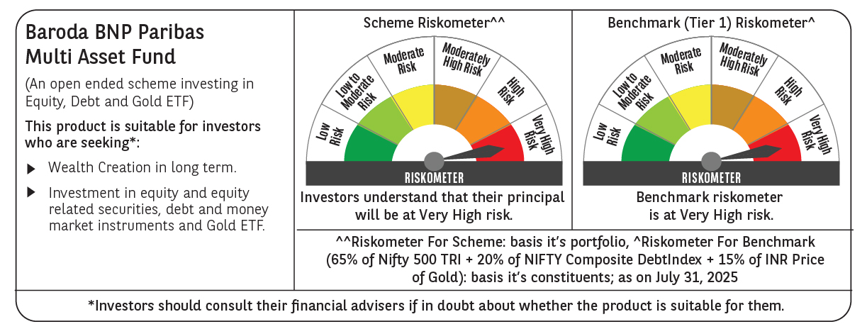
 | Baroda BNP Paribas Multi Asset Fund

 | Monthly Portfolio Statement as on July 31, 2025
 | Name of the Instrument | ISIN | Industry / Rating | Quantity | Market/Fair Value (Rs. in Lakhs) | % to Net Assets | YTM~ | YTC^ | null
 | Equity & Equity related
 | (a) Listed / awaiting listing on Stock Exchanges
HDFB03 | HDFC Bank Limited | INE040A01034 | Banks | 450,000 | 9,081.90 | 7.57%
IBCL05 | ICICI Bank Limited | INE090A01021 | Banks | 612,000 | 9,066.17 | 7.55%
RIND01 | Reliance Industries Limited | INE002A01018 | Petroleum Products | 441,000 | 6,130.78 | 5.11%
LARS02 | Larsen & Toubro Limited | INE018A01030 | Construction | 135,000 | 4,909.28 | 4.09%
ABBP01 | Hitachi Energy India Limited | INE07Y701011 | Electrical Equipment | 20,250 | 4,069.24 | 3.39%
BTVL02 | Bharti Airtel Limited | INE397D01024 | Telecom - Services | 198,000 | 3,790.31 | 3.16%
INFS02 | Infosys Limited | INE009A01021 | IT - Software | 234,000 | 3,531.06 | 2.94%
TCSL01 | Tata Consultancy Services Limited | INE467B01029 | IT - Software | 90,000 | 2,733.12 | 2.28%
BOCL01 | Linde India Limited | INE473A01011 | Chemicals & Petrochemicals | 40,500 | 2,662.27 | 2.22%
MOTI02 | Bosch Limited | INE323A01026 | Auto Components | 6,300 | 2,544.26 | 2.12%
SPIL03 | Sun Pharmaceutical Industries Limited | INE044A01036 | Pharmaceuticals & Biotechnology | 126,000 | 2,150.44 | 1.79%
KOMA02 | Kotak Mahindra Bank Limited | INE237A01028 | Banks | 108,000 | 2,136.89 | 1.78%
NAYV01 | NLC India Limited | INE589A01014 | Power | 810,000 | 1,962.23 | 1.63%
LAKM02 | Trent Limited | INE849A01020 | Retailing | 38,700 | 1,941.97 | 1.62%
BAFL03 | Bajaj Finance Limited | INE296A01032 | Finance | 207,000 | 1,824.08 | 1.52%
ESCO01 | Escorts Kubota Limited | INE042A01014 | Agricultural, Commercial & Construction Vehicles | 54,000 | 1,813.97 | 1.51%
NTPC01 | NTPC Limited | INE733E01010 | Power | 540,000 | 1,804.95 | 1.50%
SBAI02 | State Bank of India | INE062A01020 | Banks | 225,000 | 1,792.24 | 1.49%
HERO02 | Hero MotoCorp Limited | INE158A01026 | Automobiles | 40,500 | 1,725.58 | 1.44%
CIPL03 | Cipla Limited | INE059A01026 | Pharmaceuticals & Biotechnology | 108,000 | 1,678.97 | 1.40%
NEST02 | Nestle India Limited | INE239A01024 | Food Products | 72,000 | 1,618.34 | 1.35%
GRAS02 | Grasim Industries Limited | INE047A01021 | Cement & Cement Products | 54,000 | 1,483.06 | 1.24%
DRRL03 | Dr. Reddy's Laboratories Limited | INE089A01031 | Pharmaceuticals & Biotechnology | 81,000 | 1,028.94 | 0.86%
ICEM01 | The India Cements Limited | INE383A01012 | Cement & Cement Products | 270,000 | 996.57 | 0.83%
BHAH02 | Bharat Heavy Electricals Limited | INE257A01026 | Electrical Equipment | 405,000 | 965.72 | 0.80%
HLEL02 | Hindustan Unilever Limited | INE030A01027 | Diversified FMCG | 38,283 | 965.19 | 0.80%
TELC03 | Tata Motors Limited | INE155A01022 | Automobiles | 144,000 | 958.97 | 0.80%
SCLB01 | Schloss Bangalore Limited | INE0AQ201015 | Leisure Services | 222,088 | 919.00 | 0.77%
PSYL02 | Persistent Systems Limited | INE262H01021 | IT - Software | 17,100 | 882.45 | 0.74%
APLI04 | Hexaware Technologies Limited | INE093A01041 | IT - Software | 117,000 | 823.68 | 0.69%
VNBL03 | Varun Beverages Limited | INE200M01039 | Beverages | 144,000 | 752.54 | 0.63%
HDBF01 | HDB Financial Services Limited | INE756I01012 | Finance | 90,000 | 682.70 | 0.57%
PFIZ01 | Pfizer Limited | INE182A01018 | Pharmaceuticals & Biotechnology | 10,533 | 547.14 | 0.46%
IIFM02 | 360 One WAM Limited | INE466L01038 | Capital Markets | 45,000 | 473.72 | 0.39%
TRFO01 | Travel Food Services Limited | INE103V01028 | Leisure Services | 44,709 | 467.57 | 0.39%
ADWI01 | AWL Agri Business Limited | INE699H01024 | Agricultural Food & other Products | 167,710 | 439.74 | 0.37%
GMRI03 | GMR Airports Limited | INE776C01039 | Transport Infrastructure | 347,107 | 312.60 | 0.26%
SECH05 | UPL Limited | IN9628A01026 | Fertilizers & Agrochemicals | 27,130 | 139.94 | 0.12%
INSP01 | Indiqube Spaces Limited | INE06ST01018 | Commercial Services & Supplies | 51,070 | 111.55 | 0.09%
SMAW01 | Smartworks Coworking Spaces Ltd | INE0NAZ01010 | Commercial Services & Supplies | 13,500 | 57.44 | 0.05%
 | Sub Total |  |  |  | 81,976.57 | 68.32%
 | (b) Reits
BRFI01 | Brookfield India Real Estate Trust | INE0FDU25010 | Realty | 310,329 | 976.54 | 0.81%
EOPR01 | Embassy Office Parks REIT | INE041025011 | Realty | 35,000 | 138.49 | 0.12%
 | Sub Total |  |  |  | 1,115.03 | 0.93%
 | (c) Invits
ISCI01 | Intelligent Supply Chain Infrastructure Trust | INE0QSW23016 | Miscellaneous | 400,000 | 480.00 | 0.40%
BHHI01 | Indus Infra Trust | INE0NHL23019 | Transport Infrastructure | 110,014 | 126.54 | 0.11%
 | Sub Total |  |  |  | 606.54 | 0.51%
 | (d) Unlisted |  |  |  | NIL | NIL
 | Sub Total |  |  |  | NIL | NIL
 | Total |  |  |  | 83,698.14 | 69.76%
 | Derivatives
 | Index / Stock Futures
KPELAUG25 | KPIT Technologies Limited August 2025 Future |  |  | 36,000 | 442.40 | 0.37%
YESBAUG25 | Yes Bank Limited August 2025 Future |  |  | 2,239,200 | 426.12 | 0.35%
 | Sub Total |  |  |  | 868.52 | 0.72%
 | Total |  |  |  | 868.52 | 0.72%
 | Debt Instruments
 | (a) Listed / awaiting listing on Stock Exchange
IRLY383 | 7.37% Indian Railway Finance Corporation Limited (31/07/2029) ** | INE053F08411 | CRISIL AAA | 3,500 | 3,585.59 | 2.99% | 6.65%
GOI5728 | 7.34% Government of India (22/04/2064) | IN0020240035 | Sovereign | 2,000,000 | 2,059.34 | 1.72% | 7.24%
POWF534 | 7.27% Power Finance Corporation Limited (15/10/2031) ** | INE134E08ND3 | CRISIL AAA | 2,000 | 2,036.43 | 1.70% | 6.90%
NBAR805 | 7.53% National Bank For Agriculture and Rural Development (24/03/2028) | INE261F08EM1 | ICRA AAA | 1,500 | 1,529.67 | 1.27% | 6.67%
GOI5379 | 7.32% Government of India (13/11/2030) | IN0020230135 | Sovereign | 1,000,000 | 1,053.75 | 0.88% | 6.20%
MUFL414 | 8.85% Muthoot Finance Limited (30/01/2029) ** | INE414G07JA0 | CRISIL AA+ | 1,000 | 1,025.50 | 0.85% | 7.96%
EXIM794 | 7.35% Export Import Bank of India (27/07/2028) | INE514E08GE8 | CRISIL AAA | 1,000 | 1,022.20 | 0.85% | 6.51%
EXIM803 | 7.12% Export Import Bank of India (27/06/2030) | INE514E08GF5 | CRISIL AAA | 500 | 508.33 | 0.42% | 6.71%
 | Sub Total |  |  |  | 12,820.81 | 10.68%
 | (b) Privately placed / Unlisted |  |  |  | NIL | NIL
 | Sub Total |  |  |  | NIL | NIL
 | Total |  |  |  | 12,820.81 | 10.68%
 | Others
 | Exchange Traded Funds
152231 | Baroda BNP Paribas Gold ETF-RG | INF251K01SU9 |  | 9,476,184 | 9,144.52 | 7.62%
BMGB51ME | Nippon India ETF Gold Bees | INF204KB17I5 |  | 11,115,000 | 9,136.53 | 7.61%
 | Sub Total |  |  |  | 18,281.05 | 15.23%
 | Total |  |  |  | 18,281.05 | 15.23%
 | Reverse Repo / TREPS
TRP_010825 | Clearing Corporation of India Ltd |  |  |  | 5,016.66 | 4.18% | 5.42%
 | Sub Total |  |  |  | 5,016.66 | 4.18%
 | (b) Privately placed / Unlisted |  |  |  | NIL | NIL
 | Sub Total |  |  |  | NIL | NIL
 | Total |  |  |  | 5,016.66 | 4.18%
 | Net Receivables / (Payables) |  |  |  | (637.38) | (0.57)%
 | GRAND TOTAL |  |  |  | 120,047.80 | 100.00%

 | ** Thinly Traded / Non Traded Security
 | ~ YTM as on July 31, 2025
 | ^ YTC represents Yield to Call provided by valuation agencies as on July 31, 2025. It is disclosed for Perpetual Bond issued by Banks (i.e. AT-1 Bond / Tier 1 Bond / Tier 2 Bond), as per AMFI Best Practices Guidelines Circular no. 135/BP/91/2020-21 read with SEBI circular No. SEBI/HO/IMD/DF4/CIR/P/2021/034 on Valuation of AT-1 Bonds and Tier 2 Bonds.
 | Details of Stock Future / Index Future
 | Long/Short | Name of the Instrument | Industry | Quantity. | Market/Fair Value (Rs. in Lacs). | % to NAV.
 | Long | KPIT Technologies Limited_28/08/2025 | IT - Software | 36,000 | 442.40 | 0.37%
 | Long | Yes Bank Limited_28/08/2025 | Banks | 2,239,200 | 426.12 | 0.35%

