T0ME26
 | Baroda BNP Paribas Multi Asset Fund

 | Monthly Portfolio Statement as on August 31, 2025
 | Name of the Instrument | ISIN | Industry / Rating | Quantity | Market/Fair Value (Rs. in Lakhs) | % to Net Assets | YTM~ | YTC^ | null
 | Equity & Equity related
 | (a) Listed / awaiting listing on Stock Exchanges
HDFB03 | HDFC Bank Limited | INE040A01034 | Banks | 900,000 | 8,564.40 | 7.17%
IBCL05 | ICICI Bank Limited | INE090A01021 | Banks | 612,000 | 8,554.54 | 7.16%
RIND01 | Reliance Industries Limited | INE002A01018 | Petroleum Products | 441,000 | 5,985.25 | 5.01%
LARS02 | Larsen & Toubro Limited | INE018A01030 | Construction | 135,000 | 4,861.35 | 4.07%
ABBP01 | Hitachi Energy India Limited | INE07Y701011 | Electrical Equipment | 20,250 | 3,869.78 | 3.24%
BTVL02 | Bharti Airtel Limited | INE397D01024 | Telecom - Services | 198,000 | 3,739.82 | 3.13%
INFS02 | Infosys Limited | INE009A01021 | IT - Software | 234,000 | 3,438.86 | 2.88%
TCSL01 | Tata Consultancy Services Limited | INE467B01029 | IT - Software | 90,000 | 2,776.23 | 2.33%
BOCL01 | Linde India Limited | INE473A01011 | Chemicals & Petrochemicals | 40,500 | 2,583.29 | 2.16%
MOTI02 | Bosch Limited | INE323A01026 | Auto Components | 6,300 | 2,517.48 | 2.11%
KOMA02 | Kotak Mahindra Bank Limited | INE237A01028 | Banks | 108,000 | 2,117.12 | 1.77%
HERO02 | Hero MotoCorp Limited | INE158A01026 | Automobiles | 40,500 | 2,060.52 | 1.73%
SPIL03 | Sun Pharmaceutical Industries Limited | INE044A01036 | Pharmaceuticals & Biotechnology | 126,000 | 2,009.07 | 1.68%
LAKM02 | Trent Limited | INE849A01020 | Retailing | 37,800 | 2,002.64 | 1.68%
ESCO01 | Escorts Kubota Limited | INE042A01014 | Agricultural, Commercial & Construction Vehicles | 54,000 | 1,926.61 | 1.61%
NAYV01 | NLC India Limited | INE589A01014 | Power | 810,000 | 1,823.72 | 1.53%
BAFL03 | Bajaj Finance Limited | INE296A01032 | Finance | 207,000 | 1,817.15 | 1.52%
SBAI02 | State Bank of India | INE062A01020 | Banks | 225,000 | 1,805.63 | 1.51%
NTPC01 | NTPC Limited | INE733E01010 | Power | 540,000 | 1,768.77 | 1.48%
CIPL03 | Cipla Limited | INE059A01026 | Pharmaceuticals & Biotechnology | 108,000 | 1,716.55 | 1.44%
NEST02 | Nestle India Limited | INE239A01024 | Food Products | 144,000 | 1,664.93 | 1.39%
GRAS02 | Grasim Industries Limited | INE047A01021 | Cement & Cement Products | 54,000 | 1,498.82 | 1.26%
HLEL02 | Hindustan Unilever Limited | INE030A01027 | Diversified FMCG | 39,600 | 1,053.28 | 0.88%
ICEM01 | The India Cements Limited | INE383A01012 | Cement & Cement Products | 270,000 | 1,030.05 | 0.86%
DRRL03 | Dr. Reddy's Laboratories Limited | INE089A01031 | Pharmaceuticals & Biotechnology | 81,000 | 1,020.68 | 0.85%
TELC03 | Tata Motors Limited | INE155A01022 | Automobiles | 144,000 | 963.36 | 0.81%
PSYL02 | Persistent Systems Limited | INE262H01021 | IT - Software | 18,000 | 954.99 | 0.80%
SCLB01 | Schloss Bangalore Limited | INE0AQ201015 | Leisure Services | 225,000 | 898.76 | 0.75%
ZMPL01 | Eternal Limited | INE758T01015 | Retailing | 270,000 | 847.67 | 0.71%
BHAH02 | Bharat Heavy Electricals Limited | INE257A01026 | Electrical Equipment | 405,000 | 842.44 | 0.71%
VNBL03 | Varun Beverages Limited | INE200M01039 | Beverages | 144,000 | 701.50 | 0.59%
HDBF01 | HDB Financial Services Limited | INE756I01012 | Finance | 90,000 | 700.38 | 0.59%
TRFO01 | Travel Food Services Limited | INE103V01028 | Leisure Services | 54,888 | 687.47 | 0.58%
YESB03 | Yes Bank Limited | INE528G01035 | Banks | 3,150,000 | 601.65 | 0.50%
IIFM02 | 360 One WAM Limited | INE466L01038 | Capital Markets | 54,000 | 549.77 | 0.46%
PFIZ01 | Pfizer Limited | INE182A01018 | Pharmaceuticals & Biotechnology | 10,533 | 543.08 | 0.45%
JSWC01 | JSW Cement Limited | INE718I01012 | Cement & Cement Products | 360,000 | 534.35 | 0.45%
GMRI03 | GMR Airports Limited | INE776C01039 | Transport Infrastructure | 347,107 | 298.75 | 0.25%
SECH05 | UPL Limited ** | IN9628A01026 | Fertilizers & Agrochemicals | 27,130 | 145.35 | 0.12%
 | Sub Total |  |  |  | 81,476.06 | 68.22%
 | (b) Reits
BRFI01 | Brookfield India Real Estate Trust | INE0FDU25010 | Realty | 310,329 | 991.53 | 0.83%
EOPR01 | Embassy Office Parks REIT | INE041025011 | Realty | 35,000 | 135.75 | 0.11%
 | Sub Total |  |  |  | 1,127.28 | 0.94%
 | (c) Invits
ISCI01 | Intelligent Supply Chain Infrastructure Trust | INE0QSW23016 | Transport Services | 400,000 | 500.00 | 0.42%
BHHI01 | Indus Infra Trust | INE0NHL23019 | Transport Infrastructure | 110,014 | 124.23 | 0.10%
 | Sub Total |  |  |  | 624.23 | 0.52%
 | (d) Unlisted |  |  |  | NIL | NIL
 | Sub Total |  |  |  | NIL | NIL
 | Total |  |  |  | 83,227.57 | 69.68%
 | Derivatives
 | Index / Stock Futures
KPELSEP25 | KPIT Technologies Limited September 2025 Future |  |  | 36,000 | 426.96 | 0.36%
 | Sub Total |  |  |  | 426.96 | 0.36%
 | Total |  |  |  | 426.96 | 0.36%
 | Debt Instruments
 | (a) Listed / awaiting listing on Stock Exchange
IRLY383 | 7.37% Indian Railway Finance Corporation Limited (31/07/2029) | INE053F08411 | CRISIL AAA | 3,500 | 3,550.58 | 2.97% | 6.93%
GOI5728 | 7.34% Government of India (22/04/2064) | IN0020240035 | Sovereign | 3,000,000 | 2,977.23 | 2.49% | 7.54%
NBAR805 | 7.53% National Bank For Agriculture and Rural Development (24/03/2028) | INE261F08EM1 | ICRA AAA | 1,500 | 1,524.03 | 1.28% | 6.80%
GOI5379 | 7.32% Government of India (13/11/2030) | IN0020230135 | Sovereign | 1,000,000 | 1,042.23 | 0.87% | 6.45%
MUFL414 | 8.85% Muthoot Finance Limited (30/01/2029) ** | INE414G07JA0 | CRISIL AA+ | 1,000 | 1,021.96 | 0.86% | 8.06%
EXIM794 | 7.35% Export Import Bank of India (27/07/2028) | INE514E08GE8 | CRISIL AAA | 1,000 | 1,015.27 | 0.85% | 6.75%
GOI6019 | 7.09% Government of India (05/08/2054) | IN0020240118 | Sovereign | 1,000,000 | 972.87 | 0.81% | 7.45%
EXIM803 | 7.12% Export Import Bank of India (27/06/2030) ** | INE514E08GF5 | CRISIL AAA | 500 | 504.86 | 0.42% | 6.87%
 | Sub Total |  |  |  | 12,609.03 | 10.55%
 | (b) Privately placed / Unlisted |  |  |  | NIL | NIL
 | Sub Total |  |  |  | NIL | NIL
 | Total |  |  |  | 12,609.03 | 10.55%
 | Others
 | Exchange Traded Funds
152231 | Baroda BNP Paribas Gold ETF-RG | INF251K01SU9 |  | 9,476,184 | 9,466.71 | 7.93%
BMGB51ME | Nippon India ETF Gold Bees | INF204KB17I5 |  | 11,025,000 | 9,408.74 | 7.88%
 | Sub Total |  |  |  | 18,875.45 | 15.81%
 | Total |  |  |  | 18,875.45 | 15.81%
 | Reverse Repo / TREPS
TRP_010925 | Clearing Corporation of India Ltd |  |  |  | 4,937.32 | 4.14% | 5.39%
 | Sub Total |  |  |  | 4,937.32 | 4.14%
 | (b) Privately placed / Unlisted |  |  |  | NIL | NIL
 | Sub Total |  |  |  | NIL | NIL
 | Total |  |  |  | 4,937.32 | 4.14%
 | Net Receivables / (Payables) |  |  |  | (681.78) | (0.54)%
 | GRAND TOTAL |  |  |  | 119,394.55 | 100.00%

 | ** Thinly Traded / Non Traded Security
 | ~ YTM as on August 31, 2025
 | ^ YTC represents Yield to Call provided by valuation agencies as on August 31, 2025. It is disclosed for Perpetual Bond issued by Banks (i.e. AT-1 Bond / Tier 1 Bond / Tier 2 Bond), as per AMFI Best Practices Guidelines Circular no. 135/BP/91/2020-21 read with SEBI circular No. SEBI/HO/IMD/DF4/CIR/P/2021/034 on Valuation of AT-1 Bonds and Tier 2 Bonds.
 | Details of Stock Future / Index Future
 | Long/Short | Name of the Instrument | Industry | Quantity. | Market/Fair Value (Rs. in Lacs). | % to NAV.
 | Long | KPIT Technologies Limited_30/09/2025 | IT - Software | 36,000 | 426.96 | 0.36%

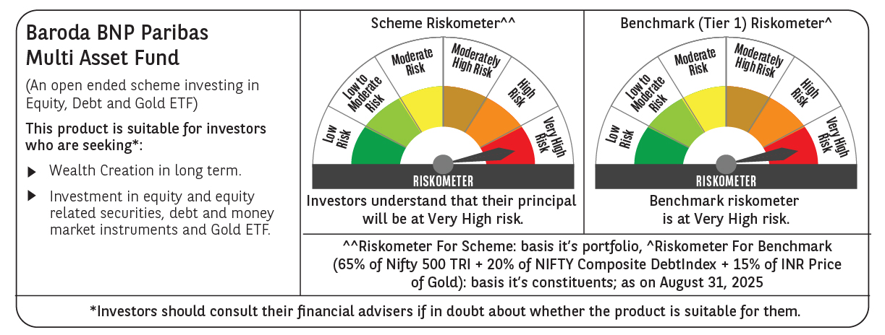

 | Monthly Performance Link: https://www.barodabnpparibasmf.in/assets/download_documents/Performance_of_Schemes_14126.pdf

