Monthly Portfolio
 | Baroda BNP Paribas Multi Asset Fund

 | Monthly Portfolio Statement as on September 30, 2025
 | Name of the Instrument | ISIN | Industry / Rating | Quantity | Market/Fair Value (Rs. in Lakhs) | % to Net Assets | YTM~ | YTC^ | null
 | Equity & Equity related
 | (a) Listed / awaiting listing on Stock Exchanges
HDFB03 | HDFC Bank Limited | INE040A01034 | Banks | 900,000 | 8,559.00 | 7.11%
IBCL05 | ICICI Bank Limited | INE090A01021 | Banks | 612,000 | 8,249.76 | 6.85%
RIND01 | Reliance Industries Limited | INE002A01018 | Petroleum Products | 441,000 | 6,015.24 | 5.00%
LARS02 | Larsen & Toubro Limited | INE018A01030 | Construction | 135,000 | 4,939.65 | 4.10%
BTVL02 | Bharti Airtel Limited | INE397D01024 | Telecom - Services | 198,000 | 3,719.23 | 3.09%
ABBP01 | Hitachi Energy India Limited | INE07Y701011 | Electrical Equipment | 20,250 | 3,645.20 | 3.03%
INFS02 | Infosys Limited | INE009A01021 | IT - Software | 234,000 | 3,373.81 | 2.80%
TCSL01 | Tata Consultancy Services Limited | INE467B01029 | IT - Software | 90,000 | 2,599.56 | 2.16%
BOCL01 | Linde India Limited | INE473A01011 | Chemicals & Petrochemicals | 40,500 | 2,529.43 | 2.10%
MOTI02 | Bosch Limited | INE323A01026 | Auto Components | 6,300 | 2,403.14 | 2.00%
NAYV01 | NLC India Limited | INE589A01014 | Power | 810,000 | 2,311.09 | 1.92%
HERO02 | Hero MotoCorp Limited | INE158A01026 | Automobiles | 40,500 | 2,216.36 | 1.84%
KOMA02 | Kotak Mahindra Bank Limited | INE237A01028 | Banks | 108,000 | 2,152.12 | 1.79%
BAFL03 | Bajaj Finance Limited | INE296A01032 | Finance | 207,000 | 2,067.72 | 1.72%
SPIL03 | Sun Pharmaceutical Industries Limited | INE044A01036 | Pharmaceuticals & Biotechnology | 126,000 | 2,008.82 | 1.67%
SBAI02 | State Bank of India | INE062A01020 | Banks | 225,000 | 1,963.01 | 1.63%
ESCO01 | Escorts Kubota Limited | INE042A01014 | Agricultural, Commercial & Construction Vehicles | 54,000 | 1,861.16 | 1.55%
NTPC01 | NTPC Limited | INE733E01010 | Power | 540,000 | 1,838.43 | 1.53%
LAKM02 | Trent Limited | INE849A01020 | Retailing | 37,800 | 1,768.10 | 1.47%
NEST02 | Nestle India Limited | INE239A01024 | Food Products | 144,000 | 1,660.18 | 1.38%
CIPL03 | Cipla Limited | INE059A01026 | Pharmaceuticals & Biotechnology | 108,000 | 1,623.56 | 1.35%
GRAS02 | Grasim Industries Limited | INE047A01021 | Cement & Cement Products | 54,000 | 1,488.73 | 1.24%
YESB03 | Yes Bank Limited | INE528G01035 | Banks | 5,760,000 | 1,224.00 | 1.02%
SAEL02 | TVS Motor Company Limited | INE494B01023 | Automobiles | 31,500 | 1,083.19 | 0.90%
BHAH02 | Bharat Heavy Electricals Limited | INE257A01026 | Electrical Equipment | 450,000 | 1,073.03 | 0.89%
ICEM01 | The India Cements Limited | INE383A01012 | Cement & Cement Products | 270,000 | 1,036.80 | 0.86%
HLEL02 | Hindustan Unilever Limited | INE030A01027 | Diversified FMCG | 39,600 | 995.70 | 0.83%
DRRL03 | Dr. Reddy's Laboratories Limited | INE089A01031 | Pharmaceuticals & Biotechnology | 81,000 | 991.20 | 0.82%
ZMPL01 | Eternal Limited | INE758T01015 | Retailing | 288,000 | 937.44 | 0.78%
SCLB01 | Schloss Bangalore Limited | INE0AQ201015 | Leisure Services | 225,000 | 929.25 | 0.77%
PSYL02 | Persistent Systems Limited | INE262H01021 | IT - Software | 18,000 | 868.05 | 0.72%
IIFM02 | 360 One WAM Limited | INE466L01038 | Capital Markets | 81,000 | 829.44 | 0.69%
HDBF01 | HDB Financial Services Limited | INE756I01012 | Finance | 108,000 | 810.32 | 0.67%
VNBL03 | Varun Beverages Limited | INE200M01039 | Beverages | 180,000 | 798.66 | 0.66%
TRFO01 | Travel Food Services Limited | INE103V01028 | Leisure Services | 52,200 | 690.92 | 0.57%
JSWC01 | JSW Cement Limited | INE718I01012 | Cement & Cement Products | 495,000 | 682.56 | 0.57%
PFIZ01 | Pfizer Limited | INE182A01018 | Pharmaceuticals & Biotechnology | 10,980 | 552.95 | 0.46%
GMRI03 | GMR Airports Limited | INE776C01039 | Transport Infrastructure | 347,107 | 302.68 | 0.25%
SECH03 | UPL Limited | INE628A01036 | Fertilizers & Agrochemicals | 27,130 | 177.92 | 0.15%
 | Sub Total |  |  |  | 82,977.41 | 68.94%
 | (b) Reits
BRFI01 | Brookfield India Real Estate Trust | INE0FDU25010 | Realty | 310,329 | 1,064.61 | 0.88%
EOPR01 | Embassy Office Parks REIT | INE041025011 | Realty | 35,000 | 147.68 | 0.12%
 | Sub Total |  |  |  | 1,212.29 | 1.00%
 | (c) Invits
ISCI01 | Intelligent Supply Chain Infrastructure Trust ** | INE0QSW23016 | Transport Services | 400,000 | 500.00 | 0.42%
BHHI01 | Indus Infra Trust | INE0NHL23019 | Transport Infrastructure | 110,014 | 125.70 | 0.10%
 | Sub Total |  |  |  | 625.70 | 0.52%
 | (d) Unlisted |  |  |  | NIL | NIL
 | Sub Total |  |  |  | NIL | NIL
 | Total |  |  |  | 84,815.40 | 70.46%
 | Debt Instruments
 | (a) Listed / awaiting listing on Stock Exchange
IRLY383 | 7.37% Indian Railway Finance Corporation Limited (31/07/2029) | INE053F08411 | CRISIL AAA | 3,500 | 3,558.76 | 2.96% | 6.85%
GOI5728 | 7.34% Government of India (22/04/2064) | IN0020240035 | Sovereign | 3,000,000 | 3,022.99 | 2.51% | 7.41%
NBAR805 | 7.53% National Bank For Agriculture and Rural Development (24/03/2028) | INE261F08EM1 | ICRA AAA | 1,500 | 1,524.36 | 1.27% | 6.77%
GOI5379 | 7.32% Government of India (13/11/2030) | IN0020230135 | Sovereign | 1,000,000 | 1,044.78 | 0.87% | 6.38%
MUFL414 | 8.85% Muthoot Finance Limited (30/01/2029) ** | INE414G07JA0 | CRISIL AA+ | 1,000 | 1,021.91 | 0.85% | 8.05%
EXIM794 | 7.35% Export Import Bank of India (27/07/2028) ** | INE514E08GE8 | CRISIL AAA | 1,000 | 1,017.76 | 0.85% | 6.64%
GOI6019 | 7.09% Government of India (05/08/2054) | IN0020240118 | Sovereign | 1,000,000 | 985.55 | 0.82% | 7.34%
EXIM803 | 7.12% Export Import Bank of India (27/06/2030) | INE514E08GF5 | CRISIL AAA | 500 | 506.17 | 0.42% | 6.80%
 | Sub Total |  |  |  | 12,682.28 | 10.55%
 | (b) Privately placed / Unlisted |  |  |  | NIL | NIL
 | Sub Total |  |  |  | NIL | NIL
 | Total |  |  |  | 12,682.28 | 10.55%
 | Others
 | Exchange Traded Funds
152231 | Baroda BNP Paribas Gold ETF-RG | INF251K01SU9 |  | 9,438,603 | 10,608.99 | 8.81%
BMGB51ME | Nippon India ETF Gold Bees | INF204KB17I5 |  | 10,054,558 | 9,637.29 | 8.00%
 | Sub Total |  |  |  | 20,246.28 | 16.81%
 | Total |  |  |  | 20,246.28 | 16.81%
 | Reverse Repo / TREPS
TRP_011025 | Clearing Corporation of India Ltd |  |  |  | 2,822.31 | 2.34% | 5.53%
 | Sub Total |  |  |  | 2,822.31 | 2.34%
 | (b) Privately placed / Unlisted |  |  |  | NIL | NIL
 | Sub Total |  |  |  | NIL | NIL
 | Total |  |  |  | 2,822.31 | 2.34%
 | Net Receivables / (Payables) |  |  |  | (147.10) | (0.16)%
 | GRAND TOTAL |  |  |  | 120,419.17 | 100.00%

 | ** Thinly Traded / Non Traded Security
 | ~ YTM as on September 30, 2025
 | ^ YTC represents Yield to Call provided by valuation agencies as on September 30, 2025. It is disclosed for Perpetual Bond issued by Banks (i.e. AT-1 Bond / Tier 1 Bond / Tier 2 Bond), as per AMFI Best Practices Guidelines Circular no. 135/BP/91/2020-21 read with SEBI circular No. SEBI/HO/IMD/DF4/CIR/P/2021/034 on Valuation of AT-1 Bonds and Tier 2 Bonds.

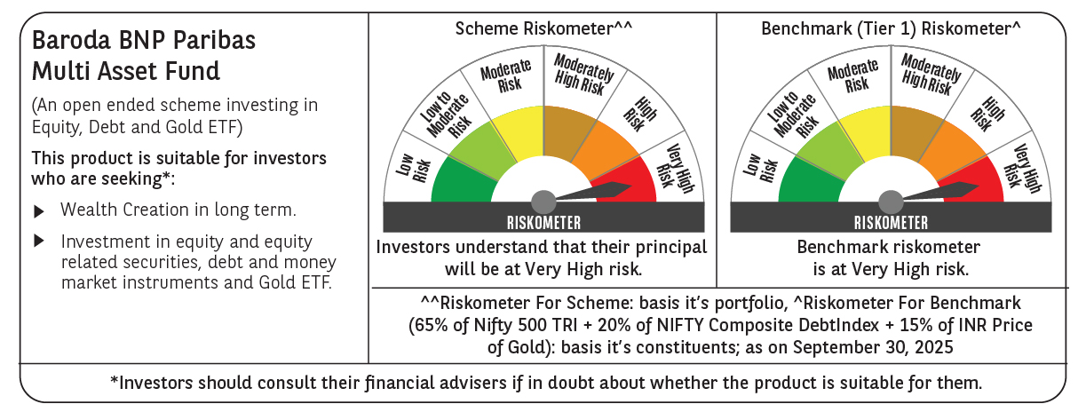

 | Monthly Performance Link: https://www.barodabnpparibasmf.in/assets/download_documents/Performance_of_Schemes_September_14618.pdf

