T0ME26
 | Baroda BNP Paribas Multi Asset Fund

 | Monthly Portfolio Statement as on October 31, 2025
 | Name of the Instrument | ISIN | Industry / Rating | Quantity | Market/Fair Value (Rs. in Lakhs) | % to Net Assets | YTM~ | YTC^ | null
 | Equity & Equity related
 | (a) Listed / awaiting listing on Stock Exchanges
HDFB03 | HDFC Bank Limited | INE040A01034 | Banks | 900,000 | 8,885.70 | 7.12%
IBCL05 | ICICI Bank Limited | INE090A01021 | Banks | 603,000 | 8,112.16 | 6.50%
RIND01 | Reliance Industries Limited | INE002A01018 | Petroleum Products | 441,000 | 6,555.02 | 5.25%
LARS02 | Larsen & Toubro Limited | INE018A01030 | Construction | 135,000 | 5,441.72 | 4.36%
BTVL02 | Bharti Airtel Limited | INE397D01024 | Telecom - Services | 198,000 | 4,067.91 | 3.26%
ABBP01 | Hitachi Energy India Limited | INE07Y701011 | Electrical Equipment | 20,250 | 3,600.05 | 2.88%
INFS02 | Infosys Limited | INE009A01021 | IT - Software | 234,000 | 3,468.58 | 2.78%
TCSL01 | Tata Consultancy Services Limited | INE467B01029 | IT - Software | 81,000 | 2,476.98 | 1.98%
BOCL01 | Linde India Limited | INE473A01011 | Chemicals & Petrochemicals | 40,500 | 2,435.47 | 1.95%
KOMA02 | Kotak Mahindra Bank Limited | INE237A01028 | Banks | 108,000 | 2,270.38 | 1.82%
HERO02 | Hero MotoCorp Limited | INE158A01026 | Automobiles | 40,500 | 2,245.32 | 1.80%
BAFL03 | Bajaj Finance Limited | INE296A01032 | Finance | 207,000 | 2,158.60 | 1.73%
SPIL03 | Sun Pharmaceutical Industries Limited | INE044A01036 | Pharmaceuticals & Biotechnology | 126,000 | 2,130.28 | 1.71%
NAYV01 | NLC India Limited | INE589A01014 | Power | 810,000 | 2,124.63 | 1.70%
SBAI02 | State Bank of India | INE062A01020 | Banks | 225,000 | 2,108.25 | 1.69%
ESCO01 | Escorts Kubota Limited | INE042A01014 | Agricultural, Commercial & Construction Vehicles | 54,000 | 2,044.71 | 1.64%
MOTI02 | Bosch Limited | INE323A01026 | Auto Components | 5,130 | 1,910.67 | 1.53%
NEST02 | Nestle India Limited | INE239A01024 | Food Products | 144,000 | 1,831.10 | 1.47%
NTPC01 | NTPC Limited | INE733E01010 | Power | 540,000 | 1,819.53 | 1.46%
LAKM02 | Trent Limited | INE849A01020 | Retailing | 36,000 | 1,689.95 | 1.35%
CIPL03 | Cipla Limited | INE059A01026 | Pharmaceuticals & Biotechnology | 108,000 | 1,621.40 | 1.30%
GRAS02 | Grasim Industries Limited | INE047A01021 | Cement & Cement Products | 54,000 | 1,561.52 | 1.25%
YESB03 | Yes Bank Limited | INE528G01035 | Banks | 5,760,000 | 1,309.82 | 1.05%
BHAH02 | Bharat Heavy Electricals Limited | INE257A01026 | Electrical Equipment | 450,000 | 1,194.71 | 0.96%
SAEL02 | TVS Motor Company Limited | INE494B01023 | Automobiles | 32,850 | 1,152.61 | 0.92%
ICEM01 | The India Cements Limited | INE383A01012 | Cement & Cement Products | 270,000 | 1,086.35 | 0.87%
PSYL02 | Persistent Systems Limited | INE262H01021 | IT - Software | 18,000 | 1,064.99 | 0.85%
HLEL02 | Hindustan Unilever Limited | INE030A01027 | Diversified FMCG | 39,600 | 976.34 | 0.78%
SCLB01 | Leela Palaces Hotels & Resorts Limited | INE0AQ201015 | Leisure Services | 225,000 | 975.83 | 0.78%
DRRL03 | Dr. Reddy's Laboratories Limited | INE089A01031 | Pharmaceuticals & Biotechnology | 81,000 | 970.06 | 0.78%
FEBA02 | The Federal Bank Limited | INE171A01029 | Banks | 405,000 | 958.27 | 0.77%
ZMPL01 | Eternal Limited | INE758T01015 | Retailing | 288,000 | 915.12 | 0.73%
LGEL01 | LG Electronics India Ltd | INE324D01010 | Consumer Durables | 54,000 | 898.34 | 0.72%
IIFM02 | 360 One WAM Limited | INE466L01038 | Capital Markets | 81,000 | 875.37 | 0.70%
HZIN02 | Hindustan Zinc Limited | INE267A01025 | Non - Ferrous Metals | 180,000 | 857.70 | 0.69%
VNBL03 | Varun Beverages Limited | INE200M01039 | Beverages | 171,000 | 803.10 | 0.64%
HDBF01 | HDB Financial Services Limited | INE756I01012 | Finance | 108,000 | 789.80 | 0.63%
JSWC01 | JSW Cement Limited | INE718I01012 | Cement & Cement Products | 540,000 | 736.78 | 0.59%
TRFO01 | Travel Food Services Limited | INE103V01028 | Leisure Services | 52,200 | 688.26 | 0.55%
PFIZ01 | Pfizer Limited | INE182A01018 | Pharmaceuticals & Biotechnology | 10,980 | 571.95 | 0.46%
GMRI03 | GMR Airports Limited | INE776C01039 | Transport Infrastructure | 347,107 | 326.18 | 0.26%
ORKL01 | Orkla India Limited | INE16NZ01023 | Miscellaneous | 92,440 | 674.81 | 0.54%
 | Sub Total |  |  |  | 88,386.32 | 70.80%
 | (b) Reits
BRFI01 | Brookfield India Real Estate Trust | INE0FDU25010 | Realty | 310,329 | 1,064.77 | 0.85%
EOPR01 | Embassy Office Parks REIT | INE041025011 | Realty | 35,000 | 150.13 | 0.12%
 | Sub Total |  |  |  | 1,214.90 | 0.97%
 | (c) Invits
ISCI01 | Intelligent Supply Chain Infrastructure Trust ** | INE0QSW23016 | Transport Services | 400,000 | 500.00 | 0.40%
BHHI01 | Indus Infra Trust | INE0NHL23019 | Transport Infrastructure | 110,014 | 131.64 | 0.11%
 | Sub Total |  |  |  | 631.64 | 0.51%
 | (d) Unlisted |  |  |  | NIL | NIL
 | Sub Total |  |  |  | NIL | NIL
 | Total |  |  |  | 90,232.86 | 72.28%
 | Debt Instruments
 | (a) Listed / awaiting listing on Stock Exchange
GOI6019 | 7.09% Government of India (05/08/2054) | IN0020240118 | Sovereign | 3,500,000 | 3,436.86 | 2.75% | 7.37%
IRLY383 | 7.37% Indian Railway Finance Corporation Limited (31/07/2029) ** | INE053F08411 | CRISIL AAA | 2,500 | 2,550.33 | 2.04% | 6.74%
NBAR805 | 7.53% National Bank For Agriculture and Rural Development (24/03/2028) | INE261F08EM1 | ICRA AAA | 1,500 | 1,527.79 | 1.22% | 6.64%
GOI5379 | 7.32% Government of India (13/11/2030) | IN0020230135 | Sovereign | 1,000,000 | 1,047.14 | 0.84% | 6.31%
MUFL414 | 8.85% Muthoot Finance Limited (30/01/2029) ** | INE414G07JA0 | CRISIL AA+ | 1,000 | 1,024.70 | 0.82% | 7.93%
EXIM794 | 7.35% Export Import Bank of India (27/07/2028) | INE514E08GE8 | CRISIL AAA | 1,000 | 1,021.01 | 0.82% | 6.49%
EXIM803 | 7.12% Export Import Bank of India (27/06/2030) ** | INE514E08GF5 | CRISIL AAA | 500 | 507.65 | 0.41% | 6.72%
 | Sub Total |  |  |  | 11,115.48 | 8.90%
 | (b) Privately placed / Unlisted |  |  |  | NIL | NIL
 | Sub Total |  |  |  | NIL | NIL
 | Total |  |  |  | 11,115.48 | 8.90%
 | Others
 | Exchange Traded Funds
152231 | Baroda BNP Paribas Gold ETF-RG | INF251K01SU9 |  | 8,819,750 | 10,349.98 | 8.29%
BMGB51ME | Nippon India ETF Gold Bees | INF204KB17I5 |  | 9,720,000 | 9,721.94 | 7.79%
 | Sub Total |  |  |  | 20,071.92 | 16.08%
 | Total |  |  |  | 20,071.92 | 16.08%
 | Reverse Repo / TREPS
TRP_031125 | Clearing Corporation of India Ltd |  |  |  | 3,567.07 | 2.86% | 5.59%
 | Sub Total |  |  |  | 3,567.07 | 2.86%
 | (b) Privately placed / Unlisted |  |  |  | NIL | NIL
 | Sub Total |  |  |  | NIL | NIL
 | Total |  |  |  | 3,567.07 | 2.86%
 | Net Receivables / (Payables) |  |  |  | (168.07) | (0.12)%
 | GRAND TOTAL |  |  |  | 124,819.26 | 100.00%

 | ** Thinly Traded / Non Traded Security
 | ~ YTM as on October 31, 2025
 | ^ YTC represents Yield to Call provided by valuation agencies as on October 31, 2025. It is disclosed for Perpetual Bond issued by Banks (i.e. AT-1 Bond / Tier 1 Bond / Tier 2 Bond), as per AMFI Best Practices Guidelines Circular no. 135/BP/91/2020-21 read with SEBI circular No. SEBI/HO/IMD/DF4/CIR/P/2021/034 on Valuation of AT-1 Bonds and Tier 2 Bonds.

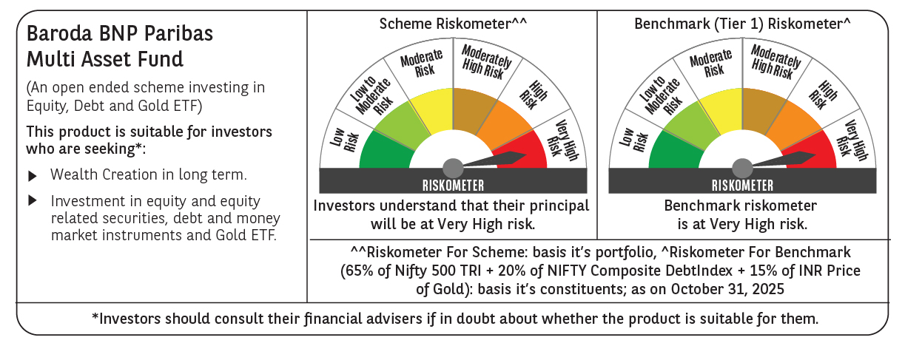

 | Monthly Performance Link: https://www.barodabnpparibasmf.in/assets/download_documents/Performance_of_Schemes-October_2025_15267.pdf

