T0ME26
 | Baroda BNP Paribas Multi Asset Fund

 | Monthly Portfolio Statement as on November 30, 2025
 | Name of the Instrument | ISIN | Industry / Rating | Quantity | Market/Fair Value (Rs. in Lakhs) | % to Net Assets | YTM~ | YTC^ | null
 | Equity & Equity related
 | (a) Listed / awaiting listing on Stock Exchanges
HDFB03 | HDFC Bank Limited | INE040A01034 | Banks | 855,000 | 8,614.98 | 6.67%
IBCL05 | ICICI Bank Limited | INE090A01021 | Banks | 594,000 | 8,249.47 | 6.38%
RIND01 | Reliance Industries Limited | INE002A01018 | Petroleum Products | 423,000 | 6,630.53 | 5.13%
LARS02 | Larsen & Toubro Limited | INE018A01030 | Construction | 135,000 | 5,493.96 | 4.25%
ABBP01 | Hitachi Energy India Limited | INE07Y701011 | Electrical Equipment | 19,350 | 4,267.84 | 3.30%
BTVL02 | Bharti Airtel Limited | INE397D01024 | Telecom - Services | 198,000 | 4,161.17 | 3.22%
INFS02 | Infosys Limited | INE009A01021 | IT - Software | 234,000 | 3,650.63 | 2.83%
TCSL01 | Tata Consultancy Services Limited | INE467B01029 | IT - Software | 81,000 | 2,541.38 | 1.97%
BOCL01 | Linde India Limited | INE473A01011 | Chemicals & Petrochemicals | 40,500 | 2,416.23 | 1.87%
KOMA02 | Kotak Mahindra Bank Limited | INE237A01028 | Banks | 108,000 | 2,294.35 | 1.78%
SPIL03 | Sun Pharmaceutical Industries Limited | INE044A01036 | Pharmaceuticals & Biotechnology | 121,500 | 2,225.39 | 1.72%
HERO02 | Hero MotoCorp Limited | INE158A01026 | Automobiles | 36,000 | 2,222.82 | 1.72%
SBAI02 | State Bank of India | INE062A01020 | Banks | 225,000 | 2,202.75 | 1.70%
BAFL03 | Bajaj Finance Limited | INE296A01032 | Finance | 207,000 | 2,147.63 | 1.66%
ESCO01 | Escorts Kubota Limited | INE042A01014 | Agricultural, Commercial & Construction Vehicles | 54,000 | 2,061.40 | 1.60%
NAYV01 | NLC India Limited | INE589A01014 | Power | 810,000 | 1,969.92 | 1.52%
MOTI02 | Bosch Limited | INE323A01026 | Auto Components | 5,130 | 1,852.44 | 1.43%
NEST02 | Nestle India Limited | INE239A01024 | Food Products | 144,000 | 1,815.98 | 1.41%
NTPC01 | NTPC Limited | INE733E01010 | Power | 522,000 | 1,704.07 | 1.32%
CIPL03 | Cipla Limited | INE059A01026 | Pharmaceuticals & Biotechnology | 103,500 | 1,584.90 | 1.23%
GRAS02 | Grasim Industries Limited | INE047A01021 | Cement & Cement Products | 54,000 | 1,479.28 | 1.14%
LAKM02 | Trent Limited | INE849A01020 | Retailing | 31,500 | 1,338.88 | 1.04%
YESB03 | Yes Bank Limited | INE528G01035 | Banks | 5,760,000 | 1,320.77 | 1.02%
BHAH02 | Bharat Heavy Electricals Limited | INE257A01026 | Electrical Equipment | 450,000 | 1,308.83 | 1.01%
SAEL02 | TVS Motor Company Limited | INE494B01023 | Automobiles | 32,850 | 1,160.10 | 0.90%
PSYL02 | Persistent Systems Limited | INE262H01021 | IT - Software | 18,000 | 1,143.54 | 0.89%
ICEM01 | The India Cements Limited | INE383A01012 | Cement & Cement Products | 270,000 | 1,060.56 | 0.82%
FEBA02 | The Federal Bank Limited | INE171A01029 | Banks | 405,000 | 1,044.58 | 0.81%
TMLC01 | Tata Motors Ltd | INE1TAE01010 | Agricultural, Commercial & Construction Vehicles | 288,000 | 1,013.76 | 0.78%
HLEL02 | Hindustan Unilever Limited | INE030A01027 | Diversified FMCG | 39,600 | 976.77 | 0.76%
DRRL03 | Dr. Reddy's Laboratories Limited | INE089A01031 | Pharmaceuticals & Biotechnology | 76,500 | 962.98 | 0.75%
IIFM02 | 360 One WAM Limited | INE466L01038 | Capital Markets | 81,000 | 958.39 | 0.74%
HZIN02 | Hindustan Zinc Limited | INE267A01025 | Non - Ferrous Metals | 189,000 | 917.03 | 0.71%
LGEL01 | LG Electronics India Ltd | INE324D01010 | Consumer Durables | 54,000 | 896.02 | 0.69%
ZMPL01 | Eternal Limited | INE758T01015 | Retailing | 288,000 | 864.29 | 0.67%
HDBF01 | HDB Financial Services Limited | INE756I01012 | Finance | 108,000 | 828.58 | 0.64%
VNBL03 | Varun Beverages Limited | INE200M01039 | Beverages | 171,000 | 823.45 | 0.64%
TRFO01 | Travel Food Services Limited | INE103V01028 | Leisure Services | 52,200 | 702.56 | 0.54%
ORKL01 | Orkla India Limited | INE16NZ01023 | Food Products | 108,000 | 700.22 | 0.54%
JSWC01 | JSW Cement Limited | INE718I01012 | Cement & Cement Products | 540,000 | 619.60 | 0.48%
SCLB01 | Leela Palaces Hotels & Resorts Limited | INE0AQ201015 | Leisure Services | 144,000 | 592.92 | 0.46%
PFIZ01 | Pfizer Limited | INE182A01018 | Pharmaceuticals & Biotechnology | 10,980 | 546.26 | 0.42%
GMRI03 | GMR Airports Limited | INE776C01039 | Transport Infrastructure | 347,107 | 376.09 | 0.29%
 | Sub Total |  |  |  | 89,743.30 | 69.45%
 | (b) Reits
BRFI01 | Brookfield India Real Estate Trust | INE0FDU25010 | Realty | 225,855 | 750.92 | 0.58%
 | Sub Total |  |  |  | 750.92 | 0.58%
 | (c) Invits
ISCI01 | Intelligent Supply Chain Infrastructure Trust ** | INE0QSW23016 | Transport Services | 400,000 | 500.00 | 0.39%
BHHI01 | Indus Infra Trust | INE0NHL23019 | Transport Infrastructure | 110,014 | 129.70 | 0.10%
 | Sub Total |  |  |  | 629.70 | 0.49%
 | (d) Unlisted |  |  |  | NIL | NIL
 | Sub Total |  |  |  | NIL | NIL
 | Total |  |  |  | 91,123.92 | 70.52%
 | Debt Instruments
 | (a) Listed / awaiting listing on Stock Exchange
GOI6019 | 7.09% Government of India (05/08/2054) | IN0020240118 | Sovereign | 3,500,000 | 3,408.26 | 2.64% | 7.44%
IRLY383 | 7.37% Indian Railway Finance Corporation Limited (31/07/2029) ** | INE053F08411 | CRISIL AAA | 2,000 | 2,040.35 | 1.58% | 6.73%
NBAR805 | 7.53% National Bank For Agriculture and Rural Development (24/03/2028) ** | INE261F08EM1 | ICRA AAA | 1,500 | 1,526.00 | 1.18% | 6.67%
GOI5379 | 7.32% Government of India (13/11/2030) | IN0020230135 | Sovereign | 1,000,000 | 1,044.00 | 0.81% | 6.37%
MUFL414 | 8.85% Muthoot Finance Limited (30/01/2029) ** | INE414G07JA0 | CRISIL AA+ | 1,000 | 1,025.25 | 0.79% | 7.90%
EXIM794 | 7.35% Export Import Bank of India (27/07/2028) ** | INE514E08GE8 | CRISIL AAA | 1,000 | 1,020.43 | 0.79% | 6.50%
GOI6889 | 6.68% Government of India (07/07/2040) | IN0020250042 | Sovereign | 1,000,000 | 977.10 | 0.76% | 7.05%
EXIM803 | 7.12% Export Import Bank of India (27/06/2030) ** | INE514E08GF5 | CRISIL AAA | 500 | 508.11 | 0.39% | 6.69%
GOI6703 | 6.33% Government of India (05/05/2035) | IN0020250026 | Sovereign | 500,000 | 492.54 | 0.38% | 6.65%
 | Sub Total |  |  |  | 12,042.04 | 9.32%
 | (b) Privately placed / Unlisted |  |  |  | NIL | NIL
 | Sub Total |  |  |  | NIL | NIL
 | Total |  |  |  | 12,042.04 | 9.32%
 | Others
 | Exchange Traded Funds
152231 | Baroda BNP Paribas Gold ETF-RG | INF251K01SU9 |  | 8,795,562 | 10,717.39 | 8.29%
BMGB51ME | Nippon India ETF Gold Bees | INF204KB17I5 |  | 9,675,000 | 10,121.99 | 7.83%
 | Sub Total |  |  |  | 20,839.38 | 16.12%
 | Total |  |  |  | 20,839.38 | 16.12%
 | Reverse Repo / TREPS
TRP_011225 | Clearing Corporation of India Ltd |  |  |  | 5,921.98 | 4.58% | 5.43%
 | Sub Total |  |  |  | 5,921.98 | 4.58%
 | (b) Privately placed / Unlisted |  |  |  | NIL | NIL
 | Sub Total |  |  |  | NIL | NIL
 | Total |  |  |  | 5,921.98 | 4.58%
 | Net Receivables / (Payables) |  |  |  | (719.06) | (0.54)%
 | GRAND TOTAL |  |  |  | 129,208.26 | 100.00%

 | ** Thinly Traded / Non Traded Security
 | ~ YTM as on November 30, 2025
 | ^ YTC represents Yield to Call provided by valuation agencies as on November 30, 2025. It is disclosed for Perpetual Bond issued by Banks (i.e. AT-1 Bond / Tier 1 Bond / Tier 2 Bond), as per AMFI Best Practices Guidelines Circular no. 135/BP/91/2020-21 read with SEBI circular No. SEBI/HO/IMD/DF4/CIR/P/2021/034 on Valuation of AT-1 Bonds and Tier 2 Bonds.

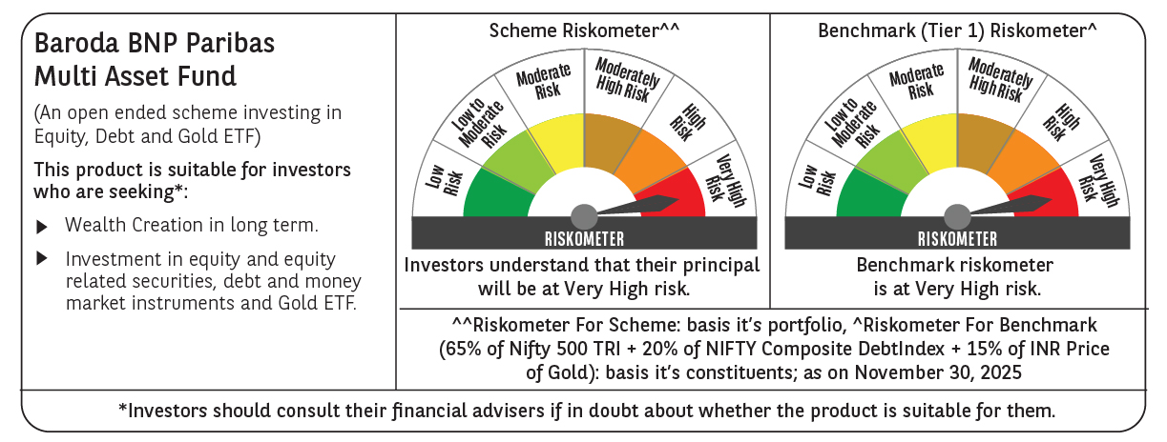

 | Monthly Performance Link: https://www.barodabnpparibasmf.in/assets/download_documents/Performance_of_Schemes_Nov-2025_15612.pdf

