T0ME26
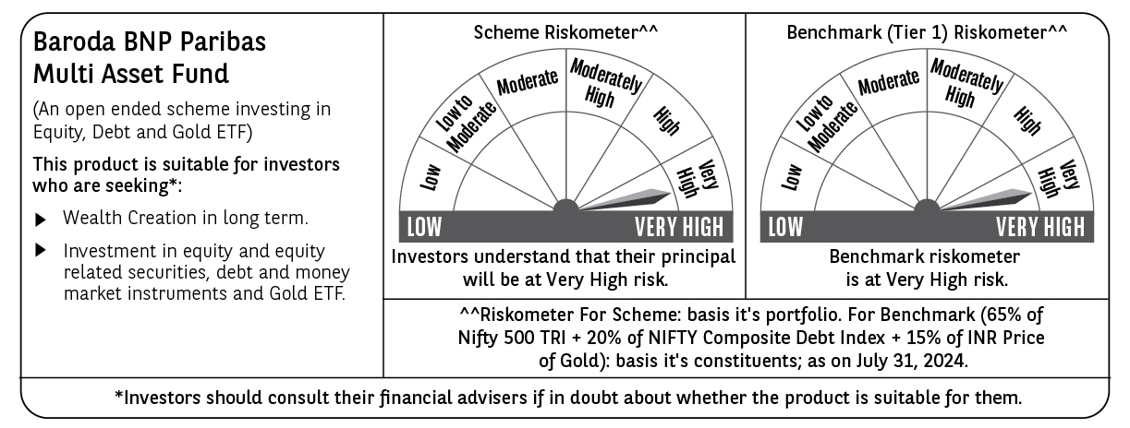
 | Baroda BNP Paribas Multi Asset Fund

 | Monthly Portfolio Statement as on July 31, 2024
 | Name of the Instrument | ISIN | Industry / Rating | Quantity | Market/Fair Value (Rs. in Lakhs) | % to Net Assets | YTM~ | YTC^ | null
 | Equity & Equity related
 | (a) Listed / awaiting listing on Stock Exchanges
RIND01 | Reliance Industries Limited | INE002A01018 | Petroleum Products | 270,000 | 8,129.30 | 6.71%
IBCL05 | ICICI Bank Limited | INE090A01021 | Banks | 639,000 | 7,763.21 | 6.41%
HDFB03 | HDFC Bank Limited | INE040A01034 | Banks | 441,000 | 7,125.46 | 5.88%
LARS02 | Larsen & Toubro Limited | INE018A01030 | Construction | 171,000 | 6,523.65 | 5.38%
TCSL01 | Tata Consultancy Services Limited | INE467B01029 | IT - Software | 126,000 | 5,525.54 | 4.56%
INFS02 | Infosys Limited | INE009A01021 | IT - Software | 270,000 | 5,044.28 | 4.16%
LAKM02 | Trent Limited | INE849A01020 | Retailing | 63,000 | 3,678.57 | 3.04%
BOCL01 | Linde India Limited | INE473A01011 | Chemicals & Petrochemicals | 40,500 | 3,305.63 | 2.73%
BTVL02 | Bharti Airtel Limited | INE397D01024 | Telecom - Services | 216,000 | 3,221.75 | 2.66%
MOTI02 | Bosch Limited | INE323A01026 | Auto Components | 9,000 | 3,148.06 | 2.60%
NAYV01 | NLC India Limited | INE589A01014 | Power | 1,008,000 | 2,901.63 | 2.39%
HERO02 | Hero MotoCorp Limited | INE158A01026 | Automobiles | 51,300 | 2,815.57 | 2.32%
ESCO01 | Escorts Kubota Limited | INE042A01014 | Agricultural, Commercial & Construction Vehicles | 58,500 | 2,441.44 | 2.01%
NTPC01 | NTPC Limited | INE733E01010 | Power | 585,000 | 2,433.60 | 2.01%
ABBP01 | Hitachi Energy India Limited | INE07Y701011 | Electrical Equipment | 20,700 | 2,402.67 | 1.98%
SPIL03 | Sun Pharmaceutical Industries Limited | INE044A01036 | Pharmaceuticals & Biotechnology | 135,000 | 2,321.12 | 1.92%
HLEL02 | Hindustan Unilever Limited | INE030A01027 | Diversified FMCG | 72,000 | 1,948.07 | 1.61%
CIPL03 | Cipla Limited | INE059A01026 | Pharmaceuticals & Biotechnology | 126,000 | 1,945.82 | 1.61%
NEST02 | Nestle India Limited | INE239A01024 | Food Products | 72,000 | 1,768.57 | 1.46%
GRAS02 | Grasim Industries Limited | INE047A01021 | Cement & Cement Products | 63,000 | 1,749.35 | 1.44%
SBAI02 | State Bank of India | INE062A01020 | Banks | 180,000 | 1,570.32 | 1.30%
BAFL02 | Bajaj Finance Limited | INE296A01024 | Finance | 22,000 | 1,497.53 | 1.24%
RELS01 | Jio Financial Services Limited | INE758E01017 | Finance | 342,000 | 1,123.47 | 0.93%
ULCC01 | UltraTech Cement Limited | INE481G01011 | Cement & Cement Products | 9,000 | 1,069.85 | 0.88%
BFLS01 | Mphasis Limited | INE356A01018 | IT - Software | 31,500 | 911.14 | 0.75%
TELC04 | Tata Motors Limited | IN9155A01020 | Automobiles | 109,000 | 864.37 | 0.71%
BHAH02 | Bharat Heavy Electricals Limited | INE257A01026 | Electrical Equipment | 270,000 | 851.18 | 0.70%
TELC03 | Tata Motors Limited | INE155A01022 | Automobiles | 72,000 | 832.79 | 0.69%
JUHO01 | Juniper Hotels Limited | INE696F01016 | Leisure Services | 180,000 | 762.75 | 0.63%
GAIL01 | GAIL (India) Limited | INE129A01019 | Gas | 252,000 | 607.24 | 0.50%
JYCN01 | Jyoti CNC Automation Ltd | INE980O01024 | Industrial Manufacturing | 45,000 | 513.32 | 0.42%
BTAT01 | Vodafone Idea Limited | INE669E01016 | Telecom - Services | 915,514 | 148.95 | 0.12%
 | Sub Total |  |  |  | 86,946.20 | 71.75%
 | (b) Reits
BRFI01 | Brookfield India Real Estate Trust | INE0FDU25010 | Realty | 594,059 | 1,594.69 | 1.32%
 | Sub Total |  |  |  | 1,594.69 | 1.32%
 | (c) Invits
ISCI01 | Intelligent Supply Chain Infrastructure Trust | INE0QSW23016 | Miscellaneous | 500,000 | 503.30 | 0.42%
BHHI01 | Bharat Highways Invit | INE0NHL23019 | Construction | 110,014 | 117.35 | 0.10%
 | Sub Total |  |  |  | 620.65 | 0.52%

GRAS04 | Grasim Industries Limited ** | IN9047A01029 | Cement & Cement Products | 2,504 | 46.84 | 0.04%
 | Sub Total |  |  |  | 46.84 | 0.04%
 | (d) Unlisted |  |  |  | NIL | NIL
 | Sub Total |  |  |  | NIL | NIL
 | Total |  |  |  | 89,208.38 | 73.63%
 | Derivatives
 | Index / Stock Futures
COALAUG24 | Coal India Limited August 2024 Future |  |  | 207,900 | 1,083.26 | 0.89%
JUFLAUG24 | Jubilant Foodworks Limited August 2024 Future |  |  | 135,000 | 808.31 | 0.67%
 | Sub Total |  |  |  | 1,891.57 | 1.56%
 | Total |  |  |  | 1,891.57 | 1.56%
 | Debt Instruments
 | (a) Listed / awaiting listing on Stock Exchange
TCHF380 | 7.97% Tata Capital Housing Finance Limited (03/11/2025) ** | INE033L07HV8 | CRISIL AAA | 250 | 2,497.09 | 2.06% | 8.02%
NHBA322 | 7.4% National Housing Bank (16/07/2026) ** | INE557F08FS6 | CRISIL AAA | 2,500 | 2,494.22 | 2.06% | 7.53%
MEBP30 | 8.03% Mindspace Business Parks REIT (10/12/2026) ** | INE0CCU07090 | CRISIL AAA | 1,500 | 1,504.95 | 1.24% | 8.11%
POWF487 | 7.13% Power Finance Corporation Limited (15/07/2026) ** | INE134E08LP1 | CRISIL AAA | 150 | 1,487.79 | 1.23% | 7.60%
GOI5379 | 7.32% Government of India (13/11/2030) | IN0020230135 | Sovereign | 1,000,000 | 1,021.41 | 0.84% | 7.01%
MUFL414 | 8.85% Muthoot Finance Limited (30/01/2029) ** | INE414G07JA0 | CRISIL AA+ | 1,000 | 993.00 | 0.82% | 9.02%
POWF448 | 7.42% Power Finance Corporation Limited (19/11/2024) ** | INE134E08KH0 | CRISIL AAA | 60 | 599.38 | 0.49% | 7.39%
 | Sub Total |  |  |  | 10,597.84 | 8.74%
 | (b) Privately placed / Unlisted |  |  |  | NIL | NIL
 | Sub Total |  |  |  | NIL | NIL
 | Total |  |  |  | 10,597.84 | 8.74%
 | Money Market Instruments
 | Certificate of Deposit
HDFB932 | HDFC Bank Limited (06/12/2024) # | INE040A16EH3 | CRISIL A1+ | 100 | 487.48 | 0.40% | 7.38%
 | Sub Total |  |  |  | 487.48 | 0.40%
 | Treasury Bill
TBIL2271 | 364 Days Tbill (MD 24/10/2024) | IN002023Z323 | Sovereign | 1,500,000 | 1,477.36 | 1.22% | 6.66%
 | Sub Total |  |  |  | 1,477.36 | 1.22%
 | Total |  |  |  | 1,964.84 | 1.62%
 | Others
 | Exchange Traded Funds
BMGB51ME | Nippon India ETF Gold Bees | INF204KB17I5 |  | 11,700,000 | 6,865.56 | 5.66%
152231 | Baroda BNP Paribas Gold ETF-RG | INF251K01SU9 |  | 9,405,327 | 6,461.46 | 5.33%
113049 | HDFC Gold Exchange Traded Fund | INF179KC1981 |  | 5,985,000 | 3,641.87 | 3.00%
 | Sub Total |  |  |  | 16,968.89 | 13.99%
 | Total |  |  |  | 16,968.89 | 13.99%
 | Reverse Repo / TREPS
TRP_010824 | Clearing Corporation of India Ltd |  |  |  | 2,602.39 | 2.15% | 6.42%
 | Sub Total |  |  |  | 2,602.39 | 2.15%
 | (b) Privately placed / Unlisted |  |  |  | NIL | NIL
 | Sub Total |  |  |  | NIL | NIL
 | Total |  |  |  | 2,602.39 | 2.15%
 | Net Receivables / (Payables) |  |  |  | (2,038.89) | (1.69)%
 | GRAND TOTAL |  |  |  | 121,195.02 | 100.00%

 | ** Thinly Traded / Non Traded Security
 | # Unlisted Security
 | ~ YTM as on July 31, 2024
 | ^ YTC represents Yield to Call provided by valuation agencies as on July 31, 2024. It is disclosed for Perpetual Bond issued by Banks (i.e. AT-1 Bond / Tier 1 Bond / Tier 2 Bond), as per AMFI Best Practices Guidelines Circular no. 135/BP/91/2020-21 read with SEBI circular No. SEBI/HO/IMD/DF4/CIR/P/2021/034 on Valuation of AT-1 Bonds and Tier 2 Bonds.
 | Details of Stock Future / Index Future
 | Long/Short | Name of the Instrument | Industry | Quantity. | Market/Fair Value (Rs. in Lacs). | % to NAV.
 | Long | Coal India | Consumable Fuels | 207,900 | 1,083.26 | 0.89%
 | Long | Jubilant Foodworks | Leisure Services | 135,000 | 808.31 | 0.67%

