T0ME26
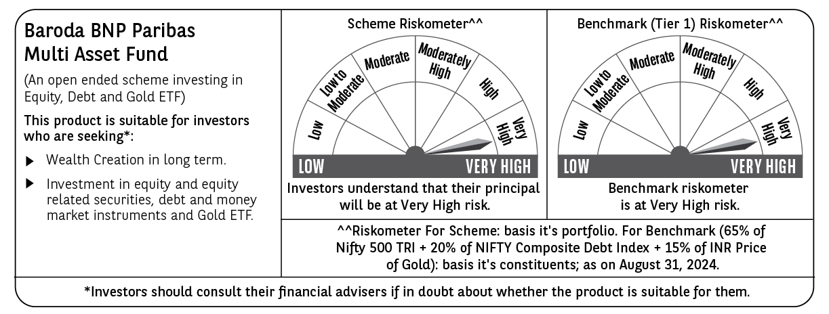
 | Baroda BNP Paribas Multi Asset Fund

 | Monthly Portfolio Statement as on August 31, 2024
 | Name of the Instrument | ISIN | Industry / Rating | Quantity | Market/Fair Value (Rs. in Lakhs) | % to Net Assets | YTM~ | YTC^ | null
 | Equity & Equity related
 | (a) Listed / awaiting listing on Stock Exchanges
RIND01 | Reliance Industries Limited | INE002A01018 | Petroleum Products | 261,000 | 7,880.24 | 6.51%
IBCL05 | ICICI Bank Limited | INE090A01021 | Banks | 621,000 | 7,633.33 | 6.31%
HDFB03 | HDFC Bank Limited | INE040A01034 | Banks | 441,000 | 7,218.73 | 5.97%
LARS02 | Larsen & Toubro Limited | INE018A01030 | Construction | 162,000 | 6,001.53 | 4.96%
TCSL01 | Tata Consultancy Services Limited | INE467B01029 | IT - Software | 117,000 | 5,327.89 | 4.40%
INFS02 | Infosys Limited | INE009A01021 | IT - Software | 252,000 | 4,898.12 | 4.05%
LAKM02 | Trent Limited | INE849A01020 | Retailing | 58,050 | 4,155.65 | 3.43%
BTVL02 | Bharti Airtel Limited | INE397D01024 | Telecom - Services | 207,000 | 3,289.33 | 2.72%
BOCL01 | Linde India Limited | INE473A01011 | Chemicals & Petrochemicals | 40,500 | 2,926.25 | 2.42%
MOTI02 | Bosch Limited | INE323A01026 | Auto Components | 9,000 | 2,915.06 | 2.41%
HERO02 | Hero MotoCorp Limited | INE158A01026 | Automobiles | 50,400 | 2,749.52 | 2.27%
NAYV01 | NLC India Limited | INE589A01014 | Power | 963,000 | 2,649.21 | 2.19%
ABBP01 | Hitachi Energy India Limited | INE07Y701011 | Electrical Equipment | 19,350 | 2,340.39 | 1.93%
SPIL03 | Sun Pharmaceutical Industries Limited | INE044A01036 | Pharmaceuticals & Biotechnology | 126,000 | 2,295.28 | 1.90%
ESCO01 | Escorts Kubota Limited | INE042A01014 | Agricultural, Commercial & Construction Vehicles | 58,500 | 2,254.53 | 1.86%
NTPC01 | NTPC Limited | INE733E01010 | Power | 540,000 | 2,247.48 | 1.86%
CIPL03 | Cipla Limited | INE059A01026 | Pharmaceuticals & Biotechnology | 126,000 | 2,085.17 | 1.72%
HLEL02 | Hindustan Unilever Limited | INE030A01027 | Diversified FMCG | 72,000 | 2,000.16 | 1.65%
NEST02 | Nestle India Limited | INE239A01024 | Food Products | 72,000 | 1,800.54 | 1.49%
GRAS02 | Grasim Industries Limited | INE047A01021 | Cement & Cement Products | 63,000 | 1,700.28 | 1.41%
TELC03 | Tata Motors Limited | INE155A01022 | Automobiles | 148,510 | 1,650.47 | 1.36%
BAFL02 | Bajaj Finance Limited | INE296A01024 | Finance | 22,000 | 1,584.03 | 1.31%
SBAI02 | State Bank of India | INE062A01020 | Banks | 180,000 | 1,468.08 | 1.21%
RELS01 | Jio Financial Services Limited | INE758E01017 | Finance | 342,000 | 1,100.21 | 0.91%
ULCC01 | UltraTech Cement Limited | INE481G01011 | Cement & Cement Products | 9,000 | 1,017.17 | 0.84%
BFLS01 | Mphasis Limited | INE356A01018 | IT - Software | 31,500 | 978.06 | 0.81%
BHAH02 | Bharat Heavy Electricals Limited | INE257A01026 | Electrical Equipment | 270,000 | 784.49 | 0.65%
JUHO01 | Juniper Hotels Limited | INE696F01016 | Leisure Services | 180,000 | 732.06 | 0.61%
GAIL01 | GAIL (India) Limited | INE129A01019 | Gas | 252,000 | 598.98 | 0.50%
JYCN01 | Jyoti CNC Automation Ltd | INE980O01024 | Industrial Manufacturing | 45,000 | 558.97 | 0.46%
GRAS04 | Grasim Industries Limited | IN9047A01029 | Cement & Cement Products | 2,504 | 44.52 | 0.04%
 | Sub Total |  |  |  | 84,885.73 | 70.16%
 | (b) Reits
BRFI01 | Brookfield India Real Estate Trust | INE0FDU25010 | Realty | 594,059 | 1,581.15 | 1.31%
 | Sub Total |  |  |  | 1,581.15 | 1.31%
 | (c) Invits
ISCI01 | Intelligent Supply Chain Infrastructure Trust | INE0QSW23016 | Miscellaneous | 500,000 | 503.30 | 0.42%
BHHI01 | Bharat Highways Invit | INE0NHL23019 | Construction | 110,014 | 120.30 | 0.10%
 | Sub Total |  |  |  | 623.60 | 0.52%
 | (d) Unlisted |  |  |  | NIL | NIL
 | Sub Total |  |  |  | NIL | NIL
 | Total |  |  |  | 87,090.48 | 71.99%
 | Derivatives
 | Index / Stock Futures
JUFLSEP24 | Jubilant Foodworks Limited September 2024 Future |  |  | 135,000 | 883.58 | 0.73%
 | Sub Total |  |  |  | 883.58 | 0.73%
 | Total |  |  |  | 883.58 | 0.73%
 | Debt Instruments
 | (a) Listed / awaiting listing on Stock Exchange
TCHF380 | 7.97% Tata Capital Housing Finance Limited (03/11/2025) ** | INE033L07HV8 | CRISIL AAA | 250 | 2,499.72 | 2.07% | 7.94%
NHBA322 | 7.4% National Housing Bank (16/07/2026) ** | INE557F08FS6 | CRISIL AAA | 2,500 | 2,493.82 | 2.06% | 7.53%
RECL391 | 7.14% REC Limited (02/03/2030) ** | INE020B08CO0 | CRISIL AAA | 200 | 1,986.00 | 1.64% | 7.43%
MEBP30 | 8.03% Mindspace Business Parks REIT (10/12/2026) ** | INE0CCU07090 | CRISIL AAA | 1,500 | 1,504.50 | 1.24% | 8.12%
POWF487 | 7.13% Power Finance Corporation Limited (15/07/2026) ** | INE134E08LP1 | CRISIL AAA | 150 | 1,488.35 | 1.23% | 7.60%
MUFL414 | 8.85% Muthoot Finance Limited (30/01/2029) ** | INE414G07JA0 | CRISIL AA+ | 1,000 | 995.91 | 0.82% | 8.94%
GOI5379 | 7.32% Government of India (13/11/2030) | IN0020230135 | Sovereign | 500,000 | 512.35 | 0.42% | 6.94%
 | Sub Total |  |  |  | 11,480.65 | 9.48%
 | (b) Privately placed / Unlisted |  |  |  | NIL | NIL
 | Sub Total |  |  |  | NIL | NIL
 | Total |  |  |  | 11,480.65 | 9.48%
 | Money Market Instruments
 | Treasury Bill
TBIL2271 | 364 Days Tbill (MD 24/10/2024) | IN002023Z323 | Sovereign | 1,500,000 | 1,485.79 | 1.23% | 6.59%
 | Sub Total |  |  |  | 1,485.79 | 1.23%
 | Total |  |  |  | 1,485.79 | 1.23%
 | Others
 | Exchange Traded Funds
BMGB51ME | Nippon India ETF Gold Bees | INF204KB17I5 |  | 11,700,000 | 7,097.22 | 5.87%
152231 | Baroda BNP Paribas Gold ETF-RG | INF251K01SU9 |  | 9,450,000 | 6,714.23 | 5.55%
113049 | HDFC Gold Exchange Traded Fund | INF179KC1981 |  | 5,949,000 | 3,738.35 | 3.09%
 | Sub Total |  |  |  | 17,549.80 | 14.51%
 | Total |  |  |  | 17,549.80 | 14.51%
 | Reverse Repo / TREPS
TRP_020924 | Clearing Corporation of India Ltd |  |  |  | 1,476.85 | 1.22% | 6.52%
 | Sub Total |  |  |  | 1,476.85 | 1.22%
 | (b) Privately placed / Unlisted |  |  |  | NIL | NIL
 | Sub Total |  |  |  | NIL | NIL
 | Total |  |  |  | 1,476.85 | 1.22%
 | Net Receivables / (Payables) |  |  |  | 1,028.71 | 0.84%
 | GRAND TOTAL |  |  |  | 120,995.86 | 100.00%

 | ** Thinly Traded / Non Traded Security
 | ~ YTM as on August 31, 2024
 | ^ YTC represents Yield to Call provided by valuation agencies as on August 31, 2024. It is disclosed for Perpetual Bond issued by Banks (i.e. AT-1 Bond / Tier 1 Bond / Tier 2 Bond), as per AMFI Best Practices Guidelines Circular no. 135/BP/91/2020-21 read with SEBI circular No. SEBI/HO/IMD/DF4/CIR/P/2021/034 on Valuation of AT-1 Bonds and Tier 2 Bonds.
 | Details of Stock Future / Index Future
 | Long/Short | Name of the Instrument | Industry | Quantity. | Market/Fair Value (Rs. in Lacs). | % to NAV.
 | Long | Jubilant Foodworks | Leisure Services | 135,000 | 883.58 | 0.73%

