Monthly Portfolio
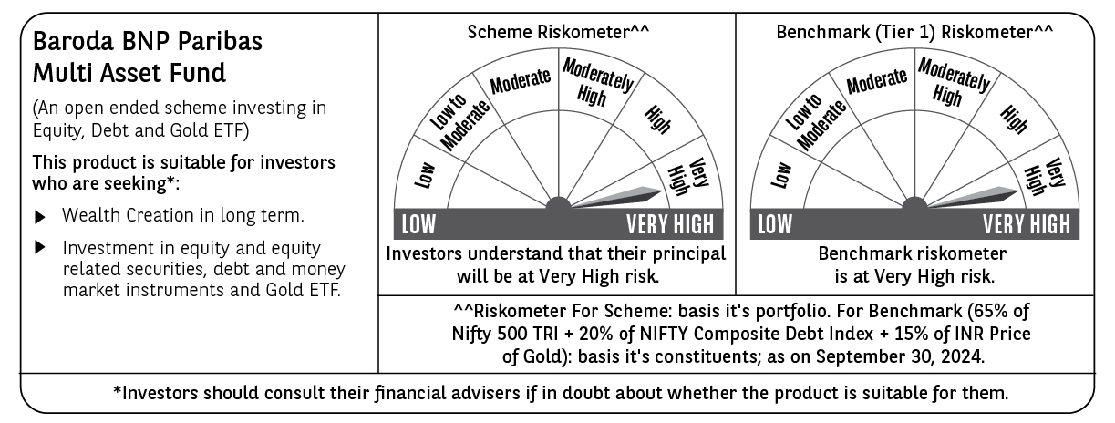
 | Baroda BNP Paribas Multi Asset Fund

 | Monthly Portfolio Statement as on September 30, 2024
 | Name of the Instrument | ISIN | Industry / Rating | Quantity | Market/Fair Value (Rs. in Lakhs) | % to Net Assets | YTM~ | YTC^ | null
 | Equity & Equity related
 | (a) Listed / awaiting listing on Stock Exchanges
HDFB03 | HDFC Bank Limited | INE040A01034 | Banks | 450,000 | 7,794.23 | 6.31%
IBCL05 | ICICI Bank Limited | INE090A01021 | Banks | 603,000 | 7,676.19 | 6.22%
RIND01 | Reliance Industries Limited | INE002A01018 | Petroleum Products | 252,000 | 7,441.94 | 6.03%
LARS02 | Larsen & Toubro Limited | INE018A01030 | Construction | 162,000 | 5,954.39 | 4.82%
TCSL01 | Tata Consultancy Services Limited | INE467B01029 | IT - Software | 115,200 | 4,917.31 | 3.98%
INFS02 | Infosys Limited | INE009A01021 | IT - Software | 252,000 | 4,726.51 | 3.83%
LAKM02 | Trent Limited | INE849A01020 | Retailing | 54,000 | 4,090.31 | 3.31%
BOCL01 | Linde India Limited | INE473A01011 | Chemicals & Petrochemicals | 40,500 | 3,436.47 | 2.78%
MOTI02 | Bosch Limited | INE323A01026 | Auto Components | 9,000 | 3,391.10 | 2.75%
BTVL02 | Bharti Airtel Limited | INE397D01024 | Telecom - Services | 198,000 | 3,384.91 | 2.74%
ABBP01 | Hitachi Energy India Limited | INE07Y701011 | Electrical Equipment | 18,900 | 2,749.06 | 2.23%
HERO02 | Hero MotoCorp Limited | INE158A01026 | Automobiles | 46,800 | 2,673.40 | 2.17%
NAYV01 | NLC India Limited | INE589A01014 | Power | 900,000 | 2,542.50 | 2.06%
ESCO01 | Escorts Kubota Limited | INE042A01014 | Agricultural, Commercial & Construction Vehicles | 58,500 | 2,497.25 | 2.02%
SPIL03 | Sun Pharmaceutical Industries Limited | INE044A01036 | Pharmaceuticals & Biotechnology | 126,000 | 2,427.64 | 1.97%
NTPC01 | NTPC Limited | INE733E01010 | Power | 540,000 | 2,393.28 | 1.94%
CIPL03 | Cipla Limited | INE059A01026 | Pharmaceuticals & Biotechnology | 126,000 | 2,084.17 | 1.69%
HLEL02 | Hindustan Unilever Limited | INE030A01027 | Diversified FMCG | 68,400 | 2,023.48 | 1.64%
NEST02 | Nestle India Limited | INE239A01024 | Food Products | 70,200 | 1,888.34 | 1.53%
GRAS02 | Grasim Industries Limited | INE047A01021 | Cement & Cement Products | 63,000 | 1,761.20 | 1.43%
BAFL02 | Bajaj Finance Limited | INE296A01024 | Finance | 22,000 | 1,694.66 | 1.37%
TELC03 | Tata Motors Limited | INE155A01022 | Automobiles | 148,510 | 1,447.45 | 1.17%
SBAI02 | State Bank of India | INE062A01020 | Banks | 162,000 | 1,276.40 | 1.03%
RELS01 | Jio Financial Services Limited | INE758E01017 | Finance | 342,000 | 1,199.05 | 0.97%
ULCC01 | UltraTech Cement Limited | INE481G01011 | Cement & Cement Products | 9,000 | 1,062.18 | 0.86%
BFLS01 | Mphasis Limited | INE356A01018 | IT - Software | 31,500 | 948.28 | 0.77%
BHAH02 | Bharat Heavy Electricals Limited | INE257A01026 | Electrical Equipment | 306,000 | 855.88 | 0.69%
JUHO01 | Juniper Hotels Limited | INE696F01016 | Leisure Services | 180,000 | 657.09 | 0.53%
GAIL01 | GAIL (India) Limited | INE129A01019 | Gas | 252,000 | 605.53 | 0.49%
JYCN01 | Jyoti CNC Automation Ltd | INE980O01024 | Industrial Manufacturing | 45,000 | 515.34 | 0.42%
GRAS04 | Grasim Industries Limited | IN9047A01029 | Cement & Cement Products | 2,504 | 46.95 | 0.04%
 | Sub Total |  |  |  | 86,162.49 | 69.79%
 | (b) Reits
BRFI01 | Brookfield India Real Estate Trust | INE0FDU25010 | Realty | 594,059 | 1,694.02 | 1.37%
 | Sub Total |  |  |  | 1,694.02 | 1.37%
 | (c) Invits
ISCI01 | Intelligent Supply Chain Infrastructure Trust | INE0QSW23016 | Miscellaneous | 400,000 | 440.00 | 0.36%
BHHI01 | Bharat Highways Invit | INE0NHL23019 | Construction | 110,014 | 126.30 | 0.10%
 | Sub Total |  |  |  | 566.30 | 0.46%
 | (d) Unlisted |  |  |  | NIL | NIL
 | Sub Total |  |  |  | NIL | NIL
 | Total |  |  |  | 88,422.81 | 71.62%
 | Derivatives
 | Index / Stock Futures
JUFLOCT24 | Jubilant Foodworks Limited October 2024 Future |  |  | 135,000 | 927.99 | 0.75%
NIFTYFOCT24 | NIFTY October 2024 Future |  |  | -4,500 | (1,169.56) | (0.95)%
 | Sub Total |  |  |  | (241.57) | (0.20)%
 | Total |  |  |  | (241.57) | (0.20)%
 | Debt Instruments
 | (a) Listed / awaiting listing on Stock Exchange
TCHF380 | 7.97% Tata Capital Housing Finance Limited (03/11/2025) ** | INE033L07HV8 | CRISIL AAA | 250 | 2,501.77 | 2.03% | 7.88%
NHBA322 | 7.4% National Housing Bank (16/07/2026) | INE557F08FS6 | CRISIL AAA | 2,500 | 2,494.96 | 2.02% | 7.50%
RECL391 | 7.14% REC Limited (02/03/2030) ** | INE020B08CO0 | CRISIL AAA | 200 | 2,000.48 | 1.62% | 7.27%
POWF534 | 7.27% Power Finance Corporation Limited (15/10/2031) | INE134E08ND3 | CRISIL AAA | 2,000 | 2,000.18 | 1.62% | 7.27%
IRLY383 | 7.37% Indian Railway Finance Corporation Limited (31/07/2029) ** | INE053F08411 | CRISIL AAA | 1,500 | 1,509.71 | 1.22% | 7.22%
MEBP30 | 8.03% Mindspace Business Parks REIT (10/12/2026) ** | INE0CCU07090 | CRISIL AAA | 1,500 | 1,506.82 | 1.22% | 8.04%
MUFL414 | 8.85% Muthoot Finance Limited (30/01/2029) ** | INE414G07JA0 | CRISIL AA+ | 1,000 | 999.87 | 0.81% | 8.83%
GOI5379 | 7.32% Government of India (13/11/2030) | IN0020230135 | Sovereign | 500,000 | 515.52 | 0.42% | 6.80%
 | Sub Total |  |  |  | 13,529.31 | 10.96%
 | (b) Privately placed / Unlisted |  |  |  | NIL | NIL
 | Sub Total |  |  |  | NIL | NIL
 | Total |  |  |  | 13,529.31 | 10.96%
 | Money Market Instruments
 | Treasury Bill
TBIL2271 | 364 Days Tbill (MD 24/10/2024) | IN002023Z323 | Sovereign | 1,500,000 | 1,494.02 | 1.21% | 6.35%
 | Sub Total |  |  |  | 1,494.02 | 1.21%
 | Total |  |  |  | 1,494.02 | 1.21%
 | Others
 | Exchange Traded Funds
BMGB51ME | Nippon India ETF Gold Bees | INF204KB17I5 |  | 11,700,000 | 7,435.35 | 6.02%
152231 | Baroda BNP Paribas Gold ETF-RG | INF251K01SU9 |  | 9,457,967 | 7,107.66 | 5.76%
113049 | HDFC Gold Exchange Traded Fund | INF179KC1981 |  | 5,949,000 | 3,900.76 | 3.16%
 | Sub Total |  |  |  | 18,443.77 | 14.94%
 | Total |  |  |  | 18,443.77 | 14.94%
 | Reverse Repo / TREPS
TRP_011024 | Clearing Corporation of India Ltd |  |  |  | 1,900.88 | 1.54% | 6.65%
 | Sub Total |  |  |  | 1,900.88 | 1.54%
 | (b) Privately placed / Unlisted |  |  |  | NIL | NIL
 | Sub Total |  |  |  | NIL | NIL
 | Total |  |  |  | 1,900.88 | 1.54%
 | Net Receivables / (Payables) |  |  |  | (77.08) | (0.07)%
 | GRAND TOTAL |  |  |  | 123,472.14 | 100.00%

 | ** Thinly Traded / Non Traded Security
 | ~ YTM as on September 30, 2024
 | ^ YTC represents Yield to Call provided by valuation agencies as on September 30, 2024. It is disclosed for Perpetual Bond issued by Banks (i.e. AT-1 Bond / Tier 1 Bond / Tier 2 Bond), as per AMFI Best Practices Guidelines Circular no. 135/BP/91/2020-21 read with SEBI circular No. SEBI/HO/IMD/DF4/CIR/P/2021/034 on Valuation of AT-1 Bonds and Tier 2 Bonds.
 | Details of Stock Future / Index Future
 | Long/Short | Name of the Instrument | Industry | Quantity. | Market/Fair Value (Rs. in Lacs). | % to NAV.
 | Short | NIFTY_31/10/2024 | Index | 4,500 | 1,169.56 | 0.95%
 | Long | Jubilant Foodworks | Leisure Services | 135,000 | 927.99 | 0.75%

