T0ME26
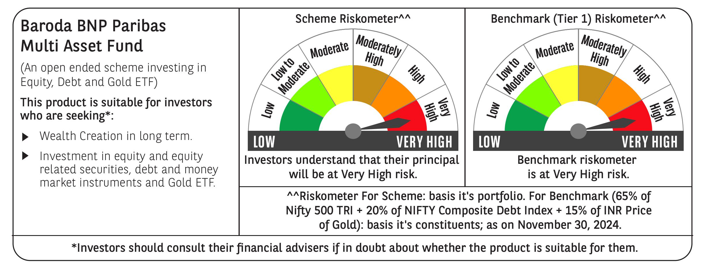
 | Baroda BNP Paribas Multi Asset Fund

 | Monthly Portfolio Statement as on November 30, 2024
 | Name of the Instrument | ISIN | Industry / Rating | Quantity | Market/Fair Value (Rs. in Lakhs) | % to Net Assets | YTM~ | YTC^ | null
 | Equity & Equity related
 | (a) Listed / awaiting listing on Stock Exchanges
HDFB03 | HDFC Bank Limited | INE040A01034 | Banks | 450,000 | 8,082.23 | 6.77%
IBCL05 | ICICI Bank Limited | INE090A01021 | Banks | 603,000 | 7,839.60 | 6.57%
RIND01 | Reliance Industries Limited | INE002A01018 | Petroleum Products | 486,000 | 6,280.09 | 5.26%
LARS02 | Larsen & Toubro Limited | INE018A01030 | Construction | 153,000 | 5,698.94 | 4.78%
TCSL01 | Tata Consultancy Services Limited | INE467B01029 | IT - Software | 115,200 | 4,920.02 | 4.12%
INFS02 | Infosys Limited | INE009A01021 | IT - Software | 252,000 | 4,681.78 | 3.92%
LAKM02 | Trent Limited | INE849A01020 | Retailing | 51,300 | 3,486.04 | 2.92%
BTVL02 | Bharti Airtel Limited | INE397D01024 | Telecom - Services | 198,000 | 3,221.76 | 2.70%
MOTI02 | Bosch Limited | INE323A01026 | Auto Components | 8,100 | 2,832.26 | 2.37%
BOCL01 | Linde India Limited | INE473A01011 | Chemicals & Petrochemicals | 40,500 | 2,802.90 | 2.35%
NAYV01 | NLC India Limited | INE589A01014 | Power | 900,000 | 2,329.65 | 1.95%
ABBP01 | Hitachi Energy India Limited | INE07Y701011 | Electrical Equipment | 18,900 | 2,263.95 | 1.90%
SPIL03 | Sun Pharmaceutical Industries Limited | INE044A01036 | Pharmaceuticals & Biotechnology | 126,000 | 2,243.93 | 1.88%
NTPC01 | NTPC Limited | INE733E01010 | Power | 540,000 | 1,963.71 | 1.65%
CIPL03 | Cipla Limited | INE059A01026 | Pharmaceuticals & Biotechnology | 126,000 | 1,932.71 | 1.62%
HERO02 | Hero MotoCorp Limited | INE158A01026 | Automobiles | 40,500 | 1,928.49 | 1.62%
ESCO01 | Escorts Kubota Limited | INE042A01014 | Agricultural, Commercial & Construction Vehicles | 54,000 | 1,919.11 | 1.61%
HLEL02 | Hindustan Unilever Limited | INE030A01027 | Diversified FMCG | 68,400 | 1,707.37 | 1.43%
GRAS02 | Grasim Industries Limited | INE047A01021 | Cement & Cement Products | 63,000 | 1,641.94 | 1.38%
NEST02 | Nestle India Limited | INE239A01024 | Food Products | 70,200 | 1,568.72 | 1.31%
BAFL02 | Bajaj Finance Limited | INE296A01024 | Finance | 20,700 | 1,361.21 | 1.14%
SBAI02 | State Bank of India | INE062A01020 | Banks | 162,000 | 1,359.10 | 1.14%
TELC03 | Tata Motors Limited | INE155A01022 | Automobiles | 144,000 | 1,132.49 | 0.95%
ACSO01 | Acme Solar Holdings Ltd | INE622W01025 | Finance | 412,437 | 1,131.31 | 0.95%
RELS01 | Jio Financial Services Limited | INE758E01017 | Finance | 342,000 | 1,122.96 | 0.94%
MCEX01 | Multi Commodity Exchange of India Limited | INE745G01035 | Capital Markets | 18,000 | 1,113.36 | 0.93%
ULCC01 | UltraTech Cement Limited | INE481G01011 | Cement & Cement Products | 9,000 | 1,008.19 | 0.85%
BFLS01 | Mphasis Limited | INE356A01018 | IT - Software | 31,500 | 936.98 | 0.79%
BHAH02 | Bharat Heavy Electricals Limited | INE257A01026 | Electrical Equipment | 306,000 | 768.34 | 0.64%
JUHO01 | Juniper Hotels Limited | INE696F01016 | Leisure Services | 180,000 | 646.02 | 0.54%
ALLI02 | GE Vernova T&D India Limited | INE200A01026 | Electrical Equipment | 36,000 | 632.23 | 0.53%
MASL02 | Mastek Limited | INE759A01021 | IT - Software | 16,875 | 535.32 | 0.45%
GAIL01 | GAIL (India) Limited | INE129A01019 | Gas | 252,000 | 502.64 | 0.42%
JYCN01 | Jyoti CNC Automation Ltd | INE980O01024 | Industrial Manufacturing | 29,104 | 361.52 | 0.30%
KOMA02 | Kotak Mahindra Bank Limited | INE237A01028 | Banks | 18,000 | 317.75 | 0.27%
GRAS04 | Grasim Industries Limited | IN9047A01029 | Cement & Cement Products | 2,504 | 41.60 | 0.03%
 | Sub Total |  |  |  | 82,316.22 | 68.98%

SECH03RF | UPL Limited- Rights | INE628A20010 | Fertilizers & Agrochemicals | 21,341 | 39.48 | 0.03%
 | Sub Total |  |  |  | 39.48 | 0.03%
 | (b) Reits
BRFI01 | Brookfield India Real Estate Trust | INE0FDU25010 | Realty | 310,329 | 897.04 | 0.75%
 | Sub Total |  |  |  | 897.04 | 0.75%
 | (c) Invits
ISCI01 | Intelligent Supply Chain Infrastructure Trust # | INE0QSW23016 | Miscellaneous | 400,000 | 440.00 | 0.37%
BHHI01 | Bharat Highways Invit | INE0NHL23019 | Transport Infrastructure | 110,014 | 126.37 | 0.11%
 | Sub Total |  |  |  | 566.37 | 0.48%
 | (d) Unlisted |  |  |  | NIL | NIL
 | Sub Total |  |  |  | NIL | NIL
 | Total |  |  |  | 83,819.11 | 70.24%
 | Derivatives
 | Index / Stock Futures
TPOWDEC24 | Tata Power Company Limited December 2024 Future |  |  | 133,650 | 557.19 | 0.47%
 | Sub Total |  |  |  | 557.19 | 0.47%
 | Total |  |  |  | 557.19 | 0.47%
 | Debt Instruments
 | (a) Listed / awaiting listing on Stock Exchange
TCHF380 | 7.97% Tata Capital Housing Finance Limited (03/11/2025) ** | INE033L07HV8 | CRISIL AAA | 250 | 2,502.88 | 2.10% | 7.79%
NBAR796 | 7.44% National Bank For Agriculture and Rural Development (24/02/2028) | INE261F08EK5 | CRISIL AAA | 2,000 | 1,999.65 | 1.68% | 7.45%
RECL391 | 7.14% REC Limited (02/03/2030) ** | INE020B08CO0 | CRISIL AAA | 200 | 1,993.72 | 1.67% | 7.34%
POWF534 | 7.27% Power Finance Corporation Limited (15/10/2031) ** | INE134E08ND3 | CRISIL AAA | 2,000 | 1,988.51 | 1.67% | 7.37%
IRLY383 | 7.37% Indian Railway Finance Corporation Limited (31/07/2029) ** | INE053F08411 | CRISIL AAA | 1,500 | 1,507.70 | 1.26% | 7.25%
MEBP30 | 8.03% Mindspace Business Parks REIT (10/12/2026) ** | INE0CCU07090 | CRISIL AAA | 1,500 | 1,505.90 | 1.26% | 8.05%
GOI5379 | 7.32% Government of India (13/11/2030) | IN0020230135 | Sovereign | 1,000,000 | 1,027.30 | 0.86% | 6.87%
MUFL414 | 8.85% Muthoot Finance Limited (30/01/2029) ** | INE414G07JA0 | CRISIL AA+ | 1,000 | 1,001.84 | 0.84% | 8.78%
 | Sub Total |  |  |  | 13,527.50 | 11.34%
 | (b) Privately placed / Unlisted |  |  |  | NIL | NIL
 | Sub Total |  |  |  | NIL | NIL
 | Total |  |  |  | 13,527.50 | 11.34%
 | Money Market Instruments
 | Treasury Bill
TBIL2307 | 364 Days Tbill (MD 16/01/2025) | IN002023Z448 | Sovereign | 500,000 | 495.96 | 0.42% | 6.46%
TBIL2329 | 364 Days Tbill (MD 27/02/2025) | IN002023Z513 | Sovereign | 500,000 | 492.34 | 0.41% | 6.45%
TBIL2404 | 364 Days Tbill (MD 10/07/2025) | IN002024Z156 | Sovereign | 500,000 | 480.65 | 0.40% | 6.65%
 | Sub Total |  |  |  | 1,468.95 | 1.23%
 | Total |  |  |  | 1,468.95 | 1.23%
 | Others
 | Exchange Traded Funds
BMGB51ME | Nippon India ETF Gold Bees | INF204KB17I5 |  | 11,250,000 | 7,232.63 | 6.06%
152231 | Baroda BNP Paribas Gold ETF-RG | INF251K01SU9 |  | 9,457,982 | 7,145.51 | 5.99%
113049 | HDFC Gold ETF | INF179KC1981 |  | 5,625,000 | 3,730.50 | 3.13%
 | Sub Total |  |  |  | 18,108.64 | 15.18%
 | Total |  |  |  | 18,108.64 | 15.18%
 | Reverse Repo / TREPS
TRP_021224 | Clearing Corporation of India Ltd |  |  |  | 2,553.96 | 2.14% | 6.69%
 | Sub Total |  |  |  | 2,553.96 | 2.14%
 | (b) Privately placed / Unlisted |  |  |  | NIL | NIL
 | Sub Total |  |  |  | NIL | NIL
 | Total |  |  |  | 2,553.96 | 2.14%
 | Net Receivables / (Payables) |  |  |  | (726.04) | (0.60)%
 | GRAND TOTAL |  |  |  | 119,309.31 | 100.00%

 | ** Thinly Traded / Non Traded Security
 | ~ YTM as on November 30, 2024
 | ^ YTC represents Yield to Call provided by valuation agencies as on November 30, 2024. It is disclosed for Perpetual Bond issued by Banks (i.e. AT-1 Bond / Tier 1 Bond / Tier 2 Bond), as per AMFI Best Practices Guidelines Circular no. 135/BP/91/2020-21 re
 | Details of Stock Future / Index Future
 | Long/Short | Name of the Instrument | Industry | Quantity. | Market/Fair Value (Rs. in Lacs). | % to NAV.
 | Long | Tata Power Company Limited_26/12/2024 | Power | 133,650 | 557.19 | 0.47%

