T0ME30
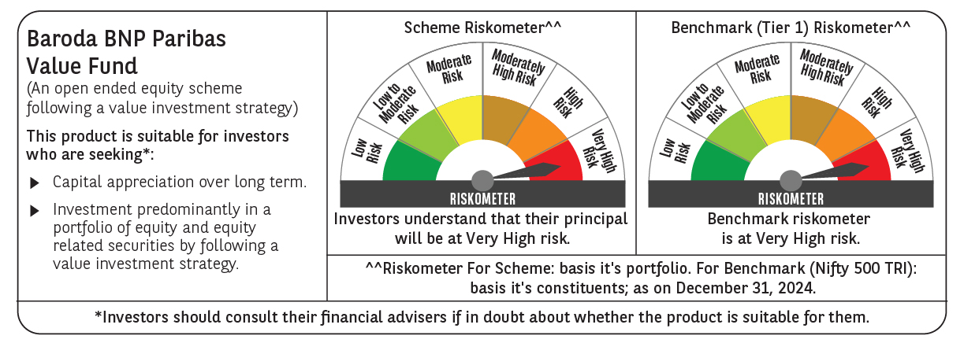
 | Baroda BNP Paribas Value Fund

 | Monthly Portfolio Statement as on December 31, 2024
 | Name of the Instrument | ISIN | Industry / Rating | Quantity | Market/Fair Value (Rs. in Lakhs) | % to Net Assets | YTM~ | YTC^ | null
 | Equity & Equity related
 | (a) Listed / awaiting listing on Stock Exchanges
HDFB03 | HDFC Bank Limited | INE040A01034 | Banks | 600,000 | 10,637.10 | 7.35%
INFS02 | Infosys Limited | INE009A01021 | IT - Software | 475,000 | 8,930.00 | 6.17%
IBCL05 | ICICI Bank Limited | INE090A01021 | Banks | 660,000 | 8,458.89 | 5.84%
RIND01 | Reliance Industries Limited | INE002A01018 | Petroleum Products | 500,000 | 6,077.25 | 4.20%
NTPC01 | NTPC Limited | INE733E01010 | Power | 1,700,000 | 5,666.95 | 3.92%
TCSL01 | Tata Consultancy Services Limited | INE467B01029 | IT - Software | 135,000 | 5,527.98 | 3.82%
LARS02 | Larsen & Toubro Limited | INE018A01030 | Construction | 117,383 | 4,234.77 | 2.93%
COAL01 | Coal India Limited | INE522F01014 | Consumable Fuels | 950,000 | 3,649.43 | 2.52%
MAGL01 | Mahanagar Gas Limited | INE002S01010 | Gas | 280,000 | 3,596.32 | 2.48%
ITCL02 | ITC Limited | INE154A01025 | Diversified FMCG | 700,000 | 3,385.55 | 2.34%
ALKE01 | Alkem Laboratories Limited | INE540L01014 | Pharmaceuticals & Biotechnology | 60,000 | 3,380.34 | 2.34%
BLUS03 | Blue Star Limited | INE472A01039 | Consumer Durables | 142,950 | 3,057.91 | 2.11%
DIVI02 | Divi's Laboratories Limited | INE361B01024 | Pharmaceuticals & Biotechnology | 50,000 | 3,049.40 | 2.11%
KOMA02 | Kotak Mahindra Bank Limited | INE237A01028 | Banks | 165,000 | 2,946.98 | 2.04%
PFCL01 | Power Finance Corporation Limited | INE134E01011 | Finance | 635,000 | 2,847.98 | 1.97%
SJVN01 | SJVN Limited | INE002L01015 | Power | 2,700,000 | 2,819.07 | 1.95%
PGCI01 | Power Grid Corporation of India Limited | INE752E01010 | Power | 900,000 | 2,778.30 | 1.92%
ALLI02 | GE Vernova T&D India Limited | INE200A01026 | Electrical Equipment | 131,774 | 2,735.50 | 1.89%
BPCL01 | Bharat Petroleum Corporation Limited | INE029A01011 | Petroleum Products | 900,000 | 2,632.05 | 1.82%
LUPL02 | Lupin Limited | INE326A01037 | Pharmaceuticals & Biotechnology | 110,000 | 2,591.27 | 1.79%
BHEL02 | Bharat Electronics Limited | INE263A01024 | Aerospace & Defense | 850,000 | 2,491.78 | 1.72%
MFSL01 | Mas Financial Services Limited | INE348L01012 | Finance | 850,000 | 2,340.05 | 1.62%
IPLI01 | ICICI Prudential Life Insurance Company Limited | INE726G01019 | Insurance | 350,000 | 2,291.98 | 1.58%
SPIL03 | Sun Pharmaceutical Industries Limited | INE044A01036 | Pharmaceuticals & Biotechnology | 120,000 | 2,263.62 | 1.56%
BHAH02 | Bharat Heavy Electricals Limited | INE257A01026 | Electrical Equipment | 950,000 | 2,179.30 | 1.51%
CGCE01 | Crompton Greaves Consumer Electricals Limited | INE299U01018 | Consumer Durables | 550,000 | 2,176.90 | 1.50%
OIIL01 | Oil India Limited | INE274J01014 | Oil | 500,000 | 2,153.75 | 1.49%
RELS01 | Jio Financial Services Limited | INE758E01017 | Finance | 720,000 | 2,150.64 | 1.49%
BINL01 | Indus Towers Limited | INE121J01017 | Telecom - Services | 620,553 | 2,121.05 | 1.47%
NACL03 | National Aluminium Company Limited | INE139A01034 | Non - Ferrous Metals | 1,000,000 | 2,117.00 | 1.46%
ISHF02 | India Shelter Finance Corporation Limited | INE922K01024 | Finance | 300,000 | 2,115.00 | 1.46%
SOKO03 | Jtekt India Limited | INE643A01035 | Auto Components | 1,179,000 | 1,909.27 | 1.32%
PLNG01 | Petronet LNG Limited | INE347G01014 | Gas | 500,000 | 1,731.00 | 1.20%
CHLO02 | Exide Industries Limited | INE302A01020 | Auto Components | 400,000 | 1,666.20 | 1.15%
HPEC01 | Hindustan Petroleum Corporation Limited | INE094A01015 | Petroleum Products | 400,000 | 1,635.00 | 1.13%
HLEL02 | Hindustan Unilever Limited | INE030A01027 | Diversified FMCG | 70,000 | 1,628.80 | 1.13%
GSPL01 | Gujarat State Petronet Limited | INE246F01010 | Gas | 435,000 | 1,574.27 | 1.09%
HDLI01 | HDFC Life Insurance Company Limited | INE795G01014 | Insurance | 250,000 | 1,542.63 | 1.07%
CIPL03 | Cipla Limited | INE059A01026 | Pharmaceuticals & Biotechnology | 100,000 | 1,529.00 | 1.06%
WIPR02 | Wipro Limited | INE075A01022 | IT - Software | 500,000 | 1,509.25 | 1.04%
SCDL01 | Sundaram Clayton Limited | INE0Q3R01026 | Auto Components | 58,789 | 1,497.27 | 1.03%
ULCC01 | UltraTech Cement Limited | INE481G01011 | Cement & Cement Products | 13,000 | 1,485.43 | 1.03%
TELC03 | Tata Motors Limited | INE155A01022 | Automobiles | 200,000 | 1,480.30 | 1.02%
HOCH01 | Sanofi India Limited | INE058A01010 | Pharmaceuticals & Biotechnology | 22,000 | 1,346.98 | 0.93%
MARE01 | Mangalore Refinery and Petrochemicals Limited | INE103A01014 | Petroleum Products | 650,000 | 964.67 | 0.67%
SCHI01 | Sanofi Consumer Healthcare India Limited | INE0UOS01011 | Pharmaceuticals & Biotechnology | 16,500 | 813.02 | 0.56%
NMDC01 | NMDC Limited | INE584A01023 | Minerals & Mining | 900,000 | 593.28 | 0.41%
YESB03 | Yes Bank Limited | INE528G01035 | Banks | 2,000,000 | 391.80 | 0.27%
IDBI01 | IDBI Bank Limited | INE008A01015 | Banks | 500,000 | 382.45 | 0.26%
SECH04 | UPL Limited Partly Paid Up | IN9628A01018 | Fertilizers & Agrochemicals | 46,509 | 104.90 | 0.07%
 | Sub Total |  |  |  | 137,189.63 | 94.81%
 | (b) Unlisted |  |  |  | NIL | NIL
 | Sub Total |  |  |  | NIL | NIL
 | Total |  |  |  | 137,189.63 | 94.81%
 | Money Market Instruments
 | Treasury Bill
TBIL2404 | 364 Days Tbill (MD 10/07/2025) | IN002024Z156 | Sovereign | 1,000,000 | 966.40 | 0.67% | 6.68%
TBIL2320 | 364 Days Tbill (MD 06/02/2025) | IN002023Z471 | Sovereign | 900,000 | 894.32 | 0.62% | 6.44%
 | Sub Total |  |  |  | 1,860.72 | 1.29%
 | Total |  |  |  | 1,860.72 | 1.29%
 | Reverse Repo / TREPS
TRP_010125 | Clearing Corporation of India Ltd |  |  |  | 5,954.33 | 4.11% | 6.58%
 | Sub Total |  |  |  | 5,954.33 | 4.11%
 | Total |  |  |  | 5,954.33 | 4.11%
 | Net Receivables / (Payables) |  |  |  | (266.42) | (0.21)%
 | GRAND TOTAL |  |  |  | 144,738.26 | 100.00%

 | ~ YTM as on December 31, 2024
 | ^ YTC represents Yield to Call provided by valuation agencies as on December 31, 2024. It is disclosed for Perpetual Bond issued by Banks (i.e. AT-1 Bond / Tier 1 Bond / Tier 2 Bond), as per AMFI Best Practices Guidelines Circular no. 135/BP/91/2020-21 re

