T0ME30
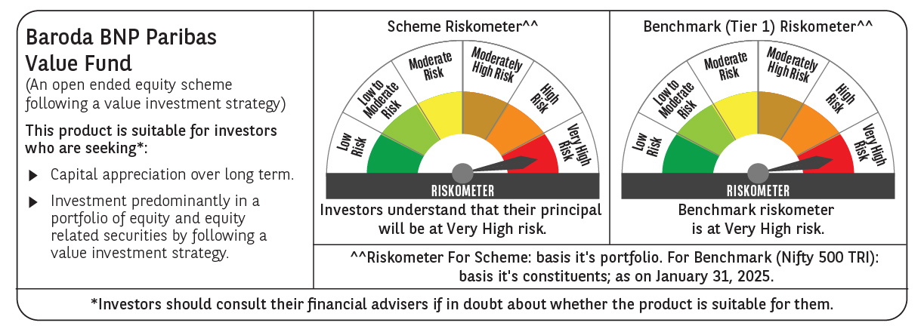
 | Baroda BNP Paribas Value Fund

 | Monthly Portfolio Statement as on January 31, 2025
 | Name of the Instrument | ISIN | Industry / Rating | Quantity | Market/Fair Value (Rs. in Lakhs) | % to Net Assets | YTM~ | YTC^ | null
 | Equity & Equity related
 | (a) Listed / awaiting listing on Stock Exchanges
INFS02 | Infosys Limited | INE009A01021 | IT - Software | 475,000 | 8,929.05 | 6.60%
IBCL05 | ICICI Bank Limited | INE090A01021 | Banks | 660,000 | 8,268.48 | 6.11%
HDFB03 | HDFC Bank Limited | INE040A01034 | Banks | 450,000 | 7,644.38 | 5.65%
RIND01 | Reliance Industries Limited | INE002A01018 | Petroleum Products | 500,000 | 6,325.50 | 4.68%
TCSL01 | Tata Consultancy Services Limited | INE467B01029 | IT - Software | 135,000 | 5,551.74 | 4.10%
NTPC01 | NTPC Limited | INE733E01010 | Power | 1,700,000 | 5,508.00 | 4.07%
LARS02 | Larsen & Toubro Limited | INE018A01030 | Construction | 117,383 | 4,187.52 | 3.10%
MAGL01 | Mahanagar Gas Limited | INE002S01010 | Gas | 280,000 | 3,863.58 | 2.86%
COAL01 | Coal India Limited | INE522F01014 | Consumable Fuels | 950,000 | 3,761.05 | 2.78%
KOMA02 | Kotak Mahindra Bank Limited | INE237A01028 | Banks | 165,000 | 3,137.15 | 2.32%
ALKE01 | Alkem Laboratories Limited | INE540L01014 | Pharmaceuticals & Biotechnology | 60,000 | 3,037.83 | 2.25%
DIVI02 | Divi's Laboratories Limited | INE361B01024 | Pharmaceuticals & Biotechnology | 50,000 | 2,788.85 | 2.06%
PGCI01 | Power Grid Corporation of India Limited | INE752E01010 | Power | 900,000 | 2,714.85 | 2.01%
PFCL01 | Power Finance Corporation Limited | INE134E01011 | Finance | 635,000 | 2,682.88 | 1.98%
SJVN01 | SJVN Limited | INE002L01015 | Power | 2,700,000 | 2,632.77 | 1.95%
BLUS03 | Blue Star Limited | INE472A01039 | Consumer Durables | 142,950 | 2,598.19 | 1.92%
BHAH02 | Bharat Heavy Electricals Limited | INE257A01026 | Electrical Equipment | 1,200,000 | 2,497.08 | 1.85%
BHEL02 | Bharat Electronics Limited | INE263A01024 | Aerospace & Defense | 850,000 | 2,487.53 | 1.84%
ALLI02 | GE Vernova T&D India Limited | INE200A01026 | Electrical Equipment | 131,774 | 2,355.46 | 1.74%
BPCL01 | Bharat Petroleum Corporation Limited | INE029A01011 | Petroleum Products | 900,000 | 2,349.90 | 1.74%
LUPL02 | Lupin Limited | INE326A01037 | Pharmaceuticals & Biotechnology | 110,000 | 2,288.50 | 1.69%
ITCL02 | ITC Limited | INE154A01025 | Diversified FMCG | 500,000 | 2,237.50 | 1.65%
MFSL01 | Mas Financial Services Limited | INE348L01012 | Finance | 850,000 | 2,157.30 | 1.59%
IPLI01 | ICICI Prudential Life Insurance Company Limited | INE726G01019 | Insurance | 350,000 | 2,156.00 | 1.59%
BINL01 | Indus Towers Limited | INE121J01017 | Telecom - Services | 620,553 | 2,154.56 | 1.59%
OIIL01 | Oil India Limited | INE274J01014 | Oil | 500,000 | 2,102.25 | 1.55%
SPIL03 | Sun Pharmaceutical Industries Limited | INE044A01036 | Pharmaceuticals & Biotechnology | 120,000 | 2,092.74 | 1.55%
NACL03 | National Aluminium Company Limited | INE139A01034 | Non - Ferrous Metals | 1,000,000 | 2,022.40 | 1.50%
ISHF02 | India Shelter Finance Corporation Limited | INE922K01024 | Finance | 300,000 | 1,983.90 | 1.47%
CGCE01 | Crompton Greaves Consumer Electricals Limited | INE299U01018 | Consumer Durables | 550,000 | 1,888.70 | 1.40%
SOKO03 | Jtekt India Limited | INE643A01035 | Auto Components | 1,179,000 | 1,805.76 | 1.33%
HDLI01 | HDFC Life Insurance Company Limited | INE795G01014 | Insurance | 250,000 | 1,595.13 | 1.18%
PLNG01 | Petronet LNG Limited | INE347G01014 | Gas | 500,000 | 1,581.00 | 1.17%
WIPR02 | Wipro Limited | INE075A01022 | IT - Software | 500,000 | 1,559.50 | 1.15%
GSPL01 | Gujarat State Petronet Limited | INE246F01010 | Gas | 435,000 | 1,503.80 | 1.11%
CHLO02 | Exide Industries Limited | INE302A01020 | Auto Components | 400,000 | 1,498.00 | 1.11%
ULCC01 | UltraTech Cement Limited | INE481G01011 | Cement & Cement Products | 13,000 | 1,493.37 | 1.10%
CIPL03 | Cipla Limited | INE059A01026 | Pharmaceuticals & Biotechnology | 100,000 | 1,479.40 | 1.09%
ADWI01 | Adani Wilmar Limited | INE699H01024 | Agricultural Food & other Products | 540,000 | 1,439.91 | 1.06%
HPEC01 | Hindustan Petroleum Corporation Limited | INE094A01015 | Petroleum Products | 400,000 | 1,433.00 | 1.06%
TELC03 | Tata Motors Limited | INE155A01022 | Automobiles | 200,000 | 1,432.20 | 1.06%
SCDL01 | Sundaram Clayton Limited | INE0Q3R01026 | Auto Components | 58,789 | 1,274.25 | 0.94%
HOCH01 | Sanofi India Limited | INE058A01010 | Pharmaceuticals & Biotechnology | 22,000 | 1,215.53 | 0.90%
RELS01 | Jio Financial Services Limited | INE758E01017 | Finance | 500,000 | 1,208.25 | 0.89%
MARE01 | Mangalore Refinery and Petrochemicals Limited | INE103A01014 | Petroleum Products | 825,000 | 1,068.38 | 0.79%
SCHI01 | Sanofi Consumer Healthcare India Limited | INE0UOS01011 | Pharmaceuticals & Biotechnology | 16,500 | 773.50 | 0.57%
NMDC01 | NMDC Limited | INE584A01023 | Minerals & Mining | 900,000 | 594.90 | 0.44%
IDBI01 | IDBI Bank Limited | INE008A01015 | Banks | 500,000 | 405.60 | 0.30%
YESB03 | Yes Bank Limited | INE528G01035 | Banks | 2,000,000 | 384.60 | 0.28%
DRRL03 | Dr. Reddy's Laboratories Limited | INE089A01031 | Pharmaceuticals & Biotechnology | 30,000 | 365.21 | 0.27%
SECH04 | UPL Limited ** | IN9628A01018 | Fertilizers & Agrochemicals | 46,509 | 155.22 | 0.11%
ITHO02 | ITC Hotels Limited | INE379A01028 | Leisure Services | 70,000 | 114.07 | 0.08%
BOCL01 | Linde India Limited | INE473A01011 | Chemicals & Petrochemicals | 81 | 5.08 | $0.00%
 | Sub Total |  |  |  | 128,791.30 | 95.18%
 | (b) Unlisted |  |  |  | NIL | NIL
 | Sub Total |  |  |  | NIL | NIL
 | Total |  |  |  | 128,791.30 | 95.18%
 | Money Market Instruments
 | Treasury Bill
TBIL2404 | 364 Days Tbill (MD 10/07/2025) | IN002024Z156 | Sovereign | 1,000,000 | 972.00 | 0.72% | 6.61%
TBIL2320 | 364 Days Tbill (MD 06/02/2025) | IN002023Z471 | Sovereign | 900,000 | 899.22 | 0.66% | 6.36%
TBIL2443 | 364 Days Tbill (MD 23/05/2025) | IN002024Z081 | Sovereign | 500,000 | 490.19 | 0.36% | 6.58%
TBIL2405 | 364 Days Tbill (MD 04/09/2025) | IN002024Z230 | Sovereign | 500,000 | 481.30 | 0.36% | 6.60%
 | Sub Total |  |  |  | 2,842.71 | 2.10%
 | Total |  |  |  | 2,842.71 | 2.10%
 | Reverse Repo / TREPS
TRP_030225 | Clearing Corporation of India Ltd |  |  |  | 3,413.72 | 2.52% | 6.54%
 | Sub Total |  |  |  | 3,413.72 | 2.52%
 | Total |  |  |  | 3,413.72 | 2.52%
 | Net Receivables / (Payables) |  |  |  | 216.70 | 0.20%
 | GRAND TOTAL |  |  |  | 135,264.43 | 100.00%

 | ** Thinly Traded / Non Traded Security
 | $ Less Than 0.01% of Net Asset Value
 | ~ YTM as on January 31, 2025
 | ^ YTC represents Yield to Call provided by valuation agencies as on January 31, 2025. It is disclosed for Perpetual Bond issued by Banks (i.e. AT-1 Bond / Tier 1 Bond / Tier 2 Bond), as per AMFI Best Practices Guidelines Circular no. 135/BP/91/2020-21 read with SEBI circular No. SEBI/HO/IMD/DF4/CIR/P/2021/034 on Valuation of AT-1 Bonds and Tier 2 Bonds.

