Monthly Portfolio
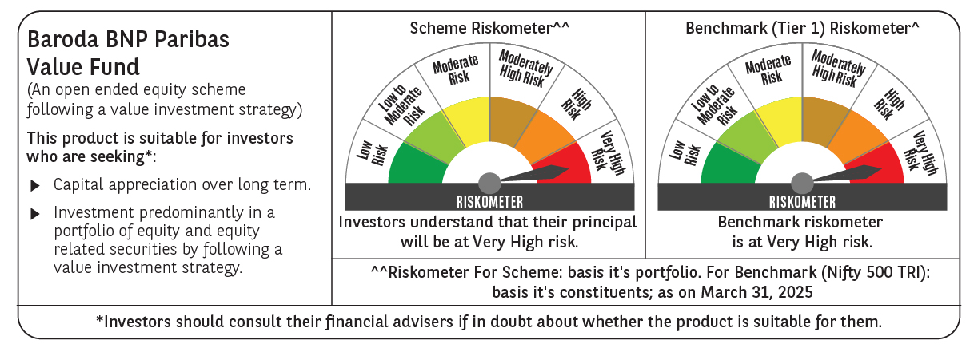
 | Baroda BNP Paribas Value Fund

 | Monthly Portfolio Statement as on March 31, 2025
 | Name of the Instrument | ISIN | Industry / Rating | Quantity | Market/Fair Value (Rs. in Lakhs) | % to Net Assets | YTM~ | YTC^ | null
 | Equity & Equity related
 | (a) Listed / awaiting listing on Stock Exchanges
IBCL05 | ICICI Bank Limited | INE090A01021 | Banks | 660,000 | 8,899.11 | 6.79%
HDFB03 | HDFC Bank Limited | INE040A01034 | Banks | 450,000 | 8,226.90 | 6.28%
INFS02 | Infosys Limited | INE009A01021 | IT - Software | 475,000 | 7,460.59 | 5.69%
RIND01 | Reliance Industries Limited | INE002A01018 | Petroleum Products | 500,000 | 6,375.50 | 4.86%
KOMA02 | Kotak Mahindra Bank Limited | INE237A01028 | Banks | 250,000 | 5,428.00 | 4.14%
TCSL01 | Tata Consultancy Services Limited | INE467B01029 | IT - Software | 150,000 | 5,409.23 | 4.13%
NTPC01 | NTPC Limited | INE733E01010 | Power | 1,100,000 | 3,933.60 | 3.00%
COAL01 | Coal India Limited | INE522F01014 | Consumable Fuels | 950,000 | 3,782.90 | 2.89%
MAGL01 | Mahanagar Gas Limited | INE002S01010 | Gas | 270,000 | 3,744.77 | 2.86%
LARS02 | Larsen & Toubro Limited | INE018A01030 | Construction | 100,000 | 3,492.30 | 2.66%
BLUS03 | Blue Star Limited | INE472A01039 | Consumer Durables | 142,950 | 3,053.98 | 2.33%
ALKE01 | Alkem Laboratories Limited | INE540L01014 | Pharmaceuticals & Biotechnology | 60,000 | 2,929.02 | 2.23%
DIVI02 | Divi's Laboratories Limited | INE361B01024 | Pharmaceuticals & Biotechnology | 50,000 | 2,887.73 | 2.20%
PFCL01 | Power Finance Corporation Limited | INE134E01011 | Finance | 635,000 | 2,630.49 | 2.01%
BHAH02 | Bharat Heavy Electricals Limited | INE257A01026 | Electrical Equipment | 1,200,000 | 2,597.16 | 1.98%
BHEL02 | Bharat Electronics Limited | INE263A01024 | Aerospace & Defense | 850,000 | 2,561.22 | 1.95%
SJVN01 | SJVN Limited | INE002L01015 | Power | 2,700,000 | 2,472.93 | 1.89%
LUPL02 | Lupin Limited | INE326A01037 | Pharmaceuticals & Biotechnology | 110,000 | 2,230.75 | 1.70%
MFSL01 | Mas Financial Services Limited | INE348L01012 | Finance | 850,000 | 2,091.51 | 1.60%
SPIL03 | Sun Pharmaceutical Industries Limited | INE044A01036 | Pharmaceuticals & Biotechnology | 120,000 | 2,081.64 | 1.59%
BINL01 | Indus Towers Limited | INE121J01017 | Telecom - Services | 620,553 | 2,074.51 | 1.58%
ALLI02 | GE Vernova T&D India Limited | INE200A01026 | Electrical Equipment | 131,774 | 2,054.03 | 1.57%
PGCI01 | Power Grid Corporation of India Limited | INE752E01010 | Power | 700,000 | 2,032.45 | 1.55%
ISHF02 | India Shelter Finance Corporation Limited | INE922K01024 | Finance | 243,000 | 2,011.80 | 1.54%
IPLI01 | ICICI Prudential Life Insurance Company Limited | INE726G01019 | Insurance | 350,000 | 1,975.23 | 1.51%
ULCC01 | UltraTech Cement Limited | INE481G01011 | Cement & Cement Products | 17,000 | 1,956.62 | 1.49%
CGCE01 | Crompton Greaves Consumer Electricals Limited | INE299U01018 | Consumer Durables | 550,000 | 1,946.73 | 1.49%
OIIL01 | Oil India Limited | INE274J01014 | Oil | 500,000 | 1,933.75 | 1.48%
NACL03 | National Aluminium Company Limited | INE139A01034 | Non - Ferrous Metals | 1,000,000 | 1,755.30 | 1.34%
HDLI01 | HDFC Life Insurance Company Limited | INE795G01014 | Insurance | 250,000 | 1,714.25 | 1.31%
SOKO03 | Jtekt India Limited | INE643A01035 | Auto Components | 1,179,000 | 1,470.45 | 1.12%
SAEL02 | TVS Motor Company Limited | INE494B01023 | Automobiles | 60,000 | 1,451.91 | 1.11%
CIPL03 | Cipla Limited | INE059A01026 | Pharmaceuticals & Biotechnology | 100,000 | 1,442.20 | 1.10%
CHLO02 | Exide Industries Limited | INE302A01020 | Auto Components | 400,000 | 1,441.80 | 1.10%
HPEC01 | Hindustan Petroleum Corporation Limited | INE094A01015 | Petroleum Products | 400,000 | 1,441.40 | 1.10%
ADWI01 | Adani Wilmar Limited | INE699H01024 | Agricultural Food & other Products | 540,000 | 1,394.93 | 1.06%
VNBL03 | Varun Beverages Limited | INE200M01039 | Beverages | 250,000 | 1,349.13 | 1.03%
EIML02 | Eicher Motors Limited | INE066A01021 | Automobiles | 25,000 | 1,336.93 | 1.02%
WIPR02 | Wipro Limited | INE075A01022 | IT - Software | 500,000 | 1,311.25 | 1.00%
SCDL01 | Sundaram Clayton Limited | INE0Q3R01026 | Auto Components | 58,789 | 1,297.56 | 0.99%
HOCH01 | Sanofi India Limited | INE058A01010 | Pharmaceuticals & Biotechnology | 22,000 | 1,259.59 | 0.96%
DRRL03 | Dr. Reddy's Laboratories Limited | INE089A01031 | Pharmaceuticals & Biotechnology | 110,000 | 1,258.62 | 0.96%
PLNG01 | Petronet LNG Limited | INE347G01014 | Gas | 425,000 | 1,247.80 | 0.95%
MAUD01 | Maruti Suzuki India Limited | INE585B01010 | Automobiles | 10,000 | 1,152.22 | 0.88%
GSPL01 | Gujarat State Petronet Limited | INE246F01010 | Gas | 355,000 | 1,034.12 | 0.79%
SCHI01 | Sanofi Consumer Healthcare India Limited | INE0UOS01011 | Pharmaceuticals & Biotechnology | 17,500 | 844.68 | 0.64%
BPCL01 | Bharat Petroleum Corporation Limited | INE029A01011 | Petroleum Products | 300,000 | 835.41 | 0.64%
IDBI01 | IDBI Bank Limited | INE008A01015 | Banks | 500,000 | 388.50 | 0.30%
YESB03 | Yes Bank Limited | INE528G01035 | Banks | 2,000,000 | 337.60 | 0.26%
SECH05 | UPL Limited Partly Paid Up FV 1 | IN9628A01026 | Fertilizers & Agrochemicals | 46,509 | 201.36 | 0.15%
BOCL01 | Linde India Limited | INE473A01011 | Chemicals & Petrochemicals | 200 | 12.51 | 0.01%
 | Sub Total |  |  |  | 124,253.97 | 94.81%
 | (b) Unlisted |  |  |  | NIL | NIL
 | Sub Total |  |  |  | NIL | NIL
 | Total |  |  |  | 124,253.97 | 94.81%
 | Derivatives
 | Index / Stock Futures
INFSAPR25 | Infosys Limited April 2025 Future |  |  | -96,000 | (1,514.98) | (1.16)%
 | Sub Total |  |  |  | (1,514.98) | (1.16)%
 | Total |  |  |  | (1,514.98) | (1.16)%
 | Money Market Instruments
 | Treasury Bill
TBIL2404 | 364 Days Tbill (MD 10/07/2025) | IN002024Z156 | Sovereign | 1,000,000 | 982.90 | 0.75% | 6.35%
TBIL2443 | 364 Days Tbill (MD 23/05/2025) | IN002024Z081 | Sovereign | 500,000 | 495.52 | 0.38% | 6.35%
TBIL2405 | 364 Days Tbill (MD 04/09/2025) | IN002024Z230 | Sovereign | 500,000 | 486.49 | 0.37% | 6.50%
 | Sub Total |  |  |  | 1,964.91 | 1.50%
 | Total |  |  |  | 1,964.91 | 1.50%
 | Reverse Repo / TREPS
TRP_020425 | Clearing Corporation of India Ltd |  |  |  | 4,937.37 | 3.77% | 6.68%
 | Sub Total |  |  |  | 4,937.37 | 3.77%
 | Total |  |  |  | 4,937.37 | 3.77%
 | Net Receivables / (Payables) |  |  |  | 1,414.39 | 1.08%
 | GRAND TOTAL |  |  |  | 131,055.66 | 100.00%

 | ~ YTM as on March 31, 2025
 | ^ YTC represents Yield to Call provided by valuation agencies as on March 31, 2025. It is disclosed for Perpetual Bond issued by Banks (i.e. AT-1 Bond / Tier 1 Bond / Tier 2 Bond), as per AMFI Best Practices Guidelines Circular no. 135/BP/91/2020-21 read with SEBI circular No. SEBI/HO/IMD/DF4/CIR/P/2021/034 on Valuation of AT-1 Bonds and Tier 2 Bonds.
 | Details of Stock Future / Index Future
 | Long/Short | Name of the Instrument | Industry | Quantity. | Market/Fair Value (Rs. in Lacs). | % to NAV.
 | Short | Infosys Limited_24/04/2025 | IT - Software | 96,000 | 1,514.98 | 1.16%

