T0ME30
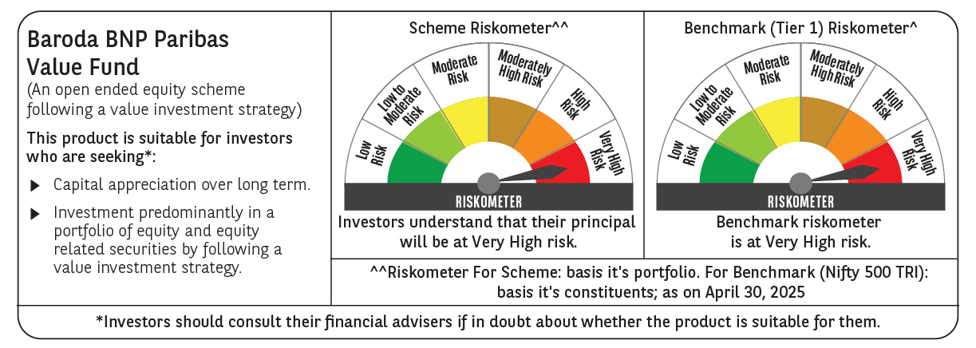
 | Baroda BNP Paribas Value Fund

 | Monthly Portfolio Statement as on April 30, 2025
 | Name of the Instrument | ISIN | Industry / Rating | Quantity | Market/Fair Value (Rs. in Lakhs) | % to Net Assets | YTM~ | YTC^ | null
 | Equity & Equity related
 | (a) Listed / awaiting listing on Stock Exchanges
IBCL05 | ICICI Bank Limited | INE090A01021 | Banks | 660,000 | 9,418.20 | 7.14%
HDFB03 | HDFC Bank Limited | INE040A01034 | Banks | 450,000 | 8,662.50 | 6.57%
INFS02 | Infosys Limited | INE009A01021 | IT - Software | 475,000 | 7,125.48 | 5.40%
RIND01 | Reliance Industries Limited | INE002A01018 | Petroleum Products | 500,000 | 7,025.00 | 5.33%
KOMA02 | Kotak Mahindra Bank Limited | INE237A01028 | Banks | 250,000 | 5,520.25 | 4.18%
TCSL01 | Tata Consultancy Services Limited | INE467B01029 | IT - Software | 150,000 | 5,180.55 | 3.93%
NTPC01 | NTPC Limited | INE733E01010 | Power | 1,100,000 | 3,900.05 | 2.96%
COAL01 | Coal India Limited | INE522F01014 | Consumable Fuels | 950,000 | 3,660.35 | 2.77%
MAGL01 | Mahanagar Gas Limited | INE002S01010 | Gas | 270,000 | 3,634.47 | 2.76%
LARS02 | Larsen & Toubro Limited | INE018A01030 | Construction | 100,000 | 3,341.00 | 2.53%
ALKE01 | Alkem Laboratories Limited | INE540L01014 | Pharmaceuticals & Biotechnology | 60,000 | 3,069.60 | 2.33%
DIVI02 | Divi's Laboratories Limited | INE361B01024 | Pharmaceuticals & Biotechnology | 50,000 | 3,043.50 | 2.31%
BHAH02 | Bharat Heavy Electricals Limited | INE257A01026 | Electrical Equipment | 1,200,000 | 2,722.08 | 2.06%
PFCL01 | Power Finance Corporation Limited | INE134E01011 | Finance | 635,000 | 2,586.99 | 1.96%
SJVN01 | SJVN Limited | INE002L01015 | Power | 2,700,000 | 2,538.81 | 1.92%
BINL01 | Indus Towers Limited | INE121J01017 | Telecom - Services | 620,553 | 2,533.10 | 1.92%
BLUS03 | Blue Star Limited | INE472A01039 | Consumer Durables | 142,950 | 2,439.16 | 1.85%
MFSL01 | Mas Financial Services Limited | INE348L01012 | Finance | 850,000 | 2,275.37 | 1.72%
SPIL03 | Sun Pharmaceutical Industries Limited | INE044A01036 | Pharmaceuticals & Biotechnology | 120,000 | 2,198.76 | 1.67%
PGCI01 | Power Grid Corporation of India Limited | INE752E01010 | Power | 700,000 | 2,152.15 | 1.63%
IPLI01 | ICICI Prudential Life Insurance Company Limited | INE726G01019 | Insurance | 350,000 | 2,150.23 | 1.63%
LUPL02 | Lupin Limited | INE326A01037 | Pharmaceuticals & Biotechnology | 100,000 | 2,095.60 | 1.59%
ALLI02 | GE Vernova T&D India Limited | INE200A01026 | Electrical Equipment | 131,774 | 2,063.71 | 1.56%
OIIL01 | Oil India Limited | INE274J01014 | Oil | 500,000 | 2,053.75 | 1.56%
ULCC01 | UltraTech Cement Limited | INE481G01011 | Cement & Cement Products | 17,000 | 1,978.97 | 1.50%
BHEL02 | Bharat Electronics Limited | INE263A01024 | Aerospace & Defense | 600,000 | 1,884.60 | 1.43%
HDLI01 | HDFC Life Insurance Company Limited | INE795G01014 | Insurance | 250,000 | 1,859.25 | 1.41%
CGCE01 | Crompton Greaves Consumer Electricals Limited | INE299U01018 | Consumer Durables | 550,000 | 1,855.15 | 1.41%
SOKO03 | Jtekt India Limited | INE643A01035 | Auto Components | 1,179,000 | 1,674.42 | 1.27%
TOPH02 | Torrent Pharmaceuticals Limited | INE685A01028 | Pharmaceuticals & Biotechnology | 50,000 | 1,661.00 | 1.26%
SAEL02 | TVS Motor Company Limited | INE494B01023 | Automobiles | 60,000 | 1,603.20 | 1.22%
CIPL03 | Cipla Limited | INE059A01026 | Pharmaceuticals & Biotechnology | 100,000 | 1,550.10 | 1.18%
HPEC01 | Hindustan Petroleum Corporation Limited | INE094A01015 | Petroleum Products | 400,000 | 1,514.80 | 1.15%
ADWI01 | AWL Agri Business Limited | INE699H01024 | Agricultural Food & other Products | 540,000 | 1,442.07 | 1.09%
CHLO02 | Exide Industries Limited | INE302A01020 | Auto Components | 400,000 | 1,407.00 | 1.07%
EIML02 | Eicher Motors Limited | INE066A01021 | Automobiles | 25,000 | 1,391.75 | 1.06%
PLNG01 | Petronet LNG Limited | INE347G01014 | Gas | 425,000 | 1,333.44 | 1.01%
GAIL01 | GAIL (India) Limited | INE129A01019 | Gas | 700,000 | 1,323.63 | 1.00%
HOCH01 | Sanofi India Limited | INE058A01010 | Pharmaceuticals & Biotechnology | 22,000 | 1,307.46 | 0.99%
VNBL03 | Varun Beverages Limited | INE200M01039 | Beverages | 250,000 | 1,305.88 | 0.99%
ISHF02 | India Shelter Finance Corporation Limited | INE922K01024 | Finance | 144,264 | 1,250.41 | 0.95%
MAUD01 | Maruti Suzuki India Limited | INE585B01010 | Automobiles | 10,000 | 1,225.70 | 0.93%
SCDL01 | Sundaram Clayton Limited | INE0Q3R01026 | Auto Components | 58,789 | 1,164.14 | 0.88%
GSPL01 | Gujarat State Petronet Limited | INE246F01010 | Gas | 355,000 | 1,153.75 | 0.87%
SCHI01 | Sanofi Consumer Healthcare India Limited | INE0UOS01011 | Pharmaceuticals & Biotechnology | 20,000 | 988.00 | 0.75%
CANB02 | Canara Bank | INE476A01022 | Banks | 1,000,000 | 974.50 | 0.74%
BPCL01 | Bharat Petroleum Corporation Limited | INE029A01011 | Petroleum Products | 300,000 | 930.15 | 0.71%
ICEM01 | The India Cements Limited | INE383A01012 | Cement & Cement Products | 175,000 | 538.91 | 0.41%
IDBI01 | IDBI Bank Limited | INE008A01015 | Banks | 500,000 | 399.15 | 0.30%
 | Sub Total |  |  |  | 125,108.09 | 94.86%
 | (b) Unlisted |  |  |  | NIL | NIL
 | Sub Total |  |  |  | NIL | NIL
 | Total |  |  |  | 125,108.09 | 94.86%
 | Derivatives
 | Index / Stock Futures
MAUDMAY25 | Maruti Suzuki India Limited May 2025 Future |  |  | -5,000 | (615.50) | (0.47)%
INFSMAY25 | Infosys Limited May 2025 Future |  |  | -240,000 | (3,611.04) | (2.74)%
 | Sub Total |  |  |  | (4,226.54) | (3.21)%
 | Total |  |  |  | (4,226.54) | (3.21)%
 | Money Market Instruments
 | Treasury Bill
TBIL2404 | 364 Days Tbill (MD 10/07/2025) | IN002024Z156 | Sovereign | 1,000,000 | 988.91 | 0.75% | 5.85%
TBIL2443 | 364 Days Tbill (MD 23/05/2025) | IN002024Z081 | Sovereign | 500,000 | 498.24 | 0.38% | 5.85%
TBIL2405 | 364 Days Tbill (MD 04/09/2025) | IN002024Z230 | Sovereign | 500,000 | 489.98 | 0.37% | 5.93%
 | Sub Total |  |  |  | 1,977.13 | 1.50%
 | Total |  |  |  | 1,977.13 | 1.50%
 | Reverse Repo / TREPS
TRP_020525 | Clearing Corporation of India Ltd |  |  |  | 4,989.52 | 3.78% | 5.94%
 | Sub Total |  |  |  | 4,989.52 | 3.78%
 | Total |  |  |  | 4,989.52 | 3.78%
 | Net Receivables / (Payables) |  |  |  | 4,068.53 | 3.07%
 | GRAND TOTAL |  |  |  | 131,916.73 | 100.00%

 | ~ YTM as on April 30, 2025
 | ^ YTC represents Yield to Call provided by valuation agencies as on April 30, 2025. It is disclosed for Perpetual Bond issued by Banks (i.e. AT-1 Bond / Tier 1 Bond / Tier 2 Bond), as per AMFI Best Practices Guidelines Circular no. 135/BP/91/2020-21 read with SEBI circular No. SEBI/HO/IMD/DF4/CIR/P/2021/034 on Valuation of AT-1 Bonds and Tier 2 Bonds.
 | Details of Stock Future / Index Future
 | Long/Short | Name of the Instrument | Industry | Quantity. | Market/Fair Value (Rs. in Lacs). | % to NAV.
 | Short | Infosys Limited_29/05/2025 | IT - Software | 240,000 | 3,611.04 | 2.74%
 | Short | Maruti Suzuki India Limited_29/05/2025 | Automobiles | 5,000 | 615.50 | 0.47%

