T0ME30
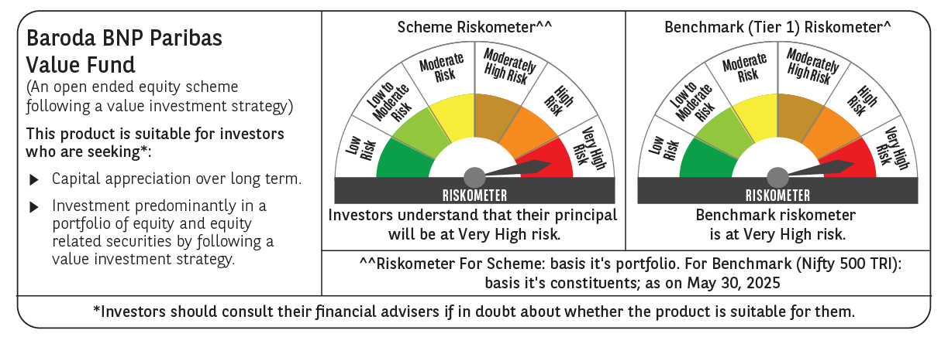
 | Baroda BNP Paribas Value Fund

 | Monthly Portfolio Statement as on May 31, 2025
 | Name of the Instrument | ISIN | Industry / Rating | Quantity | Market/Fair Value (Rs. in Lakhs) | % to Net Assets | YTM~ | YTC^ | null
 | Equity & Equity related
 | (a) Listed / awaiting listing on Stock Exchanges
HDFB03 | HDFC Bank Limited | INE040A01034 | Banks | 450,000 | 8,752.05 | 6.64%
IBCL05 | ICICI Bank Limited | INE090A01021 | Banks | 540,000 | 7,807.32 | 5.92%
INFS02 | Infosys Limited | INE009A01021 | IT - Software | 475,000 | 7,422.83 | 5.63%
RIND01 | Reliance Industries Limited | INE002A01018 | Petroleum Products | 500,000 | 7,104.50 | 5.39%
TCSL01 | Tata Consultancy Services Limited | INE467B01029 | IT - Software | 150,000 | 5,195.10 | 3.94%
KOMA02 | Kotak Mahindra Bank Limited | INE237A01028 | Banks | 250,000 | 5,186.75 | 3.93%
COAL01 | Coal India Limited | INE522F01014 | Consumable Fuels | 950,000 | 3,774.35 | 2.86%
LARS02 | Larsen & Toubro Limited | INE018A01030 | Construction | 100,000 | 3,675.10 | 2.79%
NTPC01 | NTPC Limited | INE733E01010 | Power | 1,100,000 | 3,672.90 | 2.78%
MAGL01 | Mahanagar Gas Limited | INE002S01010 | Gas | 270,000 | 3,578.04 | 2.71%
DIVI02 | Divi's Laboratories Limited | INE361B01024 | Pharmaceuticals & Biotechnology | 50,000 | 3,306.00 | 2.51%
BHAH02 | Bharat Heavy Electricals Limited | INE257A01026 | Electrical Equipment | 1,200,000 | 3,117.96 | 2.36%
ALKE01 | Alkem Laboratories Limited | INE540L01014 | Pharmaceuticals & Biotechnology | 60,000 | 3,059.10 | 2.32%
ALLI02 | GE Vernova T&D India Limited | INE200A01026 | Electrical Equipment | 131,774 | 2,953.58 | 2.24%
SJVN01 | SJVN Limited | INE002L01015 | Power | 2,700,000 | 2,600.10 | 1.97%
PFCL01 | Power Finance Corporation Limited | INE134E01011 | Finance | 635,000 | 2,577.78 | 1.95%
MFSL01 | Mas Financial Services Limited | INE348L01012 | Finance | 850,000 | 2,503.25 | 1.90%
HPEC01 | Hindustan Petroleum Corporation Limited | INE094A01015 | Petroleum Products | 600,000 | 2,466.30 | 1.87%
IPLI01 | ICICI Prudential Life Insurance Company Limited | INE726G01019 | Insurance | 350,000 | 2,318.40 | 1.76%
BHEL02 | Bharat Electronics Limited | INE263A01024 | Aerospace & Defense | 600,000 | 2,307.60 | 1.75%
OIIL01 | Oil India Limited | INE274J01014 | Oil | 500,000 | 2,134.00 | 1.62%
PGCI01 | Power Grid Corporation of India Limited | INE752E01010 | Power | 700,000 | 2,028.25 | 1.54%
SPIL03 | Sun Pharmaceutical Industries Limited | INE044A01036 | Pharmaceuticals & Biotechnology | 120,000 | 2,013.12 | 1.53%
HDLI01 | HDFC Life Insurance Company Limited | INE795G01014 | Insurance | 250,000 | 1,942.13 | 1.47%
ULCC01 | UltraTech Cement Limited | INE481G01011 | Cement & Cement Products | 17,000 | 1,905.70 | 1.44%
SAEL02 | TVS Motor Company Limited | INE494B01023 | Automobiles | 60,000 | 1,668.48 | 1.26%
SOKO03 | Jtekt India Limited | INE643A01035 | Auto Components | 1,179,000 | 1,635.51 | 1.24%
CGCE01 | Crompton Greaves Consumer Electricals Limited | INE299U01018 | Consumer Durables | 450,000 | 1,588.05 | 1.20%
TOPH02 | Torrent Pharmaceuticals Limited | INE685A01028 | Pharmaceuticals & Biotechnology | 50,000 | 1,587.35 | 1.20%
CHLO02 | Exide Industries Limited | INE302A01020 | Auto Components | 400,000 | 1,547.40 | 1.17%
HOCH01 | Sanofi India Limited | INE058A01010 | Pharmaceuticals & Biotechnology | 24,728 | 1,531.28 | 1.16%
SCDL01 | Sundaram Clayton Limited | INE0Q3R01026 | Auto Components | 60,000 | 1,486.50 | 1.13%
ADWI01 | AWL Agri Business Limited | INE699H01024 | Agricultural Food & other Products | 533,516 | 1,467.17 | 1.11%
CIPL03 | Cipla Limited | INE059A01026 | Pharmaceuticals & Biotechnology | 100,000 | 1,465.70 | 1.11%
EIML02 | Eicher Motors Limited | INE066A01021 | Automobiles | 25,000 | 1,333.38 | 1.01%
GAIL01 | GAIL (India) Limited | INE129A01019 | Gas | 700,000 | 1,328.60 | 1.01%
PLNG01 | Petronet LNG Limited | INE347G01014 | Gas | 425,000 | 1,306.03 | 0.99%
MAUD01 | Maruti Suzuki India Limited | INE585B01010 | Automobiles | 10,000 | 1,231.90 | 0.93%
BLUS03 | Blue Star Limited | INE472A01039 | Consumer Durables | 80,000 | 1,225.84 | 0.93%
SCHI01 | Sanofi Consumer Healthcare India Limited | INE0UOS01011 | Pharmaceuticals & Biotechnology | 23,000 | 1,211.78 | 0.92%
VNBL03 | Varun Beverages Limited | INE200M01039 | Beverages | 250,000 | 1,189.88 | 0.90%
GSPL01 | Gujarat State Petronet Limited | INE246F01010 | Gas | 355,000 | 1,167.24 | 0.88%
CANB02 | Canara Bank | INE476A01022 | Banks | 1,000,000 | 1,147.60 | 0.87%
HERO02 | Hero MotoCorp Limited | INE158A01026 | Automobiles | 25,000 | 1,077.33 | 0.82%
CHEL02 | Zydus Lifesciences Limited | INE010B01027 | Pharmaceuticals & Biotechnology | 115,000 | 1,069.50 | 0.81%
ICEM01 | The India Cements Limited | INE383A01012 | Cement & Cement Products | 325,000 | 1,030.74 | 0.78%
BPCL01 | Bharat Petroleum Corporation Limited | INE029A01011 | Petroleum Products | 300,000 | 955.20 | 0.72%
ISHF02 | India Shelter Finance Corporation Limited | INE922K01024 | Finance | 100,000 | 873.35 | 0.66%
LUPL02 | Lupin Limited | INE326A01037 | Pharmaceuticals & Biotechnology | 25,000 | 489.43 | 0.37%
IDBI01 | IDBI Bank Limited | INE008A01015 | Banks | 500,000 | 484.05 | 0.37%
SKFB02 | SKF India Limited | INE640A01023 | Industrial Products | 10,000 | 469.60 | 0.36%
 | Sub Total |  |  |  | 124,971.10 | 94.73%
 | (b) Unlisted |  |  |  | NIL | NIL
 | Sub Total |  |  |  | NIL | NIL
 | Total |  |  |  | 124,971.10 | 94.73%
 | Money Market Instruments
 | Treasury Bill
TBIL2404 | 364 Days Tbill (MD 10/07/2025) | IN002024Z156 | Sovereign | 1,000,000 | 994.05 | 0.75% | 5.60%
TBIL2405 | 364 Days Tbill (MD 04/09/2025) | IN002024Z230 | Sovereign | 500,000 | 492.80 | 0.37% | 5.61%
TBIL2499 | 364 Days Tbill (MD 16/04/2026) | IN002025Z039 | Sovereign | 500,000 | 476.68 | 0.36% | 5.60%
 | Sub Total |  |  |  | 1,963.53 | 1.48%
 | Total |  |  |  | 1,963.53 | 1.48%
 | Reverse Repo / TREPS
TRP_020625 | Clearing Corporation of India Ltd |  |  |  | 5,219.38 | 3.96% | 5.77%
 | Sub Total |  |  |  | 5,219.38 | 3.96%
 | Total |  |  |  | 5,219.38 | 3.96%
 | Net Receivables / (Payables) |  |  |  | (250.28) | (0.17)%
 | GRAND TOTAL |  |  |  | 131,903.73 | 100.00%

 | ~ YTM as on May 31, 2025
 | ^ YTC represents Yield to Call provided by valuation agencies as on May 31, 2025. It is disclosed for Perpetual Bond issued by Banks (i.e. AT-1 Bond / Tier 1 Bond / Tier 2 Bond), as per AMFI Best Practices Guidelines Circular no. 135/BP/91/2020-21 read with SEBI circular No. SEBI/HO/IMD/DF4/CIR/P/2021/034 on Valuation of AT-1 Bonds and Tier 2 Bonds.

