T0ME30
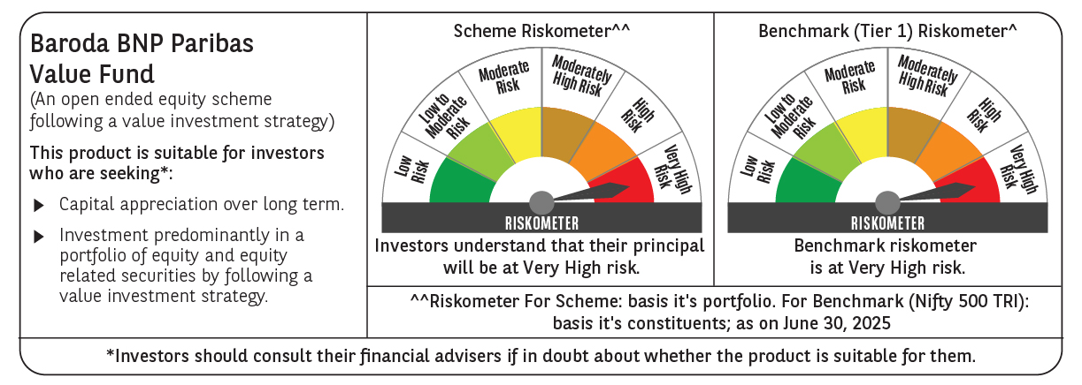
 | Baroda BNP Paribas Value Fund

 | Monthly Portfolio Statement as on June 30, 2025
 | Name of the Instrument | ISIN | Industry / Rating | Quantity | Market/Fair Value (Rs. in Lakhs) | % to Net Assets | YTM~ | YTC^ | null
 | Equity & Equity related
 | (a) Listed / awaiting listing on Stock Exchanges
HDFB03 | HDFC Bank Limited | INE040A01034 | Banks | 450,000 | 9,006.75 | 6.76%
RIND01 | Reliance Industries Limited | INE002A01018 | Petroleum Products | 550,000 | 8,253.30 | 6.20%
IBCL05 | ICICI Bank Limited | INE090A01021 | Banks | 540,000 | 7,807.32 | 5.86%
KOMA02 | Kotak Mahindra Bank Limited | INE237A01028 | Banks | 250,000 | 5,408.75 | 4.06%
LARS02 | Larsen & Toubro Limited | INE018A01030 | Construction | 100,000 | 3,669.80 | 2.75%
DIVI02 | Divi's Laboratories Limited | INE361B01024 | Pharmaceuticals & Biotechnology | 50,000 | 3,404.75 | 2.56%
INFS02 | Infosys Limited | INE009A01021 | IT - Software | 200,000 | 3,203.60 | 2.40%
BHAH02 | Bharat Heavy Electricals Limited | INE257A01026 | Electrical Equipment | 1,200,000 | 3,195.60 | 2.40%
ALKE01 | Alkem Laboratories Limited | INE540L01014 | Pharmaceuticals & Biotechnology | 60,000 | 2,963.40 | 2.22%
ALLI02 | GE Vernova T&D India Limited | INE200A01026 | Electrical Equipment | 120,000 | 2,833.32 | 2.13%
HPEC01 | Hindustan Petroleum Corporation Limited | INE094A01015 | Petroleum Products | 630,000 | 2,759.72 | 2.07%
MAGL01 | Mahanagar Gas Limited | INE002S01010 | Gas | 185,000 | 2,743.92 | 2.06%
SJVN01 | SJVN Limited | INE002L01015 | Power | 2,700,000 | 2,714.31 | 2.04%
PFCL01 | Power Finance Corporation Limited | INE134E01011 | Finance | 635,000 | 2,713.99 | 2.04%
NTPC01 | NTPC Limited | INE733E01010 | Power | 800,000 | 2,679.20 | 2.01%
MFSL01 | Mas Financial Services Limited | INE348L01012 | Finance | 850,000 | 2,618.43 | 1.97%
TCSL01 | Tata Consultancy Services Limited | INE467B01029 | IT - Software | 75,000 | 2,596.50 | 1.95%
BHEL02 | Bharat Electronics Limited | INE263A01024 | Aerospace & Defense | 600,000 | 2,529.00 | 1.90%
IPLI01 | ICICI Prudential Life Insurance Company Limited | INE726G01019 | Insurance | 350,000 | 2,302.65 | 1.73%
OIIL01 | Oil India Limited | INE274J01014 | Oil | 500,000 | 2,171.25 | 1.63%
PGCI01 | Power Grid Corporation of India Limited | INE752E01010 | Power | 700,000 | 2,099.30 | 1.58%
ULCC01 | UltraTech Cement Limited | INE481G01011 | Cement & Cement Products | 17,000 | 2,055.81 | 1.54%
HDLI01 | HDFC Life Insurance Company Limited | INE795G01014 | Insurance | 250,000 | 2,035.75 | 1.53%
SPIL03 | Sun Pharmaceutical Industries Limited | INE044A01036 | Pharmaceuticals & Biotechnology | 120,000 | 2,010.84 | 1.51%
CHEL02 | Zydus Lifesciences Limited | INE010B01027 | Pharmaceuticals & Biotechnology | 200,000 | 1,979.90 | 1.49%
COAL01 | Coal India Limited | INE522F01014 | Consumable Fuels | 500,000 | 1,959.75 | 1.47%
HERO02 | Hero MotoCorp Limited | INE158A01026 | Automobiles | 45,000 | 1,906.70 | 1.43%
SOKO03 | Jtekt India Limited | INE643A01035 | Auto Components | 1,179,000 | 1,715.80 | 1.29%
TOPH02 | Torrent Pharmaceuticals Limited | INE685A01028 | Pharmaceuticals & Biotechnology | 50,000 | 1,704.10 | 1.28%
HOCH01 | Sanofi India Limited | INE058A01010 | Pharmaceuticals & Biotechnology | 24,728 | 1,575.54 | 1.18%
CHLO02 | Exide Industries Limited | INE302A01020 | Auto Components | 400,000 | 1,551.00 | 1.16%
CIPL03 | Cipla Limited | INE059A01026 | Pharmaceuticals & Biotechnology | 100,000 | 1,505.90 | 1.13%
SCHI01 | Sanofi Consumer Healthcare India Limited | INE0UOS01011 | Pharmaceuticals & Biotechnology | 26,000 | 1,480.96 | 1.11%
ICEM01 | The India Cements Limited | INE383A01012 | Cement & Cement Products | 425,000 | 1,465.61 | 1.10%
IDBI01 | IDBI Bank Limited | INE008A01015 | Banks | 1,400,000 | 1,448.02 | 1.09%
CANB02 | Canara Bank | INE476A01022 | Banks | 1,250,000 | 1,427.50 | 1.07%
EIML02 | Eicher Motors Limited | INE066A01021 | Automobiles | 25,000 | 1,414.13 | 1.06%
HLEL02 | Hindustan Unilever Limited | INE030A01027 | Diversified FMCG | 60,000 | 1,376.76 | 1.03%
PLNG01 | Petronet LNG Limited | INE347G01014 | Gas | 450,000 | 1,358.55 | 1.02%
ITCL02 | ITC Limited | INE154A01025 | Diversified FMCG | 325,000 | 1,353.46 | 1.02%
TEMA02 | Tech Mahindra Limited | INE669C01036 | IT - Software | 80,000 | 1,349.60 | 1.01%
SKFB02 | SKF India Limited | INE640A01023 | Industrial Products | 28,000 | 1,348.42 | 1.01%
GAIL01 | GAIL (India) Limited | INE129A01019 | Gas | 700,000 | 1,335.88 | 1.00%
WIPR02 | Wipro Limited | INE075A01022 | IT - Software | 500,000 | 1,329.90 | 1.00%
YESB03 | Yes Bank Limited | INE528G01035 | Banks | 6,500,000 | 1,322.10 | 0.99%
ADWI01 | AWL Agri Business Limited | INE699H01024 | Agricultural Food & other Products | 500,000 | 1,299.75 | 0.98%
SCDL01 | Sundaram Clayton Limited | INE0Q3R01026 | Auto Components | 62,504 | 1,294.71 | 0.97%
MAUD01 | Maruti Suzuki India Limited | INE585B01010 | Automobiles | 10,000 | 1,240.00 | 0.93%
CARU03 | Carborundum Universal Limited | INE120A01034 | Industrial Products | 125,000 | 1,206.81 | 0.91%
GSPL01 | Gujarat State Petronet Limited | INE246F01010 | Gas | 355,000 | 1,169.90 | 0.88%
JYLL02 | Jyothy Labs Limited | INE668F01031 | Household Products | 325,000 | 1,124.99 | 0.84%
KPIT03 | Birlasoft Limited | INE836A01035 | IT - Software | 250,000 | 1,083.75 | 0.81%
BPCL01 | Bharat Petroleum Corporation Limited | INE029A01011 | Petroleum Products | 300,000 | 995.85 | 0.75%
 | Sub Total |  |  |  | 125,102.60 | 93.91%
 | (b) Unlisted |  |  |  | NIL | NIL
 | Sub Total |  |  |  | NIL | NIL
 | Total |  |  |  | 125,102.60 | 93.91%
 | Money Market Instruments
 | Treasury Bill
TBIL2404 | 364 Days Tbill (MD 10/07/2025) | IN002024Z156 | Sovereign | 1,000,000 | 998.69 | 0.75% | 5.32%
TBIL2405 | 364 Days Tbill (MD 04/09/2025) | IN002024Z230 | Sovereign | 500,000 | 495.27 | 0.37% | 5.37%
TBIL2499 | 364 Days Tbill (MD 16/04/2026) | IN002025Z039 | Sovereign | 500,000 | 479.10 | 0.36% | 5.51%
 | Sub Total |  |  |  | 1,973.06 | 1.48%
 | Total |  |  |  | 1,973.06 | 1.48%
 | Reverse Repo / TREPS
TRP_010725 | Clearing Corporation of India Ltd |  |  |  | 6,473.66 | 4.86% | 5.47%
 | Sub Total |  |  |  | 6,473.66 | 4.86%
 | Total |  |  |  | 6,473.66 | 4.86%
 | Net Receivables / (Payables) |  |  |  | (333.00) | (0.25)%
 | GRAND TOTAL |  |  |  | 133,216.32 | 100.00%

 | ~ YTM as on June 30, 2025
 | ^ YTC represents Yield to Call provided by valuation agencies as on June 30, 2025. It is disclosed for Perpetual Bond issued by Banks (i.e. AT-1 Bond / Tier 1 Bond / Tier 2 Bond), as per AMFI Best Practices Guidelines Circular no. 135/BP/91/2020-21 read with SEBI circular No. SEBI/HO/IMD/DF4/CIR/P/2021/034 on Valuation of AT-1 Bonds and Tier 2 Bonds.

