T0ME30
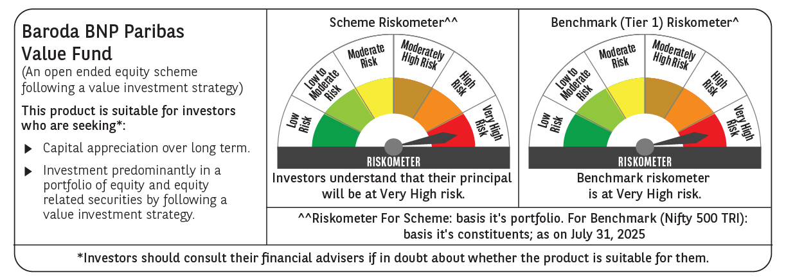
 | Baroda BNP Paribas Value Fund

 | Monthly Portfolio Statement as on July 31, 2025
 | Name of the Instrument | ISIN | Industry / Rating | Quantity | Market/Fair Value (Rs. in Lakhs) | % to Net Assets | YTM~ | YTC^ | null
 | Equity & Equity related
 | (a) Listed / awaiting listing on Stock Exchanges
HDFB03 | HDFC Bank Limited | INE040A01034 | Banks | 450,000 | 9,081.90 | 7.19%
RIND01 | Reliance Industries Limited | INE002A01018 | Petroleum Products | 550,000 | 7,646.10 | 6.05%
IBCL05 | ICICI Bank Limited | INE090A01021 | Banks | 370,000 | 5,481.18 | 4.34%
KOMA02 | Kotak Mahindra Bank Limited | INE237A01028 | Banks | 250,000 | 4,946.50 | 3.92%
LARS02 | Larsen & Toubro Limited | INE018A01030 | Construction | 100,000 | 3,636.50 | 2.88%
DIVI02 | Divi's Laboratories Limited | INE361B01024 | Pharmaceuticals & Biotechnology | 50,000 | 3,297.75 | 2.61%
ALLI02 | GE Vernova T&D India Limited | INE200A01026 | Electrical Equipment | 120,000 | 3,272.16 | 2.59%
INFS02 | Infosys Limited | INE009A01021 | IT - Software | 200,000 | 3,018.00 | 2.39%
BHAH02 | Bharat Heavy Electricals Limited | INE257A01026 | Electrical Equipment | 1,200,000 | 2,861.40 | 2.26%
ITCL02 | ITC Limited | INE154A01025 | Diversified FMCG | 650,000 | 2,677.68 | 2.12%
HPEC01 | Hindustan Petroleum Corporation Limited | INE094A01015 | Petroleum Products | 630,000 | 2,636.24 | 2.09%
MFSL01 | Mas Financial Services Limited | INE348L01012 | Finance | 850,000 | 2,618.43 | 2.07%
PFCL01 | Power Finance Corporation Limited | INE134E01011 | Finance | 635,000 | 2,603.18 | 2.06%
SJVN01 | SJVN Limited | INE002L01015 | Power | 2,700,000 | 2,527.74 | 2.00%
MAGL01 | Mahanagar Gas Limited | INE002S01010 | Gas | 185,000 | 2,512.49 | 1.99%
BHEL02 | Bharat Electronics Limited | INE263A01024 | Aerospace & Defense | 600,000 | 2,298.60 | 1.82%
TCSL01 | Tata Consultancy Services Limited | INE467B01029 | IT - Software | 75,000 | 2,277.60 | 1.80%
OIIL01 | Oil India Limited | INE274J01014 | Oil | 500,000 | 2,200.00 | 1.74%
IPLI01 | ICICI Prudential Life Insurance Company Limited | INE726G01019 | Insurance | 350,000 | 2,155.83 | 1.71%
ULCC01 | UltraTech Cement Limited | INE481G01011 | Cement & Cement Products | 17,000 | 2,082.33 | 1.65%
TEMA02 | Tech Mahindra Limited | INE669C01036 | IT - Software | 140,000 | 2,049.18 | 1.62%
SPIL03 | Sun Pharmaceutical Industries Limited | INE044A01036 | Pharmaceuticals & Biotechnology | 120,000 | 2,048.04 | 1.62%
ALKE01 | Alkem Laboratories Limited | INE540L01014 | Pharmaceuticals & Biotechnology | 40,000 | 2,012.44 | 1.59%
CHEL02 | Zydus Lifesciences Limited | INE010B01027 | Pharmaceuticals & Biotechnology | 200,000 | 1,939.60 | 1.54%
HERO02 | Hero MotoCorp Limited | INE158A01026 | Automobiles | 45,000 | 1,917.32 | 1.52%
HDLI01 | HDFC Life Insurance Company Limited | INE795G01014 | Insurance | 250,000 | 1,888.75 | 1.50%
TOPH02 | Torrent Pharmaceuticals Limited | INE685A01028 | Pharmaceuticals & Biotechnology | 50,000 | 1,870.95 | 1.48%
PGCI01 | Power Grid Corporation of India Limited | INE752E01010 | Power | 600,000 | 1,746.00 | 1.38%
ICEM01 | The India Cements Limited | INE383A01012 | Cement & Cement Products | 425,000 | 1,568.68 | 1.24%
CIPL03 | Cipla Limited | INE059A01026 | Pharmaceuticals & Biotechnology | 100,000 | 1,554.60 | 1.23%
SOKO03 | Jtekt India Limited | INE643A01035 | Auto Components | 1,179,000 | 1,520.67 | 1.20%
HLEL02 | Hindustan Unilever Limited | INE030A01027 | Diversified FMCG | 60,000 | 1,512.72 | 1.20%
HOCH01 | Sanofi India Limited | INE058A01010 | Pharmaceuticals & Biotechnology | 24,728 | 1,440.41 | 1.14%
SKFB02 | SKF India Limited | INE640A01023 | Industrial Products | 28,000 | 1,372.17 | 1.09%
EIML02 | Eicher Motors Limited | INE066A01021 | Automobiles | 25,000 | 1,367.13 | 1.08%
CHLO02 | Exide Industries Limited | INE302A01020 | Auto Components | 350,000 | 1,345.05 | 1.06%
CANB02 | Canara Bank | INE476A01022 | Banks | 1,250,000 | 1,340.63 | 1.06%
APLI04 | Hexaware Technologies Limited | INE093A01041 | IT - Software | 190,000 | 1,337.60 | 1.06%
GUSF02 | Gujarat State Fertilizers & Chemicals Limited | INE026A01025 | Fertilizers & Agrochemicals | 650,000 | 1,324.90 | 1.05%
COAL01 | Coal India Limited | INE522F01014 | Consumable Fuels | 350,000 | 1,317.23 | 1.04%
IDBI01 | IDBI Bank Limited | INE008A01015 | Banks | 1,400,000 | 1,297.38 | 1.03%
PLNG01 | Petronet LNG Limited | INE347G01014 | Gas | 450,000 | 1,296.90 | 1.03%
SCHI01 | Sanofi Consumer Healthcare India Limited | INE0UOS01011 | Pharmaceuticals & Biotechnology | 26,000 | 1,276.08 | 1.01%
CALC03 | CESC Limited | INE486A01021 | Power | 750,000 | 1,271.33 | 1.01%
MAUD01 | Maruti Suzuki India Limited | INE585B01010 | Automobiles | 10,000 | 1,260.80 | 1.00%
CARU03 | Carborundum Universal Limited | INE120A01034 | Industrial Products | 135,000 | 1,256.31 | 0.99%
ADWI01 | AWL Agri Business Limited | INE699H01024 | Agricultural Food & other Products | 475,000 | 1,245.45 | 0.99%
GAIL01 | GAIL (India) Limited | INE129A01019 | Gas | 700,000 | 1,243.76 | 0.98%
WIPR02 | Wipro Limited | INE075A01022 | IT - Software | 500,000 | 1,241.50 | 0.98%
SCDL01 | Sundaram Clayton Limited | INE0Q3R01026 | Auto Components | 63,526 | 1,239.71 | 0.98%
YESB03 | Yes Bank Limited | INE528G01035 | Banks | 6,500,000 | 1,229.80 | 0.97%
KPIT03 | Birlasoft Limited | INE836A01035 | IT - Software | 300,000 | 1,174.50 | 0.93%
JYLL02 | Jyothy Labs Limited | INE668F01031 | Household Products | 350,000 | 1,163.40 | 0.92%
GSPL01 | Gujarat State Petronet Limited | INE246F01010 | Gas | 355,000 | 1,119.14 | 0.89%
BPCL01 | Bharat Petroleum Corporation Limited | INE029A01011 | Petroleum Products | 300,000 | 987.90 | 0.78%
SOKO03RF | Jtekt India Limited- Rights share** | INE643A20019 | Auto Components | 107,181 | 22.38 | 0.02%
 | Sub Total |  |  |  | 120,632.02 | 95.49%
 | (b) Unlisted |  |  |  | NIL | NIL
 | Sub Total |  |  |  | NIL | NIL
 | Total |  |  |  | 120,632.02 | 95.49%
 | Money Market Instruments
 | Treasury Bill
TBIL2405 | 364 Days Tbill (MD 04/09/2025) | IN002024Z230 | Sovereign | 500,000 | 497.53 | 0.39% | 5.33%
TBIL2499 | 364 Days Tbill (MD 16/04/2026) | IN002025Z039 | Sovereign | 500,000 | 481.19 | 0.38% | 5.53%
 | Sub Total |  |  |  | 978.72 | 0.77%
 | Total |  |  |  | 978.72 | 0.77%
 | Reverse Repo / TREPS
TRP_010825 | Clearing Corporation of India Ltd |  |  |  | 4,599.97 | 3.64% | 5.42%
 | Sub Total |  |  |  | 4,599.97 | 3.64%
 | Total |  |  |  | 4,599.97 | 3.64%
 | Net Receivables / (Payables) |  |  |  | 120.48 | 0.10%
 | GRAND TOTAL |  |  |  | 126,331.19 | 100.00%

 | ** Thinly Traded / Non Traded Security
 | ~ YTM as on July 31, 2025
 | ^ YTC represents Yield to Call provided by valuation agencies as on July 31, 2025. It is disclosed for Perpetual Bond issued by Banks (i.e. AT-1 Bond / Tier 1 Bond / Tier 2 Bond), as per AMFI Best Practices Guidelines Circular no. 135/BP/91/2020-21 read with SEBI circular No. SEBI/HO/IMD/DF4/CIR/P/2021/034 on Valuation of AT-1 Bonds and Tier 2 Bonds.

